Anleitung
In dieser Excelliste müssen durch die Superuser für Ihre jeweilige Abteilung folgende Sheets, welche alle blau eingefärbt sind, ausgefüllt werden:

Arbeitsplatz | Hier werden die Namen der CARi-Arbeitsplätze definiert, welche der User beim Anmelden in CARi auswählen kann
 | Mit Arbeitsplatz ist nicht ein einzelner PC-Arbeitsplatz gemeint, sondern ein Arbeitsbereich. Dem Arbeitsbereich sind dann Formulare/Drucker-Zuordnungen zugeordnet

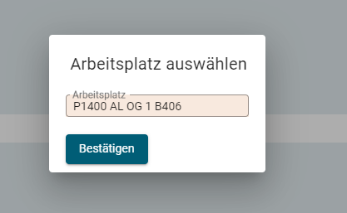

User zu Arbeitsplatz | Hier werden die Usernamen einem oder mehreren Arbeitsplätzen zugeordnet. Die User können dann beim Einloggen in CARi die Arbeitsplätze auswählen, welchem sie zugeordnet sind.
 | Pro User muss mindestens ein Arbeitsplatz zugeordnet sein

Arbeitsplatz-Formular-Drucker | Hier wird angegeben, dass - wenn ein User beim Einloggen den Arbeitsbereich A ausgewählt hat und dann Formular B druckt, dieses Formular auf dem Drucker C aus dem Schacht D
 | gedruckt werden soll. Es werden hier nur Formulare parametriert, welche nicht auf weisses A4-Blatt gedruckt werden

User zu Windowsprinter | Hier wird ein Windows-User einem oder mehrere Drucker zugeordnet. Es muss mindestens Drucker zugeordnet sein, in welchem sich im Schacht 1 weisses A4 Papier befindet.

PC zu Default-Windowsprinter | (Optional, nur User angeben, welche oft den PC-Arbeitsplatz wechseln) Hier wird ein PC genau einem Windowsdrucker zugeordnet. Dieser Drucker wird automatisch als Standarddrucker gesetzt

Arbeitsplatz
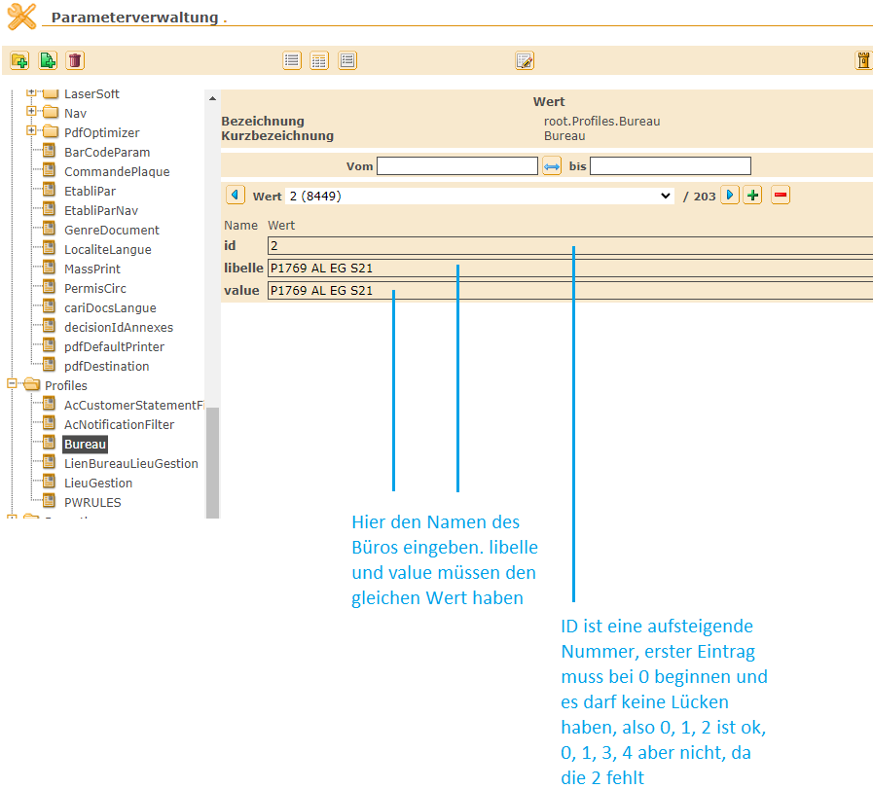
id | libelle | value | Arbeitsplatzname | Standort | Superuser | Fachabteilung
1 | LE-ADM-Arbeitsbereich1 | LE-ADM-Arbeitsbereich1 | Arbeitsbereich1 | AMA | Petra | ADM
2 | #N/A | #N/A
3 | #N/A | #N/A
4 | #N/A | #N/A
5 | #N/A | #N/A
6 | #N/A | #N/A
7 | #N/A | #N/A
8 | #N/A | #N/A
9 | #N/A | #N/A
10 | #N/A | #N/A
11 | #N/A | #N/A
12 | #N/A | #N/A
13 | #N/A | #N/A
14 | #N/A | #N/A
15 | #N/A | #N/A
16 | #N/A | #N/A
17 | #N/A | #N/A
18 | #N/A | #N/A
19 | #N/A | #N/A
20 | #N/A | #N/A
21 | #N/A | #N/A
22 | #N/A | #N/A
23 | #N/A | #N/A
24 | #N/A | #N/A
25 | #N/A | #N/A
26 | #N/A | #N/A
27 | #N/A | #N/A
28 | #N/A | #N/A
29 | #N/A | #N/A
30 | #N/A | #N/A
31 | #N/A | #N/A
32 | #N/A | #N/A
33 | #N/A | #N/A
34 | #N/A | #N/A
35 | #N/A | #N/A
36 | #N/A | #N/A
37 | #N/A | #N/A
38 | #N/A | #N/A
39 | #N/A | #N/A
40 | #N/A | #N/A
41 | #N/A | #N/A
42 | #N/A | #N/A
43 | #N/A | #N/A
44 | #N/A | #N/A
45 | #N/A | #N/A
46 | #N/A | #N/A
47 | #N/A | #N/A
48 | #N/A | #N/A
49 | #N/A | #N/A
50 | #N/A | #N/A
51 | #N/A | #N/A
52 | #N/A | #N/A
53 | #N/A | #N/A
54 | #N/A | #N/A
55 | #N/A | #N/A
56 | #N/A | #N/A
57 | #N/A | #N/A
58 | #N/A | #N/A
59 | #N/A | #N/A
60 | #N/A | #N/A
61 | #N/A | #N/A
62 | #N/A | #N/A
63 | #N/A | #N/A
64 | #N/A | #N/A
65 | #N/A | #N/A
66 | #N/A | #N/A
67 | #N/A | #N/A
68 | #N/A | #N/A
69 | #N/A | #N/A
70 | #N/A | #N/A
71 | #N/A | #N/A
72 | #N/A | #N/A
73 | #N/A | #N/A
74 | #N/A | #N/A
75 | #N/A | #N/A
76 | #N/A | #N/A
77 | #N/A | #N/A
78 | #N/A | #N/A
79 | #N/A | #N/A
80 | #N/A | #N/A
81 | #N/A | #N/A
82 | #N/A | #N/A
83 | #N/A | #N/A
84 | #N/A | #N/A
85 | #N/A | #N/A
86 | #N/A | #N/A
87 | #N/A | #N/A
88 | #N/A | #N/A
89 | #N/A | #N/A
90 | #N/A | #N/A
91 | #N/A | #N/A
92 | #N/A | #N/A
93 | #N/A | #N/A
94 | #N/A | #N/A
95 | #N/A | #N/A
96 | #N/A | #N/A
97 | #N/A | #N/A
98 | #N/A | #N/A
99 | #N/A | #N/A
100 | #N/A | #N/A
101 | #N/A | #N/A
102 | #N/A | #N/A
103 | #N/A | #N/A
104 | #N/A | #N/A
105 | #N/A | #N/A
106 | #N/A | #N/A
107 | #N/A | #N/A
108 | #N/A | #N/A
109 | #N/A | #N/A

Geschäftstellen
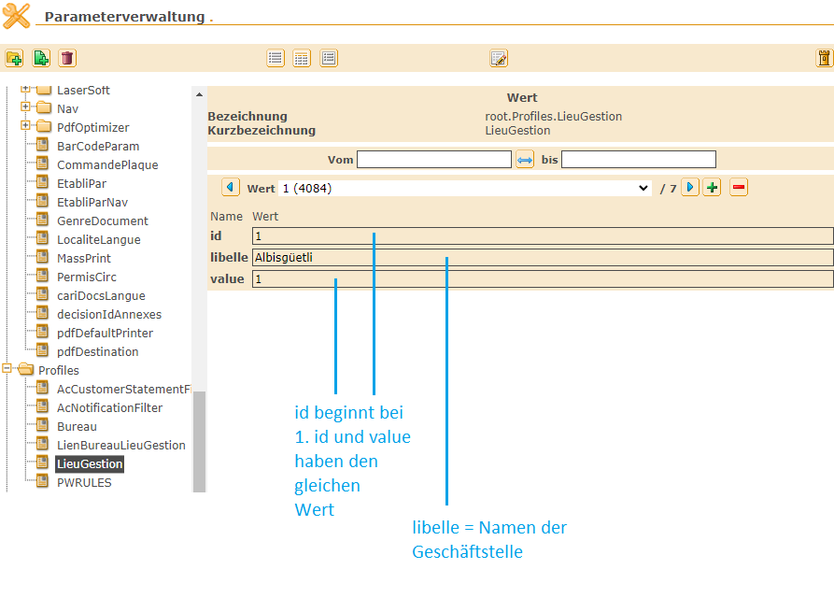
id | libelle | value
1 | Albisgüetli | 1
2 | Winterthur | 2
3 | Regensdorf | 3
4 | Hinwil | 4
5 | Oberrieden | 5
6 | Bülach | 6
7 | Bassersdorf | 7

