接口内容
序号 | 分类 | 接口名称 | 类型 | 地址 | 传入参数 |  |  |  | 返回值 | 调用说明 | 备注
1 |  |  |  |  | 数据名称 | KEY | 默认值 | 数据类型 |  |  | 从服务器获取数据时，某些浮点型数据过长，请在客户端四舍五入保留两位小数
2 | 用户 | 验证数据采集器效验码是否正确（注册时） | "payload": { "method":"getUserLogout", "parameters": [ {"payload":{"authToken":"token"}} ] } | /registerAPI.do?action=checkDataLogSn | 采集器序列号 | dataLogSN |  | String | 正确: {"back":{"msg":"success"}} 采集器已被注册: {"back":{"msg":"dataLogSn_Exist"}} 效验码错误: {"back":{"msg":"dataLog_checkCode_error"}}
 |  |  |  |  | 效验码 | checkCode |  | String
3 | 用户 | 验证用户名是否已被使用（注册时） | POST | /userInfoAPI | 用户名 | regUserName |  | String | 已被注册: {"back":{"success":true}} 未被注册: {"back":{"success":false}}
4 | 用户 | 用户注册 | POST | /registerAPI.do?action=creatAccount | 用户名 | regUserName |  | String | 注册成功: {"back":{"success":true}} 注册失败: {"back":{"success":false}} 超出版本限制注册用户数量： {"back":{"success":false,"msg":"error_userCountLimit"}} | http://192.168.8.13:8081/ShineServer/registerAPI.do?action=creatAccount&regUserName=demo1&regPassword=111111&regEmail=chxjv@163.com&regCompanyName=wewiz&regTimeZone=8&regLanguage=zh_cn | 注册时验证码生成及验证由移动端控制 根据“采集器是否需要校验”接口，控制采集器序列号和采集器验证码输入框的显示与隐藏。
 |  |  |  |  | 密码 | regPassword |  | String
 |  |  |  |  | 电子邮件 | regEmail |  | String
 |  |  |  |  | 采集器序列号 | regDataLoggerNo |  | String
 |  |  |  |  | 公司名称 | regCompanyName |  | String
 |  |  |  |  | 手机号码 | regPhoneNumber |  | String
 |  |  |  |  | 时区 | regTimeZone | 8 | int
 |  |  |  |  | 语言 | regLanguage | zh_cn | String
5 | 用户 | 登录 | POST | /LoginAPI.do?op=cusLogin | 用户名 | userName |  | String | 用户名或密码为空 {"back":{"success":false,"errCode":"101"}} 用户名或密码错误 {"back":{"success":false,"errCode":"102"}} 正确 {"back":{"success":true,"userId":1}} | { "back": { "userId": 4, "userLevel": 1, "success": true } } | 登录密码由客户端用MD5加密
 |  |  |  |  | 密码 | pwd |  | String
6 | 用户 | 登录示例电站 | POST | /demoLoginAPI.do |  |  |  |  | {"back":{"success":true,"userId":1}} 用户名或密码错误 {"back":{"success":false,"errCode":"102"}}
7 | 电站 | 电站列表 | GET | /PlantListAPI.do |  |  |  |  | {"back":{"data":[{"plantMoneyText":"0.0 ","plantName":"电站02","plantId":"176","todayEnergy":"0 kWh","totalEnergy":"0 kWh","currentPower":"0 W"},{"plantMoneyText":"0.0 (￥)","plantName":"guest_plant","plantId":"115","todayEnergy":"0 kWh","totalEnergy":"0 kWh","currentPower":"0 W"}, {"plantMoneyText":"485.0 (￥)","plantName":"第二个电站","plantId":"3","todayEnergy":"0 kWh","totalEnergy":"4.04 MWh","currentPower":"0 W"},{"plantMoneyText":"190.1 ","plantName":"第一个电站","plantId":"1","todayEnergy":"0 kWh","totalEnergy":"1.58 MWh","currentPower":"0 W"}],"totalData":{"currentPowerSum":"0 W","CO2Sum":"5.61 KT","eTotalMoneyText":"675.1 ","todayEnergySum":"0 kWh","totalEnergySum":"5.63 MWh"},"success":true} }
8 | 电站 | 检测电站名是否已被使用(添加电站) | POST | /plantA.do?op=checkPlantName | 电站名 | plantName |  | String | 是 true 否 false
9 | 电站 | 添加电站 | POST | /plantA.do?op=add | 电站名 | plantName |  | String | 超出版本限制电站数量 error_versionLimit 超出用户限制电站数量 error_userPlantNumLimit 当前用户下电站名重复 error_plantNameExist 添加出错 error_systemError 添加成功 true | 都是必填字段 | 添加时验证码生成及验证由移动端控制
 |  |  |  |  | 设计厂家 | plantFirm |  | String
 |  |  |  |  | 创建日期 | plantDate | 2015-01-05 | String
 |  |  |  |  | 设计功率 | plantPower |  | String
 |  |  |  |  | 国家 | plantCountry | China | String
 |  |  |  |  | 城市 | plantCity |  | String
 |  |  |  |  | 时区 | plantTimezone |  | int
 |  |  |  |  | 经度 | plantLng |  | String
 |  |  |  |  | 纬度 | plantLat |  | String
 |  |  |  |  | 资金收益 | plantIncome |  | float
 |  |  |  |  | 资金收益货币单位 | plantMoney | rmb/usd/eur/aud/jpy/gbp | String
 |  |  |  |  | 节约标准煤 | plantCoal |  | float
 |  |  |  |  | CO2减排 | plantCo2 |  | float
 |  |  |  |  | SO2减排 | plantSo2 |  | float
 |  |  |  |  | 电站概貌图片(可选) | plantImg |  | 图片文件
 |  |  |  |  | 电站地图图片(可选) | plantMap |  | 图片文件
10 | 电站 | 删除电站 | POST | /plantA.do?op=del | 电站ID | plantId |  | int | 成功 true 失败 false
11 | 电站 | 修改电站概貌图片 | POST | /plantA.do?op=updateImg | 电站ID | id |  | int | 有可能是和地图图片弄错了
 |  |  |  |  | 电站地图图片 | plantMap |  | 图片文件
12 | 电站 | 修改电站地图图片 | POST | /plantA.do?op=updatePlantMap | 电站ID | id |  | int | 成功 true 失败 false
 |  |  |  |  | 电站概貌图片 | plantImg |  | 图片文件
13 | 电站 | 输出电站概貌图片 | GET | /plantA.do?op=getImg | 电站ID | id |  | int | 图片
14 | 电站 | 获取电站概述 | GET | /PlantAPI.do | 电站ID | plantId |  | int | {"back":{"data":{"plant_lat":"22.571742","plantName":"第一个电站","designCompany":"GROWATT","timeZone":"GMT+8","formulaCo2":"0.997","formulaCoal":"0.4","normalPower":"3000 Wp","city":"深圳","country":"China","createData":"2014-07-04","plant_lng":"113.95432","formulaMoney":"0.12","formulaMoneyUnit":"gbp","formulaSo2":"0.03"},"success":true}} | 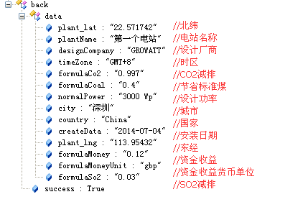
15 | 逆变器 | 获取电站设备列表——逆变器 | GET | /deviceA.do?op=getInvs | 电站ID | id |  | int | [{"lost":false,"energyMonthText":"17.9","id":1,"serialNum":"INV010C001","dataLogSn":"5026200018","innerVersion":"1.2.3.4.","energyMonth":17.899999618530273,"alias":"INV010C001","eToday":17.899999618530273,"status":1,"eTotal":17.899999618530273,"lastUpdateTimeText":"2015-03-19 11:41:40","address":1},{"lost":false,"energyMonthText":"17.9","id":1,"serialNum":"INV010C002","dataLogSn":"5026200018","innerVersion":"1.2.3.4.","energyMonth":17.899999618530273,"alias":"INV010C002","eToday":17.899999618530273,"status":1,"eTotal":17.899999618530273,"lastUpdateTimeText":"2015-03-19 11:41:40","address":2}] |  | 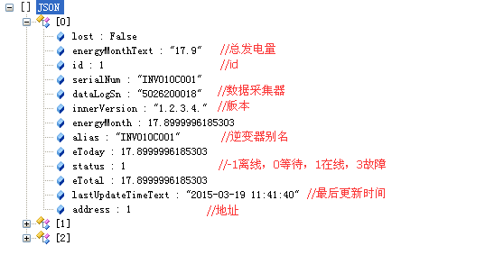
 |  |  |  |  | 当前页码 | currentPage |  | int
 |  |  |  |  | 记录数 | pageSize |  | int
16 | 环境监测仪 | 获取电站设备列表——环境监测仪 | GET | /deviceA.do?op=getDlse | 电站ID | id |  | int | [{“envData”:{}},{“envData”:{}},{•••}] [{"lost":true,"lastUpdateTimeText":"2014-12-23 14:39:58","deviceName":"Environ-monitor","address":99,"envData":{"radiant":168,"windAngle":1,"windSpeed":0.10000000149011612,"timeText":"2014-12-23 14:39:58","dataLogSn":"AD14271111"},"dataLogSn":"AD14271111"}, {"lost":false,"lastUpdateTimeText":"2015-03-19 14:52:22","deviceName":"Environ-monitor","address":36,"envData":{"radiant":168,"windAngle":1,"windSpeed":0.10000000149011612,"timeText":"2015-03-19 14:52:22","dataLogSn":"5026200018"},"dataLogSn":"5026200018"}] |  | 注意：当”envData”:null时，代表无数据，请将数值显示为0
 |  |  |  |  | 当前页码 | currentPage |  | int
 |  |  |  |  | 记录数 | pageSize |  | int
17 | 智能电表 | 获取电站设备列表——智能电表 | GET | /deviceA.do?op=getDlsa | 电站ID | id |  | int | [{“ammeterData”:{}},{“ammeterData”:{}},{•••}] [{"lost":true,"lastUpdateTimeText":"2014-12-23 14:39:58","deviceName":"Electric-meter ","address":37,"dataLogSn":"AD14271111","ammeterData":{"reactivePower":0,"activeEnergy":0,"reactiveEnergy":0,"activePower":0,"feiLvBoZEnergy":0,"powerFactor":0,"apparentPower":0,"feiLvFengZEnergy":0,"timeText":"","dataLogSn":"","feiLvPingZEnergy":0,"feiLvGuZEnergy":0}}, {"lost":false,"lastUpdateTimeText":"2015-03-19 15:22:29","deviceName":"Electric-meter ","address":37,"dataLogSn":"5026200018","ammeterData":{"reactivePower":168.89999389648438,"activeEnergy":48.900001525878906,"reactiveEnergy":0.10000000149011612,"activePower":5589.60009765625,"feiLvBoZEnergy":15.899999618530273,"powerFactor":0.9991999864578247,"apparentPower":6025.5,"feiLvFengZEnergy":10.199999809265137,"timeText":"2015-03-19 15:22:29","dataLogSn":"5026200018","feiLvPingZEnergy":6.5,"feiLvGuZEnergy":5.400000095367432}}] | 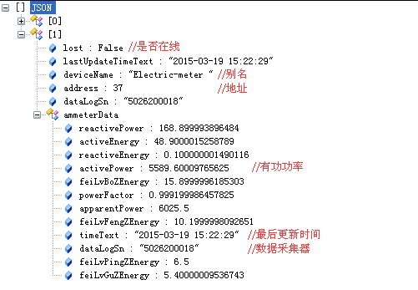 | 注意：当”ammeterData”:null时，代表无数据，请将数值显示为0
 |  |  |  |  | 当前页码 | currentPage |  | int
 |  |  |  |  | 记录数 | pageSize |  | int
18 | 汇流箱 | 获取电站设备列表——汇流箱 | GET | /deviceA.do?op=getDlsb | 电站ID | id |  | int | [{“boxData”:{}},{“boxData”:{}},{•••}] [{"lost":true,"lastUpdateTimeText":"2013-08-06 21:00:41","deviceName":"Convergence-box","address":42,"dataLogSn":"5026200018","boxData":null}, {"lost":true,"lastUpdateTimeText":"2015-01-27 10:45:53","deviceName":"Convergence-box","address":41,"dataLogSn":"5026200018","boxData":{"voltage":55,"timeText":"2015-01-27 10:45:53","dataLogSn":"5026200018"}}] |  | 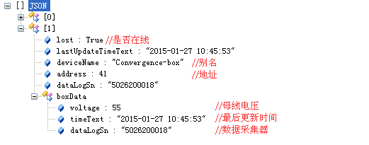 注意：当”boxData”:null时，代表无数据，请将数值显示为0
 |  |  |  |  | 当前页码 | currentPage |  | int

 |  |  |  |  | 记录数 | pageSize |  | int
19 | 储能机 | 获取电站设备列表——储能机 | GET | /deviceA.do?op=getDlss | 电站ID | id |  | int | 正确数据 [{•••},{•••},•••] [{"time":"2015-01-06 17:21:00","alias":"HH00000002","dataLogSn":"AD14281199","serialNum":"HH00000002","status":-1,"lost":true,"pCharge":0,"address":1}, {"time":"2015-01-06 17:21:00","alias":"000000","dataLogSn":"AH13122515","serialNum":"0123456789","status":-1,"lost":true,"pCharge":0,"address":2}]
 |  |  |  |  | 当前页码 | currentPage |  | int
 |  |  |  |  | 记录数 | pageSize |  | int
20 | 电站 | 获取电站经纬度 | GET | /plantA.do?op=getLatLng | 电站ID | id |  | int | 获取失败 {"success":false} 获取成功 {"Lng":"113.95432","Lat":"22.571742","success":true}
21 | 电站 | 修改电站经纬度 | POST | /plantA.do?op=updateSite | 电站ID | id |  | int | 修改失败 false 修改成功 true
 |  |  |  |  | 经度 | lng |  | double
 |  |  |  |  | 纬度 | lat |  | double
22 |  | 获取growatt位置 |  |  |  |  |  |  | 固定值： lat=22.694859 lng=113.933232
23 | 逆变器 | 逆变器设置1（设置逆变器开关机） | POST | /tcpSet.do?action=inverterSet | 逆变器序列号 | serialNum |  | String | 成功 {"msg":"Successful.","success":true} 失败 {"msg":"Communication with inverter is lost.","success":false} //msg：不同错误有不同提示信息,可直接输出至用户界面
 |  |  |  |  | 设置参数 | paramId | pv_on_off(固定值) | String
 |  |  |  |  | 命令值 | oo_command | 0000(关机且下次不自动并网), | String
 |  |  |  |  |  |  | 0100(关机且下次自动并网),
 |  |  |  |  |  |  | 0101(开机且下次自动并网),
 |  |  |  |  |  |  | 0001(开机且下次不自动并网)
24 | 逆变器 | 逆变器设置2（设置是否存储以下PF命令） | POST | /tcpSet.do?action=inverterSet | 逆变器序列号 | serialNum |  | String | 成功 {"msg":"Successful.","success":true} 失败 {"msg":"Communication with inverter is lost.","success":false} //msg：不同错误有不同提示信息,可直接输出至用户界面
 |  |  |  |  | 设置参数 | paramId | pv_pf_cmd_memory_state(固定值) | String
 |  |  |  |  | 命令值 | pf_command | 1(开启), | String
 |  |  |  |  |  |  | 0(关闭),
25 | 逆变器 | 逆变器设置3（设置有功功率） | POST | /tcpSet.do?action=inverterSet | 逆变器序列号 | serialNum |  | String | 成功 {"msg":"Successful.","success":true} 失败 {"msg":"Communication with inverter is lost.","success":false} //msg：不同错误有不同提示信息,可直接输出至用户界面
 |  |  |  |  | 设置参数 | paramId | pv_active_p_rate(固定值) | String
 |  |  |  |  | 数值 | active_p_rate | (百分比) | int

26 | 逆变器 | 逆变器设置4（设置无功功率） | POST | /tcpSet.do?action=inverterSet | 逆变器序列号 | serialNum |  | String | 成功 {"msg":"Successful.","success":true} 失败 {"msg":"Communication with inverter is lost.","success":false} //msg：不同错误有不同提示信息,可直接输出至用户界面
 |  |  |  |  | 设置参数 | paramId | pv_reactive_p_rate(固定值) | String
 |  |  |  |  | 数值 | reactive_p_rate | (百分比) | int

 |  |  |  |  | 类型 | reactive_rate_type | over(容性)， | String
 |  |  |  |  |  |  | under(感性)
27 | 电站 | 修改电站 | POST | /plantA.do?op=update | 电站ID | plantID |  | int | 当前用户下电站名重复 error_plantNameExist 保存概览图片出错 error_img 保存地图图片出错 error_locationImg 修改信息出错 error_plant 修改成功 true
 |  |  |  |  | 电站名 | plantName |  | String
 |  |  |  |  | 设计厂家 | plantFirm |  | String
 |  |  |  |  | 创建日期 | plantDate | 2015-01-05 | String
 |  |  |  |  | 设计功率 | plantPower |  | String
 |  |  |  |  | 国家 | plantCountry | China | String
 |  |  |  |  | 城市 | plantCity |  | String
 |  |  |  |  | 时区 | plantTimezone |  | int
 |  |  |  |  | 经度 | plantLng |  | String
 |  |  |  |  | 纬度 | plantLat |  | String
 |  |  |  |  | 资金收益 | plantIncome |  | float
 |  |  |  |  | 资金收益货币单位 | plantMoney | rmb/usd/eur/aud/jpy/gbp | String
 |  |  |  |  | 节约标准煤 | plantCoal |  | float
 |  |  |  |  | CO2减排 | plantCo2 |  | float
 |  |  |  |  | SO2减排 | plantSo2 |  | float
 |  |  |  |  | 电站概貌图片(可选) | plantImg |  | 图片文件
 |  |  |  |  | 电站地图图片(可选) | plantMap |  | 图片文件
28 | 解释有问题 | 采集器是否需要校验 | GET | /registerAPI.do?op=isDatalogCheck |  |  |  |  | 需要 true 不需要 fasle |  | 采集器是否需要校验 该功能目前有以下两点作用: 1. 若为false，用户注册功能不需要有采集器与采集器校验码文本框 2. 若为false，添加采集器不需要有采集器校验码文本框
29 | 采集器 | 获取电站下采集器列表 | GET | /datalogA.do?op=list | 电站ID | id |  | int | [{"datalog_sn":"AD14271111","id":"1","lost":true,"alias":"采集器aaa","device_type":"Shine WebBox","update_interval":"5","unit_id":"bbb","client_url":"/127.0.0.1:2187"},{"datalog_sn":"5026200018","id":"9","lost":true,"alias":"5026200018","device_type":"Shine WebBox","update_interval":"5","unit_id":"","client_url":"/127.0.0.1:2607"}]
 |  |  |  |  | 当前页码 | currentPage |  | int
30 | 电站 | 添加采集器 | POST | /datalogA.do?op=add | 电站ID | plantID |  | int | 采集器序列号不正确 {"msg":"errDatalogSN","success":false} 软件版本采集器数量限制 {"msg":"errSystemDatalogLimit","success":false} 电站采集器数量限制 {"msg":"errPlantDatalogNumLimit","success":false} 采集器是已经存在 {"msg":"errDatalogExist","success":false} 采集器与校验码不匹配 {"msg":"errDatalogAndValidCode","success":false} 添加出错 {"msg":"error","success":false} 成功 {"success":true} |  | 根据“采集器是否需要校验”接口，控制采集器验证码输入框的显示与隐藏。
 |  |  |  |  | 采集器序列号 | datalogSN |  | String
 |  |  |  |  | 采集器校验码 | validCode |  | String
31 | 采集器 | 修改采集器 | POST | /datalogA.do?op=update | 采集器序列号 | datalogSN |  | String | 参数错误 {"msg":"errParam","success":false} 修改出错 {"msg":"error","success":false} 成功 {"success":true}
 |  |  |  |  | 别名 | alias |  | String
 |  |  |  |  | 组别 | unitId |  | String
32 | 采集器 | 删除采集器 | POST | /datalogA.do?op=del | 采集器序列号 | datalogSN |  | String | 删除出错 {"msg":"error","success":false} 删除成功 {"success":true}

33 | 电站 | 获取电站日曲线图数据 | GET | /PlantDetailAPI.do?type=1 | 电站ID | plantId |  | int | 日期格式不正确 {"back":{"success":false,"errCode":"207"}} 正确数据 {"back":{"success":true,"plantData":{"plantMoneyText":"28.8 ","plantName":"第一个电站","plantId":"1","currentEnergy":"240 kWh"},"data":{"15:00":"0","05:00":"0","22:30":"0","18:30":"0","11:30":"0","12:00":"0","21:30":"0","20:30":"0","07:30":"0","08:30":"0","17:30":"0","10:30":"195860.48","09:00":"59609.4","03:00":"0","14:00":"0","16:00":"0","13:30":"0","02:00":"0","01:00":"0","12:30":"0","19:30":"0","04:00":"0","22:00":"0","15:30":"0","06:30":"0","07:00":"0","19:00":"0","05:30":"0","10:00":"116488.18","17:00":"0","09:30":"78544.73","23:00":"0","21:00":"0","08:00":"0","03:30":"0","11:00":"247776.48","18:00":"0","14:30":"0","20:00":"0","01:30":"0","04:30":"0","06:00":"0","13:00":"0","00:30":"0","16:30":"0","23:30":"0","02:30":"0"}}} |  | 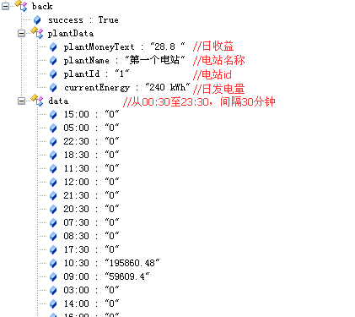
 |  |  |  |  | 日期 | date | 2015-03-18 | String
34 | 电站 | 获取电站月曲线图数据 | GET | /PlantDetailAPI.do?type=2 | 电站ID | plantId |  | int | 日期格式不正确 {"back":{"success":false,"errCode":"207"}} 正确数据 {"back":{"success":true,"plantData":{"plantMoneyText":"45.0 ","plantName":"第一个电站","plantId":"1","currentEnergy":"374.6 kWh"},"data":{"19":"374.6","17":"0.0","18":"92.8","15":"0.0","16":"0.0","13":"0.0","14":"0.0","11":"0.0","12":"0.0","21":"0.0","20":"0.0","08":"0.0","09":"0.0","04":"0.0","22":"0.0","05":"0.0","23":"0.0","06":"0.0","24":"0.0","25":"0.0","07":"0.0","26":"0.0","27":"0.0","01":"0.0","02":"0.0","28":"0.0","03":"0.0","29":"0.0","10":"0.0","30":"0.0","31":"0.0"}}} |  | 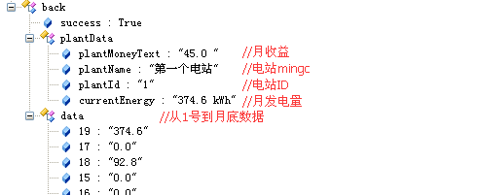
 |  |  |  |  | 日期 | date | 2015/06 | String
35 |  | 获取电站年曲线图数据 | GET | /PlantDetailAPI.do?type=3 | 电站ID | plantId |  | int | 日期格式不正确 {"back":{"success":false,"errCode":"207"}} 正确数据 {"back":{"success":true,"plantData":{"plantMoneyText":"48.9 ","plantName":"第一个电站","plantId":"1","currentEnergy":"407.8 kWh"},"data":{"10":"0","08":"0","09":"0","04":"0","05":"0","06":"0","07":"0","01":"0","02":"0","11":"0","03":"407.8","12":"0"}}} | · | 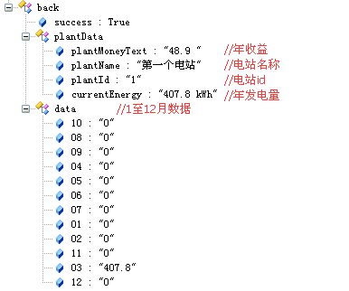
 |  |  |  |  | 日期 | date | 2015 | String
36 | 电站 | 获取电站总曲线图数据(前至今6年) | GET | /PlantDetailAPI.do?type=4 | 电站ID | plantId |  | int | 正确数据 {"back":{"plantData":{"plantMoneyText":"250.9 ","plantName":"第一个电站","plantId":"1","currentEnergy":"2.09 MWh"},"data":{"2013":"0.0","2014":"25912.799","2015":"506.99982","2012":"0.0","2011":"0.0","2010":"0.0"},"success":true}}
37 | 逆变器 | 获取逆变器日曲线图数据 | GET | /inverterA.do?op=getDps | 逆变器ID | id |  | int | 数据：{"15:30":16675.080078125,"15:00":17858.630859375,"11:30":12920.1201171875,"10:00":4167.35009765625,"17:00":9019.2998046875,"09:30":2858.330078125,"12:00":15128.2802734375,"9:00":1865,"11:00":10029.98046875,"10:30":6835,"14:30":19614.970703125,"13:00":18868.69921875,"14:00":21001.80078125,"13:30":20124.55078125,"16:00":15141.98046875,"16:30":11477.1796875,"12:30":17191.470703125} |  | 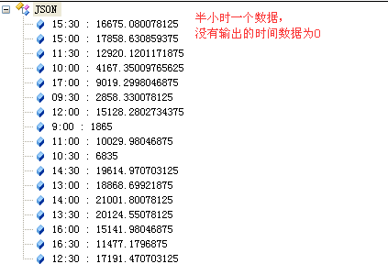
 |  |  |  |  | 类型 | type | 1(PV功率) | int
 |  |  |  |  |  |  | 2(PV1电压)
 |  |  |  |  |  |  | 3(PV1电流)
 |  |  |  |  |  |  | 4(PV2电压)
 |  |  |  |  |  |  | 5(PV2电流)
 |  |  |  |  |  |  | 6(R相功率)
 |  |  |  |  |  |  | 7(S相功率)
 |  |  |  |  |  |  | 8(T相功率)
 |  |  |  |  | 时间 | date | 2015-03-19 | String
38 | 逆变器 | 获取逆变器月曲线图数据 | GET | /inverterA.do?op=getMps | 逆变器ID | id |  | int | 数据：(该月每一天的数据，没输出的日期数据为0) {"19":90.69999694824219,"18":2.9000000953674316}
 |  |  |  |  | 时间 | date | Mar-15 | String
39 | 逆变器 | 获取逆变器年曲线图数据 | GET | /inverterA.do?op=getYps | 逆变器ID | id |  | int | 数据：(该年每一月的数据，没输出的月份数据为0) {"3":91.19999694824219,"2":0,"1":0}
 |  |  |  |  | 时间 | date | 2015 | String
40 | 逆变器 | 获取逆变器总曲线图数据 | GET | /inverterA.do?op=getTps | 逆变器ID | id |  | int | 数据：(前至今6年的数据，没输出的年份数据为0) {"2013":0,"2015":91.30000305175781,"2012":0,"2011":0,"2010":0}
41 | 环境监测仪 | 获取环境监测仪日曲线图数据 | GET | /evnMonitorA.do?op=getDls | 采集器序列号 | id |  | String | 数据：(每半小时一个数据，没输出的时间数据为0) {"15:30":0.10000000149011612,"15:00":0.10000000149011612,"11:30":0.10000000149011612,"10:00":0.10000000149011612,"17:00":0.10000000149011612,"09:30":0.10000000149011612,"12:00":0.10000000149011612,"9:00":0.10000000149011612,"11:00":0.10000000149011612,"10:30":0.10000000149011612,"14:30":0.10000000149011612,"13:00":0.10000000149011612,"14:00":0.10000000149011612,"13:30":0.10000000149011612,"16:00":0.10000000149011612,"16:30":0.10000000149011612,"12:30":0.10000000149011612} |  | 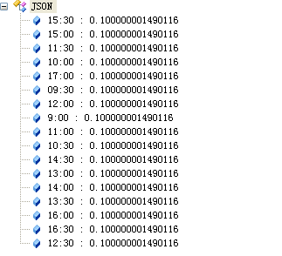
 |  |  |  |  | 地址 | addr |  | int
 |  |  |  |  | 类型 | type | 1(风速),2(风向), | int
 |  |  |  |  |  |  | 3(环境温度),
 |  |  |  |  |  |  | 4(电池板温度),
 |  |  |  |  |  |  | 5(辐照强度)
 |  |  |  |  | 日期 | date | 2015-03-19 | String
42 | 智能电表 | 获取智能电表日曲线图数据 | GET | /ammeterA.do?op=getDls | 采集器序列号 | id |  | String | 数据：(每半小时一个数据，没输出的时间数据为0) {"15:30":48.900001525878906,"15:00":47.900001525878906,"11:30":32.5,"10:00":15.649999618530273,"17:00":60.70000076293945,"09:30":10.800000190734863,"12:00":35.5,"9:00":10.800000190734863,"11:00":26.5,"10:30":20.5,"14:30":46.900001525878906,"17:30":65.5,"13:00":38.5,"14:00":42.70000076293945,"13:30":38.5,"16:00":52.400001525878906,"16:30":55.900001525878906,"12:30":38.5}
 |  |  |  |  | 地址 | addr |  | int
 |  |  |  |  | 类型 | type | 1(有功电量), | int
 |  |  |  |  |  |  | 2(无功电量),
 |  |  |  |  |  |  | 3(有功功率),
 |  |  |  |  |  |  | 4(无功功率),
 |  |  |  |  |  |  | 5(视在功率),
 |  |  |  |  |  |  | 6(功率因数)
 |  |  |  |  | 日期 | date | 2015-03-19 | String
43 | 汇流箱 | 获取汇流箱日曲线图数据 | GET | /boxA.do?op=getDls | 采集器序列号 | id |  | String | 数据：(每半小时一个数据，没输出的时间数据为0) {"15:30":48.900001525878906,"15:00":47.900001525878906}
 |  |  |  |  | 地址 | addr |  | int
 |  |  |  |  | 类型 | type | 1(第一路电流) | int
 |  |  |  |  |  |  | 2(第二路电流)
 |  |  |  |  |  |  | 3(第三路电流)
 |  |  |  |  |  |  | 4(第四路电流)
 |  |  |  |  |  |  | 5(第五路电流)
 |  |  |  |  |  |  | 6(第六路电流)
 |  |  |  |  | 日期 | date | 2015-03-19 | String
44 | 储能机 | 获取储能机日曲线图数据 | GET | /storageA.do?op=getDls | 储能机ID | id |  | String | 数据：(每半小时一个数据，没输出的时间数据为0) {"17:00":12.4417932,"17:30":23.4325}
 |  |  |  |  | 类型 | type | 1(充电功率), | int
 |  |  |  |  |  |  | 2(放电功率),
 |  |  |  |  |  |  | 3(输入PV电压),
 |  |  |  |  |  |  | 4(输入PV电流),
 |  |  |  |  |  |  | 5(用户侧功率),
 |  |  |  |  |  |  | 6(电网侧功率)
 |  |  |  |  | 日期 | date | 2015-03-19 | String
45 | 储能机 | 获取储能机月曲线图数据 | GET | /storageA.do?op=getMls | 储能机ID | id |  | String | 数据：(该月每一天的数据，没输出的日期数据为0) {"18":6,"17":79}
 |  |  |  |  | 类型 | type | 1(月电池板电量), | int
 |  |  |  |  |  |  | 2(月充电量),
 |  |  |  |  |  |  | 3(月放电量)
 |  |  |  |  | 日期 | date | Mar-15 | String
46 | 储能机 | 获取储能机年曲线图数据 | GET | /storageA.do?op=getYls | 储能机ID | id |  | String | 数据：(该年每一月的数据，没输出的月份数据为0) {"3":85}
 |  |  |  |  | 类型 | type | 1(年电池板电量), | int
 |  |  |  |  |  |  | 2(年充电量),
 |  |  |  |  |  |  | 3(年放电量)
 |  |  |  |  | 日期 | date | 2015- | String
47 | 储能机 | 获取储能机总曲线图数据 | GET | /storageA.do?op=getTls | 储能机ID | id |  | String | 数据：(前至今6年的数据，没输出的年份数据为0) {"2015":6}
 |  |  |  |  | 类型 | type | 1(累计电池板电量), | int
 |  |  |  |  |  |  | 2(累计充电量),
 |  |  |  |  |  |  | 3(累计放电量)
48 | 电站 | 获取电站日志 | GET | /DeviceEventAPI.do | 电站ID | plantId |  | int | 数据： {"back":{"success":true,"data":[{"errDescription":"No ac connection","time":"2014-10-23 10:01:19.0","eventId":25,"alias":"9876593210"},{"errDescription":"No ac connection","time":"2014-10-23 09:59:05.0","eventId":25,"alias":"9876593210"},{"errDescription":"No ac connection","time":"2014-10-22 17:12:49.0","eventId":25,"alias":"9876593210"}]}} |  | 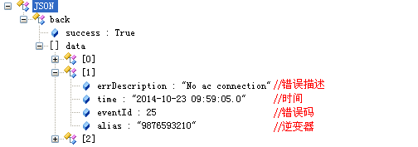
 |  |  |  |  | 当前页码 | currentPage |  | int
 |  |  |  |  | 记录数 | pageSize |  | int

49 | 逆变器 | 逆变器列表 | GET | server.growatt.com/dataA.do?key=XXXXXXXXXXXXXXXX&type=1 |  |  |  |  | inverters: //逆变器列表 [{ alias:"IP237pv008", //逆变器别名 address:"8", //逆变器地址 status:"-1", //-1 离线，0等待，1在线，3故障 lost:true, //是否通讯丢失 time:"2014-10-10 16:00:21", //最后更新时间 etotal:"498.5", //总发电量 inverterID:"IP237pv008", //逆变器序列号 pac:"2859.7"}, //功率 {···} ] | Dkey是和采集器关连的 | 接口返回的数据为json格式，请自行解析，格式如下：(以下省略数据"key"的双引号) {data: {datalog_sn:"5026200018",inverters:[],envs:[],ammeters:[],boxes:[],storages:[]}, success:"true"}
50 | 环境监测仪 | 环境监测仪列表 | GET | server.growatt.com/dataA.do?key=XXXXXXXXXXXXXXXX&type=2 |  |  |  |  | envs: //环境监测仪列表 [{ device_name:"Environment", //环境监测仪名 address:"37", //电表地址 lost:true, //是否通讯丢失 time:"2014-11-27 13:49:20", //最后更新时间 wind_speed: "0.1" //风速 wind_angle: "1" //风向 env_temp: "28.9" //环境温度 panel_temp: "28.3" //电池板温度 radiant: "129"}, //辐照强度 {···} ] boxs |  | 接口返回错误信息 参数 "key" 不正确： {"success":"false","msg":"errNotKey"} 参数 "type" 不正确： {"success":"false","msg":"errType"} 限制时间内取数据： {"success":"false","msg":"errLimitTime"}
51 | 智能电表 | 智能电表列表 | GET | server.growatt.com/dataA.do?key=XXXXXXXXXXXXXXXX&type=3 |  |  |  |  | ammeters: //智能电表列表 [{ device_name:"Electric-meter ", //电表名 address:"37", //电表地址 lost:true, //是否通讯丢失 time:"2014-11-27 13:49:20", //最后更新时间 reactive_power:"158.8", //无功功率 reactive_energy:"0.1", //无功电量 active_power:"5026.7", //有功功率 apparent_power:"5893.6", //视在功率 power_factor:"0.9992", //功率因数 active_energy:"38.5", //有功电量 feilv_bo_zenergy: "0", //费率波正向有功电量 feilv_feng_zenergy: "0", //费率峰正向有功电量 feilv_gu_zenergy: "0", //费率谷正向有功电量 feilv_ping_zenergy: "0"}, //费率平正向有功电量 {···} ]
52 | 汇流箱 | 汇流箱列表 | GET | server.growatt.com/dataA.do?key=XXXXXXXXXXXXXXXX&type=4 |  |  |  |  | boxs: //汇流箱列表 [{ device_name:"Convergence-box", //汇流箱名 address:"37", //电表地址 lost:true, //是否通讯丢失 time:"2014-11-27 13:49:20", //最后更新时间 channel_number:"3", //通道数 voltage:"55", //母线电压 iChannel_1:"0", //1路通道电流 lineBreak_1:"0", //1路熔丝报警 lowOver_1:"0", //1路电流过低报警 highOver_1:"0", //1路电流过高报警 iChannel_2:"0", lineBreak_2:"0", lowOver_2:"0", highOver_2:"0", ···此处省略以上4个属性的第3至第31个 iChannel_32:"0", lineBreak_32:"0", lowOver_32:"0", highOver_32:"0",}, {···}]
53 | 储能机 | 储能机列表 | GET | server.growatt.com/dataA.do?key=XXXXXXXXXXXXXXXX&type=5 |  |  |  |  | storages: //储能机列表 [{ StorageID:"HH00000002", //储能机ID alias:"HH00000002", //储能机名 address:"37", //储能机地址 lost:true, //是否通讯丢失 time:"2014-11-27 13:49:20", //最后更新时间 pCharge:"0", //充电功率 pDischarge:"0", //放电功率 VPV:"0", //输入PV电压 IPV:"0", //输入PV电流 iCharge:"0", //PV端充电电流 iDischarge:"0", //PV端放电电流 PPV:"0", //面板输入功率 vBuck:"0", //VBUCK VAC:"0", //电网电压和 iacToUser:"0", //用户侧电流 pacToUser:"0", //用户侧功率 iacToGrid:"0", //电网侧电流 pacToGrid:"0", //电网侧功率 vBat:"0", //电池电压 capacity:"0", //电池容量（百分比） Temperature:"0", //温度 IPM_Temperature:"0", //IPM温度 errorCode:"0", //错误代码 warnCode:"0", //警告代码 faultCode:"0", //错误代码 epvToday:"0", //当天面板电量 epvTotal:"0", //总面板电量 eChargeToday:"0", //当天充电能量 eChargeTotal:"0", //总共充电能量 eDisChargeToday:"0", //当天放电能量 eDisChargeTotal:"0", //总共放电能量 eToUserToday:"0", //当天（电网-用户）多少电 eToUserTotal:"0", //总共（电网-用户）多少电 eToGridToday:"0", //当天（用户-电网）多少电 eToGridTotal:"0",}, //总共（用户-电网）多少电 {···}]

