Sheet1
说明：标注为黄色行为使用的任务示例和图片不够明显的原子动作，后续存在表示更明显的例子应进行替换；应使用不同任务示例，避免出现同个任务示例
Atoms Action | Description | Reference task | Initial frame | End frame | 说明（不展示）
Approach | The end effector of the robotic arm moves from its current position towards the target object (or object specific operating point). This process does not involve any physical contact with the object. The orientation of the end effector will gradually adjust with the movement, and finally stop at the preparatory pose above or to the side of the target object. | lift_numbered_block | 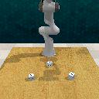 | 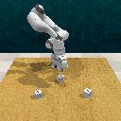
Grasp | The end effector of a robotic arm (usually a parallel gripper or multi finger dexterous hand) approaches the target object further until it contacts and drives the actuator to close, firmly fixing the object inside the end effector through friction or geometric constraints, based on the pre Grasp pose. | basketball_in_hoop | 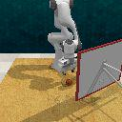
Lift | The end effector of the robotic arm, while maintaining a stable grip on the target object, overcomes gravity to move the object upwards, completely detaching it from the initial support surface (such as a tabletop or inside a shelf) and suspending it in the air. | close_jar | 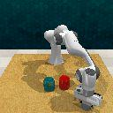 | 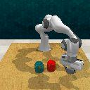
Transfer | The end effector of the robotic arm moves the object from its current spatial position to a pre place pose near the target position, while maintaining a stable grip (Grasp) on the target object and having already moved away from its initial position (Lift). | beat_the_buzz | 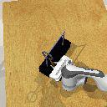 | 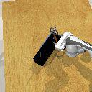 | 部分任务在 transfer 末端松开夹爪，由于松开夹爪这一动作的帧数太少，也归类为 transfer
Rotate | While the end-effector maintains stable clamping on the target object without loosening or position offset of the grasping center; drive the target to perform fixed-axis angular rotation around a predefined axis inside the gripper, adjust only the pose and orientation of the object, keep the overall suspension position unchanged, and complete attitude calibration for subsequent insertion, placement or assembly operations. | change_clock | 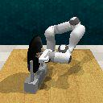 | 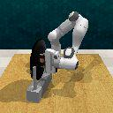
Revolve-Out | The end effector of a robotic arm, after stably gripping an object with fixed axial constraints (such as hinges and shafts), applies tangential tension to make the object move in a circular arc around its constraint axis away from the closed plane or initial support structure. | close_door | 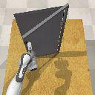 | 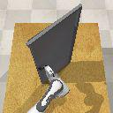 | Revolve：沿竖轴转动
Revolve-In | The end effector of the robotic arm (in a closed state or a specific rigid posture) establishes unidirectional contact (applies only thrust) with the surface of an object with fixed axial constraints (such as an oven door or a refrigerator door), and drives the object to move around its constrained axial closed position through tangential pressure along a circular arc trajectory. | close_microwave | 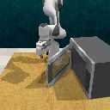 | 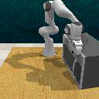
Push | After establishing single or multi-point contact with the surface of the target object, the end effector of the robotic arm (usually in a closed or specific posture) applies horizontal pressure along the direction pointing towards the center of the object or a predetermined motion direction, causing the object to produce translational or rotational displacement on the support surface. | close_drawer | 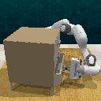 | 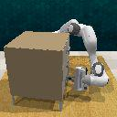 | 对于机械臂持棍子击球这一动作（hit_ball_with_queue），考虑到这类原子动作仅出现在该任务中，因此归类为 push
Flip-Close | The end effector of the robotic arm (supported by clamping or single point contact) acts on objects that rotate around a horizontal axis (such as laptop covers, box covers, toilet seats), causing them to rotate downward from the open state until the edge or surface of the object fully contacts the base and reaches equilibrium. | close_grill | 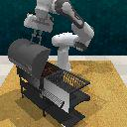 | 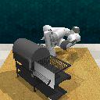 | Flip：沿横轴转动
Place | The end effector of the robotic arm holds an object and moves vertically or downwards along the normal direction from the pre place pose, bringing the bottom of the object into contact with the target support surface (such as a tabletop, container bottom, or bracket). | insert_onto_square_peg | 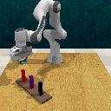 | 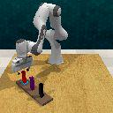
Press | After establishing stable contact between the end of the robotic arm (directly or through a held tool) and the target surface, a controlled increasing pressure is applied along the normal direction of the contact surface. The displacement of this action is usually constrained by physical limits (such as button travel) or surface stiffness. | get_ice_from_fridge | 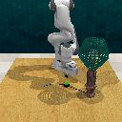 | 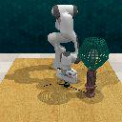
Hang | The robotic arm holds objects with specific geometric features such as hooks, holes, and loops, and through fine adjustment of the end effector, allows the object's mounting part to pass through, fit into, or hook onto fixed support components in the environment such as hooks, crossbars, brackets, and nails. | hang_frame_on_hanger | 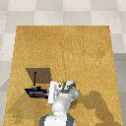 | 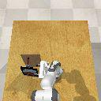
Insert | The robotic arm holds an object (insert) and guides it to another object (base) with matching holes or slots, and applies displacement along the depth direction of the holes or slots to establish a tight geometric nesting between the two objects. | insert_usb_in_computer | 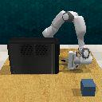 | 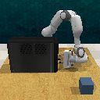
Flip-Open | After the robotic arm's end effector stably contacts the flippable component of the target object (such as a lid, flip cover, book page, or flap), it applies rotational torque while maintaining a relatively stable contact point, causing the component to rotate more than 90° around its hinge, axis, or natural pivot edge, transitioning the object from a closed/covered state to an open/unfolded state. The end effector follows an arc or approximate arc trajectory during the process, without obvious translational pulling or pushing motions. | open_box
Pull | The robotic end-effector stably grasps the target object or mechanism handle, maintains the grasping state unchanged, moves linearly along a constrained axis away from the initial position, and pulls the object or mechanism to a new position, typically causing it to separate from its original constrained or closed state (such as pulling a drawer open, pulling a door open, or pulling an object out of a confined space). | open-drawer
slide | The robotic end-effector stably grasps or makes firm contact with the handle or edge of a horizontally/vertically sliding mechanism (such as a drawer, sliding door, or cabinet door), maintains the contact or grasping state, moves linearly along the sliding axis away from the closed position, and moves the sliding mechanism from a closed, retracted state to an open, extended state. | press_switch | 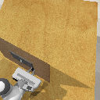 | 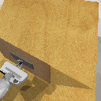
unhang | The robotic end-effector stably grasps the target object that is initially suspended or hung on a rod, hook, or similar structure, maintains the grasping state and the object’s orientation unchanged, moves linearly along the axis of the supporting structure to pull the object out of the opening or slot, removing it from its hung position. | remove-cups | 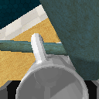 | 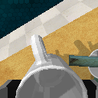
wipe | The robotic end-effector stably grasps the target object, maintains continuous contact between the object and the supporting surface (such as a tabletop), and performs controlled linear movements (left/right, forward/backward) to slide the object across the surface from its initial position to a new location, without lifting the object off the surface. | wipe-desk | 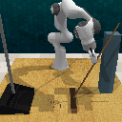 | 