Secure Internet servers - Ranks
Secure Internet servers - Ranks

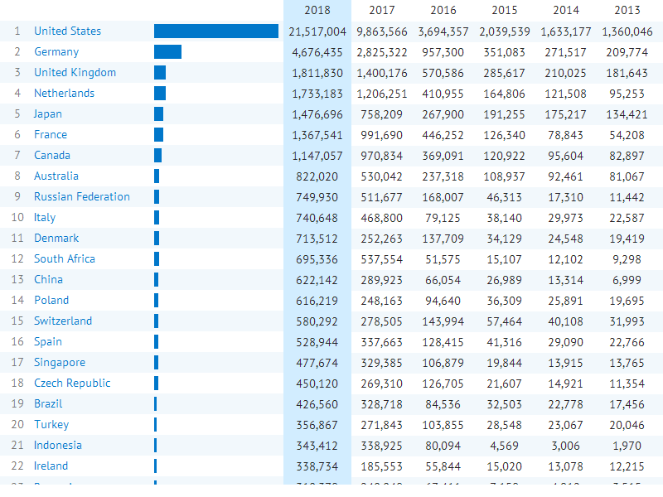

Source:

Created with knoema.com

