Pp and Ppk
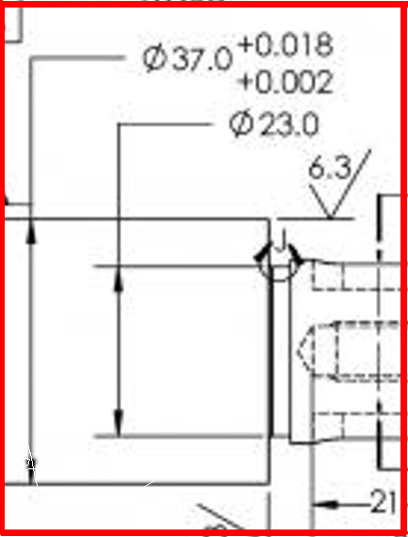
$$Pp=\frac{USL −LSL}{6σ}$$
No. | Value
1 | 37.01032 | Upper Spec Limit | 37.018
2 | 37.01057 | Lower Spec Limit | 37.002
3 | 37.01051 | Sample Mean | 37.01002
4 | 37.00959 | Sample Standard Deviation | 0.0005772
5 | 37.00981
$Ppk=min⁡[\frac{USL −Mean}{3 ∗ SSD}$, $\frac{Mean −LSL}{3 ∗ SSD}]$
6 | 37.00955 | Pp | 4.62
7 | 37.01078 | Ppu | 4.61
8 | 37.01088 | Ppl | 4.63
9 | 37.01012 | Ppk | 4.61
10 | 37.00942
11 | 37.01051
12 | 37.00952
13 | 37.01104
14 | 37.01028
15 | 37.00905
16 | 37.00900
17 | 37.01061
18 | 37.01011
19 | 37.00967
20 | 37.01026
21 | 37.00971
22 | 37.00960
23 | 37.01064
24 | 37.01010
25 | 37.01029
26 | 37.01017
27 | 37.00899
28 | 37.00964
29 | 37.00933
30 | 37.01060

