MATERIALS
 |  |  | INITIAL QUOTATION |  |  |  |  |  | MC Premier 2F, Quezon City, Metro Manila
 |  |  |  |  |  |  |  |  | Fb Page: Noblehome Depot
Noblehome Depot |  |  |  |  |  |  |  |  | Mobile No.: 0968-591-6536

Client Name: |  |  |  |  |  |  |  |  | Date:
 |  |  |  |  |  |  |  |  | Quotation No.
Project Scope: |  |  |  |  |  |  |  |  | Contact No.
 |  |  |  |  |  |  |  |  | Address:

MATERIALS

No. | Item |  |  | Description | Area (Lm. / Sqm.) | Unit | Qty | Price | Total Amount

GRAND TOTAL:
DISCOUNT % : |  |  |  |  |  |  |  |  | 0.00
FINAL TOTAL : |  |  |  |  |  |  |  |  | 0.00
NOTES:
TERMS:
1. | Payment Terms, 50% downpayment, 40% before Installation and 10% after Installation done
2. | Payable to NOBLEHOME CONSTRUCTION CORP.
 | Bank | Account Name: |  |  |  | Account No.:
 | BDO | Noblehome Construction Corp. |  |  |  | 013-238-001-657
 | AUB | Noblehome Construction Corp. |  |  |  | 151-010-002-868
3. | Quote accoding to the drawing, any changes made by customers will be charged according.
4. | VAT Exclusive
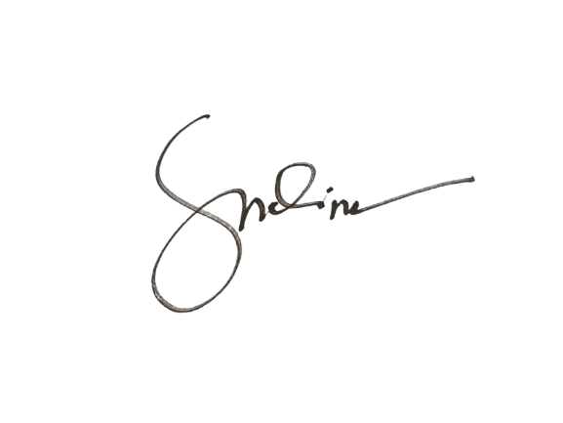
5. | Free delivery for NCR Area only, beyond NCR have additional fee.
6. | This is only for quotation, for more details refer to the contact

Thank you for giving us a chance to be at service for you. Keep safe.

Prepared By: |  |  |  | Approved By: |  |  | Noted By:
Doris Molina |  |  |  | MR. KEN YANG |  |  | Mary Grace Rivera

