013 (2)
MATERIAL REQ. NUMBER: |  | PURCHASE REQUEST |  |  |  |  | Ken Yang
NHCPO-20250719-002 |  | CLIENT
SUBMITTED DATE: |  | NHC-015 |  |  |  |  | DATE NEEDED:
2025-07-19 |  |  |  |  |  |  | ASAP
Address: |  |  |  |  |  |  | PAGE NO. :
Contact Number/ Person
 |  | PROJECT SCOPE
 |  | MATERIALS
NO. | ITEM NAME |  | DESCRIPTION | QUANTITY |  | UNIT | REMARKS
1 | Polished Tiles 60 x 60 GTM 68021 |  | Polished | 38 |  | BOX
2 | Polished Tiles 60 x 60 GTM 68000 |  | Polished | 184 |  | BOX
3 | Matte Tiles 60x60 MTM 6016 |  | Matte | 420 |  | BOX
4 | Polished Tiles 60 x 60 GTM 68020 |  | Polished | 38 |  | BOX
5 | Matte Tiles 60x60 MTM 6022 |  | Matte | 99 |  | BOX
6 | Matte Tiles 60x60 MTM 6019 |  | Matte | 108 |  | BOX
7 | Matte Tiles 60x60 MTM 6010 |  | Matte | 38 |  | BOX
8 | Polished Tiles 60 x 60 GTM 68016 |  | Polished | 235 |  | BOX
NOTHING'S TO FOLLOW
 | 
REQUESTED BY: |  |  | NOTED BY: |  | APPROVED BY |  |  | RECEIVED
Rolando Y. Prudente Jr. |  |  | Mary Grace Rivera |  | KenYang

PO-SMARIANO
J.O NUMBER: |  | PURCHASE REQUEST |  |  |  |  | Ken Yang
 |  | CLIENT
MATERIAL REQ. NUMBER: |  | Ms. Stef Mariano |  |  |  |  | DATE NEEDED:
NH021225-001 |  | PROJECT SCOPE |  |  |  |  | ASAP
SUBMITTED DATE: |  | MATERIALS |  |  |  |  | PAGE NO.:
2025-02-12 |  |  |  |  |  |  | 1
NO. | ITEM NAME |  | ITEM PICTURE | QUANTITY |  | UNIT | REMARKS
1 | UV BOARD 2600mm x120mmx3mm |  |  | 2 |  | PCS | White and Gold (TH-DY2432)
2 | J Edge Trim 2.9 meters |  |  | 6 |  | PCS | GOLD

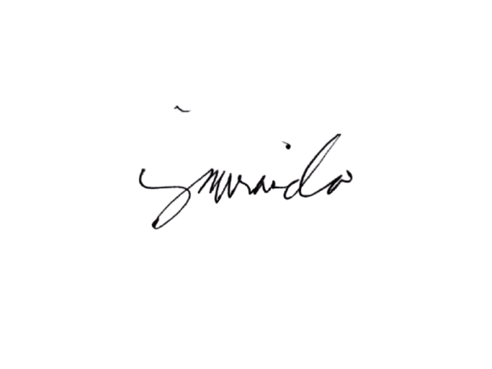

REQUESTED BY: |  |  | NOTED BY: |  | APPROVED BY |  |  | RECEIVED
Jenalyn Miranda |  |  | Mary Grace Rivera |  | KEN YANG

Avenida Tower (2)
MATERIAL REQ. NUMBER: |  | PURCHASE REQUEST |  |  |  |  | Ken Yang
NH031825-007 |  | CLIENT
SUBMITTED DATE: |  | NHC-007 |  |  |  |  | DATE NEEDED:
2025-03-24 |  |  |  |  |  |  | ASAP
Address: |  | 671 Rizal Avenue Santa Cruz, Manila. 1003 Metro Manila |  |  |  |  | PAGE NO. :
Contact Number/ Person |  | Mr.Winston-09773597270 / Ms, Rosalyn-09218653149
 |  | PROJECT SCOPE
 |  | MATERIALS
NO. | ITEM NAME |  | ITEM PICTURE | QUANTITY |  | UNIT | REMARKS
1 | Phoenixply" phenolic Board 3/4" (18mm) |  |  | 325 |  | PC/S | 3/4" (18mm)

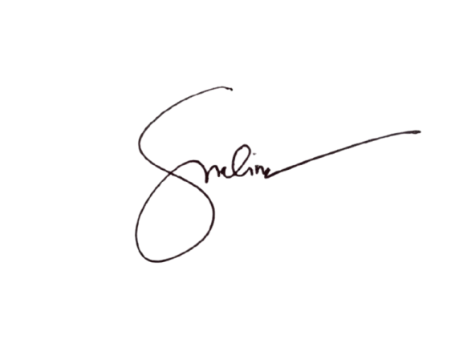

REQUESTED BY: |  |  | NOTED BY: |  | APPROVED BY |  |  | RECEIVED
Doris Molina |  |  | Mary Grace Rivera |  | KenYang

Angora Oak
MATERIAL REQ. NUMBER: |  | PURCHASE REQUEST |  |  |  |  | Ken Yang
NH031825-008 |  | CLIENT
SUBMITTED DATE: |  | NHC-008 |  |  |  |  | DATE NEEDED:
2025-03-26 |  |  |  |  |  |  | ASAP
Address: |  | 23 Congressional Ave, Brgy Bahay Toro, Quezon City |  |  |  |  | PAGE NO. :
Contact Number/ Person |  | Engr. Lhen-09274974513 / Yang -09178255183
 |  | PROJECT SCOPE
 |  | MATERIALS
NO. | ITEM NAME |  | ITEM PICTURE | QUANTITY |  | UNIT | REMARKS
1 | Angora Oak Marine Board 4" x 8" 18mm |  |  | 7 |  | PC/S | 4" x 8" 18mm
2 | Angora Oak PVC Edge Bond 1*22 |  |  | 130 |  | METER/S



REQUESTED BY: |  |  | NOTED BY: |  | APPROVED BY |  |  | RECEIVED
Doris Molina |  |  | Mary Grace Rivera |  | KenYang

