013 (2)
MATERIAL REQ. NUMBER: |  | PURCHASE REQUEST |  |  |  |  | Ken Yang
NHCPO-20250719-002 |  | CLIENT
SUBMITTED DATE: |  | NHC-015 |  |  |  |  | DATE NEEDED:
2025-07-19 |  |  |  |  |  |  | ASAP
Address: |  |  |  |  |  |  | PAGE NO. :
Contact Number/ Person
 |  | PROJECT SCOPE
 |  | MATERIALS
NO. | ITEM NAME |  | DESCRIPTION | QUANTITY |  | UNIT | REMARKS
1 | Polished Tiles 60 x 60 GTM 68021 |  | Polished | 38 |  | BOX
2 | Polished Tiles 60 x 60 GTM 68000 |  | Polished | 184 |  | BOX
3 | Matte Tiles 60x60 MTM 6016 |  | Matte | 420 |  | BOX
4 | Polished Tiles 60 x 60 GTM 68020 |  | Polished | 38 |  | BOX
5 | Matte Tiles 60x60 MTM 6022 |  | Matte | 99 |  | BOX
6 | Matte Tiles 60x60 MTM 6019 |  | Matte | 108 |  | BOX
7 | Matte Tiles 60x60 MTM 6010 |  | Matte | 38 |  | BOX
8 | Polished Tiles 60 x 60 GTM 68016 |  | Polished | 235 |  | BOX
NOTHING'S TO FOLLOW
 | 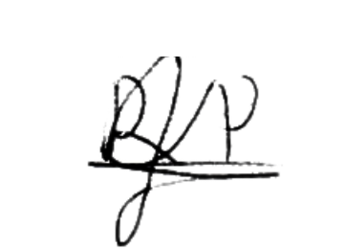
REQUESTED BY: |  |  | NOTED BY: |  | APPROVED BY |  |  | RECEIVED
Rolando Y. Prudente Jr. |  |  | Mary Grace Rivera |  | KenYang

PO-SMARIANO
J.O NUMBER: |  | PURCHASE REQUEST |  |  |  |  | Ken Yang
 |  | CLIENT
MATERIAL REQ. NUMBER: |  | Ms. Stef Mariano |  |  |  |  | DATE NEEDED:
NH021225-001 |  | PROJECT SCOPE |  |  |  |  | ASAP
SUBMITTED DATE: |  | MATERIALS |  |  |  |  | PAGE NO.:
2025-02-12 |  |  |  |  |  |  | 1
NO. | ITEM NAME |  | ITEM PICTURE | QUANTITY |  | UNIT | REMARKS
1 | UV BOARD 2600mm x120mmx3mm |  |  | 2 |  | PCS | White and Gold (TH-DY2432)
2 | J Edge Trim 2.9 meters |  |  | 6 |  | PCS | GOLD

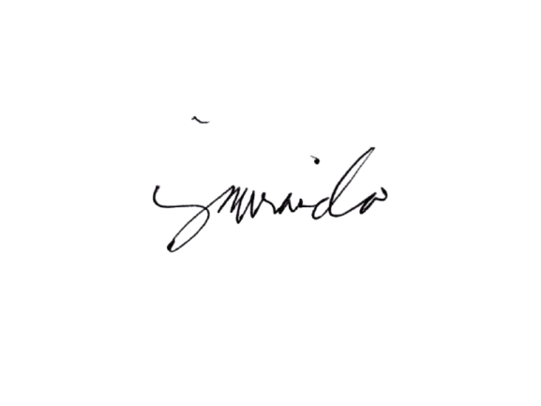

REQUESTED BY: |  |  | NOTED BY: |  | APPROVED BY |  |  | RECEIVED
Jenalyn Miranda |  |  | Mary Grace Rivera |  | KEN YANG

