Sheet1
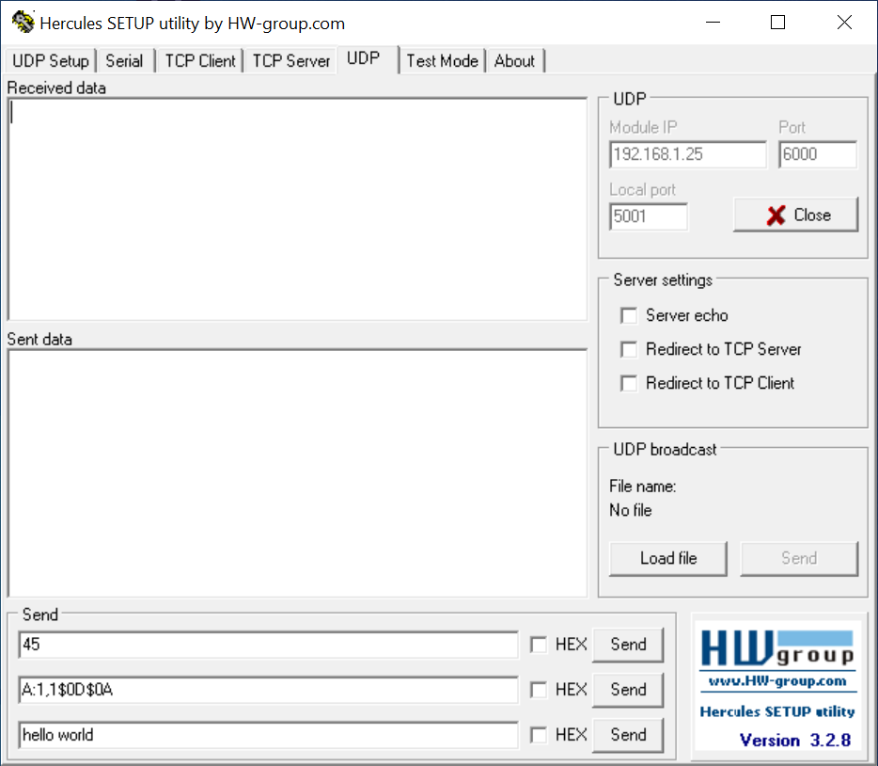
 | ThreadX_NetXDUO_UPD_Steps

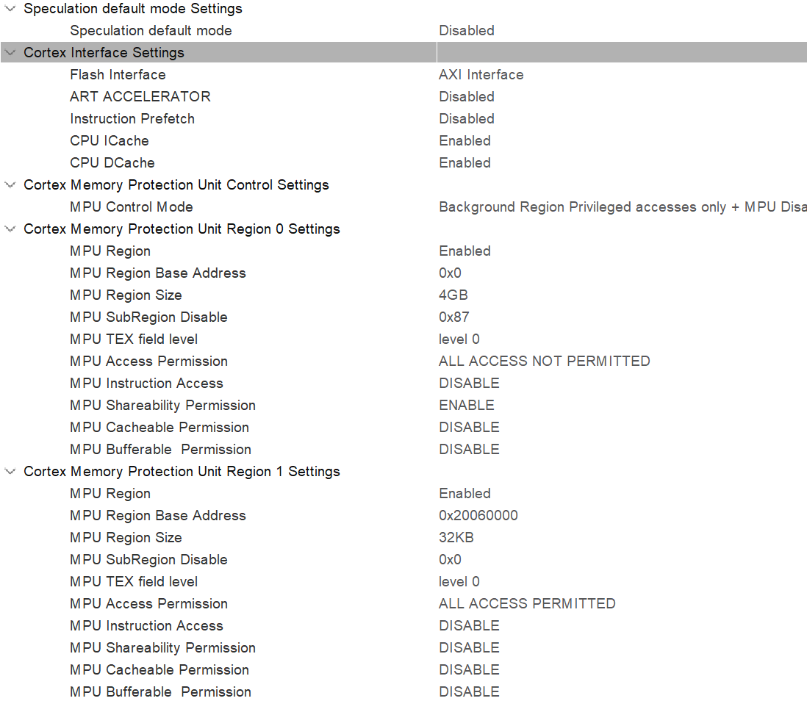
IC | STM32F767Zi
RCC | BYPASS Clock Source
CORTEX_M7

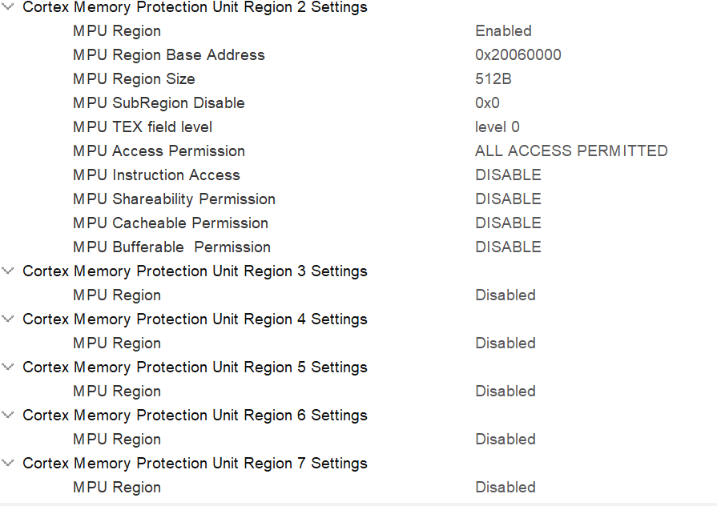

ETH | RMII | need change PB11->PG11(ETH_TX_EN, PZB12->PG13(ETHTXDO)
USART3 | Asynchronus | change GPIO to PD8/PD9

Software packs
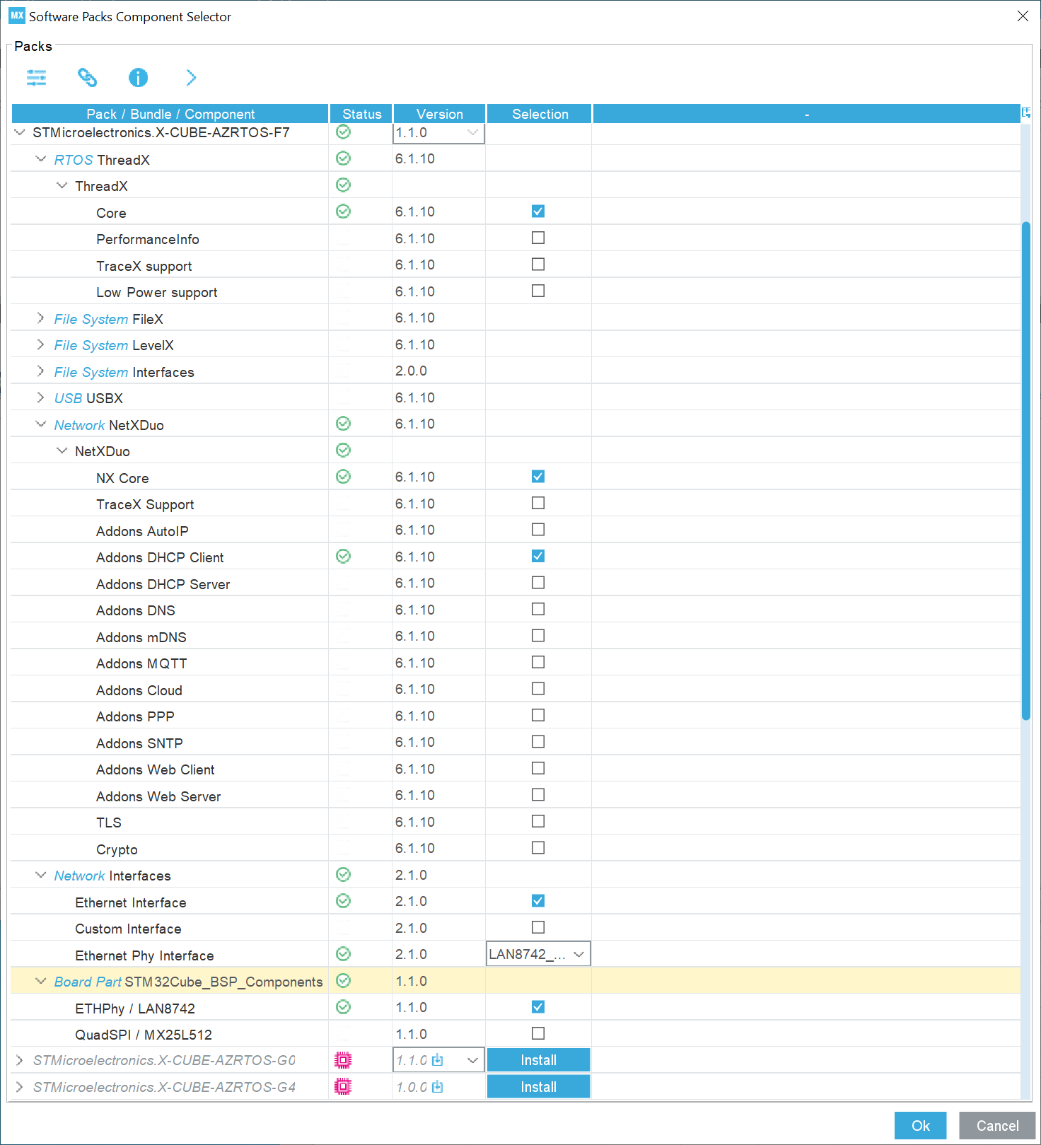

 | Check all 4 checkboxes | change NetXDuo memory pool size to 30 * 1024
Select ST..Azuew Rtos

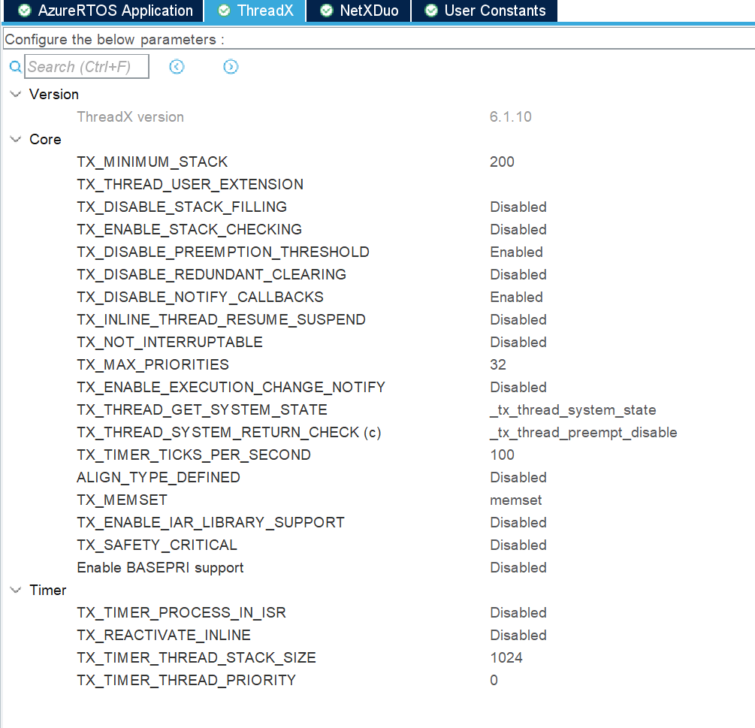

 | Check NX_DISABLE IPV6
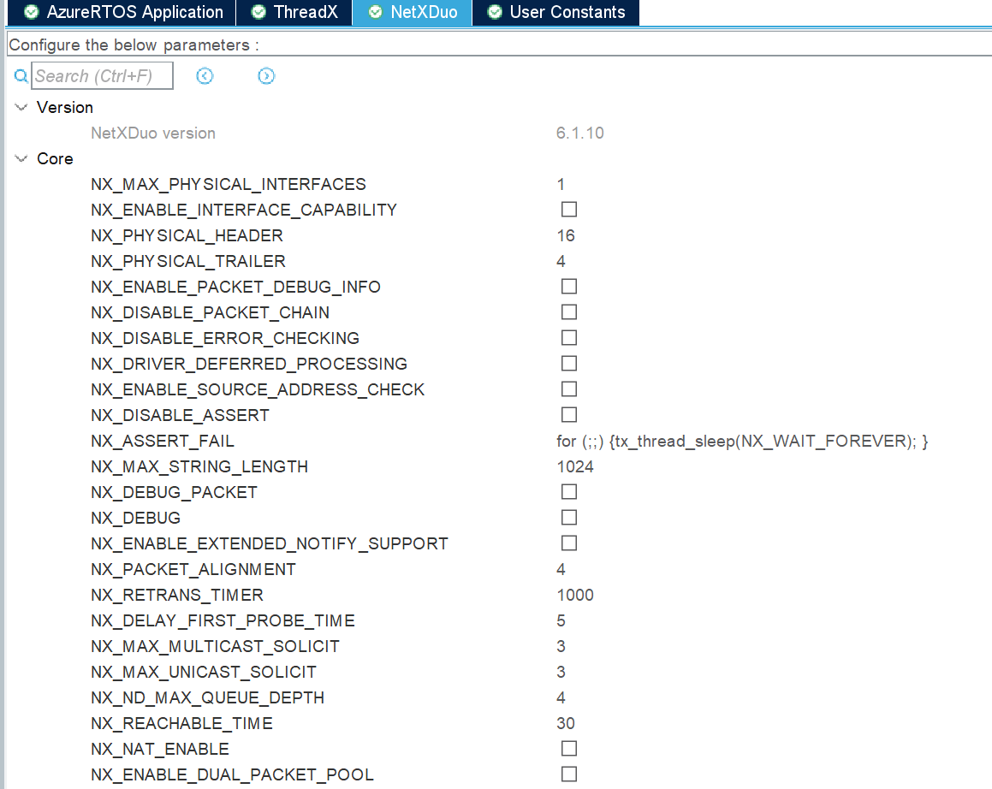

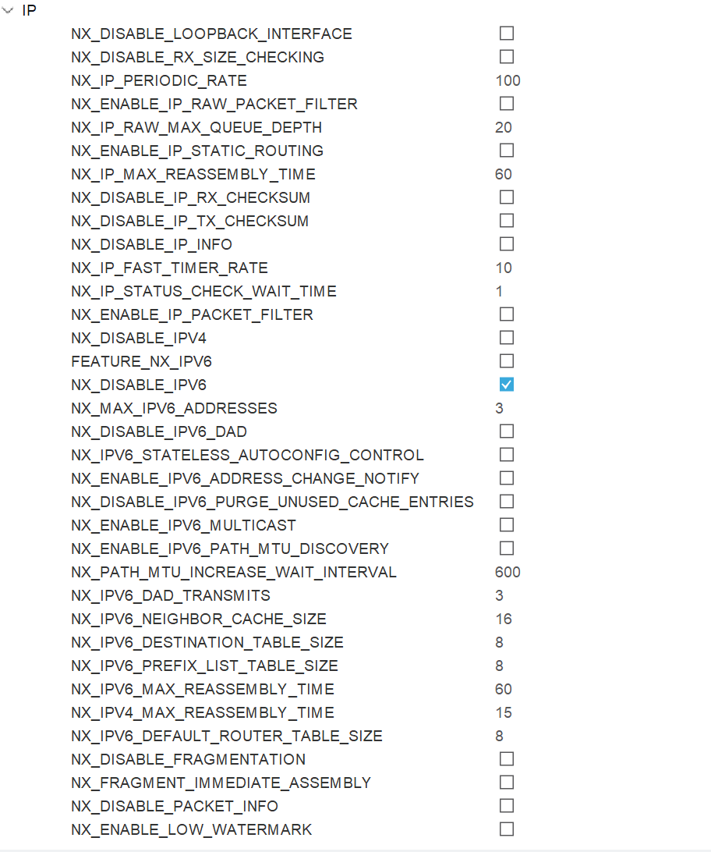

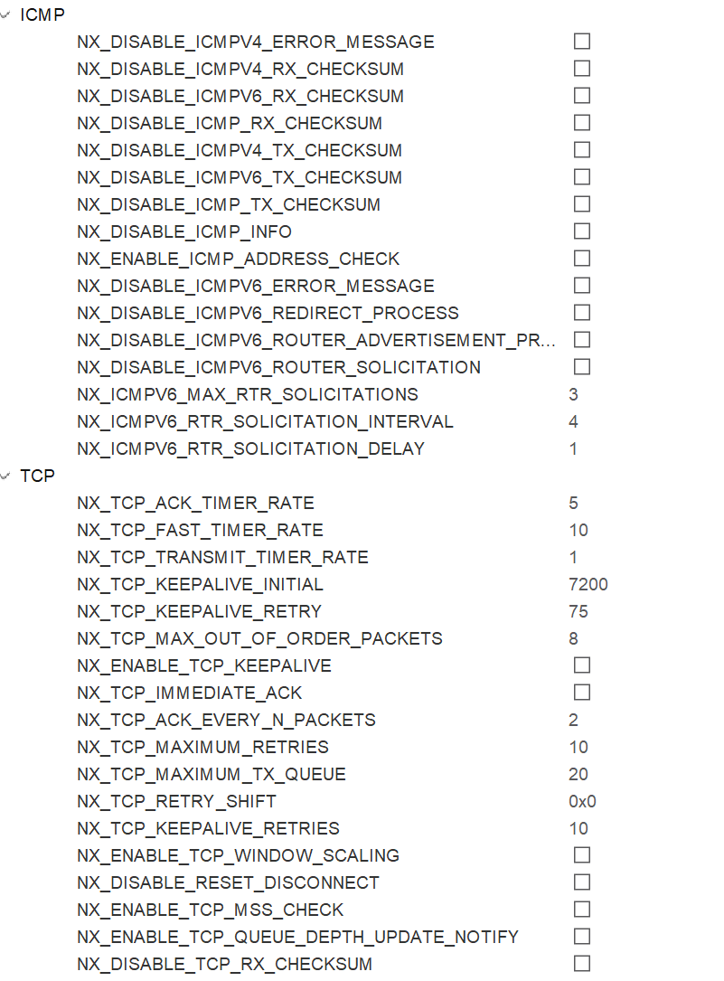

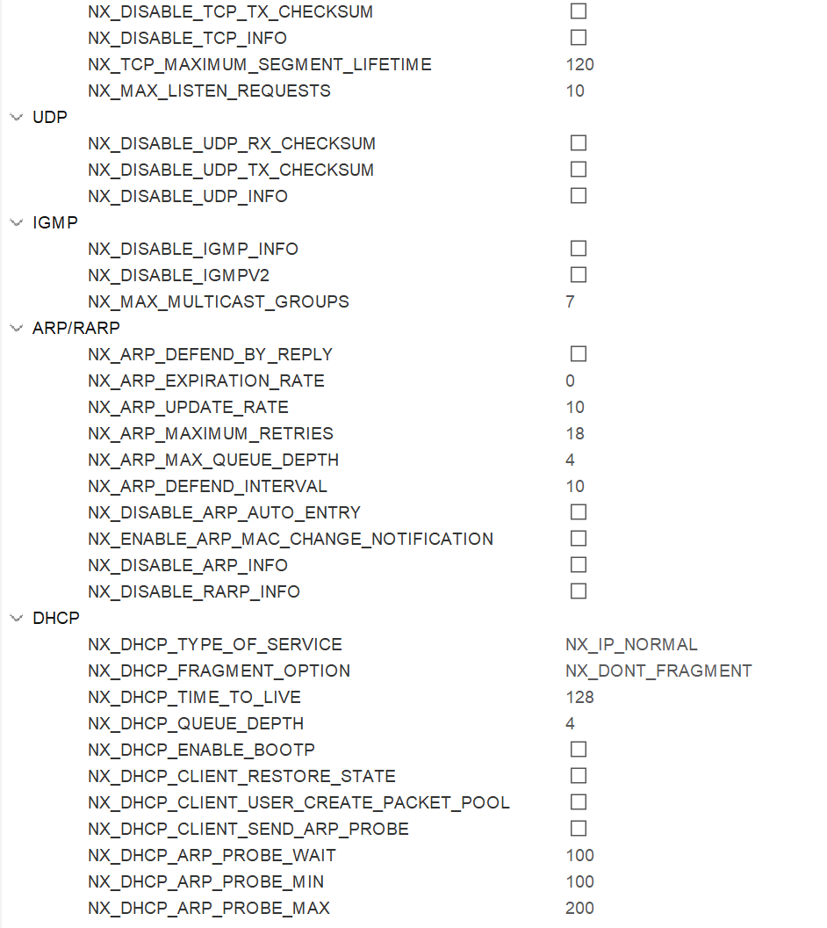

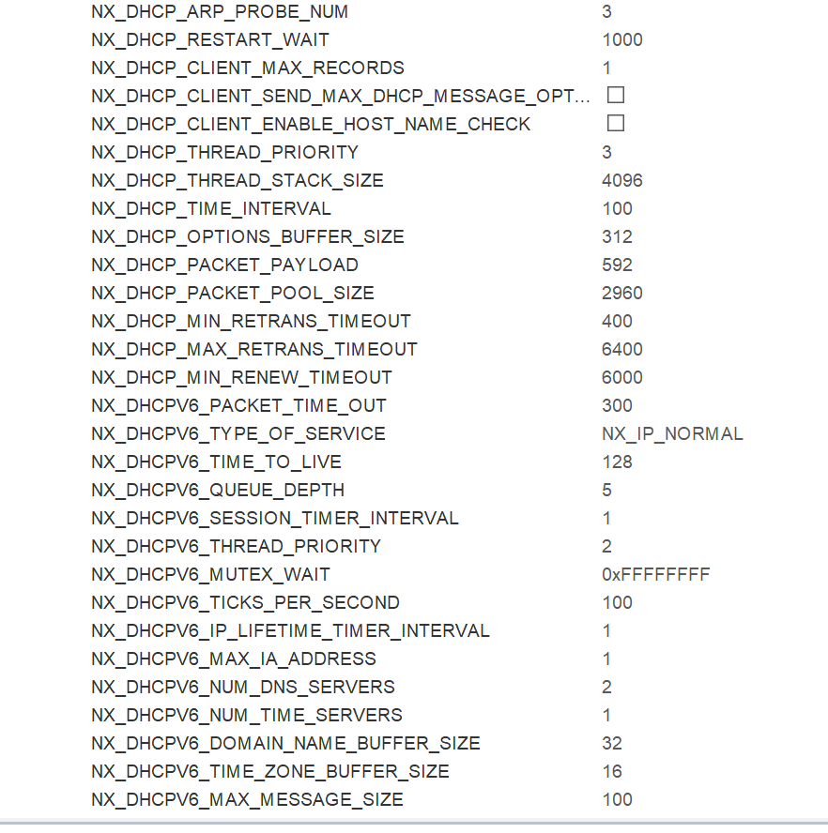

SYS | Timebase Source select TIM6

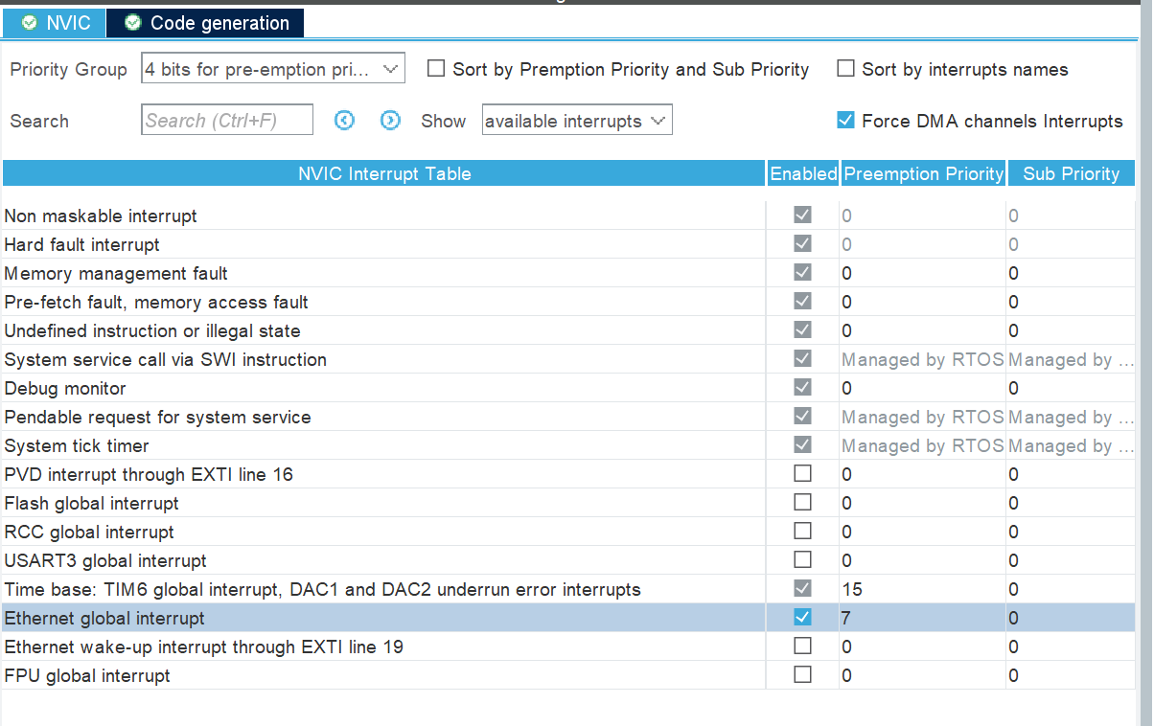
NVIC Setting

Ethernet interrupt to 7

Add PB0/PB14 as output
change Max speed to very high

private macro@38 | /* USER CODE BEGIN PM */
line@40 | #if defined ( __GNUC__) && !defined(__clang__)
 | /* With GCC, small printf (option LD Linker->Libraries->Small printf
 | set to 'Yes') calls __io_putchar() */
 | #define PUTCHAR_PROTOTYPE int __io_putchar(int ch)
 | #else
 | #define PUTCHAR_PROTOTYPE int fputc(int ch, FILE *f)
 | #endif
 | /* USER CODE END PM */

Printf | add to /* USER CODE BEGIN 4 */ at 315
 | PUTCHAR_PROTOTYPE
 | {
 | /* Place your implementation of fputc here */
 | /* e.g. write a character to the USART1 and Loop until the end of transmission */
 | HAL_UART_Transmit(&huart3, (uint8_t *)&ch, 1, 0xFFFF);

 | return ch;
 | }

Change Void Error_Handler 352
remove exsiting code replace-> | HAL_GPIO_WritePin(GPIOB, GPIO_PIN_0, GPIO_PIN_RESET);
 | while (1)
 | {
 | HAL_GPIO_TogglePin(GPIOB, GPIO_PIN_14);
 | HAL_Delay(200);
 | }

change app_netxduo.c | /* USER CODE BEGIN Includes */ | Private includes
add@26 | #include "nx_stm32_eth_config.h"
 | /* USER CODE END Includes */

 | /* USER CODE BEGIN PTD */ | Private typedef

add@32 | TX_THREAD AppMainThread;
 | TX_THREAD AppUDPThread;
 | TX_THREAD AppLinkThread;
 | TX_SEMAPHORE Semaphore;

 | NX_PACKET_POOL AppPool;

 | NX_IP IpInstance;
 | NX_DHCP DHCPClient;
 | NX_UDP_SOCKET UDPSocket;
 | ULONG IpAddress;
 | ULONG NetMask;

 | UCHAR *pointer;
 | /* USER CODE END PTD */

 | /* USER CODE BEGIN PFP */ | /* Private function prototypes
add@65 | static VOID App_Main_Thread_Entry(ULONG thread_input);
 | static VOID App_UDP_Thread_Entry(ULONG thread_input);
 | static VOID App_Link_Thread_Entry(ULONG thread_input);

 | static VOID ip_address_change_notify_callback(NX_IP *ip_instance, VOID *ptr);
 | /* USER CODE END PFP */

change UINT MX_NetXDuo_Init(VOID *memory_ptr)
 | /* USER CODE BEGIN MX_NetXDuo_Init */
add@86 | printf("Nx_UDP_Echo_Server application started..\n");

 | /* Allocate the memory for packet_pool. */
 | ret = tx_byte_allocate(byte_pool, (VOID **) &pointer,
 | NX_PACKET_POOL_SIZE, TX_NO_WAIT);

 | /* Create the Packet pool to be used for packet allocation */
 | ret = nx_packet_pool_create(&AppPool, "Main Packet Pool", PAYLOAD_SIZE, pointer, NX_PACKET_POOL_SIZE);

 | if (ret != NX_SUCCESS)
 | {
 | return NX_NOT_ENABLED;
 | }

 | /* Allocate the NX_IP instance pool. */
 | ret = tx_byte_allocate(byte_pool, (VOID **) &pointer, 2 * DEFAULT_MEMORY_SIZE, TX_NO_WAIT);

 | if (ret != TX_SUCCESS)
 | {
 | return NX_NOT_ENABLED;
 | }

 | /* Create the main NX_IP instance */
 | ret = nx_ip_create(&IpInstance, "Main Ip instance", NULL_ADDRESS, NULL_ADDRESS, &AppPool, nx_stm32_eth_driver,
 | pointer, 2 * DEFAULT_MEMORY_SIZE, DEFAULT_PRIORITY);

 | if (ret != NX_SUCCESS)
 | {
 | return NX_NOT_ENABLED;
 | }

 | /* Allocate the packet pool. */
 | ret = tx_byte_allocate(byte_pool, (VOID **) &pointer, DEFAULT_MEMORY_SIZE, TX_NO_WAIT);

 | if (ret != TX_SUCCESS)
 | {
 | return NX_NOT_ENABLED;
 | }

 | /* Enable the ARP protocol and provide the ARP cache size for the IP instance */
 | ret = nx_arp_enable(&IpInstance, (VOID *)pointer, DEFAULT_MEMORY_SIZE);

 | if (ret != NX_SUCCESS)
 | {
 | return NX_NOT_ENABLED;
 | }

 | /* Enable the ICMP */
 | ret = nx_icmp_enable(&IpInstance);

 | if (ret != NX_SUCCESS)
 | {
 | return NX_NOT_ENABLED;
 | }

 | /* Enable the UDP protocol required for DHCP communication */
 | ret = nx_udp_enable(&IpInstance);

 | if (ret != NX_SUCCESS)
 | {
 | return NX_NOT_ENABLED;
 | }

 | /* Allocate the main thread pool. */
 | ret = tx_byte_allocate(byte_pool, (VOID **) &pointer, 2 * DEFAULT_MEMORY_SIZE, TX_NO_WAIT);

 | if (ret != TX_SUCCESS)
 | {
 | return NX_NOT_ENABLED;
 | }

 | /* Create the main thread */
 | ret = tx_thread_create(&AppMainThread, "App Main thread", App_Main_Thread_Entry, 0, pointer, 2 * DEFAULT_MEMORY_SIZE,
 | DEFAULT_PRIORITY, DEFAULT_PRIORITY, TX_NO_TIME_SLICE, TX_AUTO_START);

 | if (ret != TX_SUCCESS)
 | {
 | return NX_NOT_ENABLED;
 | }

 | /* Allocate the memory for UDP server thread */
 | ret = tx_byte_allocate(byte_pool, (VOID **) &pointer, 2 * DEFAULT_MEMORY_SIZE, TX_NO_WAIT);

 | if (ret != TX_SUCCESS)
 | {
 | return NX_NOT_ENABLED;
 | }

 | /* create the UDP server thread */
 | ret = tx_thread_create(&AppUDPThread, "App UDP Thread", App_UDP_Thread_Entry, 0, pointer, 2 * DEFAULT_MEMORY_SIZE,
 | DEFAULT_PRIORITY, DEFAULT_PRIORITY, TX_NO_TIME_SLICE, TX_DONT_START);

 | if (ret != TX_SUCCESS)
 | {
 | return NX_NOT_ENABLED;
 | }

 | /* Allocate the memory for Link thread */
 | if (tx_byte_allocate(byte_pool, (VOID **) &pointer,2 * DEFAULT_MEMORY_SIZE, TX_NO_WAIT) != TX_SUCCESS)
 | {
 | return TX_POOL_ERROR;
 | }

 | /* create the Link thread */
 | ret = tx_thread_create(&AppLinkThread, "App Link Thread", App_Link_Thread_Entry, 0, pointer, 2 * DEFAULT_MEMORY_SIZE,
 | LINK_PRIORITY, LINK_PRIORITY, TX_NO_TIME_SLICE, TX_AUTO_START);

 | if (ret != TX_SUCCESS)
 | {
 | return NX_NOT_ENABLED;
 | }

 | /* create the DHCP client */
 | ret = nx_dhcp_create(&DHCPClient, &IpInstance, "DHCP Client");

 | if (ret != NX_SUCCESS)
 | {
 | return NX_NOT_ENABLED;
 | }

 | /* Create a semaphore to be used to notify the main thread when the IP address is resolved*/
 | tx_semaphore_create(&Semaphore, "DHCP Semaphore", 0);
 | /* USER CODE END MX_NetXDuo_Init */

add functions to /* USER CODE BEGIN 1 */ | /* USER CODE BEGIN 1 */
add @214 | /**
 | * @brief ip address change callback.
 | * @param ip_instance: NX_IP instance
 | * @param ptr: user data
 | * @retval none
 | */
 | static VOID ip_address_change_notify_callback(NX_IP *ip_instance, VOID *ptr)
 | {
 | /* release the semaphore as soon as an IP address is available */
 | tx_semaphore_put(&Semaphore);
 | }

 | /**
 | * @brief Main thread entry.
 | * @param thread_input: ULONG user argument used by the thread entry
 | * @retval none
 | */
 | static VOID App_Main_Thread_Entry(ULONG thread_input)
 | {
 | UINT ret;

 | ret = nx_ip_address_change_notify(&IpInstance, ip_address_change_notify_callback, NULL);
 | if (ret != NX_SUCCESS)
 | {
 | Error_Handler();
 | }

 | ret = nx_dhcp_start(&DHCPClient);
 | if (ret != NX_SUCCESS)
 | {
 | Error_Handler();
 | }

 | /* wait until an IP address is ready */
 | if(tx_semaphore_get(&Semaphore, TX_WAIT_FOREVER) != TX_SUCCESS)
 | {
 | Error_Handler();
 | }
 | /* get IP address */
 | ret = nx_ip_address_get(&IpInstance, &IpAddress, &NetMask);

 | PRINT_IP_ADDRESS(IpAddress);

 | if (ret != NX_SUCCESS)
 | {
 | Error_Handler();
 | }

 | /* the network is correctly initialized, start the TCP server thread */
 | tx_thread_resume(&AppUDPThread);

 | /* this thread is not needed any more, relinquish it */
 | tx_thread_relinquish();

 | return;
 | }

 | static VOID App_UDP_Thread_Entry(ULONG thread_input)
 | {
 | UINT ret;
 | ULONG bytes_read;
 | UINT source_port;

 | UCHAR data_buffer[512];
 | ULONG source_ip_address;
 | NX_PACKET *data_packet;

 | /* create the UDP socket */
 | ret = nx_udp_socket_create(&IpInstance, &UDPSocket, "UDP Server Socket", NX_IP_NORMAL, NX_FRAGMENT_OKAY, NX_IP_TIME_TO_LIVE, QUEUE_MAX_SIZE);

 | if (ret != NX_SUCCESS)
 | {
 | Error_Handler();
 | }

 | /* bind the socket indefinitely on the required port */
 | ret = nx_udp_socket_bind(&UDPSocket, DEFAULT_PORT, TX_WAIT_FOREVER);

 | if (ret != NX_SUCCESS)
 | {
 | Error_Handler();
 | }
 | else
 | {
 | printf("UDP Server listening on PORT %d.. \n", DEFAULT_PORT);
 | }

 | while(1)
 | {
 | TX_MEMSET(data_buffer, '\0', sizeof(data_buffer));

 | /* wait for data for 1 sec */
 | ret = nx_udp_socket_receive(&UDPSocket, &data_packet, 100);

 | if (ret == NX_SUCCESS)
 | {
 | /* data is available, read it into the data buffer */
 | nx_packet_data_retrieve(data_packet, data_buffer, &bytes_read);

 | //add command processing
 | //get cmd

 | // send by hercules A:1,1$0D$0A == A:1,1\r\n
 | cmd_process(data_buffer, bytes_read);

 | /* get info about the client address and port */
 | nx_udp_source_extract(data_packet, &source_ip_address, &source_port);

 | /* print the client address, the remote port and the received data */
 | PRINT_DATA(source_ip_address, source_port, data_buffer);

 | /* resend the same packet to the client */
 | ret = nx_udp_socket_send(&UDPSocket, data_packet, source_ip_address, source_port);

 | /* toggle the green led to monitor visually the traffic */
 | HAL_GPIO_TogglePin(GPIOB, GPIO_PIN_0);
 | }
 | else
 | {
 | /* the server is in idle state, toggle the green led */
 | HAL_GPIO_TogglePin(GPIOB, GPIO_PIN_0);
 | }
 | }
 | }

 | /**
 | * @brief Link thread entry
 | * @param thread_input: ULONG thread parameter
 | * @retval none
 | */
 | static VOID App_Link_Thread_Entry(ULONG thread_input)
 | {
 | ULONG actual_status;
 | UINT linkdown = 0, status;

 | while(1)
 | {
 | /* Get Physical Link stackavailtus. */
 | status = nx_ip_interface_status_check(&IpInstance, 0, NX_IP_LINK_ENABLED,
 | &actual_status, 10);

 | if(status == NX_SUCCESS)
 | {
 | if(linkdown == 1)
 | {
 | linkdown = 0;
 | status = nx_ip_interface_status_check(&IpInstance, 0, NX_IP_ADDRESS_RESOLVED,
 | &actual_status, 10);
 | if(status == NX_SUCCESS)
 | {
 | /* The network cable is connected again. */
 | printf("The network cable is connected again.\n");
 | /* Print UDP Echo Server is available again. */
 | printf("UDP Echo Server is available again.\n");
 | }
 | else
 | {
 | /* The network cable is connected. */
 | printf("The network cable is connected.\n");
 | /* Send command to Enable Nx driver. */
 | nx_ip_driver_direct_command(&IpInstance, NX_LINK_ENABLE,
 | &actual_status);
 | /* Restart DHCP Client. */
 | nx_dhcp_stop(&DHCPClient);
 | nx_dhcp_start(&DHCPClient);
 | }
 | }
 | }
 | else
 | {
 | if(0 == linkdown)
 | {
 | linkdown = 1;
 | /* The network cable is not connected. */
 | printf("The network cable is not connected.\n");
 | }
 | }

 | tx_thread_sleep(NX_ETH_CABLE_CONNECTION_CHECK_PERIOD);
 | }
 | }
 | /* USER CODE END 1 */

Change app_netxduo.h file | /* USER CODE BEGIN Includes */
add@35 | #include "main.h"
 | #include "nxd_dhcp_client.h"
 | /* USER CODE END Includes */

 | /* USER CODE BEGIN EM */ | /* Exported macro
add@51 | #define PRINT_IP_ADDRESS(addr) do { \
 | printf("STM32 %s: %lu.%lu.%lu.%lu \n", #addr, \
 | (addr >> 24) & 0xff, \
 | (addr >> 16) & 0xff, \
 | (addr >> 8) & 0xff, \
 | addr& 0xff);\
 | }while(0)

 | #define PRINT_DATA(addr, port, data) do { \
 | printf("[%lu.%lu.%lu.%lu:%u] -> '%s' \n", \
 | (addr >> 24) & 0xff, \
 | (addr >> 16) & 0xff, \
 | (addr >> 8) & 0xff, \
 | (addr & 0xff), port, data); \
 | } while(0)

 | /* USER CODE END EM */

 | /* USER CODE BEGIN PD */
add@78 | #define PAYLOAD_SIZE 1536
 | #define NX_PACKET_POOL_SIZE (( PAYLOAD_SIZE + sizeof(NX_PACKET)) * 10)
 | #define QUEUE_MAX_SIZE 512

 | #define DEFAULT_MEMORY_SIZE 1024
 | #define DEFAULT_PRIORITY 10
 | #define LINK_PRIORITY 11

 | #define NULL_ADDRESS 0

 | #define DEFAULT_PORT 6000
 | /* USER CODE END PD */

change nx_stm32_eth_config.h file
NetXDuo/Target/ | /* USER CODE BEGIN EC */
add@39 | /* This define defines the period of checking the connection of network cable.*/
 | #define NX_ETH_CABLE_CONNECTION_CHECK_PERIOD 600
 | /* USER CODE END EC */

