Sheet1
Number | Subject (page) | Type (student/staff/tutor) | Creation Date | Step | Expected Result | Status | Priority | Description
1 | Assign student | staff | 18/3/2020 | Staff login > Assign student > select "all" in dropdown list > input the "student id" in textbox > click on "Search" button | should display the result of search successfully | failed | medium | after select all and input the student id in textbox, click the search button, it will not display the result of search
2 | Assign tutor | staff | 18/3/2020 | Staff login > Assign student > Tick the option of student > Assign Tutor > select "all" in dropdown list > input the "tutor id" in textbox > click on "Search" button | should display the result of search successfully | failed | medium | after select all and input the student id in textbox, click the search button, it will not display the result of search
3 | Register | student | 21/3/2020 | Homepage> Signup > Fill in all > Register | should display success or failed | crash | high | after fill in the field and click on the register, the system will crash （？？？）
4 | Profile | student | 21/3/2020 | Login as student> Profile> Edit | the date of birth do not shows the actual time | failed | low | the time for all the student will be the same which is 12.00.00am
5 | Exercise | student | 22/3/2020 | Login as student> Messages > Exercise | should display the page successfully | failed | low | after click the message page, then click on the exercise page, it will still remain at message page.
6 | Exercise | student | 22/3/2020 | Login as student> Exercises> Upload >Select file > Upload file > click to other page | after going back to the exercise page, it should display the file that have uploaded | failed | medium | the record of file that have uploaded is shown in the exercise page but after access to other page and goes back, the record will disappear.
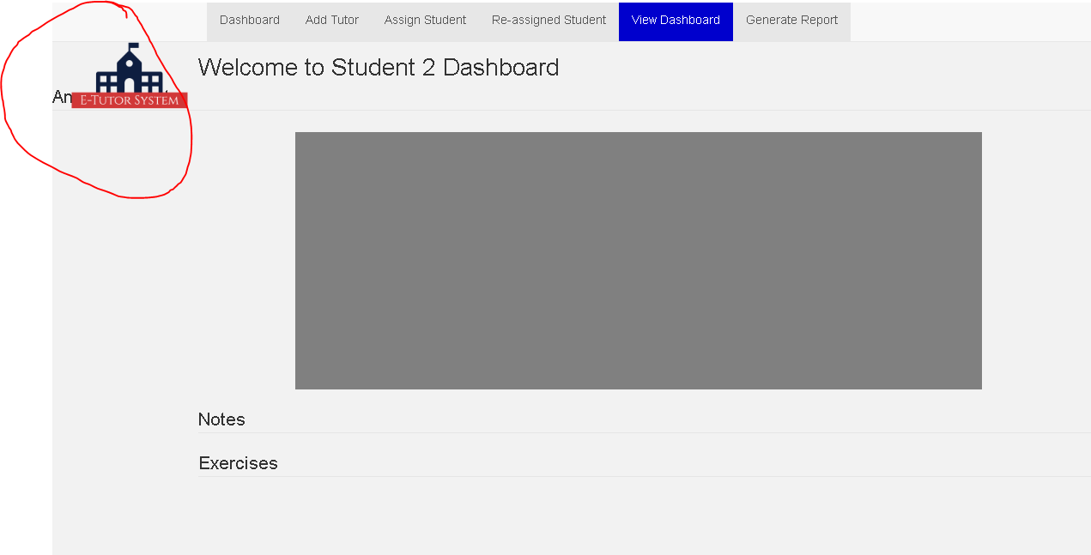
7 | register | staff | 25/3/2020 | staff login > Register > Select tutor as role > fill in > register | it should display error message if the email has been used | failed | low | after fill in the field and click on the register, the system will not responding
8 | view dashboard | staff | 27/3/2020 | staff login > View dashboard > Any student > View dashboard | the display screen should be fine | failed | low | after select student and view their dashboard, there is some word not displayed properly
9 | assign student | staff | 29/3/2020 | staff login > Assign student > Type in textbox > Search | should tell the user input what data to search | failed | medium | I try to input student name, student id, course and click on search, no response from it.
10 | re-assign student | staff | 29/3/2020 | staff login > Re-assign student > any student > Reallocate tutor > assign | after the assign, the page should refresh so that the user know it was updated | failed | medium | after I assign the student, the page is still remain the same, I have to go out and go back then the data only refresh.
11 | generate report | staff | 29/3/2020 | staff login > Re-assign student > Remove > Generate Report | the date should be standard | failed | low | after I remove the student, the date that displayed are different with other date Eg: 02/04/2020 and 4/9/2020 which is not standardlised
12 | add tutor | staff | 31/3/2020 | staff login > Add Tutor | The word should not be add tutor since it also can add staff | failed | low | the name of the "Add Tutor" can change to other more suitable name, because it will also able to choose the staff as a role to register (If change the name lot of things need to change too)
13 | add tutor | staff | 31/3/2020 | staff login > Add Tutor | The allign of the "Welcome Admin" & "Register Tutor /Staff" should be standard | failed | low | the word "Welcome Admin" & "Register Tutor /Staff" position is different with other page which is not standard
14 | logout | staff | 31/3/2020 | staff login > View dashboard > Logout | the position of the "Logout" should be standard with other page | failed | low | the "Logout" of the "View dashboard page" is different position with other page
15 | add tutor/staff | staff | 2020-01-04 | staff login > Add Tutor > Select Role > Fill in all info > Register | after fill in all the info and click on register, the email that sent to the receipter should contain ID and password inside it. | failed | high | the email that sent to the receipter only have the ID, do not have the password which the user will not able to login
16 | add tutor/staff | staff | 2020-01-04 | staff login > Add Tutor > Fill in all info without select role > Register | the system should tell the user to select role when user didn’t select | failed | low | the system do not shows error message while I click the register without select the role
17 | meeting | tutor | 2020-02-04 | tutor login > Meeting > Fill in all info > Upload | the system should refresh the page then the data will displayed at below | failed | medium | after fill in all info and click on upload, the system stay remain the same and do not have the new data (Data is how at the bottom)
18 | meeting | tutor | 2020-02-04 | tutor login > Meeting > Do not select time(the hours:minutes: AM/PM) > upload | the system should display error message to avoid system crashed | failed | high | when the time do not select and click on the upload, the system will crashed
19 | learning material | tutor | 2020-04-04 | tutor login > Learning Material > Choose File >Upload | the system should display error message to avoid system crashed | failed | high | when choose the mp3 as file and upload, the system will become error
20 | dashboard | tutor | 2020-05-04 | tutor login > dashboard | the position of the "Welcome xxx" & "Meeting" should be standard with other page | failed | low | the "Welcome xxx" & "Meeting" of the "View dashboard page" is different position with other page
21 | Exercise | student | 2020-05-04 | student login > Exercises > Choose File > Upload | the system should display error message to avoid system crashed | failed | high | when choose the mp3 as file and upload, the system will become error
22 | Exercise | student | 2020-05-04 | student login > Exercises > Choose File > Upload | the system should display error message to avoid system crashed | failed | high | when choose the large file and upload, the system will become error
23 | Messages | student | 2020-05-04 | student login > Messages | the position of the "Welcome xxx" should be standard with other page | failed | low | the "Welcome xxx" "Messages page" is different position with other page
24 | blog | student | 2020-07-04 | student login > Blog > Comment | there should not display any other message | failed | low | after click the blog and comment, there is a date and name displayed at the top left corner
25 | blog | student | 2020-07-04 | student login > Blog > Comment | there should have the back or some button to go back to the previous page | failed | low | after click the blog and comment, there is no back button to go back previous page
26 | blog | tutor | 2020-07-04 | tutor login | the blog page shall be remain and not disappear while goes to other page | failed | low | after click other page, the blog page will disappear.

 |  | Done
 |  | Can't Fix
 |  | Not bug/no problem

