Sheet1
molecule1 | molecule2 | score | rank | status | SMILES1 | SMILES2
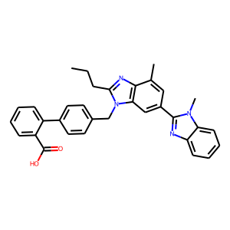 | 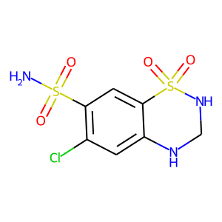 | 0.0045052989888 | 1 | unknown | CCCC1=NC2=C(N1CC3=CC=C(C=C3)C4=CC=CC=C4C(=O)O)C=C(C=C2C)C5=NC6=CC=CC=C6N5C | C1NC2=CC(=C(C=C2S(=O)(=O)N1)S(=O)(=O)N)Cl
 | 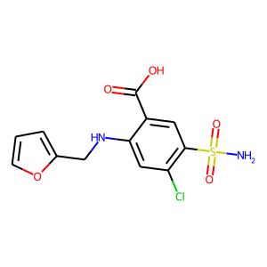 | 0.0018342051883 | 2 | unknown | CCCC1=NC2=C(N1CC3=CC=C(C=C3)C4=CC=CC=C4C(=O)O)C=C(C=C2C)C5=NC6=CC=CC=C6N5C | C1=COC(=C1)CNC2=CC(=C(C=C2C(=O)O)S(=O)(=O)N)Cl
 | 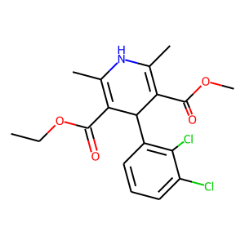 | 0.0015725550351 | 3 | unknown | C1=COC(=C1)CNC2=CC(=C(C=C2C(=O)O)S(=O)(=O)N)Cl | CCOC(=O)C1=C(NC(=C(C1C2=C(C(=CC=C2)Cl)Cl)C(=O)OC)C)C
 |  | 0.0015271461041 | 4 | unknown | C1NC2=CC(=C(C=C2S(=O)(=O)N1)S(=O)(=O)N)Cl | CCOC(=O)C1=C(NC(=C(C1C2=C(C(=CC=C2)Cl)Cl)C(=O)OC)C)C
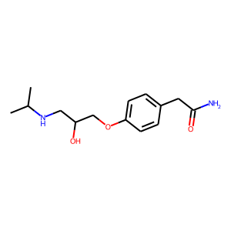 |  | 0.0010055604201 | 5 | unknown | CC(C)NCC(COC1=CC=C(C=C1)CC(=O)N)O | C1NC2=CC(=C(C=C2S(=O)(=O)N1)S(=O)(=O)N)Cl
 | 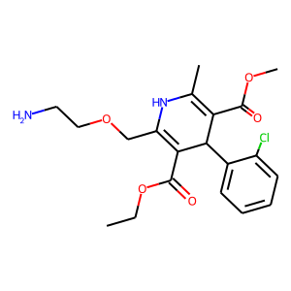 | 0.000992635498 | 6 | unknown | C1NC2=CC(=C(C=C2S(=O)(=O)N1)S(=O)(=O)N)Cl | CCOC(=O)C1=C(NC(=C(C1C2=CC=CC=C2Cl)C(=O)OC)C)COCCN
 |  | 0.00088628672025 | 7 | unknown | C1NC2=CC(=C(C=C2S(=O)(=O)N1)S(=O)(=O)N)Cl | C1=COC(=C1)CNC2=CC(=C(C=C2C(=O)O)S(=O)(=O)N)Cl
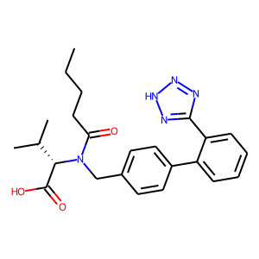 |  | 0.00086293598297 | 8 | unknown | CCCCC(=O)N(CC1=CC=C(C=C1)C2=CC=CC=C2C3=NNN=N3)[C@@H](C(C)C)C(=O)O | C1NC2=CC(=C(C=C2S(=O)(=O)N1)S(=O)(=O)N)Cl
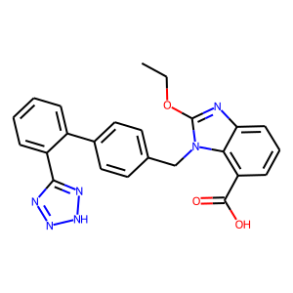 |  | 0.0008401746926 | 9 | unknown | CCOC1=NC2=CC=CC(=C2N1CC3=CC=C(C=C3)C4=CC=CC=C4C5=NNN=N5)C(=O)O | C1NC2=CC(=C(C=C2S(=O)(=O)N1)S(=O)(=O)N)Cl
 |  | 0.00082975621218 | 10 | unknown | C1=COC(=C1)CNC2=CC(=C(C=C2C(=O)O)S(=O)(=O)N)Cl | CCOC(=O)C1=C(NC(=C(C1C2=CC=CC=C2Cl)C(=O)OC)C)COCCN
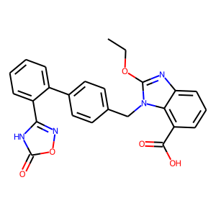 |  | 0.00077084162551 | 11 | unknown | CCOC1=NC2=CC=CC(=C2N1CC3=CC=C(C=C3)C4=CC=CC=C4C5=NOC(=O)N5)C(=O)O | C1NC2=CC(=C(C=C2S(=O)(=O)N1)S(=O)(=O)N)Cl
 | 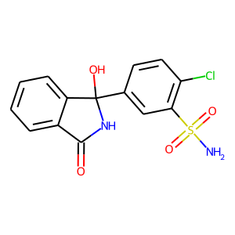 | 0.00075740116907 | 12 | unknown | C1NC2=CC(=C(C=C2S(=O)(=O)N1)S(=O)(=O)N)Cl | C1=CC=C2C(=C1)C(=O)NC2(C3=CC(=C(C=C3)Cl)S(=O)(=O)N)O
 | 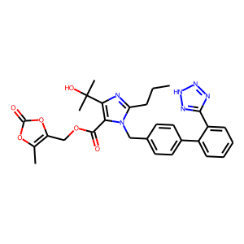 | 0.00071217518413 | 13 | unknown | C1NC2=CC(=C(C=C2S(=O)(=O)N1)S(=O)(=O)N)Cl | CCCC1=NC(=C(N1CC2=CC=C(C=C2)C3=CC=CC=C3C4=NNN=N4)C(=O)OCC5=C(OC(=O)O5)C)C(C)(C)O
 | 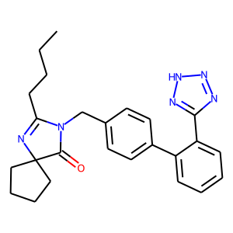 | 0.00070905436394 | 14 | unknown | C1=COC(=C1)CNC2=CC(=C(C=C2C(=O)O)S(=O)(=O)N)Cl | CCCCC1=NC2(CCCC2)C(=O)N1CC3=CC=C(C=C3)C4=CC=CC=C4C5=NNN=N5
 |  | 0.00066745617296 | 15 | unknown | C1NC2=CC(=C(C=C2S(=O)(=O)N1)S(=O)(=O)N)Cl | CCCCC1=NC2(CCCC2)C(=O)N1CC3=CC=C(C=C3)C4=CC=CC=C4C5=NNN=N5
 |  | 0.00063869760241 | 16 | unknown | CCOC1=NC2=CC=CC(=C2N1CC3=CC=C(C=C3)C4=CC=CC=C4C5=NNN=N5)C(=O)O | C1=COC(=C1)CNC2=CC(=C(C=C2C(=O)O)S(=O)(=O)N)Cl
 |  | 0.00059541067797 | 17 | unknown | CC(C)NCC(COC1=CC=C(C=C1)CC(=O)N)O | C1=COC(=C1)CNC2=CC(=C(C=C2C(=O)O)S(=O)(=O)N)Cl
 | 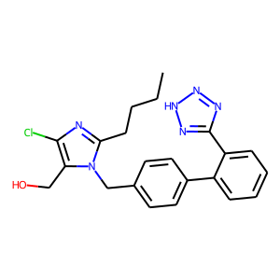 | 0.00059315913788 | 18 | unknown | C1NC2=CC(=C(C=C2S(=O)(=O)N1)S(=O)(=O)N)Cl | CCCCC1=NC(=C(N1CC2=CC=C(C=C2)C3=CC=CC=C3C4=NNN=N4)CO)Cl
 |  | 0.0005860616774 | 19 | unknown | CCOC1=NC2=CC=CC(=C2N1CC3=CC=C(C=C3)C4=CC=CC=C4C5=NOC(=O)N5)C(=O)O | C1=COC(=C1)CNC2=CC(=C(C=C2C(=O)O)S(=O)(=O)N)Cl
 |  | 0.00055545411766 | 20 | unknown | C1=COC(=C1)CNC2=CC(=C(C=C2C(=O)O)S(=O)(=O)N)Cl | C1=CC=C2C(=C1)C(=O)NC2(C3=CC(=C(C=C3)Cl)S(=O)(=O)N)O
 |  | 0.00054152358701 | 21 | unknown | C1=COC(=C1)CNC2=CC(=C(C=C2C(=O)O)S(=O)(=O)N)Cl | CCCC1=NC(=C(N1CC2=CC=C(C=C2)C3=CC=CC=C3C4=NNN=N4)C(=O)OCC5=C(OC(=O)O5)C)C(C)(C)O
 |  | 0.00052521679164 | 22 | unknown | C1=COC(=C1)CNC2=CC(=C(C=C2C(=O)O)S(=O)(=O)N)Cl | CCCCC1=NC(=C(N1CC2=CC=C(C=C2)C3=CC=CC=C3C4=NNN=N4)CO)Cl
 | 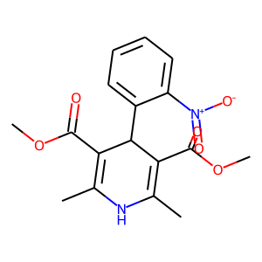 | 0.00049366680217 | 23 | unknown | C1NC2=CC(=C(C=C2S(=O)(=O)N1)S(=O)(=O)N)Cl | CC1=C(C(C(=C(N1)C)C(=O)OC)C2=CC=CC=C2[N+](=O)[O-])C(=O)OC
 |  | 0.00041913958607 | 24 | unknown | CCCCC(=O)N(CC1=CC=C(C=C1)C2=CC=CC=C2C3=NNN=N3)[C@@H](C(C)C)C(=O)O | C1=COC(=C1)CNC2=CC(=C(C=C2C(=O)O)S(=O)(=O)N)Cl
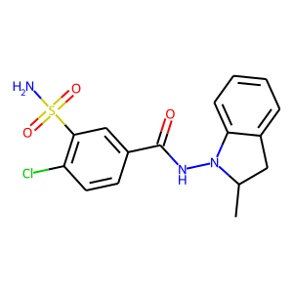 |  | 0.00038924194195 | 25 | unknown | CC1CC2=CC=CC=C2N1NC(=O)C3=CC(=C(C=C3)Cl)S(=O)(=O)N | C1=COC(=C1)CNC2=CC(=C(C=C2C(=O)O)S(=O)(=O)N)Cl
 |  | 0.0002966218307 | 26 | unknown | CCCC1=NC2=C(N1CC3=CC=C(C=C3)C4=CC=CC=C4C(=O)O)C=C(C=C2C)C5=NC6=CC=CC=C6N5C | CC1=C(C(C(=C(N1)C)C(=O)OC)C2=CC=CC=C2[N+](=O)[O-])C(=O)OC
 |  | 0.00026845410126 | 27 | unknown | CCOC(=O)C1=C(NC(=C(C1C2=C(C(=CC=C2)Cl)Cl)C(=O)OC)C)C | CCCCC1=NC2(CCCC2)C(=O)N1CC3=CC=C(C=C3)C4=CC=CC=C4C5=NNN=N5
 |  | 0.0002578352388 | 28 | unknown | C1NC2=CC(=C(C=C2S(=O)(=O)N1)S(=O)(=O)N)Cl | CC1CC2=CC=CC=C2N1NC(=O)C3=CC(=C(C=C3)Cl)S(=O)(=O)N
 |  | 0.00025350397048 | 29 | unknown | CCCCC(=O)N(CC1=CC=C(C=C1)C2=CC=CC=C2C3=NNN=N3)[C@@H](C(C)C)C(=O)O | CCOC(=O)C1=C(NC(=C(C1C2=C(C(=CC=C2)Cl)Cl)C(=O)OC)C)C
 |  | 0.00018721435513 | 30 | unknown | CCOC1=NC2=CC=CC(=C2N1CC3=CC=C(C=C3)C4=CC=CC=C4C5=NNN=N5)C(=O)O | CCOC(=O)C1=C(NC(=C(C1C2=C(C(=CC=C2)Cl)Cl)C(=O)OC)C)C
 |  | 0.00017977068519 | 31 | unknown | CCOC(=O)C1=C(NC(=C(C1C2=C(C(=CC=C2)Cl)Cl)C(=O)OC)C)C | CCCCC1=NC(=C(N1CC2=CC=C(C=C2)C3=CC=CC=C3C4=NNN=N4)CO)Cl
 |  | 0.00017352441289 | 32 | unknown | C1=COC(=C1)CNC2=CC(=C(C=C2C(=O)O)S(=O)(=O)N)Cl | CC1=C(C(C(=C(N1)C)C(=O)OC)C2=CC=CC=C2[N+](=O)[O-])C(=O)OC
 |  | 0.00017218754281 | 33 | unknown | CCOC1=NC2=CC=CC(=C2N1CC3=CC=C(C=C3)C4=CC=CC=C4C5=NOC(=O)N5)C(=O)O | CCOC(=O)C1=C(NC(=C(C1C2=C(C(=CC=C2)Cl)Cl)C(=O)OC)C)C
 |  | 0.00015947254777 | 34 | unknown | CCOC(=O)C1=C(NC(=C(C1C2=C(C(=CC=C2)Cl)Cl)C(=O)OC)C)C | CCCC1=NC(=C(N1CC2=CC=C(C=C2)C3=CC=CC=C3C4=NNN=N4)C(=O)OCC5=C(OC(=O)O5)C)C(C)(C)O
 |  | 0.00010907817316 | 35 | unknown | CCOC(=O)C1=C(NC(=C(C1C2=CC=CC=C2Cl)C(=O)OC)C)COCCN | CCOC(=O)C1=C(NC(=C(C1C2=C(C(=CC=C2)Cl)Cl)C(=O)OC)C)C
 |  | 8.636188552E-05 | 36 | unknown | CC(C)NCC(COC1=CC=C(C=C1)CC(=O)N)O | CCOC(=O)C1=C(NC(=C(C1C2=C(C(=CC=C2)Cl)Cl)C(=O)OC)C)C
 |  | 7.6714928218E-05 | 37 | unknown | C1=CC=C2C(=C1)C(=O)NC2(C3=CC(=C(C=C3)Cl)S(=O)(=O)N)O | CCOC(=O)C1=C(NC(=C(C1C2=C(C(=CC=C2)Cl)Cl)C(=O)OC)C)C
 |  | 7.2388995864E-05 | 38 | unknown | CC1CC2=CC=CC=C2N1NC(=O)C3=CC(=C(C=C3)Cl)S(=O)(=O)N | CCCCC1=NC2(CCCC2)C(=O)N1CC3=CC=C(C=C3)C4=CC=CC=C4C5=NNN=N5
 |  | 7.2095394588E-05 | 39 | unknown | CC1CC2=CC=CC=C2N1NC(=O)C3=CC(=C(C=C3)Cl)S(=O)(=O)N | CCCCC1=NC(=C(N1CC2=CC=C(C=C2)C3=CC=CC=C3C4=NNN=N4)CO)Cl
 |  | 6.6027701261E-05 | 40 | unknown | CCCCC(=O)N(CC1=CC=C(C=C1)C2=CC=CC=C2C3=NNN=N3)[C@@H](C(C)C)C(=O)O | CC1CC2=CC=CC=C2N1NC(=O)C3=CC(=C(C=C3)Cl)S(=O)(=O)N
 |  | 6.6027701261E-05 | 41 | unknown | CCOC1=NC2=CC=CC(=C2N1CC3=CC=C(C=C3)C4=CC=CC=C4C5=NNN=N5)C(=O)O | CC1CC2=CC=CC=C2N1NC(=O)C3=CC(=C(C=C3)Cl)S(=O)(=O)N
 |  | 6.3899184594E-05 | 42 | unknown | CC1CC2=CC=CC=C2N1NC(=O)C3=CC(=C(C=C3)Cl)S(=O)(=O)N | C1=CC=C2C(=C1)C(=O)NC2(C3=CC(=C(C=C3)Cl)S(=O)(=O)N)O
 |  | 6.0980970154E-05 | 43 | unknown | CC1CC2=CC=CC=C2N1NC(=O)C3=CC(=C(C=C3)Cl)S(=O)(=O)N | CCOC(=O)C1=C(NC(=C(C1C2=CC=CC=C2Cl)C(=O)OC)C)COCCN
 |  | 6.0726622426E-05 | 44 | unknown | CCOC1=NC2=CC=CC(=C2N1CC3=CC=C(C=C3)C4=CC=CC=C4C5=NOC(=O)N5)C(=O)O | CC1CC2=CC=CC=C2N1NC(=O)C3=CC(=C(C=C3)Cl)S(=O)(=O)N
 |  | 5.6241094181E-05 | 45 | unknown | CC1CC2=CC=CC=C2N1NC(=O)C3=CC(=C(C=C3)Cl)S(=O)(=O)N | CCCC1=NC(=C(N1CC2=CC=C(C=C2)C3=CC=CC=C3C4=NNN=N4)C(=O)OCC5=C(OC(=O)O5)C)C(C)(C)O
 |  | 2.9424820149E-05 | 46 | unknown | CCCC1=NC2=C(N1CC3=CC=C(C=C3)C4=CC=CC=C4C(=O)O)C=C(C=C2C)C5=NC6=CC=CC=C6N5C | CCOC(=O)C1=C(NC(=C(C1C2=C(C(=CC=C2)Cl)Cl)C(=O)OC)C)C
 |  | 2.7097511444E-05 | 47 | unknown | CC(C)NCC(COC1=CC=C(C=C1)CC(=O)N)O | CC1CC2=CC=CC=C2N1NC(=O)C3=CC(=C(C=C3)Cl)S(=O)(=O)N
 |  | 2.106161474E-05 | 48 | unknown | CC1CC2=CC=CC=C2N1NC(=O)C3=CC(=C(C=C3)Cl)S(=O)(=O)N | CCOC(=O)C1=C(NC(=C(C1C2=C(C(=CC=C2)Cl)Cl)C(=O)OC)C)C
 |  | 2.029926543E-05 | 49 | unknown | CC(C)NCC(COC1=CC=C(C=C1)CC(=O)N)O | CC1=C(C(C(=C(N1)C)C(=O)OC)C2=CC=CC=C2[N+](=O)[O-])C(=O)OC
 |  | 2.029926543E-05 | 50 | unknown | CCOC(=O)C1=C(NC(=C(C1C2=CC=CC=C2Cl)C(=O)OC)C)COCCN | CC1=C(C(C(=C(N1)C)C(=O)OC)C2=CC=CC=C2[N+](=O)[O-])C(=O)OC
 |  | 1.9387871334E-05 | 51 | unknown | C1=CC=C2C(=C1)C(=O)NC2(C3=CC(=C(C=C3)Cl)S(=O)(=O)N)O | CC1=C(C(C(=C(N1)C)C(=O)OC)C2=CC=CC=C2[N+](=O)[O-])C(=O)OC
 |  | 1.9262103077E-05 | 52 | unknown | CCCCC(=O)N(CC1=CC=C(C=C1)C2=CC=CC=C2C3=NNN=N3)[C@@H](C(C)C)C(=O)O | CC1=C(C(C(=C(N1)C)C(=O)OC)C2=CC=CC=C2[N+](=O)[O-])C(=O)OC
 |  | 1.9262103077E-05 | 53 | unknown | CCOC1=NC2=CC=CC(=C2N1CC3=CC=C(C=C3)C4=CC=CC=C4C5=NNN=N5)C(=O)O | CC1=C(C(C(=C(N1)C)C(=O)OC)C2=CC=CC=C2[N+](=O)[O-])C(=O)OC
 |  | 1.7733920239E-05 | 54 | unknown | CCOC1=NC2=CC=CC(=C2N1CC3=CC=C(C=C3)C4=CC=CC=C4C5=NOC(=O)N5)C(=O)O | CC1=C(C(C(=C(N1)C)C(=O)OC)C2=CC=CC=C2[N+](=O)[O-])C(=O)OC
 |  | 1.6440842452E-05 | 55 | unknown | CC1=C(C(C(=C(N1)C)C(=O)OC)C2=CC=CC=C2[N+](=O)[O-])C(=O)OC | CCCC1=NC(=C(N1CC2=CC=C(C=C2)C3=CC=CC=C3C4=NNN=N4)C(=O)OCC5=C(OC(=O)O5)C)C(C)(C)O
 |  | 1.6389935876E-05 | 56 | unknown | CC1=C(C(C(=C(N1)C)C(=O)OC)C2=CC=CC=C2[N+](=O)[O-])C(=O)OC | CCCCC1=NC2(CCCC2)C(=O)N1CC3=CC=C(C=C3)C4=CC=CC=C4C5=NNN=N5
 |  | 1.4532384008E-05 | 57 | unknown | CC1=C(C(C(=C(N1)C)C(=O)OC)C2=CC=CC=C2[N+](=O)[O-])C(=O)OC | CCCCC1=NC(=C(N1CC2=CC=C(C=C2)C3=CC=CC=C3C4=NNN=N4)CO)Cl
 |  | 1.045845874E-05 | 58 | unknown | CCCCC(=O)N(CC1=CC=C(C=C1)C2=CC=CC=C2C3=NNN=N3)[C@@H](C(C)C)C(=O)O | CCCC1=NC2=C(N1CC3=CC=C(C=C3)C4=CC=CC=C4C(=O)O)C=C(C=C2C)C5=NC6=CC=CC=C6N5C
 |  | 1.045845874E-05 | 59 | unknown | CCCC1=NC2=C(N1CC3=CC=C(C=C3)C4=CC=CC=C4C(=O)O)C=C(C=C2C)C5=NC6=CC=CC=C6N5C | CCOC1=NC2=CC=CC(=C2N1CC3=CC=C(C=C3)C4=CC=CC=C4C5=NNN=N5)C(=O)O
 |  | 1.045845874E-05 | 60 | unknown | CCCC1=NC2=C(N1CC3=CC=C(C=C3)C4=CC=CC=C4C(=O)O)C=C(C=C2C)C5=NC6=CC=CC=C6N5C | CC(C)NCC(COC1=CC=C(C=C1)CC(=O)N)O
 |  | 1.0302442126E-05 | 61 | unknown | CCOC(=O)C1=C(NC(=C(C1C2=C(C(=CC=C2)Cl)Cl)C(=O)OC)C)C | CC1=C(C(C(=C(N1)C)C(=O)OC)C2=CC=CC=C2[N+](=O)[O-])C(=O)OC
 |  | 9.6941034736E-06 | 62 | unknown | CCCC1=NC2=C(N1CC3=CC=C(C=C3)C4=CC=CC=C4C(=O)O)C=C(C=C2C)C5=NC6=CC=CC=C6N5C | CCOC1=NC2=CC=CC(=C2N1CC3=CC=C(C=C3)C4=CC=CC=C4C5=NOC(=O)N5)C(=O)O
 |  | 9.1096112525E-06 | 63 | unknown | CCCC1=NC2=C(N1CC3=CC=C(C=C3)C4=CC=CC=C4C(=O)O)C=C(C=C2C)C5=NC6=CC=CC=C6N5C | C1=CC=C2C(=C1)C(=O)NC2(C3=CC(=C(C=C3)Cl)S(=O)(=O)N)O
 |  | 9.0473413254E-06 | 64 | unknown | CCCC1=NC2=C(N1CC3=CC=C(C=C3)C4=CC=CC=C4C(=O)O)C=C(C=C2C)C5=NC6=CC=CC=C6N5C | CCCC1=NC(=C(N1CC2=CC=C(C=C2)C3=CC=CC=C3C4=NNN=N4)C(=O)OCC5=C(OC(=O)O5)C)C(C)(C)O
 |  | 7.3530898154E-06 | 65 | unknown | CCCC1=NC2=C(N1CC3=CC=C(C=C3)C4=CC=CC=C4C(=O)O)C=C(C=C2C)C5=NC6=CC=CC=C6N5C | CCOC(=O)C1=C(NC(=C(C1C2=CC=CC=C2Cl)C(=O)OC)C)COCCN
 |  | 6.8974091715E-06 | 66 | unknown | CC1CC2=CC=CC=C2N1NC(=O)C3=CC(=C(C=C3)Cl)S(=O)(=O)N | CC1=C(C(C(=C(N1)C)C(=O)OC)C2=CC=CC=C2[N+](=O)[O-])C(=O)OC
 |  | 6.7680831756E-06 | 67 | unknown | CCCC1=NC2=C(N1CC3=CC=C(C=C3)C4=CC=CC=C4C(=O)O)C=C(C=C2C)C5=NC6=CC=CC=C6N5C | CCCCC1=NC(=C(N1CC2=CC=C(C=C2)C3=CC=CC=C3C4=NNN=N4)CO)Cl
 |  | 6.667296522E-06 | 68 | unknown | CCCC1=NC2=C(N1CC3=CC=C(C=C3)C4=CC=CC=C4C(=O)O)C=C(C=C2C)C5=NC6=CC=CC=C6N5C | CC1CC2=CC=CC=C2N1NC(=O)C3=CC(=C(C=C3)Cl)S(=O)(=O)N
 |  | 4.9146929496E-06 | 69 | unknown | CCCC1=NC2=C(N1CC3=CC=C(C=C3)C4=CC=CC=C4C(=O)O)C=C(C=C2C)C5=NC6=CC=CC=C6N5C | CCCCC1=NC2(CCCC2)C(=O)N1CC3=CC=C(C=C3)C4=CC=CC=C4C5=NNN=N5
 |  | 0 | 70 | unknown | CCCCC(=O)N(CC1=CC=C(C=C1)C2=CC=CC=C2C3=NNN=N3)[C@@H](C(C)C)C(=O)O | CCOC1=NC2=CC=CC(=C2N1CC3=CC=C(C=C3)C4=CC=CC=C4C5=NNN=N5)C(=O)O
 |  | 0 | 71 | unknown | CCCCC(=O)N(CC1=CC=C(C=C1)C2=CC=CC=C2C3=NNN=N3)[C@@H](C(C)C)C(=O)O | CCOC1=NC2=CC=CC(=C2N1CC3=CC=C(C=C3)C4=CC=CC=C4C5=NOC(=O)N5)C(=O)O
 |  | 0 | 72 | unknown | CCCCC(=O)N(CC1=CC=C(C=C1)C2=CC=CC=C2C3=NNN=N3)[C@@H](C(C)C)C(=O)O | CC(C)NCC(COC1=CC=C(C=C1)CC(=O)N)O
 |  | 0 | 73 | unknown | CCCCC(=O)N(CC1=CC=C(C=C1)C2=CC=CC=C2C3=NNN=N3)[C@@H](C(C)C)C(=O)O | C1=CC=C2C(=C1)C(=O)NC2(C3=CC(=C(C=C3)Cl)S(=O)(=O)N)O
 |  | 0 | 74 | unknown | CCCCC(=O)N(CC1=CC=C(C=C1)C2=CC=CC=C2C3=NNN=N3)[C@@H](C(C)C)C(=O)O | CCOC(=O)C1=C(NC(=C(C1C2=CC=CC=C2Cl)C(=O)OC)C)COCCN
 |  | 0 | 75 | unknown | CCCCC(=O)N(CC1=CC=C(C=C1)C2=CC=CC=C2C3=NNN=N3)[C@@H](C(C)C)C(=O)O | CCCCC1=NC2(CCCC2)C(=O)N1CC3=CC=C(C=C3)C4=CC=CC=C4C5=NNN=N5
 |  | 0 | 76 | unknown | CCCCC(=O)N(CC1=CC=C(C=C1)C2=CC=CC=C2C3=NNN=N3)[C@@H](C(C)C)C(=O)O | CCCC1=NC(=C(N1CC2=CC=C(C=C2)C3=CC=CC=C3C4=NNN=N4)C(=O)OCC5=C(OC(=O)O5)C)C(C)(C)O
 |  | 0 | 77 | unknown | CCCCC(=O)N(CC1=CC=C(C=C1)C2=CC=CC=C2C3=NNN=N3)[C@@H](C(C)C)C(=O)O | CCCCC1=NC(=C(N1CC2=CC=C(C=C2)C3=CC=CC=C3C4=NNN=N4)CO)Cl
 |  | 0 | 78 | unknown | CCOC1=NC2=CC=CC(=C2N1CC3=CC=C(C=C3)C4=CC=CC=C4C5=NNN=N5)C(=O)O | CCOC1=NC2=CC=CC(=C2N1CC3=CC=C(C=C3)C4=CC=CC=C4C5=NOC(=O)N5)C(=O)O
 |  | 0 | 79 | unknown | CCOC1=NC2=CC=CC(=C2N1CC3=CC=C(C=C3)C4=CC=CC=C4C5=NNN=N5)C(=O)O | CC(C)NCC(COC1=CC=C(C=C1)CC(=O)N)O
 |  | 0 | 80 | unknown | CCOC1=NC2=CC=CC(=C2N1CC3=CC=C(C=C3)C4=CC=CC=C4C5=NNN=N5)C(=O)O | C1=CC=C2C(=C1)C(=O)NC2(C3=CC(=C(C=C3)Cl)S(=O)(=O)N)O
 |  | 0 | 81 | unknown | CCOC1=NC2=CC=CC(=C2N1CC3=CC=C(C=C3)C4=CC=CC=C4C5=NNN=N5)C(=O)O | CCOC(=O)C1=C(NC(=C(C1C2=CC=CC=C2Cl)C(=O)OC)C)COCCN
 |  | 0 | 82 | unknown | CCOC1=NC2=CC=CC(=C2N1CC3=CC=C(C=C3)C4=CC=CC=C4C5=NNN=N5)C(=O)O | CCCCC1=NC2(CCCC2)C(=O)N1CC3=CC=C(C=C3)C4=CC=CC=C4C5=NNN=N5
 |  | 0 | 83 | unknown | CCOC1=NC2=CC=CC(=C2N1CC3=CC=C(C=C3)C4=CC=CC=C4C5=NNN=N5)C(=O)O | CCCC1=NC(=C(N1CC2=CC=C(C=C2)C3=CC=CC=C3C4=NNN=N4)C(=O)OCC5=C(OC(=O)O5)C)C(C)(C)O
 |  | 0 | 84 | unknown | CCOC1=NC2=CC=CC(=C2N1CC3=CC=C(C=C3)C4=CC=CC=C4C5=NNN=N5)C(=O)O | CCCCC1=NC(=C(N1CC2=CC=C(C=C2)C3=CC=CC=C3C4=NNN=N4)CO)Cl
 |  | 0 | 85 | unknown | CCOC1=NC2=CC=CC(=C2N1CC3=CC=C(C=C3)C4=CC=CC=C4C5=NOC(=O)N5)C(=O)O | CC(C)NCC(COC1=CC=C(C=C1)CC(=O)N)O
 |  | 0 | 86 | unknown | CCOC1=NC2=CC=CC(=C2N1CC3=CC=C(C=C3)C4=CC=CC=C4C5=NOC(=O)N5)C(=O)O | C1=CC=C2C(=C1)C(=O)NC2(C3=CC(=C(C=C3)Cl)S(=O)(=O)N)O
 |  | 0 | 87 | unknown | CCOC1=NC2=CC=CC(=C2N1CC3=CC=C(C=C3)C4=CC=CC=C4C5=NOC(=O)N5)C(=O)O | CCOC(=O)C1=C(NC(=C(C1C2=CC=CC=C2Cl)C(=O)OC)C)COCCN
 |  | 0 | 88 | unknown | CCOC1=NC2=CC=CC(=C2N1CC3=CC=C(C=C3)C4=CC=CC=C4C5=NOC(=O)N5)C(=O)O | CCCCC1=NC2(CCCC2)C(=O)N1CC3=CC=C(C=C3)C4=CC=CC=C4C5=NNN=N5
 |  | 0 | 89 | unknown | CCOC1=NC2=CC=CC(=C2N1CC3=CC=C(C=C3)C4=CC=CC=C4C5=NOC(=O)N5)C(=O)O | CCCC1=NC(=C(N1CC2=CC=C(C=C2)C3=CC=CC=C3C4=NNN=N4)C(=O)OCC5=C(OC(=O)O5)C)C(C)(C)O
 |  | 0 | 90 | unknown | CCOC1=NC2=CC=CC(=C2N1CC3=CC=C(C=C3)C4=CC=CC=C4C5=NOC(=O)N5)C(=O)O | CCCCC1=NC(=C(N1CC2=CC=C(C=C2)C3=CC=CC=C3C4=NNN=N4)CO)Cl
 |  | 0 | 91 | unknown | CC(C)NCC(COC1=CC=C(C=C1)CC(=O)N)O | C1=CC=C2C(=C1)C(=O)NC2(C3=CC(=C(C=C3)Cl)S(=O)(=O)N)O
 |  | 0 | 92 | unknown | CC(C)NCC(COC1=CC=C(C=C1)CC(=O)N)O | CCOC(=O)C1=C(NC(=C(C1C2=CC=CC=C2Cl)C(=O)OC)C)COCCN
 |  | 0 | 93 | unknown | CC(C)NCC(COC1=CC=C(C=C1)CC(=O)N)O | CCCCC1=NC2(CCCC2)C(=O)N1CC3=CC=C(C=C3)C4=CC=CC=C4C5=NNN=N5
 |  | 0 | 94 | unknown | CC(C)NCC(COC1=CC=C(C=C1)CC(=O)N)O | CCCC1=NC(=C(N1CC2=CC=C(C=C2)C3=CC=CC=C3C4=NNN=N4)C(=O)OCC5=C(OC(=O)O5)C)C(C)(C)O
 |  | 0 | 95 | unknown | CC(C)NCC(COC1=CC=C(C=C1)CC(=O)N)O | CCCCC1=NC(=C(N1CC2=CC=C(C=C2)C3=CC=CC=C3C4=NNN=N4)CO)Cl
 |  | 0 | 96 | unknown | C1=CC=C2C(=C1)C(=O)NC2(C3=CC(=C(C=C3)Cl)S(=O)(=O)N)O | CCOC(=O)C1=C(NC(=C(C1C2=CC=CC=C2Cl)C(=O)OC)C)COCCN
 |  | 0 | 97 | unknown | C1=CC=C2C(=C1)C(=O)NC2(C3=CC(=C(C=C3)Cl)S(=O)(=O)N)O | CCCCC1=NC2(CCCC2)C(=O)N1CC3=CC=C(C=C3)C4=CC=CC=C4C5=NNN=N5
 |  | 0 | 98 | unknown | C1=CC=C2C(=C1)C(=O)NC2(C3=CC(=C(C=C3)Cl)S(=O)(=O)N)O | CCCC1=NC(=C(N1CC2=CC=C(C=C2)C3=CC=CC=C3C4=NNN=N4)C(=O)OCC5=C(OC(=O)O5)C)C(C)(C)O
 |  | 0 | 99 | unknown | C1=CC=C2C(=C1)C(=O)NC2(C3=CC(=C(C=C3)Cl)S(=O)(=O)N)O | CCCCC1=NC(=C(N1CC2=CC=C(C=C2)C3=CC=CC=C3C4=NNN=N4)CO)Cl
 |  | 0 | 100 | unknown | CCOC(=O)C1=C(NC(=C(C1C2=CC=CC=C2Cl)C(=O)OC)C)COCCN | CCCCC1=NC2(CCCC2)C(=O)N1CC3=CC=C(C=C3)C4=CC=CC=C4C5=NNN=N5
 |  | 0 | 101 | unknown | CCOC(=O)C1=C(NC(=C(C1C2=CC=CC=C2Cl)C(=O)OC)C)COCCN | CCCC1=NC(=C(N1CC2=CC=C(C=C2)C3=CC=CC=C3C4=NNN=N4)C(=O)OCC5=C(OC(=O)O5)C)C(C)(C)O
 |  | 0 | 102 | unknown | CCOC(=O)C1=C(NC(=C(C1C2=CC=CC=C2Cl)C(=O)OC)C)COCCN | CCCCC1=NC(=C(N1CC2=CC=C(C=C2)C3=CC=CC=C3C4=NNN=N4)CO)Cl
 |  | 0 | 103 | unknown | CCCCC1=NC2(CCCC2)C(=O)N1CC3=CC=C(C=C3)C4=CC=CC=C4C5=NNN=N5 | CCCC1=NC(=C(N1CC2=CC=C(C=C2)C3=CC=CC=C3C4=NNN=N4)C(=O)OCC5=C(OC(=O)O5)C)C(C)(C)O
 |  | 0 | 104 | unknown | CCCCC1=NC2(CCCC2)C(=O)N1CC3=CC=C(C=C3)C4=CC=CC=C4C5=NNN=N5 | CCCCC1=NC(=C(N1CC2=CC=C(C=C2)C3=CC=CC=C3C4=NNN=N4)CO)Cl
 |  | 0 | 105 | unknown | CCCC1=NC(=C(N1CC2=CC=C(C=C2)C3=CC=CC=C3C4=NNN=N4)C(=O)OCC5=C(OC(=O)O5)C)C(C)(C)O | CCCCC1=NC(=C(N1CC2=CC=C(C=C2)C3=CC=CC=C3C4=NNN=N4)CO)Cl

