Sheet1
Synonym | SMILES | Rank
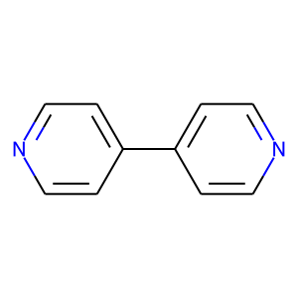 | c1cc(-c2ccncc2)ccn1 | Known
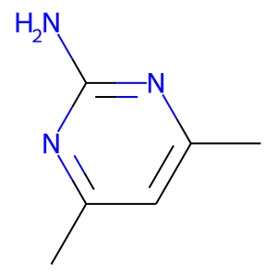 | Cc1cc(C)nc(N)n1 | Known
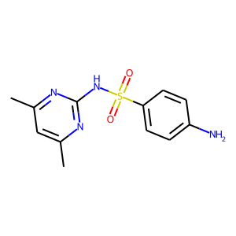 | Cc1cc(C)nc(NS(=O)(=O)c2ccc(N)cc2)n1 | Known
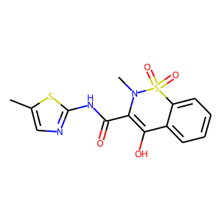 | Cc1cnc(NC(=O)C2=C(O)c3ccccc3S(=O)(=O)N2C)s1 | Known
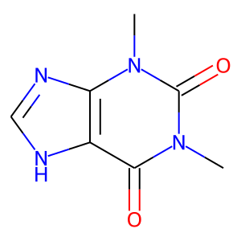 | Cn1c(=O)c2[nH]cnc2n(C)c1=O | Known
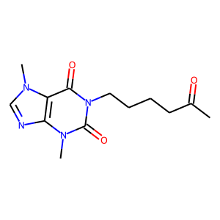 | CC(=O)CCCCn1c(=O)c2c(ncn2C)n(C)c1=O | Known
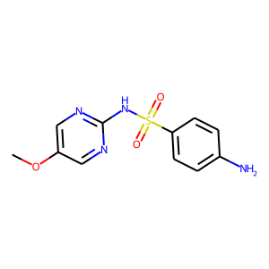 | COc1cnc(NS(=O)(=O)c2ccc(N)cc2)nc1 | Known
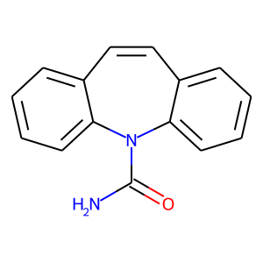 | NC(=O)N1c2ccccc2C=Cc2ccccc21 | Known
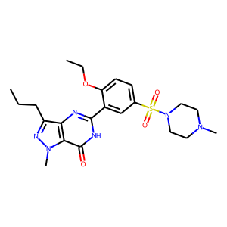 | CCCc1nn(C)c2c(=O)[nH]c(-c3cc(S(=O)(=O)N4CCN(C)CC4)ccc3OCC)nc12 | Known
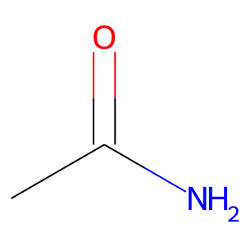 | CC(N)=O | Known
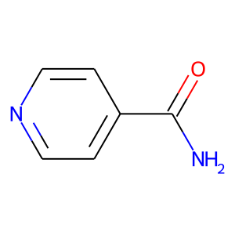 | NC(=O)c1ccncc1 | 1
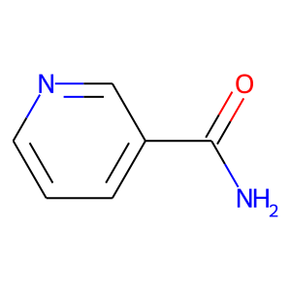 | NC(=O)c1cccnc1 | 3
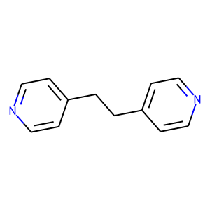 | c1cc(CCc2ccncc2)ccn1 | 5
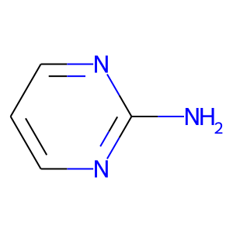 | Nc1ncccn1 | 6
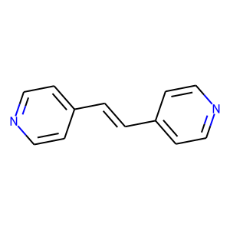 | C(=Cc1ccncc1)c1ccncc1 | 7
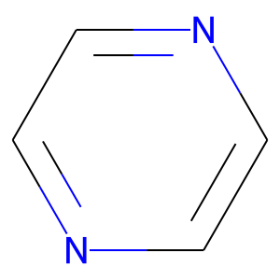 | c1cnccn1 | 9
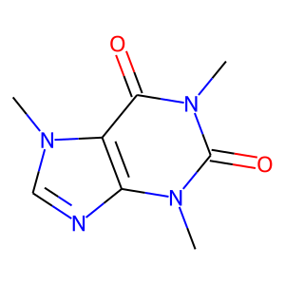 | Cn1c(=O)c2c(ncn2C)n(C)c1=O | 10
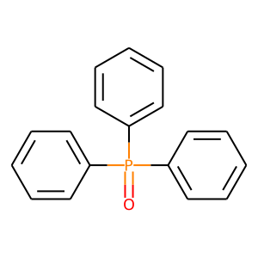 | O=P(c1ccccc1)(c1ccccc1)c1ccccc1 | 11
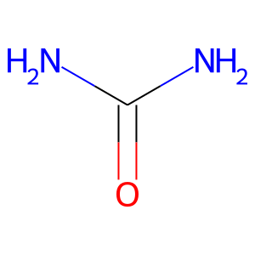 | NC(N)=O | 12
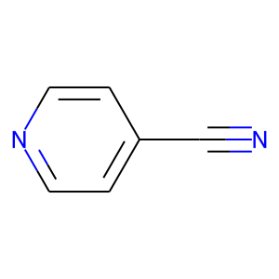 | N#Cc1ccncc1 | 13
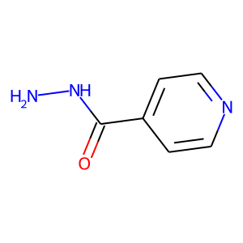 | NNC(=O)c1ccncc1 | 14
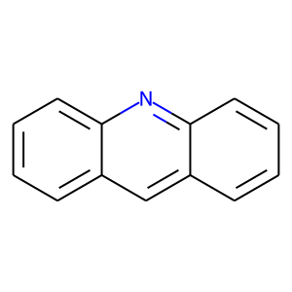 | c1ccc2nc3ccccc3cc2c1 | 15
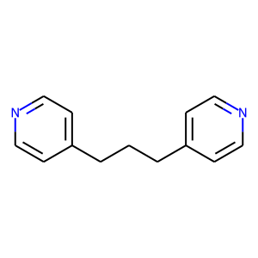 | c1cc(CCCc2ccncc2)ccn1 | 16
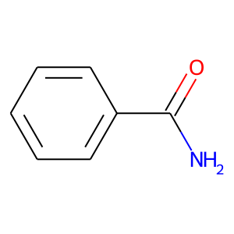 | NC(=O)c1ccccc1 | 17
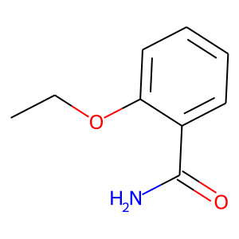 | CCOc1ccccc1C(N)=O | 20

