Sheet1
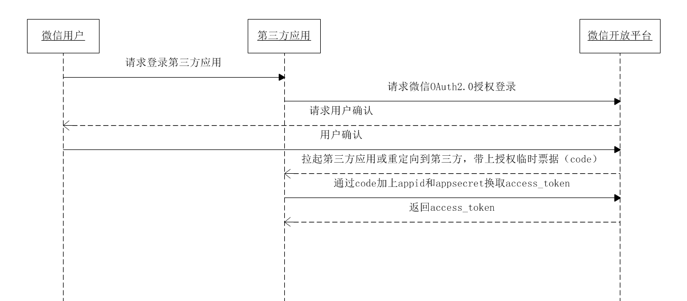
通过access_token换取用户信息
返回用户信息
0.微信登录流程

 |  |  |  |  |  |  |  |  | 二维码

1.准备工作
 | 1.1
 | 微信开放平台注册并登录账号，创建应用，获得appid和secret |  |  |  |  |  | <div id="wx"></div>
 | 相当于获取了我们这个应用可以用于访问微信的用户名和密码
 | https://open.weixin.qq.com/cgi-bin/frame?t=home/web_tmpl&lang=zh_CN |  |  |  |  |  | <script>
 |  |  |  |  |  |  |  | var obj = new WxLogin({
 | 1.2 |  |  |  |  |  |  | self_redirect:true,
 | 获取用于生成二维码的js文件 |  |  |  |  |  |  | id:"login_container",
 | https://res.wx.qq.com/connect/zh_CN/htmledition/js/wxLogin.js |  |  |  |  |  |  | appid: "",
 |  |  |  |  |  |  |  | scope: "",
 | 1.3 |  |  |  |  |  |  | redirect_uri: "",
 | json转换成Object对象工具包 |  |  |  |  |  |  | state: "",
 | <dependency> |  |  |  |  |  |  | style: "",
 | <groupId>com.alibaba</groupId> |  |  |  |  |  |  | href: ""
 | <artifactId>fastjson</artifactId> |  |  |  |  |  |  | });
 | <version>x.x.x</version> |  |  |  |  |  | </script>
 | </dependency>

 | 1.4
 | httpClient工具包
 | <!-- https://mvnrepository.com/artifact/org.apache.httpcomponents/httpcore -->
 | <dependency>
 | <groupId>org.apache.httpcomponents</groupId>
 | <artifactId>httpcore</artifactId>
 | <version>4.4.10</version>
 | </dependency>

 | <!-- https://mvnrepository.com/artifact/org.apache.httpcomponents/httpclient -->
 | <dependency>
 | <groupId>org.apache.httpcomponents</groupId>
 | <artifactId>httpclient</artifactId>
 | <version>4.5.6</version>
 | </dependency>

2.生成二维码
 | 2.1
 | 在登录页面定一个div，并在div中实例化wxLogin对象
 |  | var obj = new WxLogin({
 |  | self_redirect:true,
 |  | id:"", | //div的id |  | <div id=
 |  | appid: "", | //应用的id
 |  | scope: "", | //应用授权作用域，填snsapi_login
 |  | redirect_uri: "", | //回调uri，即controller中的方法路径
 |  | });
 | 用户扫描，应用向微信请求授权，微信请求用户的确认，用户确认后，微信回调controller方法，并返回code
 | 返回code，用String接收

 | 拼接出uri
 | 用HttpClient访问
 | String uri =
 | https://api.weixin.qq.com/sns/oauth2/access_token
 |  | ?appid=APPID |  |  |  | {
 |  | &secret=SECRET |  |  |  | "access_token":"ACCESS_TOKEN", |  |  | 接口调用凭证
 |  | &code=CODE |  |  |  | "expires_in":7200, |  |  | access_token接口调用凭证超时时间，单位（秒）
 |  | &grant_type=authorization_code |  |  |  | "refresh_token":"REFRESH_TOKEN", |  |  | 用户刷新access_token
 |  |  |  |  |  | "openid":"OPENID", |  |  | 授权用户唯一标识
 |  |  |  |  |  | "scope":"SCOPE", |  |  | 用户授权的作用域，使用逗号（,）分隔
 | HttpClient client = new HttpClient(uri); |  |  | 创建client对象 |  | "unionid": "o6_bmasdasdsad6_2sgVt7hMZOPfL" |  |  | 当且仅当该网站应用已获得该用户的userinfo授权时，才会出现该字段
 | client.get(); |  |  | 以get方式访问 |  | }
 | String token_content = client.getContent(); |  |  | 获取请示获得的相应json
 | Token token = JSON.parseObject(token_content);
 |  |  |  |  |  | 错误信息
 |  |  |  |  |  | {"errcode":40029,"errmsg":"invalid code"}

 | https://api.weixin.qq.com/sns/userinfo
 |  | ?access_token=ACCESS_TOKEN |  |  |  | {
 |  | &openid=OPENID |  |  |  | "openid":"OPENID",
 |  |  |  |  |  | "nickname":"NICKNAME",
 |  |  |  |  |  | "sex":1,
 |  |  |  |  |  | "province":"PROVINCE",
 |  |  |  |  |  | "city":"CITY",
 |  |  |  |  |  | "country":"COUNTRY",
 |  |  |  |  |  | "headimgurl": "https://thirdwx.qlogo.cn/mmopen/g3MonUZtNHkdmzicIlibx6iaFqAc56vxLSUfpb6n5WKSYVY0ChQKkiaJSgQ1dZuTOgvLLrhJbERQQ4eMsv84eavHiaiceqxibJxCfHe/0",
 |  |  |  |  |  | "privilege":[
 |  |  |  |  |  | "PRIVILEGE1",
 |  |  |  |  |  | "PRIVILEGE2"
 |  |  |  |  |  | ],
 |  |  |  |  |  | "unionid": " o6_bmasdasdsad6_2sgVt7hMZOPfL"

 |  |  |  |  |  | }

