Enable Macros


v.2018.04.01
USFS ERMiT Batch Program - Instructions

 | Macros are not enabled. In order for the batch program to work macros must be enabled.
 | Follow the instructions below to enable the macros on this spreadsheet.
 | How To Enable Macros in Excel 2010
 | Click "File" -- "Options" -- "Trust Center" -- "Macro Settings" and check "Disable all macros with notification" -- apply changes.
 | Close and reopen this worksheet and click through the Security Warnings.

 |  | 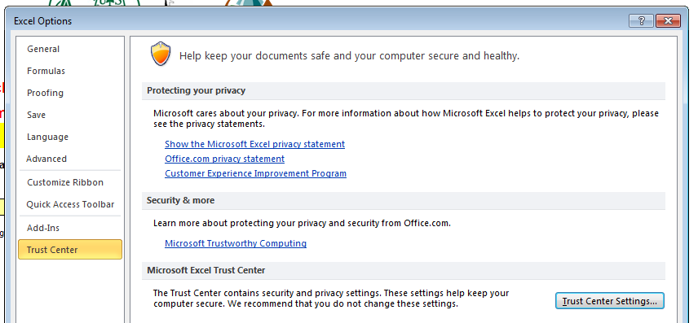 | 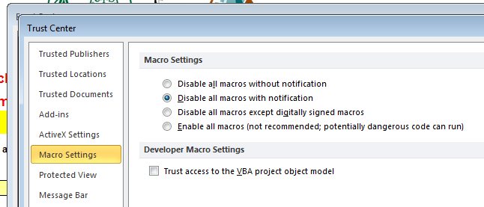

 | How To Enable Macros in Excel 2003

 | 1. Close and re-open the current file. Upon re-opening the file, a security warning will appear. Click on Enable Macros.
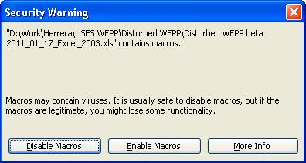

 | How To Enable Macros in Excel 2007

 | By default Excel blocks all macros, the following instructions show how to change the macro settings to allow for macro notification and enabling. Steps 1 -4 only need to be done once. Steps 5 and 6 will have to be done every time Batch ERMiT is started.

 | 1. Click on the office button in the upper left hand corner of the Excel window.

 | 2. In the pop-up menu that appears, click on Excel Options at the bottom right of the menu.

 | 3. In the window that appears, click on Trust Center from the left side list and then click Trust Center Settings.

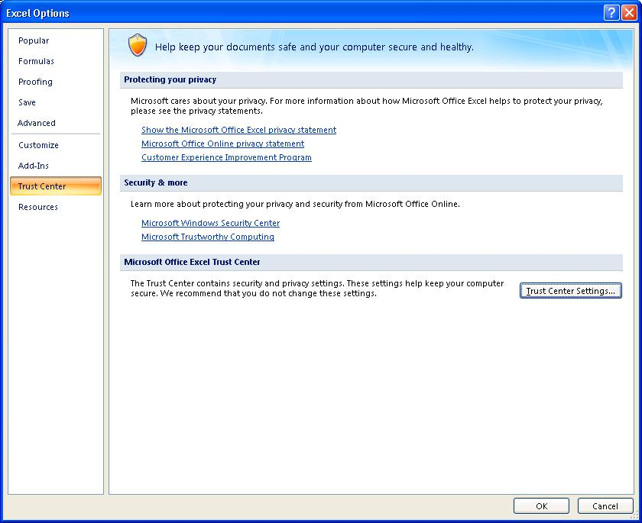

 | 4. In the window that appears select the Disable all macros with notification option and then click OK.

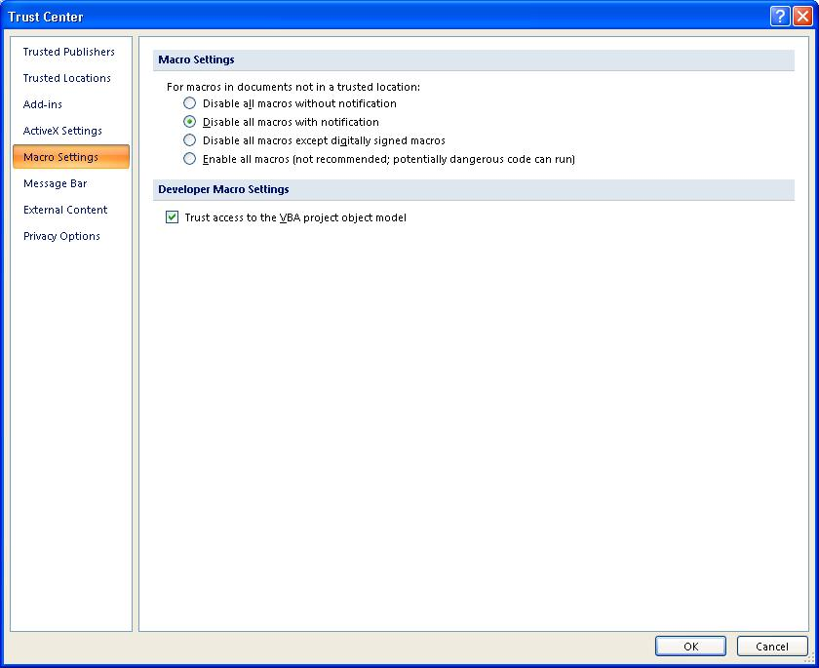

 | 5. Close the Batch ERMiT spreadsheet and re-open it. Upon re-opening you will see the following security warning across the top of the spreadsheet window. Click on Options.

 | 6. In the Microsoft Office Security Options window that appears, select the Enable this content option and click OK.

