revised lis
 | Motor Adapter Kits

Muro Strip Feed System - Motor Conversion Chart
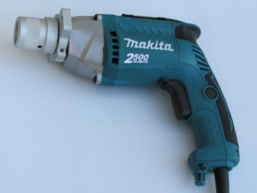
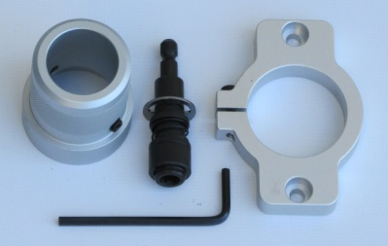

 | Makita

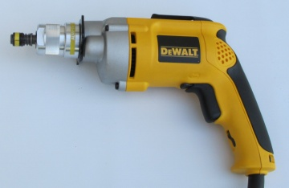

 | DeWALT

Brand | Model Numbers | Muro Part #
DEWALT | DW252, DW254, DW255, DW257, DW260, DW263K, DW264K, DW265, DW266, DW272, DW274, DW274K, DW276, DW277, DW284 | 170-70040
DEWALT (Cordless) | DW979K, DW979K2, DC520 | 170-70050
HITACHI | W6V3, W6VA3, W6VB2, W8VB | 170-70080
MAKITA | 6823, 6823N, 6824, 6824N, 6825, 6826SP, 6826 | 170-70010
MAKITA | 6827 | 170-70090
MAKITA | FS2200, FS4200 | 170-70130
MAKITA (Cordless) | LXSF01Z (Motor Only) | 170-70160
MILWAUKEE | 6708-21, 6701-20, 6702-20, 6740-20, 6741-1, 6742-20, 6743-20, 6743-50, 6743-55, 6745-1, 6746-1, 6755-4, 6758, 6760, 6790-1, 6791-20 | 170-70060
BOSCH | SG45, SGR | 170-70140
SIOUX (Air) | 2P2303A, 2P2403A, 2P2603A, 2S2603A | 170-70100

 | 7 Tilbury Court, Brampton, Ontario, Canada L6T 3T4
 | Tel: (905) 451-7667 Fax: (905) 451-7936
 | www.muro.com

short list
 | Motor Adapter Kits

Muro Strip Feed System - Motor Conversion Chart


 | Makita



 | DeWALT

Brand | Model Numbers | Muro Part #
DEWALT | DW252, DW254, DW255, DW257, DW260, DW263K, DW264K, DW265, DW266, DW272, DW274, DW274K, DW276, DW277, DW284 | 170-70040
DEWALT (Cordless) | DW979K, DW979K2, DC520 | 170-70050
HITACHI | W6V3, W6VA3, W6VB2, W8VB | 170-70080
MAKITA | 6823, 6823N, 6824, 6824N, 6825, 6826SP, 6826 | 170-70010
MAKITA | FS2500, FS4200 | 170-70130
MILWAUKEE | 6708-21, 6701-20, 6702-20, 6740-20, 6741-1, 6742-20, 6743-20, 6743-50, 6743-55, 6745-1, 6746-1, 6755-4, 6758, 6760, 6790-1, 6791-20 | 170-70060
SIOUX (Air) | 2P2303A, 2P2403A, 2P2603A, 2S2603A | 170-70100

 | 7 Tilbury Court, Brampton, Ontario, Canada L6T 3T4
 | Tel: (905) 451-7667 Fax: (905) 451-7936
 | www.muro.com

original list
 | Motor Adapter Kits

Muro Strip Feed System - Motor Conversion Chart

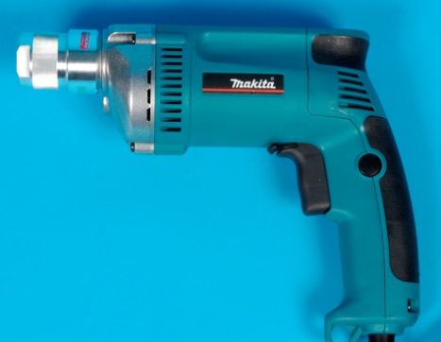
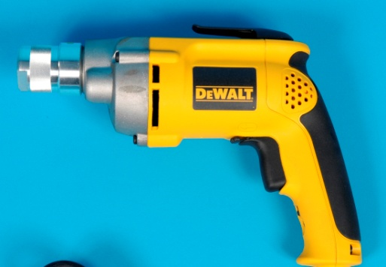

Brand | Model Numbers | Muro Part #
DEWALT | DW252, DW254, DW255, DW257, DW260, DW263K, DW264K, DW265, DW266, DW272, DW274, DW274K, DW276, DW277, DW284 | 170-70040
DEWALT (Cordless) | DW979K, DW979K2, DC520 | 170-70050
HITACHI | W6V3, W6VA3, W6VB2, W8VB | 170-70080
MAKITA | 6820V | 170-70070
MAKITA | 6821, 6822 | 170-70020
MAKITA | 6823, 6823N, 6824, 6824N, 6825, 6826SP, 6826 | 170-70010
MAKITA | 6827 | 170-11420
MAKITA | FS2500, FS4200 | 170-70130
MILWAUKEE | 6708-21, 6701-20, 6702-20, 6740-20, 6741-1, 6742-20, 6743-20, 6743-50, 6743-55, 6745-1, 6746-1, 6755-4, 6758, 6760, 6790-1, 6791-20 | 170-70060
PORTER CABLE | 6640, 6641, 6645 | 170-70030
SIOUX (Air) | 2P2303A, 2P2403A, 2P2603A, 2S2603A | 170-70100

 | 7 Tilbury Court, Brampton, Ontario, Canada L6T 3T4
 | Tel: (905) 451-7667 Fax: (905) 451-7936
 | www.muro.com

