Disclaimer
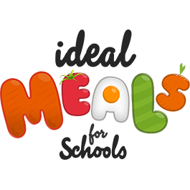
Allergen Information Term 5 2024-2025
We are committed to ensuring the safety of customers who have an allergy or food intolerance and operate a rigorous food safety management system. We hold allergen information on file for every product on our supplier list and reasonable precautions are taken to eliminate the risk of cross contamination within our kitchens.
The allergy information below has been derived from supplier specifications on the allergen ingredients that have intentionally been added to the final food product. However, current labelling regulations mean that no guarantee can be given that ingredients have been prepared in fully, nominated allergen free environments, without risk of contamination. For example, we do not use any recipes that contain nuts or nut by-products in our school menus, but our suppliers may handle nuts in the same factories that our products/ ingredients are produced in.
Please be aware that if your child suffers from extremely sensitive trace reactions for stated allergens, we are unable to 100% guarantee suitability. In any case we urge parents to contact us ahead of ordering meals, to discuss the risks on an individual basis.
We aim to ensure all children have access to healthy school meals, regardless of any special requirements. If your child’s diet does not suit our menus due to food allergies or intolerances, religious or ethical beliefs please let us know, so that we can work with you to make alternative arrangements. With increased food supply issues, all ingredients are subject to change at short notice. It is essential that we hold any allergies on file. Please ensure you speak to your child’s school in the first instance, who will inform us of your child’s allergy/intolerance notes.

