CWR06-1972
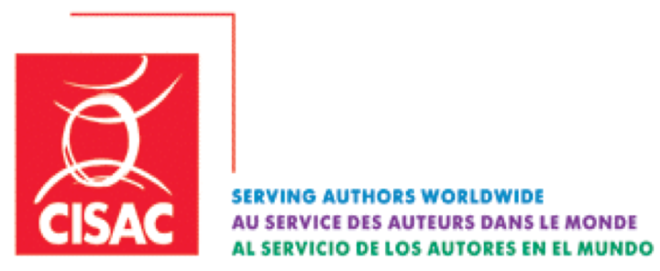

CWR06-1972

Source language: English

 | 2014-12-04

CWR sender ID and codes

Karlien NIJS (SABAM)

