PI
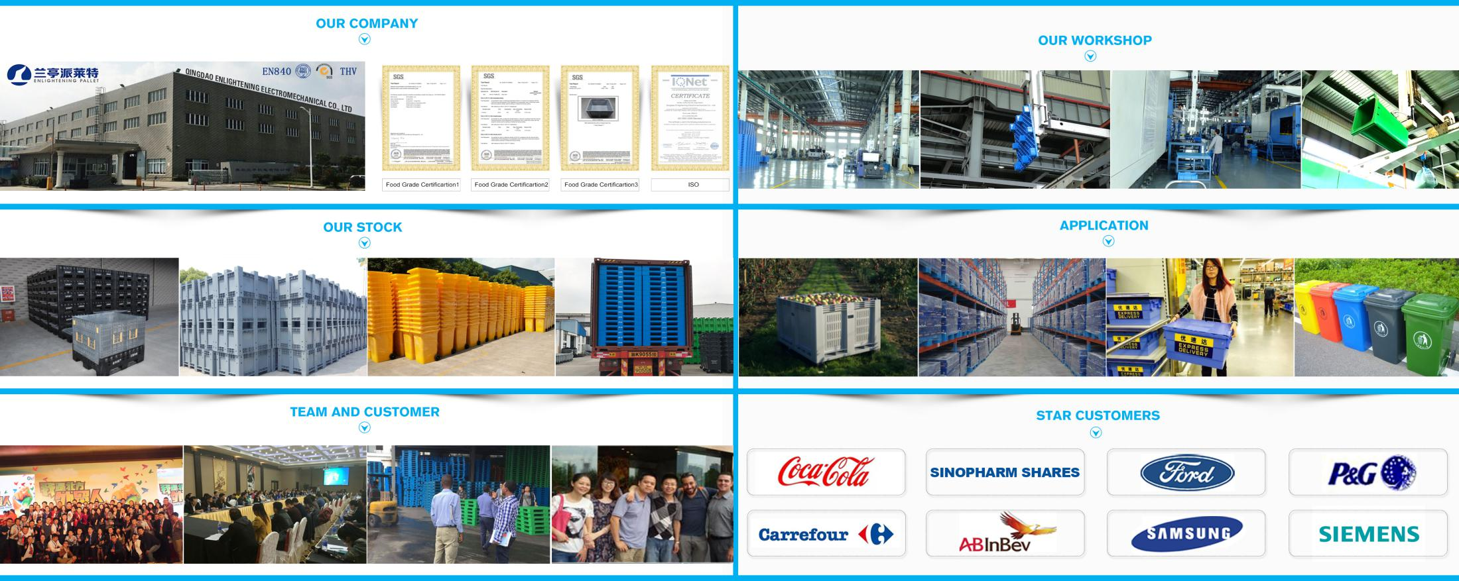
Enlightening Plast Co., Limited
No.339 Hui Xian Road,Jiading District,Shanghai
TEL:86-18560616085
PROFORMA INVOICE
Date: 23 Nov 2025 |  |  |  | NO.: PIYSL25112301
CUSTOMER |  |  |  | SUPPLIER
 |  |  |  | COMPANY:Enlightening Plast Co., Limited CONTACT: Elio Yu Tel: +86 13156369052 Mail: elio@cnplasticpallet.com SKYPE/WhatsApp/WECHAT: +86 13156369052
NO. | PRODUCT NAME | IMAGE | DESCRIPTION | FOB PRICE | QUANTITY ( PIECE ) | VOLUME | AMOUNT
1 | sleeve box | 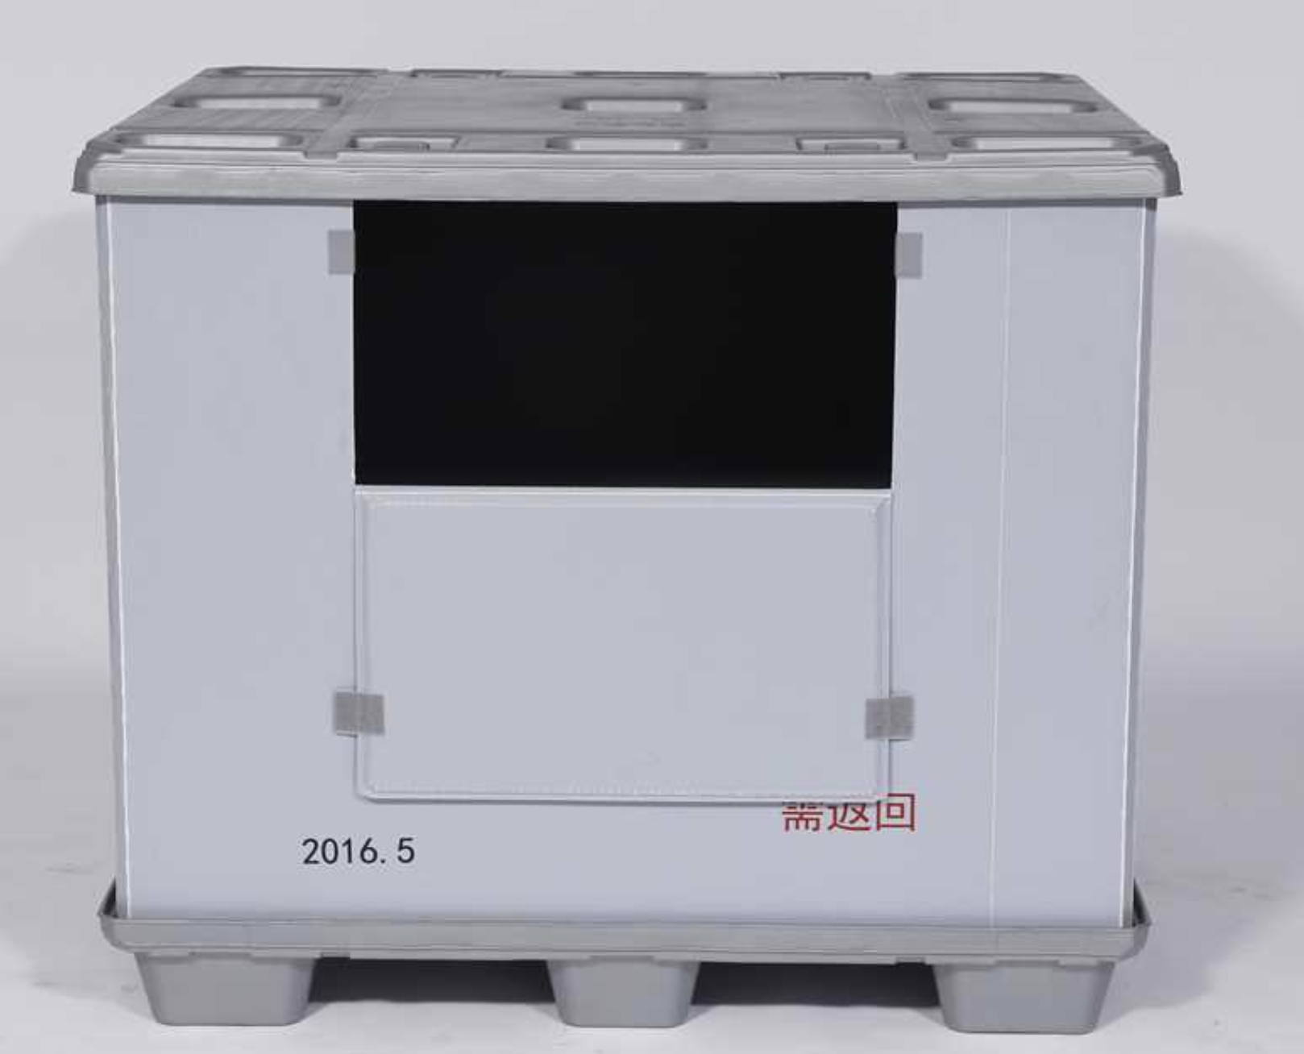 | size:1640x1220x1280 mm with 2 drop door Material:HDPE color:dark grey load capacity 300-450kg stackable 2-3 layers | ￥745.0 | 1x40hc:180pcs
2 | sleeve box |  | size:1660x1430x1170mm with 2 drop door Material:HDPE color:dark grey load capacity 300-450kg stackable 2-3 layers | ￥1,110.0 | 1x40hc:180pcs
REMARK:
1.Payment term: 50% payment in advance.the balacne before shipment 2.Payment route: BENEFICIARY NAME:ENLIGHTENING PLAST CO.,LIMITED ACCOUNT：129302410838 BENEFICIARY BANK NAME: HSBC HONG KONG BENEFICIARY BANK ADDRESS: 1 Queen's Road Central，Hong Kong BENEFICIARY BANK CODE:004 SWIFT ADDRESS:HSBCHKHHHKH SWIFT CODE:HSBCHKHHHKH

