Sheet1
unique_id | ds | y
1 | 1949-01-31 | 112 |  | Arima/Sarimax
1 | 1949-02-28 | 118 |  | p | 1
1 | 1949-03-31 | 132 |  | d | 1
1 | 1949-04-30 | 129 |  | q | 1
1 | 1949-05-31 | 121 |  | P | 1
1 | 1949-06-30 | 135 |  | D | 1
1 | 1949-07-31 | 148 |  | Q | 1
1 | 1949-08-31 | 148 |  | S | 12
1 | 1949-09-30 | 136 |  | Exponential
1 | 1949-10-31 | 119 |  | trend | add
1 | 1949-11-30 | 104 |  | seasonal | add
1 | 1949-12-31 | 118 |  | Random Forest
1 | 1950-01-31 | 115 | 0 | n_est | 100
1 | 1950-02-28 | 126 |  | depth | 5
1 | 1950-03-31 | 141 | The best model is ExponentialSmoothing with a Mean MSE of 615.7686 | Graditn boost
1 | 1950-04-30 | 135 | 0 | n_est | 100
1 | 1950-05-31 | 125 | 0 | learn | 0.05
1 | 1950-06-30 | 149 |  | max | 2
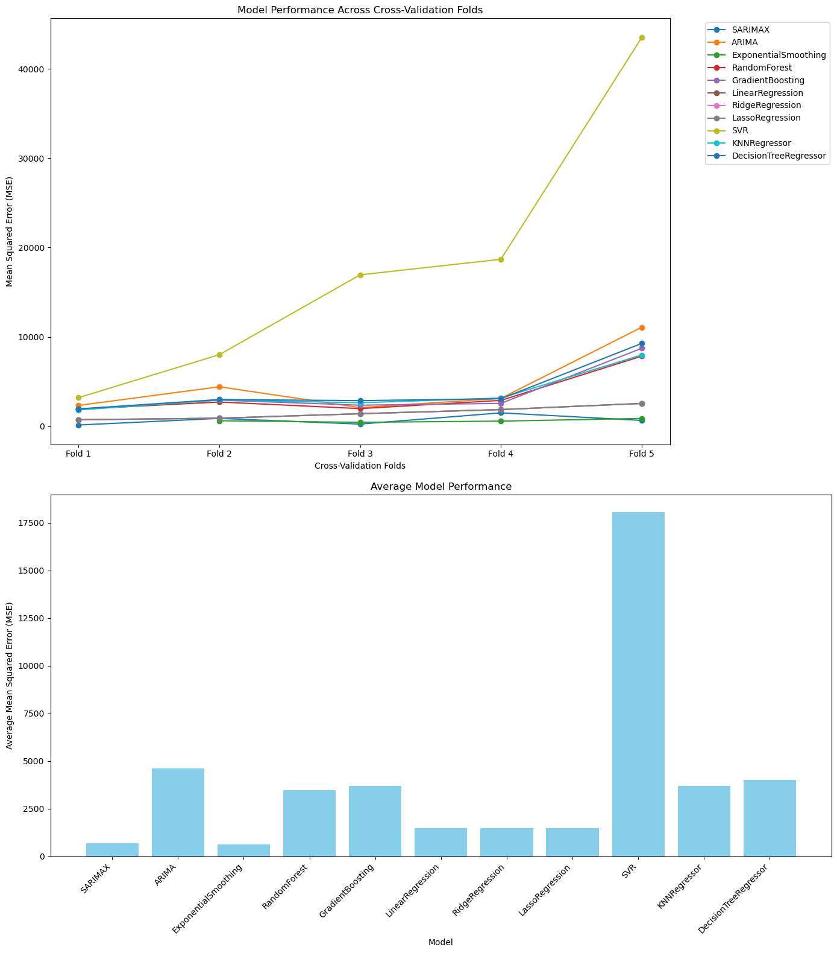
1 | 1950-07-31 | 170 |  | Line regression
1 | 1950-08-31 | 170 |  | fit int | FALSE
1 | 1950-09-30 | 158 |  | Lasso/Ridge
1 | 1950-10-31 | 133 |  | alpha | 0.5
1 | 1950-11-30 | 114 |  | SVR
1 | 1950-12-31 | 140 |  | kernel | rbf
1 | 1951-01-31 | 145 |  | gamma | 0.1
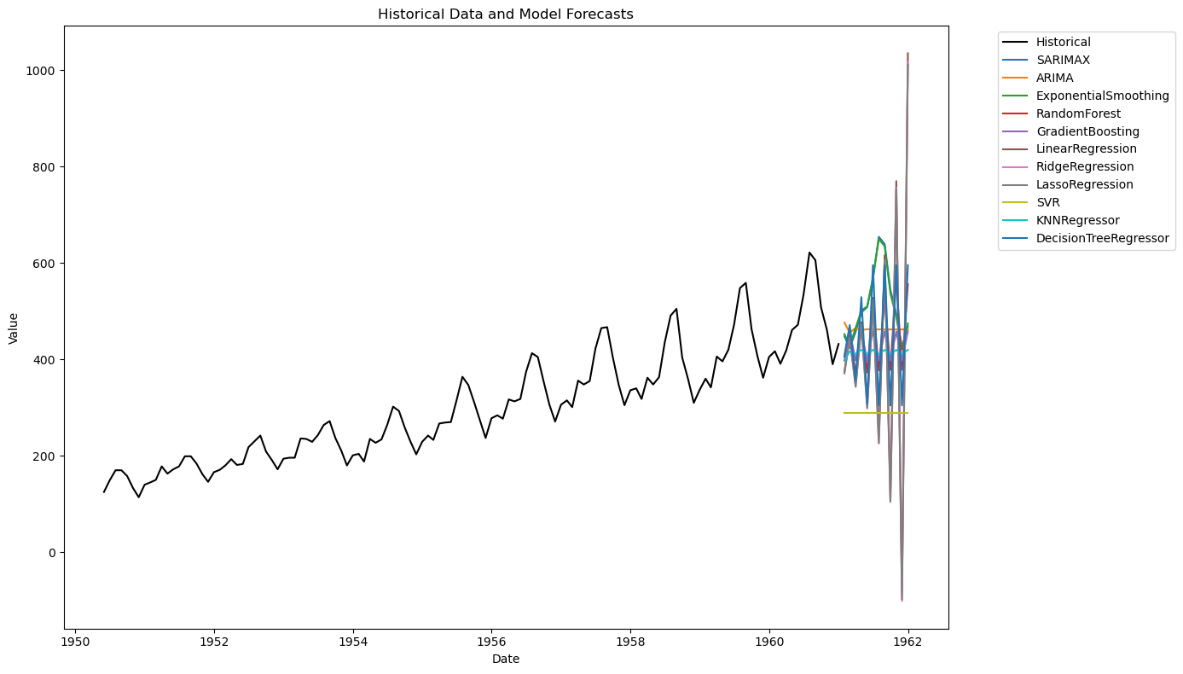
1 | 1951-02-28 | 150 |  | ep | 0.1
1 | 1951-03-31 | 178 |  | KNN
1 | 1951-04-30 | 163 |  | n | 5
1 | 1951-05-31 | 172 |  | weights | uniform
1 | 1951-06-30 | 178 |  | algo | auto
1 | 1951-07-31 | 199 |  | Decision tree
1 | 1951-08-31 | 199 |  | max depth | 5
1 | 1951-09-30 | 184 |  | min split | 2
1 | 1951-10-31 | 162 |  | min leaf | 2
1 | 1951-11-30 | 146
1 | 1951-12-31 | 166 |  | forecast | 12
1 | 1952-01-31 | 171 |  | freq | ME
1 | 1952-02-29 | 180
1 | 1952-03-31 | 193
1 | 1952-04-30 | 181
1 | 1952-05-31 | 183
1 | 1952-06-30 | 218
1 | 1952-07-31 | 230
1 | 1952-08-31 | 242
1 | 1952-09-30 | 209
1 | 1952-10-31 | 191
1 | 1952-11-30 | 172
1 | 1952-12-31 | 194
1 | 1953-01-31 | 196
1 | 1953-02-28 | 196
1 | 1953-03-31 | 236
1 | 1953-04-30 | 235
1 | 1953-05-31 | 229
1 | 1953-06-30 | 243
1 | 1953-07-31 | 264
1 | 1953-08-31 | 272
1 | 1953-09-30 | 237
1 | 1953-10-31 | 211
1 | 1953-11-30 | 180
1 | 1953-12-31 | 201
1 | 1954-01-31 | 204
1 | 1954-02-28 | 188
1 | 1954-03-31 | 235
1 | 1954-04-30 | 227
1 | 1954-05-31 | 234
1 | 1954-06-30 | 264
1 | 1954-07-31 | 302
1 | 1954-08-31 | 293
1 | 1954-09-30 | 259
1 | 1954-10-31 | 229
1 | 1954-11-30 | 203
1 | 1954-12-31 | 229
1 | 1955-01-31 | 242
1 | 1955-02-28 | 233
1 | 1955-03-31 | 267
1 | 1955-04-30 | 269
1 | 1955-05-31 | 270
1 | 1955-06-30 | 315
1 | 1955-07-31 | 364
1 | 1955-08-31 | 347
1 | 1955-09-30 | 312
1 | 1955-10-31 | 274
1 | 1955-11-30 | 237
1 | 1955-12-31 | 278
1 | 1956-01-31 | 284
1 | 1956-02-29 | 277
1 | 1956-03-31 | 317
1 | 1956-04-30 | 313
1 | 1956-05-31 | 318
1 | 1956-06-30 | 374
1 | 1956-07-31 | 413
1 | 1956-08-31 | 405
1 | 1956-09-30 | 355
1 | 1956-10-31 | 306
1 | 1956-11-30 | 271
1 | 1956-12-31 | 306
1 | 1957-01-31 | 315
1 | 1957-02-28 | 301
1 | 1957-03-31 | 356
1 | 1957-04-30 | 348
1 | 1957-05-31 | 355
1 | 1957-06-30 | 422
1 | 1957-07-31 | 465
1 | 1957-08-31 | 467
1 | 1957-09-30 | 404
1 | 1957-10-31 | 347
1 | 1957-11-30 | 305
1 | 1957-12-31 | 336
1 | 1958-01-31 | 340
1 | 1958-02-28 | 318
1 | 1958-03-31 | 362
1 | 1958-04-30 | 348
1 | 1958-05-31 | 363
1 | 1958-06-30 | 435
1 | 1958-07-31 | 491
1 | 1958-08-31 | 505
1 | 1958-09-30 | 404
1 | 1958-10-31 | 359
1 | 1958-11-30 | 310
1 | 1958-12-31 | 337
1 | 1959-01-31 | 360
1 | 1959-02-28 | 342
1 | 1959-03-31 | 406
1 | 1959-04-30 | 396
1 | 1959-05-31 | 420
1 | 1959-06-30 | 472
1 | 1959-07-31 | 548
1 | 1959-08-31 | 559
1 | 1959-09-30 | 463
1 | 1959-10-31 | 407
1 | 1959-11-30 | 362
1 | 1959-12-31 | 405
1 | 1960-01-31 | 417
1 | 1960-02-29 | 391
1 | 1960-03-31 | 419
1 | 1960-04-30 | 461
1 | 1960-05-31 | 472
1 | 1960-06-30 | 535
1 | 1960-07-31 | 622
1 | 1960-08-31 | 606
1 | 1960-09-30 | 508
1 | 1960-10-31 | 461
1 | 1960-11-30 | 390
1 | 1960-12-31 | 432

