Gearboxes
Area | Functional location | Equipment | Assembly | Component | Component Picture | Plate Picture | Type | General Type | Power (HP) | Torque (Nm) | Speed (RPM) | Output speed (RPM) | Variable speed / Short bursts | Runtime>12s | Running most of the time? | Coupling Type | Thermal Class | Oil Type | Oil capacity (L) | NDE | DE | Number of teeth | Criticality MDLZ | Yes/No PdM | Accesibility | Clear line of sight | Method | Vibration | # of points | Failure Modes | Ultrasound | # of points | Failure Modes | Thermography | Failure Modes | Lube Analysis | Failure Modes | Other info (Vane number, etc)

Fort Worth | Line 2 | Palletizer | spay | E3.5 | 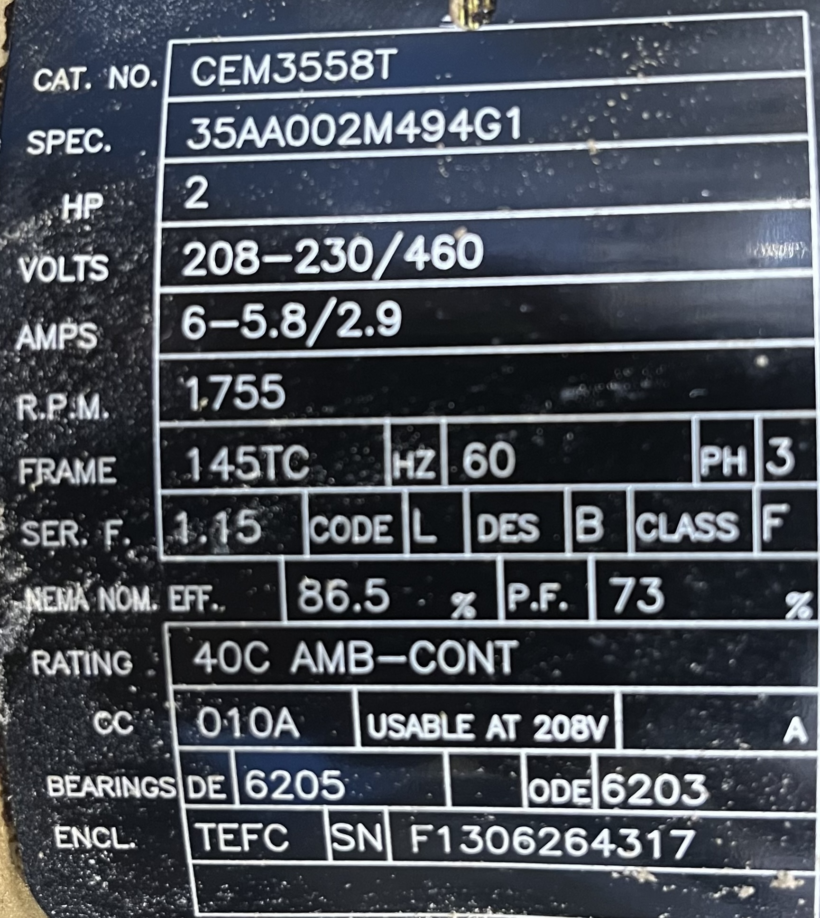 |  |  |  | 2 |  | 1755 |  |  |  |  |  | Class F |  |  | could not be parsed | could not be parsed

