BillOfMaterials

 | DC Motor Position Control Kit
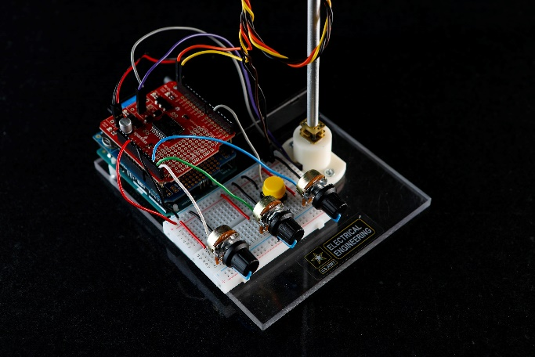
 |  |  |  |  |  |  |  | [42] | [42]
 | Assembly Revision : | 2
 | Part Count :
 | Total Cost : | $155.54

Part # | Part Name | Description | Qty | Units | Manufacturer | Unit Cost | Cost | Vendors | URL
A000066 | Arduino Uno R3 | Open source micro-controller | 1 | each | Arduino | $22.00 | $22.00 | Mouser, RobotShop, Arduino, Adafruit | https://store.arduino.cc/usa/arduino-uno-rev3
DEV-14129 | SparkFun Ardumoto | DC Motor driver (H-bridge) shield for Arduino | 1 | each | SparkFun | $19.95 | $19.95 | Sparkfun, RobotShop | https://www.sparkfun.com/products/14129
ROB-12429 | Micro Gear Motor 460 RPM | 6-12V DC, 50:1 ratio | 1 | each | Robotzone | $12.95 | $12.95 | SparkFun | https://www.sparkfun.com/products/12429
830 | Battery holder | 4 x AA battery holder with switch | 1 | each | various | $2.95 | $2.95 | Adafruit, SparkFun, RobotShop | https://www.adafruit.com/product/830
BB-170-BK | Mini Breadboard | Solderless breadboard 1.75" x 1.40" | 1 | each | BusBoard Prototype Systems | $3.55 | $3.55 | Mouser, Digi-Key | https://www.mouser.com/ProductDetail/BusBoard-Prototype-Systems/BB170-BK?qs=sGAEpiMZZMtgbBHFKsFQgo04jOHntgNPg9BCaanvgpo%3d
 | AA Battery | Energizer Max AA Alkaline battery | 4 | each | Energizer | $1.00 | $4.00 | Amazon, Best Buy, Target, Walmart | http://www.energizer.com/batteries/energizer-max-alkaline-batteries#aa
1120 | LSM303DLHC Triple axis magnetometer | I2C based accelerometer + compass breakout board | 1 | each | Adafruit | $14.95 | $14.95 | Adafruit | https://www.adafruit.com/product/1120
2048 | Potentiometer knob - soft touch T18 | Knobs to set PID gains | 3 | each | Adafruit | $0.50 | $1.50 | Adafruit | https://www.adafruit.com/product/2048
562 | Potentiometer - Panel Mount, 10K, Linear | Rotary potentiometer, breadboard friendly | 3 | each | Adafruit | $0.95 | $2.85 | Adafruit | https://www.adafruit.com/product/562
 | Machined Aluminum rod | Rod used to mount compass on DC Motor shaft | 1 | each | Machined in-house |  | $- | Custom built | https://www.thingiverse.com/thing:3380429
 | Compass adapter plate | Plastic plate used to attach compass to aluminum rod | 1 | each | 3D printed in-house |  | $- | Custom built | https://www.thingiverse.com/thing:3380369
 | Motor housing | Plastic housing used to secure DC motor | 1 | each | 3D printed in-house |  | $- | Custom built | https://www.thingiverse.com/thing:3052620
WIG-12772 | SparkFun Logomatic v2 | Serial datalogger (FAT32) | 1 | each | SparkFun | $54.95 | $54.95 | Sparkfun, RobotShop | https://www.sparkfun.com/products/12772
SDSDQY-008G-A11A | SanDisk Ultra 8GB micro SD Card | MicroSDHC, Class 10, UHS-1 | 1 | each | SanDisk | $9.99 | $9.99 | SanDisk, Amazon, BestBuy | https://shop.sandisk.com/store?Action=list&Env=BASE&Locale=en_US&SiteID=sdiskus&categoryID=58895400&parentCategoryID=11442500
1957 | Jumper Wire M-M | Male-Male, 6", 20-piece | 1 | pack | Adafruit | $1.95 | $1.95 | Adafruit | https://www.adafruit.com/product/1957
1952 | Jumper Wire F-M | Female-Male, 12", 20-piece | 1 | pack | Adafruit | $3.95 | $3.95 | Adafruit | https://www.adafruit.com/product/1952
 | Set screw |  |  |  |  |  | $-
 | Total |  | 23 |  |  |  | $155.54

Example

Bill of Materials for LEGO® Design
 |  |  |  |  |  |  |  |  |  | © 2012-2014 Vertex42 LLC
 |  |  | Assembly Name : | Mini X-Wing™ |  |  | [42] |  |  | Bill of Materials Template
 |  |  | Assembly Number : | Custom
 |  |  | Assembly Revision :
 |  |  | Approval Date :
 |  |  | Pieces : | 46
 |  |  | Total Cost : | $5.85

Category | Part # | Elem ID | Part Name | Color | Qty | Units | Picture | Unit Cost | Cost
Bricks, Sloping | 50746 | 4504369 | ROOF TILE 1X1X2/3, ABS | 1 - White | 1 | each |  | $0.10 | $0.10
Plates | 3024 | 302401 | PLATE 1X1 | 1 - White | 1 | each |  | $0.10 | $0.10
Plates | 3023 | 302301 | PLATE 1X2 | 1 - White | 2 | each |  | $0.10 | $0.20
Plates | 3023 | 4211398 | PLATE 1X2 | 194 - Medium Stone Grey | 1 | each |  | $0.10 | $0.10
Plates | 3794 | 379401 | PLATE 1X2 W. 1 KNOB | 1 - White | 1 | each |  | $0.10 | $0.10
Plates | 3623 | 362301 | PLATE 1X3 | 1 - White | 1 | each |  | $0.10 | $0.10
Plates | 3623 | 362321 | PLATE 1X3 | 21 - Bright Red | 1 | each |  | $0.10 | $0.10
Plates | 94148 | 302201 | PLATE 2X2 | 1 - White | 1 | each |  | $0.15 | $0.15
Plates, Special | 6141 | 4210633 | PLATE 1X1 ROUND | 199 - Dark Stone Grey | 1 | each |  | $0.10 | $0.10
Plates, Special | 3070 | 307021 | FLAT TILE 1X1 | 21 - Bright Red | 4 | each |  | $0.10 | $0.40
Plates, Special | 2412 | 241201 | RADIATOR GRILLE 1X2 | 1 - White | 1 | each |  | $0.10 | $0.10
Plates, Special | 6019 | 4538353 | PLATE 1X1 W/HOLDER VERTICAL | 1 - White | 4 | each |  | $0.15 | $0.60
Plates, Special | 2431 | 4558168 | FLAT TILE 1X4 | 1 - White | 1 | each |  | $0.20 | $0.20
Plates, Special | 63868 | 4535737 | PLATE 2X1 W/HOLDER,VERTICAL | 1 - White | 4 | each |  | $0.15 | $0.60
Plates, Special | 2540 | 4211632 | PLATE 1X2 W. STICK | 194 - Medium Stone Grey | 4 | each |  | $0.15 | $0.60
Plates, Special | 3176 | 4225733 | COUPLING PLATE 2X2 | 199 - Dark Stone Grey | 1 | each |  | $0.20 | $0.20
Bricks, Special | 49668 | 4224793 | PLATE 1X1 W/TOOTH | 5 - Brick Yellow | 1 | each |  | $0.10 | $0.10
Technic | 32123 | 4211573 | 1/2 BUSH | 194 - Medium Stone Grey | 4 | each |  | $0.10 | $0.40
Technic | 6590 | 4211622 | BUSH FOR CROSS AXLE | 194 - Medium Stone Grey | 8 | each |  | $0.15 | $1.20
Accessories | 3957 | 4211473 | STICK/AERIAL | 194 - Medium Stone Grey | 4 | each |  | $0.10 | $0.40
 |  |  | Total |  | 46 |  |  |  | $5.85

