PINS
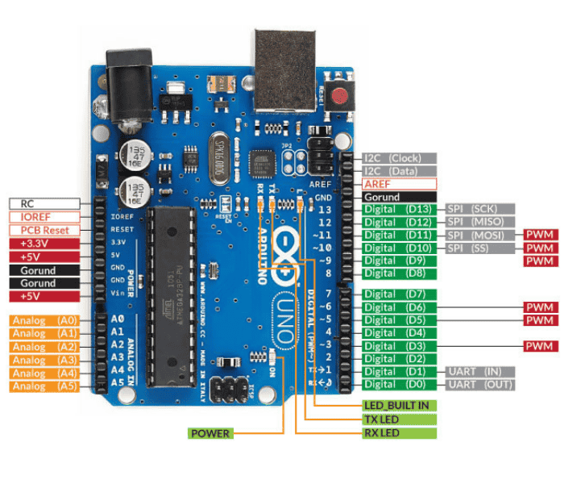
Arduino Uno
Digital | Description
D2 | ESP32
D4
D3 | Servo Motor
D5 | L298N #1 Enable
D6
D7 | L298N #1 Input
D8
D9
D10
D11 | PIR Sensor
D12 | Ultrasonic TRIG
D13 | Ultrasonic ECHO

Analog
A0-A4 | Line Sensors
A5

Power
5V | Sensors, Servo, Buzzer, ESP32
GND
3.3V

ESP32
D16 | Arduino Digital Pin 4
D17 | Arduino Digital Pin 2
D13 | Buzzer
D25 | L298N #2 Enable
D26 | L298N #2 Input
D27
GND

