Planning
ROCK CLIMBING APPLICATION

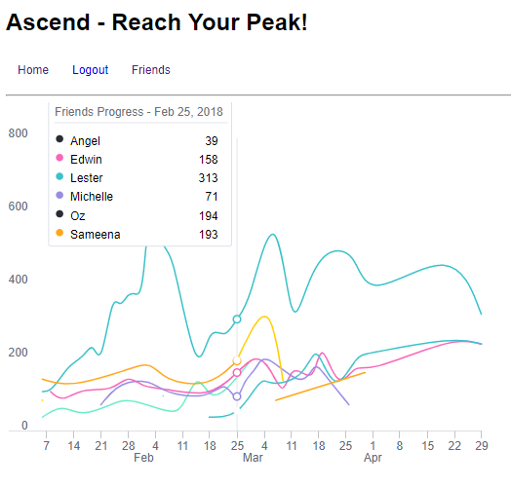
Route | ClimbSession | Location | User
Properties: | Properties: | Properties: | Properties
Difficulty | locationId(one-to-many) | Name | **Boilerplate Given**
Score | userId(one-to-many) | Address
DateTime | Date
ClimbSessionId (one-to-many)

Methods: | Methods: | Methods: | Methods:
getScore(difficulty) | getFullScores() | getMyScore(userId) | **Boilerplate Given**
 | getAverageScore() | getAllScores()
 | getTop3Scores()

Express Routes | Express Routes | Express Routes | Express Routes

 |  |  |  | MongoDB Integration
 |  |  |  | Legend Data
 |  |  |  | ClimbSession Card
 |  |  |  | Climb Card
 |  |  |  | CRUD Functionality

