Planning
ROCK CLIMBING APPLICATION

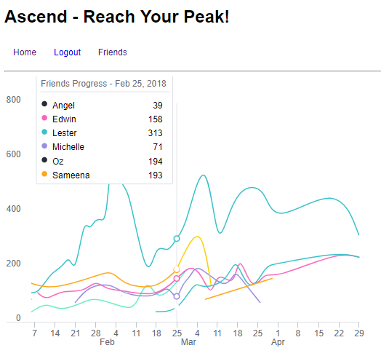
Route | ClimbSession | Location | User
Properties: | Properties: | Properties: | Properties
Difficulty | locationId(one-to-many) | Name | **Boilerplate Given**
Score | userId(one-to-many) | Address
DateTime | Date
ClimbSessionId (one-to-many)

Methods: | Methods: | Methods: | Methods:
getScore(difficulty) | getFullScores() | getMyScore(userId) | **Boilerplate Given**
 | getAverageScore() | getAllScores()
 | getTop3Scores()

Express Routes | Express Routes | Express Routes | Express Routes
 | get(/day/#dateId) – Day Climbs | get(/) - All Locations
 | get(/user/#userId) – User Climbs | get(/visited/byUser) – Visited Loc

