BEP MODE
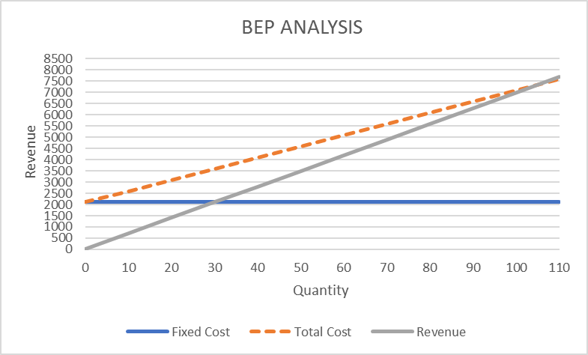
BEP (Qty) = Fixed Cost
Contribuition margin per Unit
BEP(Sales)= Fixed Cost
Contribuition %
 |  |  |  |  | BEP Accelerator
 |  |  |  |  | FC | VC | SP

 |  |  |  |  | 2000 | 30 | 70

BEP ANALYSIS

Qty | Fixed Cost | Variable | Total Cost | Revenue
0 | 2000 | 0 | 2000 | 0
10 | 2000 | 300 | 2300 | 700 |  |  | FC | 2000
20 | 2000 | 600 | 2600 | 1400 |  |  | VC/UNIT | 30
30 | 2000 | 900 | 2900 | 2100 |  |  | SP/UNIT | 70
40 | 2000 | 1200 | 3200 | 2800 |  |  | CM/UNIT | 40
50 | 2000 | 1500 | 3500 | 3500 |  |  | CM% | 57
60 | 2000 | 1800 | 3800 | 4200 |  |  | BEP(QTY) | 50
70 | 2000 | 2100 | 4100 | 4900 |  |  | BEP(SALES) | 3500
80 | 2000 | 2400 | 4400 | 5600
90 | 2000 | 2700 | 4700 | 6300
100 | 2000 | 3000 | 5000 | 7000
110 | 2000 | 3300 | 5300 | 7700

