Summary 22042025
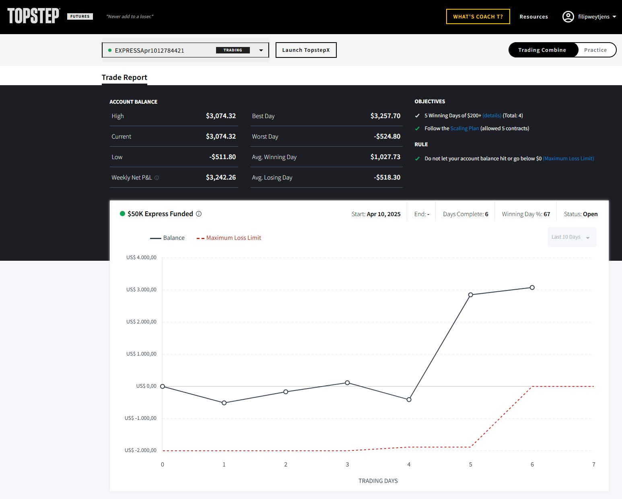
Payout | P-002 |  |  |  |  | Te ontvangen rekening
beschrijving | Payout request for Topstep |  |  |  |  | Begunstigde | Filip Weytjens
Datum | 2025-04-22

Payout | Acc Provider | Acc Number | Start Balance | PnL | Commission | Last Day Bal. | Payout Req. | Bal. Next Period
P-002 | Topstep | EXPRESSApr1012784421 | 0 | $3,523.50 | $-449.18 | $3,074.32 | $1,500.00 | $1,574.32
 |  |  |  |  |  |  | 49%

