Payout summary 10042025
Id,ContractName,EnteredAt,ExitedAt,EntryPrice,ExitPrice,Fees,PnL,Size,Type,TradeDay,TradeDuration
818900076,MNQM5,04/15/2025 12:48:06 +02:00,04/15/2025 12:48:22 +02:00,18950.750000000,18955.500000000,11.10000,-142.500000000,15,Short,04/15/2025 00:00:00 -05:00,00:00:16.0717090
818903159,MNQM5,04/15/2025 12:49:12 +02:00,04/15/2025 12:49:51 +02:00,18964.250000000,18964.000000000,11.10000,-7.500000000,15,Long,04/15/2025 00:00:00 -05:00,00:00:39.2152480
818905596,MNQM5,04/15/2025 12:49:58 +02:00,04/15/2025 12:51:12 +02:00,18961.750000000,18963.750000000,3.70000,-20.000000000,5,Short,04/15/2025 00:00:00 -05:00,00:01:14.2229450
818905822,MNQM5,04/15/2025 12:49:58 +02:00,04/15/2025 12:51:20 +02:00,18961.750000000,18967.250000000,3.70000,-55.000000000,5,Short,04/15/2025 00:00:00 -05:00,00:01:22.1539940
818905610,MNQM5,04/15/2025 12:49:58 +02:00,04/15/2025 12:51:12 +02:00,18961.750000000,18963.750000000,3.70000,-20.000000000,5,Short,04/15/2025 00:00:00 -05:00,00:01:14.4258800
818909397,MNQM5,04/15/2025 12:51:20 +02:00,04/15/2025 12:52:57 +02:00,18967.250000000,18974.250000000,3.70000,70.000000000,5,Long,04/15/2025 00:00:00 -05:00,00:01:36.9954980
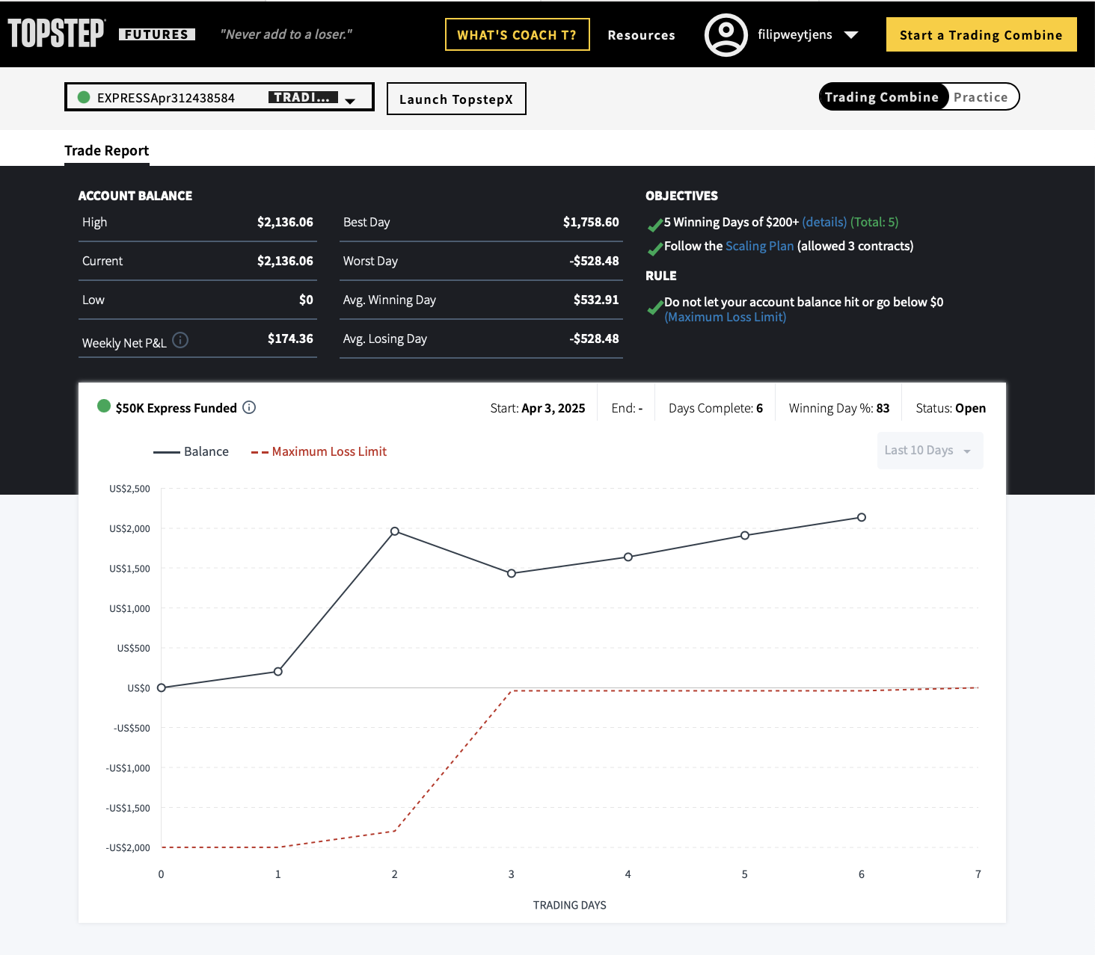
818909398,MNQM5,04/15/2025 12:51:29 +02:00,04/15/2025 12:52:57 +02:00,18968.500000000,18974.250000000,3.70000,57.500000000,5,Long,04/15/2025 00:00:00 -05:00,00:01:28.3075600
818909399,MNQM5,04/15/2025 12:51:29 +02:00,04/15/2025 12:52:57 +02:00,18967.500000000,18974.250000000,3.70000,67.500000000,5,Long,04/15/2025 00:00:00 -05:00,00:01:27.7922730
818909400,MNQM5,04/15/2025 12:51:40 +02:00,04/15/2025 12:52:57 +02:00,18968.500000000,18974.250000000,3.70000,57.500000000,5,Long,04/15/2025 00:00:00 -05:00,00:01:17.4620250
818910480,MNQM5,04/15/2025 12:53:02 +02:00,04/15/2025 12:53:28 +02:00,18973.750000000,18977.750000000,3.70000,-40.000000000,5,Short,04/15/2025 00:00:00 -05:00,00:00:25.6209130
818910481,MNQM5,04/15/2025 12:53:02 +02:00,04/15/2025 12:53:28 +02:00,18974.000000000,18977.750000000,3.70000,-37.500000000,5,Short,04/15/2025 00:00:00 -05:00,00:00:25.4348150
818910906,MNQM5,04/15/2025 12:53:32 +02:00,04/15/2025 12:53:35 +02:00,18977.250000000,18973.750000000,3.70000,-35.000000000,5,Long,04/15/2025 00:00:00 -05:00,00:00:03.3796980
818910907,MNQM5,04/15/2025 12:53:32 +02:00,04/15/2025 12:53:35 +02:00,18977.500000000,18973.750000000,3.70000,-37.500000000,5,Long,04/15/2025 00:00:00 -05:00,00:00:03.1949930
818918034,MNQM5,04/15/2025 12:54:08 +02:00,04/15/2025 12:59:08 +02:00,18972.500000000,18976.750000000,3.70000,-42.500000000,5,Short,04/15/2025 00:00:00 -05:00,00:04:59.9002750
818918035,MNQM5,04/15/2025 12:54:09 +02:00,04/15/2025 12:59:08 +02:00,18972.500000000,18976.750000000,3.70000,-42.500000000,5,Short,04/15/2025 00:00:00 -05:00,00:04:59.7641910
818918037,MNQM5,04/15/2025 12:54:11 +02:00,04/15/2025 12:59:08 +02:00,18972.250000000,18976.750000000,3.70000,-45.000000000,5,Short,04/15/2025 00:00:00 -05:00,00:04:57.7199980
818918038,MNQM5,04/15/2025 12:54:11 +02:00,04/15/2025 12:59:08 +02:00,18972.250000000,18976.750000000,3.70000,-45.000000000,5,Short,04/15/2025 00:00:00 -05:00,00:04:57.5367240
818924654,MNQM5,04/15/2025 12:59:17 +02:00,04/15/2025 13:01:09 +02:00,18976.500000000,18979.000000000,3.70000,25.000000000,5,Long,04/15/2025 00:00:00 -05:00,00:01:51.7981640
818924657,MNQM5,04/15/2025 12:59:17 +02:00,04/15/2025 13:01:09 +02:00,18976.750000000,18979.000000000,3.70000,22.500000000,5,Long,04/15/2025 00:00:00 -05:00,00:01:51.5963720
818924658,MNQM5,04/15/2025 12:59:20 +02:00,04/15/2025 13:01:09 +02:00,18978.250000000,18979.000000000,3.70000,7.500000000,5,Long,04/15/2025 00:00:00 -05:00,00:01:48.4745290
818924659,MNQM5,04/15/2025 12:59:21 +02:00,04/15/2025 13:01:09 +02:00,18978.250000000,18979.000000000,3.70000,7.500000000,5,Long,04/15/2025 00:00:00 -05:00,00:01:48.3146060
818925824,MNQM5,04/15/2025 13:01:15 +02:00,04/15/2025 13:01:23 +02:00,18976.750000000,18981.000000000,3.70000,-42.500000000,5,Short,04/15/2025 00:00:00 -05:00,00:00:07.6070210
818925825,MNQM5,04/15/2025 13:01:15 +02:00,04/15/2025 13:01:23 +02:00,18974.750000000,18981.000000000,3.70000,-62.500000000,5,Short,04/15/2025 00:00:00 -05:00,00:00:07.4218670
818925826,MNQM5,04/15/2025 13:01:19 +02:00,04/15/2025 13:01:23 +02:00,18978.250000000,18981.000000000,3.70000,-27.500000000,5,Short,04/15/2025 00:00:00 -05:00,00:00:03.9097160
818925827,MNQM5,04/15/2025 13:01:19 +02:00,04/15/2025 13:01:23 +02:00,18978.000000000,18981.000000000,3.70000,-30.000000000,5,Short,04/15/2025 00:00:00 -05:00,00:00:03.7251750
813041512,MNQM5,04/14/2025 10:00:29 +02:00,04/14/2025 10:00:37 +02:00,19162.500000000,19153.000000000,2.22000,-57.000000000,3,Long,04/14/2025 00:00:00 -05:00,00:00:08.3434040
813041513,MNQM5,04/14/2025 10:00:30 +02:00,04/14/2025 10:00:37 +02:00,19163.250000000,19153.000000000,2.22000,-61.500000000,3,Long,04/14/2025 00:00:00 -05:00,00:00:06.9535830
813047113,MNQM5,04/14/2025 10:01:14 +02:00,04/14/2025 10:03:10 +02:00,19152.750000000,19158.250000000,2.22000,33.000000000,3,Long,04/14/2025 00:00:00 -05:00,00:01:55.9083310
813047114,MNQM5,04/14/2025 10:01:18 +02:00,04/14/2025 10:03:10 +02:00,19153.000000000,19158.250000000,2.22000,31.500000000,3,Long,04/14/2025 00:00:00 -05:00,00:01:51.9770450
813047115,MNQM5,04/14/2025 10:01:28 +02:00,04/14/2025 10:03:10 +02:00,19148.250000000,19158.250000000,2.22000,60.000000000,3,Long,04/14/2025 00:00:00 -05:00,00:01:42.2474730
813047116,MNQM5,04/14/2025 10:01:28 +02:00,04/14/2025 10:03:10 +02:00,19149.750000000,19158.250000000,2.22000,51.000000000,3,Long,04/14/2025 00:00:00 -05:00,00:01:42.0645650
813047117,MNQM5,04/14/2025 10:02:25 +02:00,04/14/2025 10:03:10 +02:00,19144.000000000,19158.250000000,2.22000,85.500000000,3,Long,04/14/2025 00:00:00 -05:00,00:00:44.9975780
813047118,MNQM5,04/14/2025 10:02:25 +02:00,04/14/2025 10:03:10 +02:00,19144.000000000,19158.250000000,2.22000,85.500000000,3,Long,04/14/2025 00:00:00 -05:00,00:00:44.8030030
813049557,MNQM5,04/14/2025 10:03:14 +02:00,04/14/2025 10:03:59 +02:00,19162.750000000,19167.250000000,2.22000,27.000000000,3,Long,04/14/2025 00:00:00 -05:00,00:00:45.2460130
813049558,MNQM5,04/14/2025 10:03:14 +02:00,04/14/2025 10:03:59 +02:00,19163.000000000,19167.250000000,2.22000,25.500000000,3,Long,04/14/2025 00:00:00 -05:00,00:00:45.0786860
813049559,MNQM5,04/14/2025 10:03:21 +02:00,04/14/2025 10:03:59 +02:00,19164.500000000,19167.250000000,2.22000,16.500000000,3,Long,04/14/2025 00:00:00 -05:00,00:00:38.5991590
813049560,MNQM5,04/14/2025 10:03:21 +02:00,04/14/2025 10:03:59 +02:00,19165.250000000,19167.250000000,2.22000,12.000000000,3,Long,04/14/2025 00:00:00 -05:00,00:00:38.4487510
807546754,MNQM5,04/11/2025 10:36:27 +02:00,04/11/2025 10:36:44 +02:00,18335.250000000,18360.750000000,2.22000,-153.000000000,3,Short,04/11/2025 00:00:00 -05:00,00:00:17.4005690
807549993,MNQM5,04/11/2025 10:36:46 +02:00,04/11/2025 10:38:33 +02:00,18362.500000000,18384.750000000,2.22000,133.500000000,3,Long,04/11/2025 00:00:00 -05:00,00:01:47.1764030
807549994,MNQM5,04/11/2025 10:37:05 +02:00,04/11/2025 10:38:33 +02:00,18373.750000000,18384.750000000,2.22000,66.000000000,3,Long,04/11/2025 00:00:00 -05:00,00:01:28.6246110
807552036,MNQM5,04/11/2025 10:38:59 +02:00,04/11/2025 10:39:25 +02:00,18392.000000000,18383.500000000,2.22000,51.000000000,3,Short,04/11/2025 00:00:00 -05:00,00:00:26.1197660
807552753,MNQM5,04/11/2025 10:39:01 +02:00,04/11/2025 10:39:56 +02:00,18390.000000000,18378.500000000,2.22000,69.000000000,3,Short,04/11/2025 00:00:00 -05:00,00:00:54.8094240
807553368,MNQM5,04/11/2025 10:39:13 +02:00,04/11/2025 10:40:16 +02:00,18385.500000000,18369.250000000,2.22000,97.500000000,3,Short,04/11/2025 00:00:00 -05:00,00:01:03.5055540
807553369,MNQM5,04/11/2025 10:40:05 +02:00,04/11/2025 10:40:16 +02:00,18369.000000000,18369.250000000,2.22000,-1.500000000,3,Short,04/11/2025 00:00:00 -05:00,00:00:11.1245100
807555352,MNQM5,04/11/2025 10:40:26 +02:00,04/11/2025 10:41:01 +02:00,18354.750000000,18344.000000000,2.22000,64.500000000,3,Short,04/11/2025 00:00:00 -05:00,00:00:35.3126510
807555353,MNQM5,04/11/2025 10:40:29 +02:00,04/11/2025 10:41:01 +02:00,18354.000000000,18344.000000000,2.22000,60.000000000,3,Short,04/11/2025 00:00:00 -05:00,00:00:32.3081570
807556675,MNQM5,04/11/2025 10:41:18 +02:00,04/11/2025 10:41:35 +02:00,18329.500000000,18340.250000000,2.22000,-64.500000000,3,Short,04/11/2025 00:00:00 -05:00,00:00:17.0638580
807557795,MNQM5,04/11/2025 10:41:52 +02:00,04/11/2025 10:42:19 +02:00,18342.750000000,18346.750000000,2.22000,24.000000000,3,Long,04/11/2025 00:00:00 -05:00,00:00:26.9958530
807557796,MNQM5,04/11/2025 10:41:56 +02:00,04/11/2025 10:42:19 +02:00,18342.750000000,18346.750000000,2.22000,24.000000000,3,Long,04/11/2025 00:00:00 -05:00,00:00:22.5083240
830606204,MNQM5,04/17/2025 09:19:03 +02:00,04/17/2025 09:19:54 +02:00,18628.250000000,18622.750000000,3.70000,-55.000000000,5,Long,04/17/2025 00:00:00 -05:00,00:00:50.5207340
830610786,MNQM5,04/17/2025 09:20:12 +02:00,04/17/2025 09:22:14 +02:00,18616.750000000,18604.750000000,3.70000,120.000000000,5,Short,04/17/2025 00:00:00 -05:00,00:02:01.5255090
830610787,MNQM5,04/17/2025 09:20:14 +02:00,04/17/2025 09:22:14 +02:00,18617.250000000,18604.750000000,3.70000,125.000000000,5,Short,04/17/2025 00:00:00 -05:00,00:01:59.5647070
830610936,MNQM5,04/17/2025 09:22:17 +02:00,04/17/2025 09:22:21 +02:00,18605.750000000,18606.000000000,3.70000,2.500000000,5,Long,04/17/2025 00:00:00 -05:00,00:00:04.0734820
830610937,MNQM5,04/17/2025 09:22:17 +02:00,04/17/2025 09:22:21 +02:00,18605.750000000,18606.000000000,3.70000,2.500000000,5,Long,04/17/2025 00:00:00 -05:00,00:00:03.8681910
830611895,MNQM5,04/17/2025 09:22:51 +02:00,04/17/2025 09:23:10 +02:00,18609.500000000,18609.250000000,3.70000,2.500000000,5,Short,04/17/2025 00:00:00 -05:00,00:00:19.5303670
830613161,MNQM5,04/17/2025 09:23:36 +02:00,04/17/2025 09:24:01 +02:00,18611.750000000,18607.250000000,3.70000,-45.000000000,5,Long,04/17/2025 00:00:00 -05:00,00:00:24.3619360
830613639,MNQM5,04/17/2025 09:24:09 +02:00,04/17/2025 09:24:19 +02:00,18610.000000000,18605.750000000,3.70000,-42.500000000,5,Long,04/17/2025 00:00:00 -05:00,00:00:10.7405520
830614167,MNQM5,04/17/2025 09:24:23 +02:00,04/17/2025 09:24:45 +02:00,18606.250000000,18612.500000000,3.70000,-62.500000000,5,Short,04/17/2025 00:00:00 -05:00,00:00:22.2850980
830614168,MNQM5,04/17/2025 09:24:26 +02:00,04/17/2025 09:24:45 +02:00,18605.500000000,18612.500000000,3.70000,-70.000000000,5,Short,04/17/2025 00:00:00 -05:00,00:00:19.4525060
830617482,MNQM5,04/17/2025 09:25:05 +02:00,04/17/2025 09:26:39 +02:00,18615.500000000,18617.500000000,3.70000,20.000000000,5,Long,04/17/2025 00:00:00 -05:00,00:01:34.4263500
830617483,MNQM5,04/17/2025 09:25:07 +02:00,04/17/2025 09:26:39 +02:00,18614.250000000,18617.500000000,3.70000,32.500000000,5,Long,04/17/2025 00:00:00 -05:00,00:01:31.9173320
830620682,MNQM5,04/17/2025 09:27:39 +02:00,04/17/2025 09:29:08 +02:00,18619.500000000,18632.500000000,3.70000,130.000000000,5,Long,04/17/2025 00:00:00 -05:00,00:01:28.3127120
830620683,MNQM5,04/17/2025 09:27:47 +02:00,04/17/2025 09:29:08 +02:00,18617.000000000,18632.500000000,3.70000,155.000000000,5,Long,04/17/2025 00:00:00 -05:00,00:01:20.4828150
830621701,MNQM5,04/17/2025 09:29:12 +02:00,04/17/2025 09:29:24 +02:00,18641.750000000,18638.500000000,3.70000,-32.500000000,5,Long,04/17/2025 00:00:00 -05:00,00:00:12.0630880
802178945,MNQM5,04/10/2025 15:30:27 +02:00,04/10/2025 15:31:05 +02:00,18813.250000000,18821.250000000,2.22000,48.000000000,3,Long,04/10/2025 00:00:00 -05:00,00:00:37.5698280
802178946,MNQM5,04/10/2025 15:30:38 +02:00,04/10/2025 15:31:05 +02:00,18831.000000000,18821.250000000,2.22000,-58.500000000,3,Long,04/10/2025 00:00:00 -05:00,00:00:27.2094060
802186977,MNQM5,04/10/2025 15:31:09 +02:00,04/10/2025 15:31:26 +02:00,18800.500000000,18765.500000000,2.22000,210.000000000,3,Short,04/10/2025 00:00:00 -05:00,00:00:16.8877800
802188442,MNQM5,04/10/2025 15:31:29 +02:00,04/10/2025 15:31:31 +02:00,18771.750000000,18766.750000000,2.22000,30.000000000,3,Short,04/10/2025 00:00:00 -05:00,00:00:02.4435420
802221296,MNQM5,04/10/2025 15:33:05 +02:00,04/10/2025 15:33:14 +02:00,18803.500000000,18828.750000000,2.22000,-151.500000000,3,Short,04/10/2025 00:00:00 -05:00,00:00:09.1423950
802221297,MNQM5,04/10/2025 15:33:06 +02:00,04/10/2025 15:33:14 +02:00,18797.000000000,18828.750000000,2.22000,-190.500000000,3,Short,04/10/2025 00:00:00 -05:00,00:00:08.0075140
802229687,MNQM5,04/10/2025 15:33:19 +02:00,04/10/2025 15:33:58 +02:00,18823.500000000,18798.250000000,2.22000,151.500000000,3,Short,04/10/2025 00:00:00 -05:00,00:00:39.3786080
802229688,MNQM5,04/10/2025 15:33:19 +02:00,04/10/2025 15:33:58 +02:00,18823.750000000,18798.250000000,2.22000,153.000000000,3,Short,04/10/2025 00:00:00 -05:00,00:00:39.1979340
802229689,MNQM5,04/10/2025 15:33:22 +02:00,04/10/2025 15:33:58 +02:00,18811.250000000,18798.250000000,2.22000,78.000000000,3,Short,04/10/2025 00:00:00 -05:00,00:00:36.4704320
802243471,MNQM5,04/10/2025 15:34:17 +02:00,04/10/2025 15:34:37 +02:00,18860.000000000,18834.500000000,2.22000,-153.000000000,3,Long,04/10/2025 00:00:00 -05:00,00:00:20.3389580
802243472,MNQM5,04/10/2025 15:34:18 +02:00,04/10/2025 15:34:37 +02:00,18861.750000000,18834.500000000,2.22000,-163.500000000,3,Long,04/10/2025 00:00:00 -05:00,00:00:19.1864930
802247817,MNQM5,04/10/2025 15:34:50 +02:00,04/10/2025 15:34:54 +02:00,18836.500000000,18810.750000000,2.22000,-154.500000000,3,Long,04/10/2025 00:00:00 -05:00,00:00:04.3996980
802247819,MNQM5,04/10/2025 15:34:50 +02:00,04/10/2025 15:34:54 +02:00,18829.750000000,18810.750000000,2.22000,-114.000000000,3,Long,04/10/2025 00:00:00 -05:00,00:00:03.8819780
802250595,MNQM5,04/10/2025 15:35:02 +02:00,04/10/2025 15:35:04 +02:00,18841.750000000,18825.750000000,2.22000,-96.000000000,3,Long,04/10/2025 00:00:00 -05:00,00:00:01.5565740
802250596,MNQM5,04/10/2025 15:35:02 +02:00,04/10/2025 15:35:04 +02:00,18837.000000000,18825.750000000,2.22000,-67.500000000,3,Long,04/10/2025 00:00:00 -05:00,00:00:01.4021460
824843687,MNQM5,04/16/2025 10:26:12 +02:00,04/16/2025 10:27:14 +02:00,18552.750000000,18543.750000000,3.70000,-90.000000000,5,Long,04/16/2025 00:00:00 -05:00,00:01:02.1728860
824843688,MNQM5,04/16/2025 10:26:21 +02:00,04/16/2025 10:27:14 +02:00,18554.250000000,18543.750000000,3.70000,-105.000000000,5,Long,04/16/2025 00:00:00 -05:00,00:00:53.4260770
824843689,MNQM5,04/16/2025 10:27:08 +02:00,04/16/2025 10:27:14 +02:00,18550.500000000,18543.750000000,3.70000,-67.500000000,5,Long,04/16/2025 00:00:00 -05:00,00:00:06.3055020
824854087,MNQM5,04/16/2025 10:27:50 +02:00,04/16/2025 10:27:55 +02:00,18686.000000000,18708.750000000,3.70000,227.500000000,5,Long,04/16/2025 00:00:00 -05:00,00:00:04.8043440
824854088,MNQM5,04/16/2025 10:27:50 +02:00,04/16/2025 10:27:55 +02:00,18682.250000000,18708.750000000,3.70000,265.000000000,5,Long,04/16/2025 00:00:00 -05:00,00:00:04.6304630
824854089,MNQM5,04/16/2025 10:27:50 +02:00,04/16/2025 10:27:55 +02:00,18685.500000000,18708.750000000,3.70000,232.500000000,5,Long,04/16/2025 00:00:00 -05:00,00:00:04.5228650
824856423,MNQM5,04/16/2025 10:28:03 +02:00,04/16/2025 10:28:04 +02:00,18673.250000000,18690.250000000,3.70000,-170.000000000,5,Short,04/16/2025 00:00:00 -05:00,00:00:01.4800260
824856424,MNQM5,04/16/2025 10:28:03 +02:00,04/16/2025 10:28:04 +02:00,18680.000000000,18690.250000000,3.70000,-102.500000000,5,Short,04/16/2025 00:00:00 -05:00,00:00:01.3175750
824858008,MNQM5,04/16/2025 10:28:07 +02:00,04/16/2025 10:28:26 +02:00,18684.500000000,18685.250000000,3.70000,-7.500000000,5,Short,04/16/2025 00:00:00 -05:00,00:00:19.4789630
824860063,MNQM5,04/16/2025 10:28:53 +02:00,04/16/2025 10:28:56 +02:00,18686.750000000,18670.750000000,3.70000,-160.000000000,5,Long,04/16/2025 00:00:00 -05:00,00:00:02.3835440
824860064,MNQM5,04/16/2025 10:28:53 +02:00,04/16/2025 10:28:56 +02:00,18685.500000000,18670.750000000,3.70000,-147.500000000,5,Long,04/16/2025 00:00:00 -05:00,00:00:02.2054060
824851242,MNQM5,04/16/2025 10:27:31 +02:00,04/16/2025 10:27:45 +02:00,18599.000000000,18652.750000000,3.70000,537.500000000,5,Long,04/16/2025 00:00:00 -05:00,00:00:14.1270230
...

