Sheet1
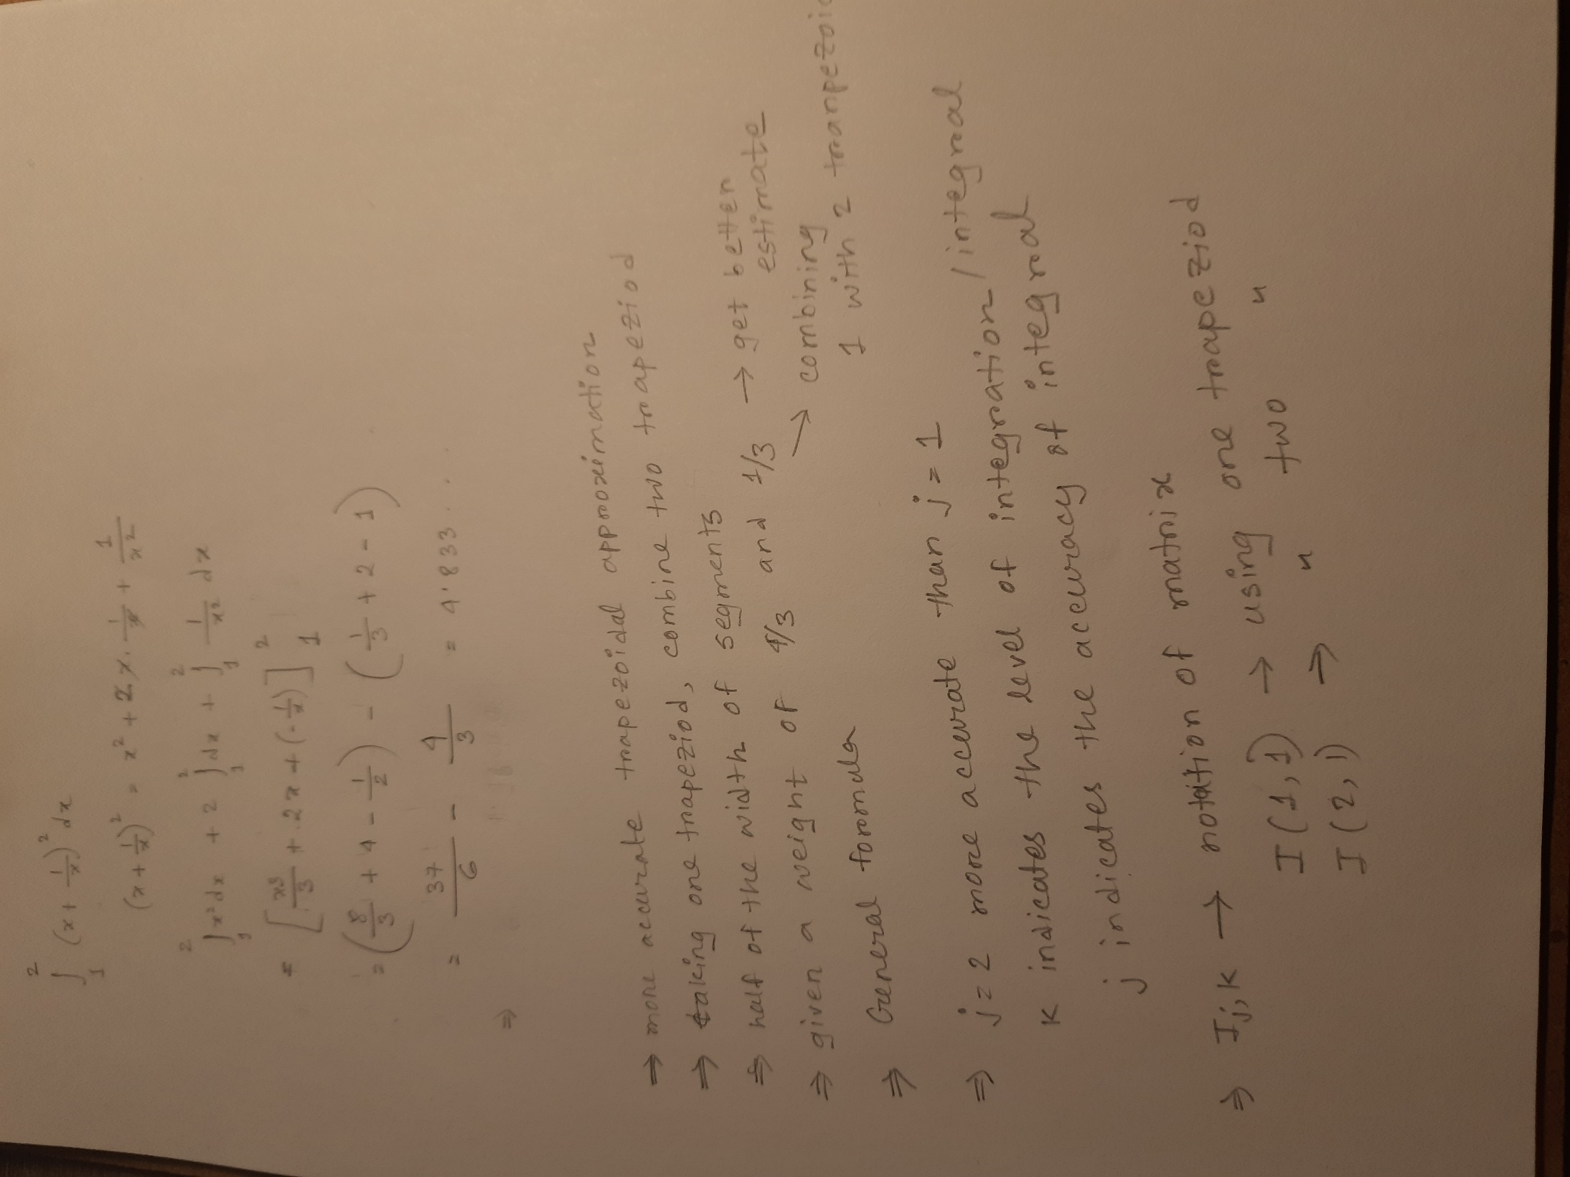
 |  | Numerical Integration -Romberg Integration
 |  | Learning Objectives:
 |  | Learn how to approximate the area under the (x+1/x)^2 currve between 1 & 2 using Romberg Integration
 |  | Develop a program to Approximate the area with approximate error 0.5% .

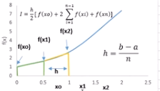
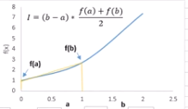
 | O(h2) | O(h4) | 0(h6) | O(h8)

 | I(1,1) | I(1,2) | I(1,3) | I(1,4)
j | I(2,1) | I(2,2) | I(2,3)
 | I(3,1) | I(3,2)
 | I(4,1)

 |  | k

 | I(j,k)
 | 5.125 | 4.837962963 | 4.8334701436 | 4.8333352559
 | 4.9097222222 | 4.8337509448 | 4.8333373635
 | 4.8527437642 | 4.8333632124
$I= \frac{4}{3} I_{2,1 }\left(h_{2}\right)−\frac{1}{3}I_{1,1}\left(h_{1}\right){ h}_{2}=\frac{h_{1}}{2}$
 | 4.8382083503

$$I_{j,k=\frac{4^{k−1}I_{j+1,k−1}−I_{j,k−1}}{4^{k−1}−1}}$$
 | #Application | es | et | I
 | 1 | 1.4832535885 | 0.10268907434 | 4.837962963
 | 2 | 0.0058095157522 | 0.0097277801159 | 4.8334701436
 | 3 | 4.3605915331E-05 | 0.0069368079442 | 4.8333352559

