Sheet1
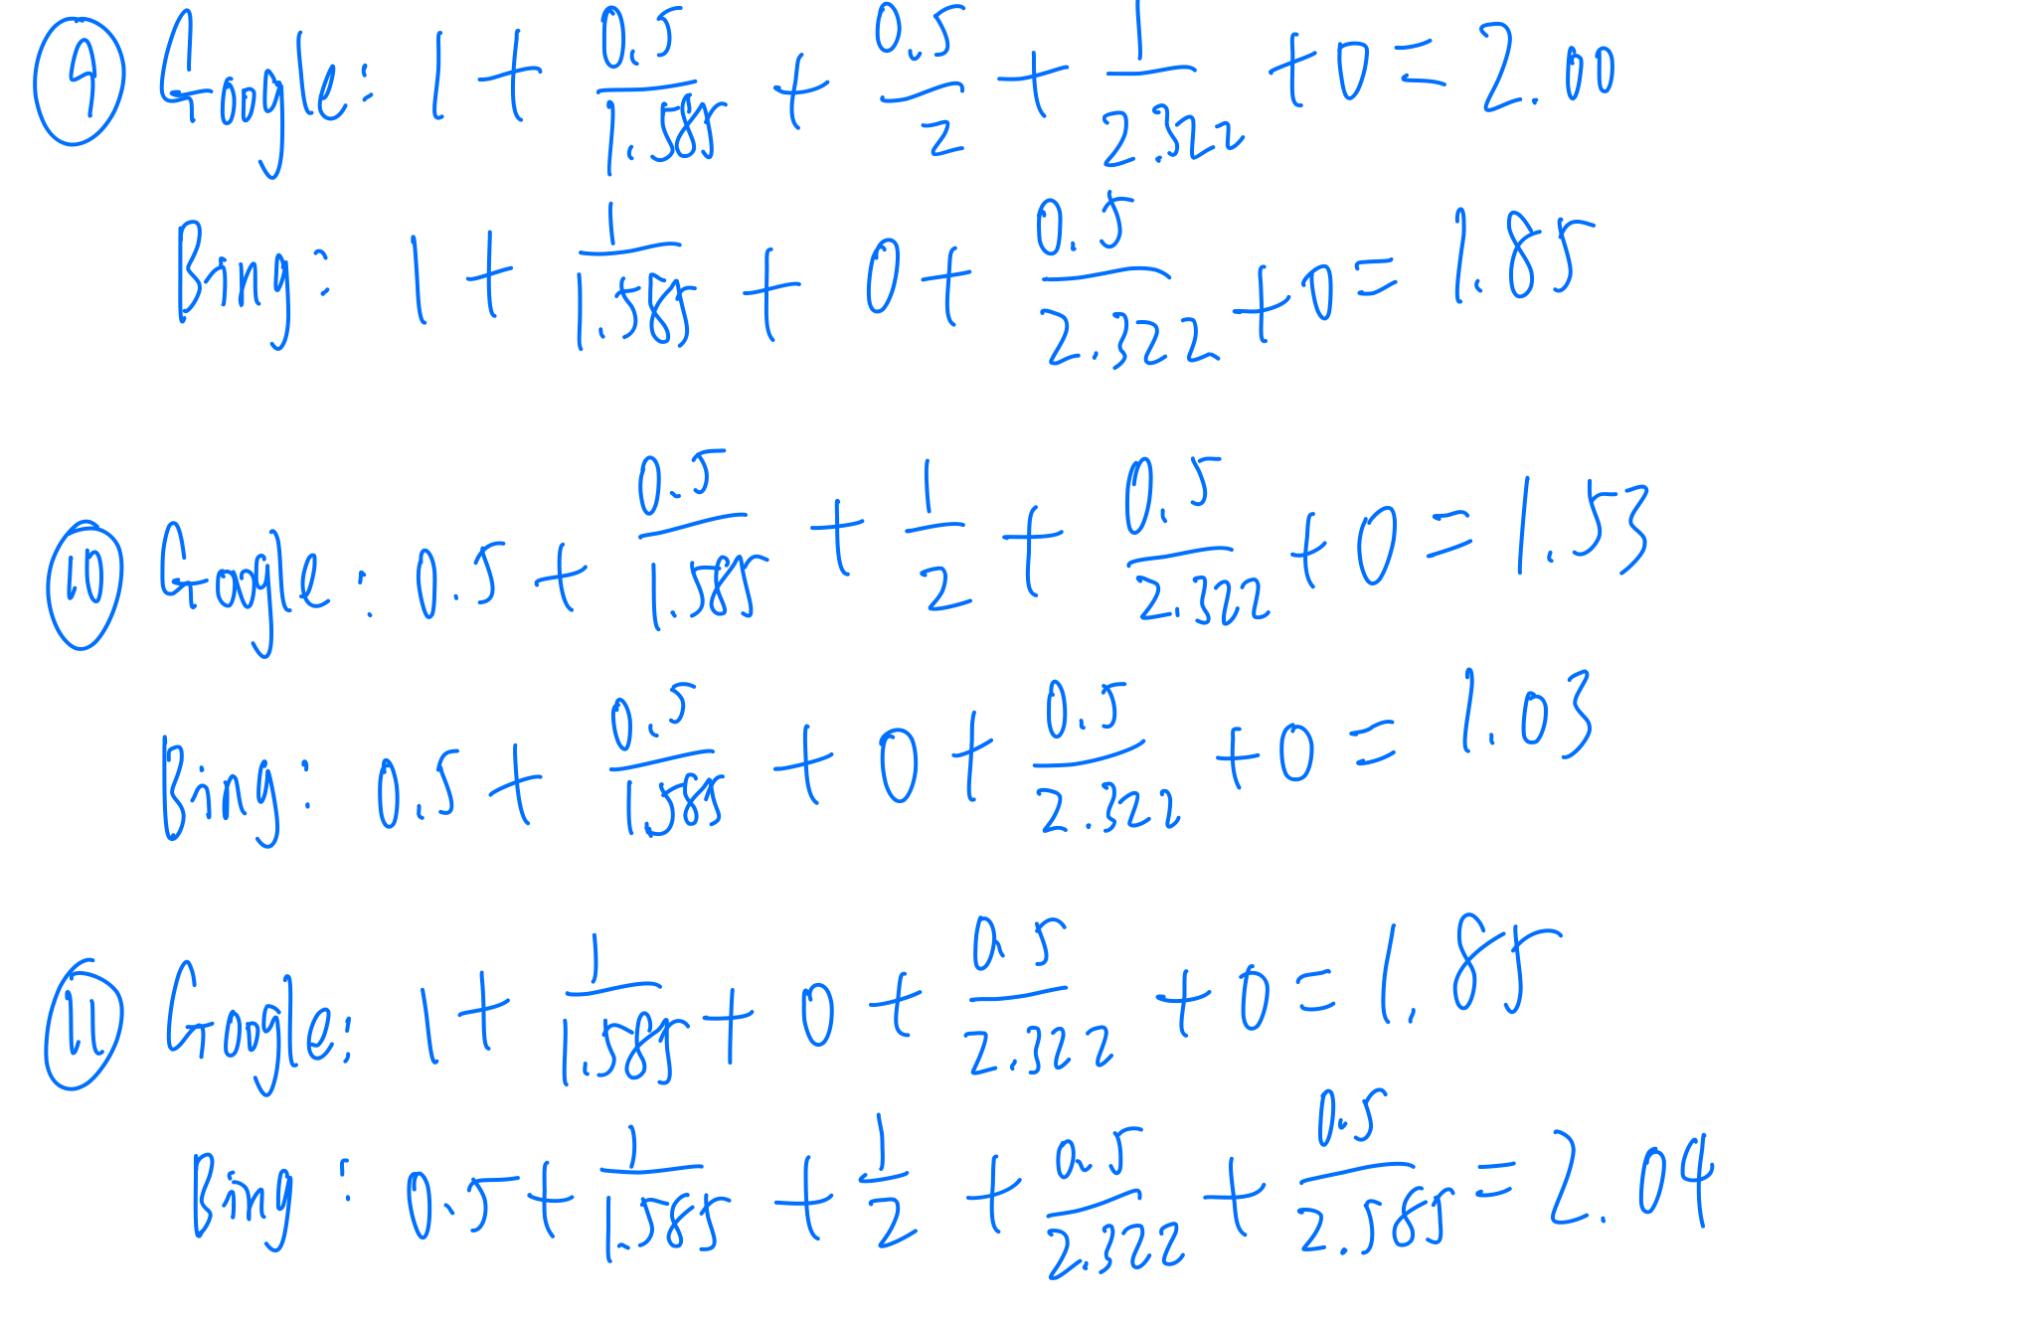
Jack H. Knott Price
Query 1 | QUERY 1 | Jack H. Knott Price
 |  | Google Results | Google Relevance Score | Bing Results | Bing Relvance Score
 | Result 1. | https://sci.usc.edu/personnel/jack-h-knott/ | 1 | https://priceschool.usc.edu/people/jack-h-knott/ | 1
 | Result 2. | https://socialinnovation.usc.edu/staff/jack-h-knott-co-chair/ | 1 | https://priceschool.usc.edu/about/about-the-dean/ | 1
 | Result 3. | https://uscpriceonline.usc.edu/experience/leadership-faculty/profile/jack-knott/ | 1 | https://about.usc.edu/deans/jack-h-knott/ | 1
 | Result 4. | https://healthpolicy.usc.edu/author/jack-h-knott-ph-d/ | 1 | http://www.g20-insights.org/authors/jack-h-knott/ | 0.5
 | Result 5. | https://www.pdx.edu/board/sites/www.pdx.edu.board/files/CANDIDATE%20A.%20J.H.K.pdf | 0.5 | https://healthpolicy.usc.edu/author/jack-h-knott-ph-d/ | 1
 |  | Justification: - For all personal websites of Professor of Jack H. Knott with "usc.edu" extension, I give 1 point as requirements - For his Resume on a third party website, I give 0.5 points because it only has full imformation about the professor, but not the website with "usc.edu" extension

Tridib Banerjee Price
 | QUERY 2 | Tridib Banerjee Price
 |  | Google Results | Google Relevance Score | Bing Results | Bing Relvance Score
 | Result 1. | http://www.ratemyprofessors.com/ShowRatings.jsp?tid=1348350 | 0.25 | https://priceschool.usc.edu/people/tridib-banerjee/ | 1
 | Result 2. | https://profiles.sc-ctsi.org/tridib.banerjee | 1 | https://knowlton.osu.edu/event/tridib-banerjee-university-southern-california-price-school-public-policy | 0.25
 | Result 3. | https://socialinnovation.usc.edu/staff/tridib-banerjee/ | 1 | https://www.researchgate.net/profile/Tridib_Banerjee2 | 0.25
 | Result 4. | https://www.facebook.com/uscprice/photos/a.173066522728027/1065181483516522/?type=1&theater | 0.5 | https://socialinnovation.usc.edu/staff/tridib-banerjee/ | 1
 | Result 5. | https://www.facebook.com/uscprice/posts/mpl-students-in-prof-tridib/900902353277770/ | 0.5 | https://www.amazon.com/Companion-Design-Routledge-Companions-Hardcover/dp/0415553644 | 0
 |  | Justification: - For facebook page, I give 0.5 points as requirements

Terry L. Cooper Price
 | QUERY 3 | Terry L. Cooper Price
 |  | Google Results | Google Relevance Score | Bing Results | Bing Relvance Score
 | Result 1. | https://pressroom.usc.edu/terry-l-cooper/ | 1 | https://priceschool.usc.edu/people/terry-l-cooper/ | 1
 | Result 2. | https://socialinnovation.usc.edu/staff/terry-cooper/ | 1 | https://bedrosian.usc.edu/faculty/terry-l-cooper/ | 1
 | Result 3. | https://bedrosian.usc.edu/faculty/terry-l-cooper/ | 1 | https://www.youtube.com/watch?v=4TZw3vLUrO4 | 0.5
 | Result 4. | http://www.ratemyprofessors.com/ShowRatings.jsp?tid=1070324 | 0.25 | https://www.researchgate.net/profile/Terry_Cooper3 | 0.25
 | Result 5. | https://www.researchgate.net/profile/Terry_Cooper3 | 0.25 | https://socialinnovation.usc.edu/staff/terry-cooper/ | 1
 |  | Justification: - For the website of researchgate, I give 0.25 points because it only has a little bio and background information about professor

Health Policy and Management Price
 | QUERY 4 | Health Policy and Management Price
 |  | Google Results | Google Relevance Score | Bing Results | Bing Relvance Score
 | Result 1. | https://priceschool.usc.edu/questions/health-policy/ | 1 | https://www.capella.edu/lp/healthcare/?revkey=145594&dfaid=1&cid=e0ce9737-f9ea-489b-bc40-6c0f55e186d1&utm_source=bing&utm_medium=cpc&utm_campaign=Health%20Care&utm_term=%2Bhealth%20%2Bpolicy%20%2Band%20%2Bmanagement&utm_content=Health%20Management%20&%20Policy%20-%20General%20(Broad)&matchtype=Broad&ksprofile=Program&msclkid=47c9ceaab11911c7f88d9524aeb953d0 | 0
 | Result 2. | https://healthpolicy.usc.edu/degree-programs/ | 0.5 | https://www.affordable-health-insurance-plans.org/?as=r1u1lgmu31zqutkv3vpgyw4i&wsc=51&adv=16&heading=New%20Health%20Plans%20%26%20Prices%20%28Compare%20From%20%249%20Week%29&tk=TVNOLGJpbmcgLSBoZWFsdGgsYmluZyAtIGhlYWx0aCAtIEFISVAsYWZmb3JkYWJsZSBoZWFsdGggaW5zdXJhbmNlLGFmZm9yZGFibGUgaGVhbHRoIGluc3VyYW5jZQ%3D%3D&msclkid=7df744dc36b11b1cd8861f52291dcc4f | 0
 | Result 3. | https://www.usnews.com/best-graduate-schools/top-public-affairs-schools/health-management-rankings | 0.25 | https://priceschool.usc.edu/programs/undergraduate/health-management-policy/ | 1
 | Result 4. | https://www.exechpm.ucla.edu/ | 0 | https://www.usnews.com/best-graduate-schools/top-public-affairs-schools/health-management-rankings | 0.25
 | Result 5. | https://www.payscale.com/research/US/Degree=Master_of_Public_Health_(MPH)%2C_Health_Policy_%26_Management/Salary | 0 | https://www.publichealth.pitt.edu/hpm/_rdr | 0
 |  | Justification: - For the usnews website, I give 0.25 points because even if it only has a little information about the school department, it still has some relevance that we want.

Policy Analysis and Real Estate Price
 | QUERY 5 | Policy Analysis and Real Estate Price
 |  | Google Results | Google Relevance Score | Bing Results | Bing Relvance Score
 | Result 1. | https://www.tandfonline.com/doi/full/10.1080/21681376.2017.1360790 | 0 | https://www.investopedia.com/articles/mortgages-real-estate/11/valuing-real-estate.asp | 0
 | Result 2. | file:///Users/weifei/Downloads/MonetaryPolicyAndTheHousingMarket_preview.pdf | 0 | https://www.researchgate.net/publication/228389661_Monetary_Policy_and_Real_Estate_Prices_A_Disaggregated_Analysis_for_Switzerland | 0
 | Result 3. | http://people.bu.edu/miaoj/BubblePolicy.pdf | 0 | https://seekingalpha.com/article/4060386-u-s-real-estate-market-trends-characteristics-outlook | 0
 | Result 4. | https://www.springer.com/us/book/9780792393443 | 0 | https://www.trulia.com/real_estate/Los_Angeles-California/ | 0
 | Result 5. | https://www.researchgate.net/publication/228389661_Monetary_Policy_and_Real_Estate_Prices_A_Disaggregated_Analysis_for_Switzerland | 0 | https://realestate.insureon.com/resources/cost | 0
 |  | Justification: - Both of search engines might misunderstand the query when I put "Price" and "Real Estate" together. The results returns some information about real estate market, but not the usc department we want.

Urban Planning and Spatial Analysis Price
 | QUERY 6 | Urban Planning and Spatial Analysis Price
 |  | Google Results | Google Relevance Score | Bing Results | Bing Relvance Score
 | Result 1. | https://uscpriceonline.usc.edu/urban-planning/ | 1 | https://priceschool.usc.edu/urban-planning/ | 1
 | Result 2. | https://news.usc.edu/76737/usc-price-launches-spatial-analysis-lab-for-teaching-research/ | 0.25 | https://uscpriceonline.usc.edu/urban-planning/ | 1
 | Result 3. | https://www.planetizen.com/schools/usc-mp | 0.25 | http://urbanspatialanalysis.com/ | 0
 | Result 4. | https://www.researchgate.net/publication/287973977_A_GIS-based_spatial_analysis_of_housing_price_and_road_density_in_proximity_to_urban_lakes_in_Wuhan_City_China | 0 | http://urbanspatialanalysis.com/teaching/ | 0
 | Result 5. | https://link.springer.com/article/10.1007/s11769-015-0788-4 | 0 | https://news.usc.edu/76737/usc-price-launches-spatial-analysis-lab-for-teaching-research/ | 0.25
 |  | Justification: - There is a news that contains a little bit introduction about this department, so I only give 0.25 points to this link.

Price USC map
 | QUERY 7 | Price USC map
 |  | Google Results | Google Relevance Score | Bing Results | Bing Relvance Score
 | Result 1. | https://housing.usc.edu/index.php/interactive-map/ | 0 | https://web-app.usc.edu/maps/ | 0
 | Result 2. | https://web-app.usc.edu/maps/map.pdf | 0 | https://priceschool.usc.edu/naut/info/getting/directions/ | 1
 | Result 3. | https://web-app.usc.edu/maps/ | 0 | https://www.bing.com/images/search?q=price+usc+map&qpvt=Price+USC+map&FORM=IGRE | 0
 | Result 4. | https://visit.usc.edu/maps-directions/university-park-campus/public-parking/ | 0 | https://visit.usc.edu/maps-directions/ | 0
 | Result 5. | https://housing.usc.edu/index.php/buildings/cardinal-gardens/ | 0 | https://priceschool.usc.edu/ | 0
 |  | Justification: - As instructor's answer on Piazza, if the map does not provide directions to the school, but just displays the USC map, we may not assign any relevance. So I give all links 0 points except one from Bing's search results that give us the detailed directions.

Sol Price USC
 | QUERY 8 | Sol Price USC
 |  | Google Results | Google Relevance Score | Bing Results | Bing Relvance Score
 | Result 1. | http://departmentsdirectory.usc.edu/price.html | 0 | https://en.wikipedia.org/wiki/USC_Sol_Price_School_of_Public_Policy | 0.5
 | Result 2. | https://priceonline.usc.edu/auth/shibboleth/login.php | 0 | https://priceschool.usc.edu/ | 0
 | Result 3. | https://priceschool.usc.edu/research/ | 0 | https://socialinnovation.usc.edu/ | 0
 | Result 4. | https://socialinnovation.usc.edu/ | 0 | https://www.facebook.com/pg/uscprice/posts/ | 0
 | Result 5. | https://en.wikipedia.org/wiki/USC_Sol_Price_School_of_Public_Policy | 0.5 | https://priceonline.usc.edu/auth/shibboleth/login.php | 0
 |  | Justification: - Only the wikipedia give us some information about the founder and school history. But all of other eight links only give us the school information without any information about founders and school history

USC Urban Studies and Planning undergraduate degree requirements
 | QUERY 9 | USC Urban Studies and Planning undergraduate degree requirements
 |  | Google Results | Google Relevance Score | Bing Results | Bing Relvance Score
 | Result 1. | http://catalogue.usc.edu/preview_program.php?catoid=6&poid=6073 | 1 | https://priceschool.usc.edu/programs/undergraduate/bs-urban-studies-planning/curriculum/ | 1
 | Result 2. | https://priceschool.usc.edu/programs/undergraduate/bs-urban-studies-planning/usp-research-opportunities/ | 0.5 | http://catalogue.usc.edu/preview_program.php?catoid=7&poid=7024&returnto=2081 | 1
 | Result 3. | https://priceschool.usc.edu/programs/undergraduate/bs-ppd/ | 0.5 | https://undergrad.usc.edu/programs/major/list/socialsciences/ | 0
 | Result 4. | http://catalogue.usc.edu/preview_program.php?catoid=2&poid=1710&returnto=307 | 1 | https://priceschool.usc.edu/urban-planning/ | 0.5
 | Result 5. | http://catalogue.usc.edu/preview_program.php?catoid=6&poid=6072 | 0 | https://www.google.com/maps/@34.0503291,-118.2779552,14.96z | 0
 |  | Justification: - As the requirements, I give 1 point for those links that have degree requirements or course curriculum, and 0.5 points for those link that contains another link to these information's pages.

USC Urban Planning Masters degree requirements
 | QUERY 10 | USC Urban Planning Masters degree requirements
 |  | Google Results | Google Relevance Score | Bing Results | Bing Relvance Score
 | Result 1. | http://catalogue.usc.edu/preview_program.php?catoid=6&poid=6073 | 0.5 | https://priceschool.usc.edu/programs/masters/mpl/ | 0.5
 | Result 2. | http://catalogue.usc.edu/preview_program.php?catoid=7&poid=6964&returnto=1605 | 0.5 | https://priceschool.usc.edu/urban-planning/ | 0.5
 | Result 3. | https://priceschool.usc.edu/programs/masters/dual/mpl-mpas/ | 1 | https://online.usc.edu/programs/master-of-urban-planning/ | 0
 | Result 4. | https://priceschool.usc.edu/programs/masters/mpl/admission/faq/ | 0.5 | http://catalogue.usc.edu/preview_program.php?catoid=2&poid=1755&returnto=307 | 0.5
 | Result 5. | https://uscpriceonline.usc.edu/urban-planning/ | 0 | http://catalogue.usc.edu/content.php?catoid=2&navoid=307 | 0
 |  | Justification: - Standard is similar to query 9

USC Urban Planning and Development Ph.D. degree requirements
 | QUERY 11 | USC Urban Planning and Development Ph.D. degree requirements
 |  | Google Results | Google Relevance Score | Bing Results | Bing Relvance Score
 | Result 1. | http://catalogue.usc.edu/preview_program.php?catoid=7&poid=6964&returnto=1605 | 1 | https://priceschool.usc.edu/urban-planning/ | 0.5
 | Result 2. | https://priceschool.usc.edu/programs/phd/upd/curriculum/ | 1 | http://catalogue.usc.edu/preview_program.php?catoid=2&poid=1755&returnto=307 | 1
 | Result 3. | http://catalogue.usc.edu/preview_program.php?catoid=2&poid=974&returnto=273 | 0 | https://catalogue2014.usc.edu/schools/price/doctoral/ppd/ | 1
 | Result 4. | https://rossier.usc.edu/programs/doctoral/urban-ed-policy/ | 0.5 | https://priceschool.usc.edu/programs/phd/admission/ | 0.5
 | Result 5. | https://dornsife.usc.edu/interdisciplinary-phd-programs-and-masters-programs/ | 0 | http://catalogue.usc.edu/content.php?catoid=2&navoid=307 | 0.5
 |  | Justification: - Standard is similar to query 9 and query 10

USC Price Internship Opportunities
 | QUERY 12 | USC Price Internship Opportunities
 |  | Google Results | Google Relevance Score | Bing Results | Bing Relvance Score
 | Result 1. | https://priceschool.usc.edu/programs/masters/mpl/curriculum/internships/ | 1 | https://careers.usc.edu/students/find-a-job/learn-about-internships/ | 0.5
 | Result 2. | https://priceschool.usc.edu/programs/undergraduate/bs-public-policy/pp-internships/ | 1 | https://priceschool.usc.edu/careers/internship-job-search/ | 1
 | Result 3. | https://priceschool.usc.edu/initiatives/international/international-internships/ | 1 | https://priceschool.usc.edu/careers/internships/ | 0.5
 | Result 4. | https://priceschool.usc.edu/careers/ | 0.5 | https://ignite.usc.edu/project/4306 | 0
 | Result 5. | https://priceschool.usc.edu/careers/students/ | 0 | https://dornsife.usc.edu/internships/ | 0
 |  | Justification: - As the requirements, all of five links from Google's results are completely different with Bing's results.

Overlanpping
 | Overlapping
 | Query# | Overlapping
 | 1 | 1
 | 2 | 1
 | 3 | 3
 | 4 | 1
 | 5 | 1
 | 6 | 2
 | 7 | 0
 | 8 | 3
 | 9 | 1
 | 10 | 0
 | 11 | 1

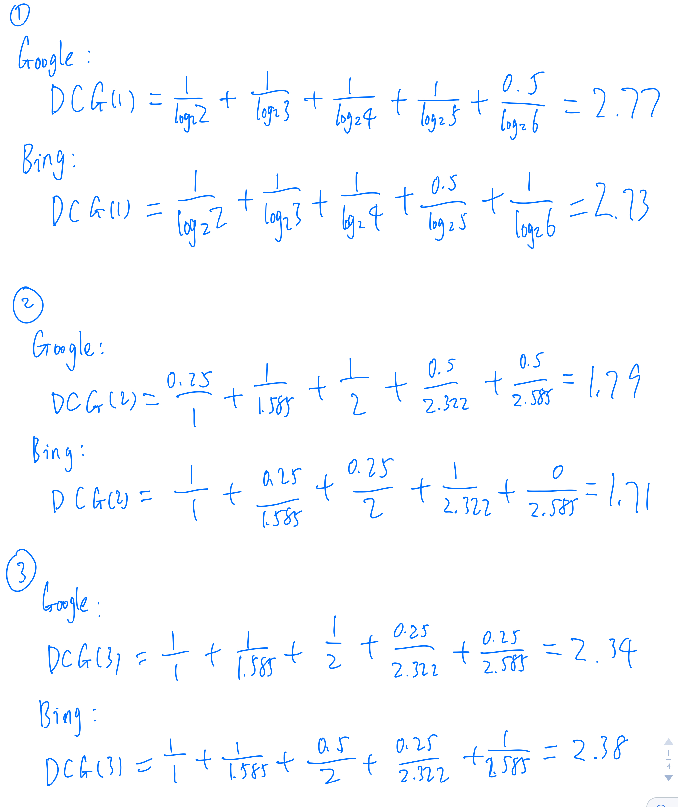
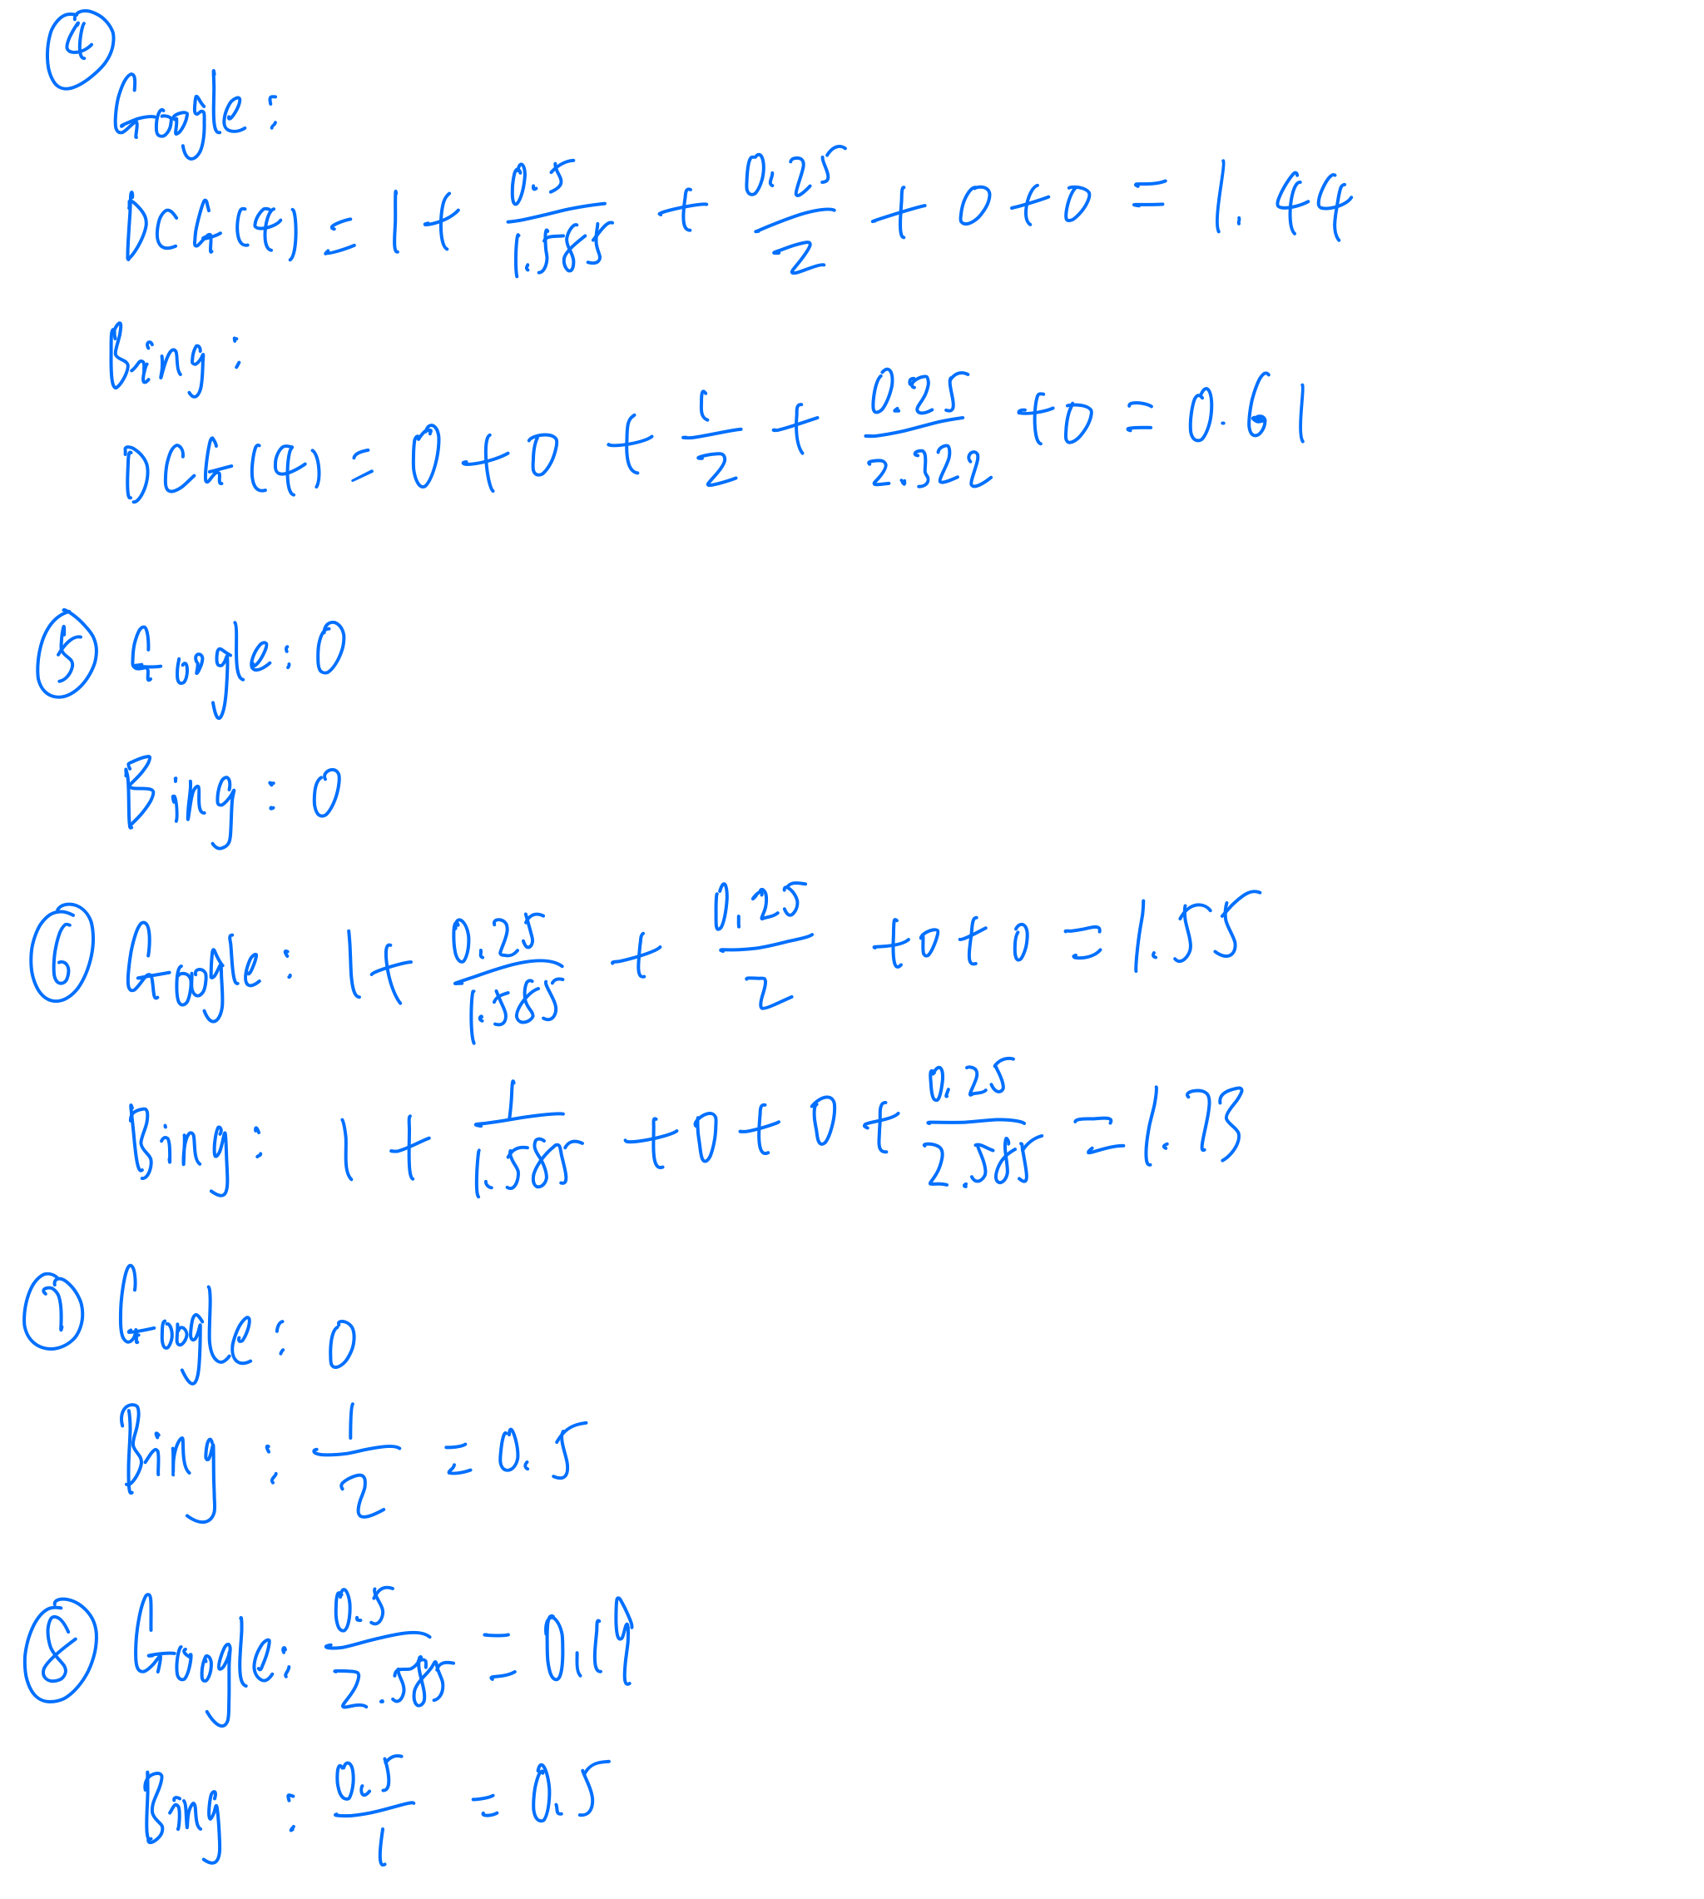
 | DCG | Google | Bing
 | Query 1 | 2.77 | 2.73
 | Query 2 | 1.79 | 1.71
 | Query 3 | 2.34 | 2.38
 | Query 4 | 1.44 | 0.61
 | Query 5 | 0 | 0
 | Query 6 | 1.55 | 1.73
 | Query 7 | 0 | 0.5
 | Query 8 | 0.19 | 0.5
 | Query 9 | 2 | 1.85
 | Query 10 | 1.53 | 1.03
 | Query 11 | 1.85 | 2.04
 | Final | 15.46 | 15.08

 | Conclusion | By data analysis and of these queries and DCG value of two Search Engine, we can conclude that Google Search Engine performs better than Bing Search Engine.

