Summary
Slice | Count | Total Area | Average Size | %Area | Perim. | Circ. | Solidity | Feret | FeretX | FeretY | FeretAngle | MinFeret
Image_14104__2 hour mark_with scale bar-1.tif (red)_after filling in ice crystals-1_after threshold adjustment.tif | 800 | 38720.591 | 48.401 | 35.14 | 26.712 | 0.769 | 0.884 | 9.787 | 397.445 | 400.246 | 88.638 | 6.366

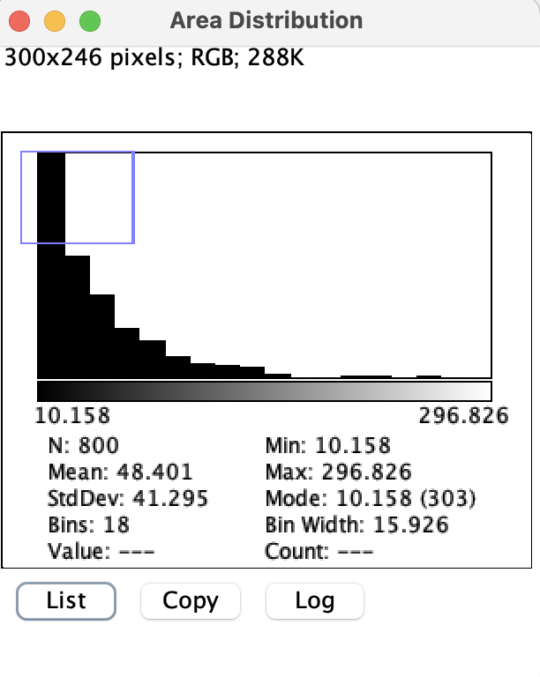
index | bin start | count
0 | 10.158 | 303
1 | 26.084 | 164
2 | 42.01 | 113
3 | 57.936 | 67
4 | 73.862 | 52
5 | 89.788 | 29
6 | 105.714 | 19
7 | 121.64 | 18
8 | 137.566 | 15
9 | 153.492 | 6
10 | 169.418 | 2
11 | 185.344 | 1
12 | 201.27 | 3
13 | 217.196 | 3
14 | 233.122 | 0
15 | 249.048 | 3
16 | 264.974 | 1
17 | 280.9 | 1

