Summary
Slice | Count | Total Area | Average Size | %Area | Perim. | Circ. | Solidity | Feret | FeretX | FeretY | FeretAngle | MinFeret
Image_14462-1.jpg (red)_after_adjusting_threshold-1.tif | 896 | 41299.393 | 46.093 | 37.48 | 28.678 | 0.647 | 0.832 | 10.112 | 389.285 | 405.72 | 103.209 | 6.367

 | Area
index | bin start | count
0 | 10.158 | 356
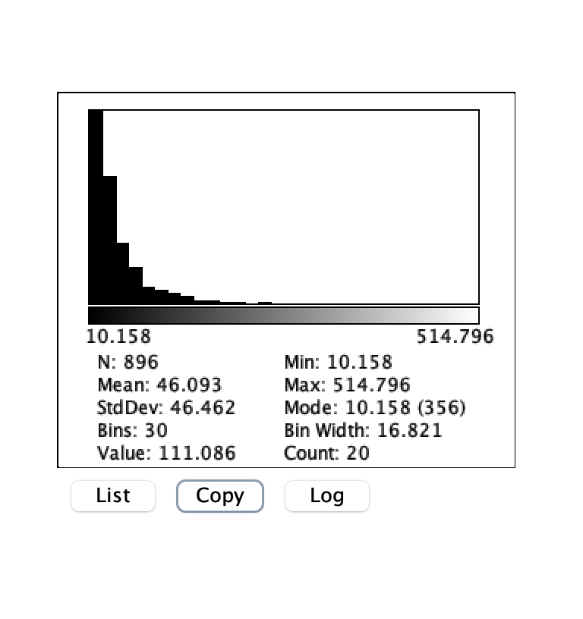
1 | 26.979 | 235
2 | 43.801 | 114
3 | 60.622 | 67
4 | 77.443 | 33
5 | 94.265 | 27
6 | 111.086 | 20
7 | 127.907 | 14
8 | 144.728 | 6
9 | 161.55 | 7
10 | 178.371 | 3
11 | 195.192 | 4
12 | 212.013 | 0
13 | 228.835 | 3
14 | 245.656 | 1
15 | 262.477 | 1
16 | 279.298 | 2
17 | 296.12 | 0
18 | 312.941 | 0
19 | 329.762 | 0
20 | 346.583 | 0
21 | 363.405 | 0
22 | 380.226 | 1
23 | 397.047 | 0
24 | 413.869 | 0
25 | 430.69 | 0
26 | 447.511 | 0
27 | 464.332 | 0
28 | 481.154 | 1
29 | 497.975 | 1

