Tv
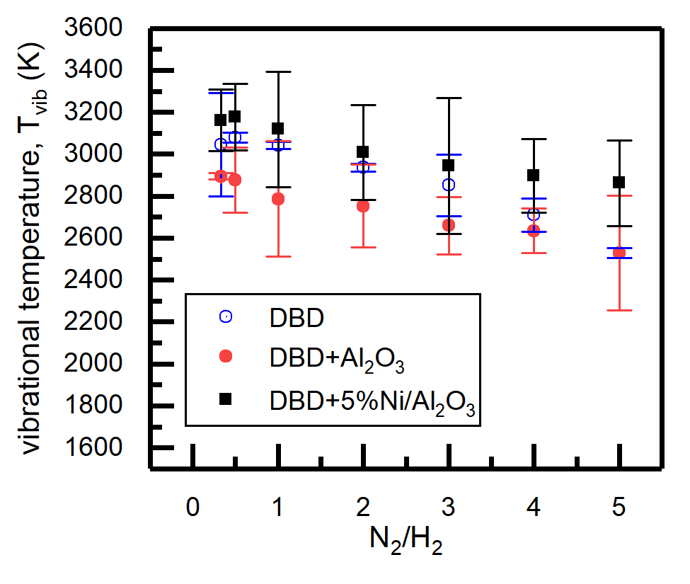
N2/H2 | DBD | EDBD | Al2O3 | EAl2O3 | Ni-Al2O3 | ENi-Al2O3
0.33333 | 3046.33333 | 246.79639 | 2895 | 16.4178 | 3161 | 147.47072
0.5 | 3079.33333 | 24.38665 | 2878 | 155.17503 | 3177.5 | 159.04114
1 | 3042 | 15.61645 | 2786.33333 | 275.94225 | 3118.75 | 275.23719
2 | 2936 | 18.61604 | 2752 | 197.30661 | 3008 | 225.40898
3 | 2851.33333 | 145.89532 | 2659.33333 | 135.63727 | 2945.75 | 324.12364
4 | 2710.66667 | 79.3325 | 2634.66667 | 106.29896 | 2896 | 175.80248
5 | 2529 | 25.07861 | 2528.33333 | 273.63007 | 2861.75 | 204.23626

Fitted spectra
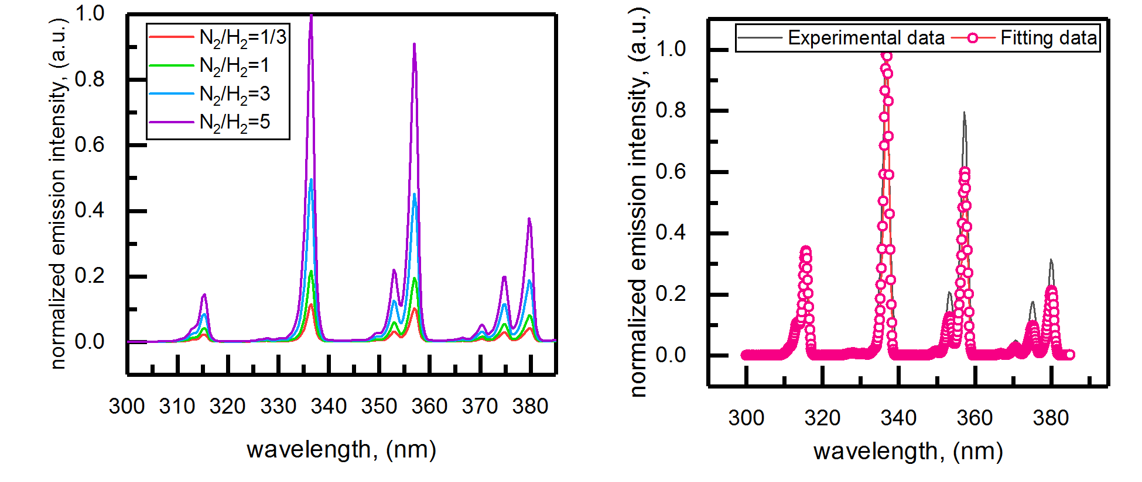
wavelength, (nm) | Experimental data | wavelength, (nm) | Fitting data
300.54 | 9.82E-04 | 300 | 4.70E-06
300.91 | 0.00106 | 300.13347 | 1.72E-06
301.28 | 0.00131 | 300.26694 | 5.83E-07
301.64 | 0.0013 | 300.4004 | 1.83E-07
302.01 | 0.00153 | 300.53387 | 3.04E-08
302.38 | 0.00169 | 300.69343 | 5.44E-10
302.75 | 0.00168 | 300.8021 | -4.64E-10
303.12 | 0.00175 | 300.94927 | -7.07E-10
303.48 | 0.00163 | 301.07484 | -7.43E-10
303.85 | 0.0015 | 301.27858 | -7.57E-10
304.22 | 0.00165 | 301.35657 | -7.61E-10
304.59 | 0.0016 | 301.51213 | -7.59E-10
304.95 | 0.00163 | 301.69408 | -7.97E-10
305.32 | 0.00173 | 301.86724 | -7.54E-10
305.69 | 0.00171 | 301.97101 | -7.18E-10
306.06 | 0.00217 | 302.04649 | -7.18E-10
306.42 | 0.0025 | 302.15317 | -7.36E-10
306.79 | 0.00315 | 302.34172 | -7.27E-10
307.16 | 0.00364 | 302.406 | -7.44E-10
307.53 | 0.0044 | 302.66164 | -7.49E-10
307.89 | 0.00525 | 302.79011 | -6.74E-10
308.26 | 0.00599 | 302.8205 | -6.76E-10
308.63 | 0.00675 | 302.94357 | -6.85E-10
309 | 0.00797 | 303.19951 | -6.91E-10
309.36 | 0.00927 | 303.2045 | -6.94E-10
309.73 | 0.01115 | 303.34187 | -6.95E-10
310.1 | 0.01456 | 303.59931 | -6.70E-10
310.47 | 0.018 | 303.73587 | -6.13E-10
310.83 | 0.02241 | 303.73707 | -6.15E-10
311.2 | 0.0275 | 303.98151 | -5.99E-10
311.57 | 0.03267 | 304.04639 | -6.03E-10
311.93 | 0.03979 | 304.26144 | -5.78E-10
312.3 | 0.05005 | 304.4043 | -4.41E-10
312.67 | 0.06324 | 304.52887 | -2.91E-10
313.03 | 0.07916 | 304.67124 | -4.78E-11
313.4 | 0.08868 | 304.8047 | 2.83E-10
313.77 | 0.09857 | 304.93817 | 9.95E-10
314.13 | 0.11571 | 305.07164 | 2.37E-09
314.5 | 0.14729 | 305.2051 | 4.74E-09
314.87 | 0.18782 | 305.33857 | 8.72E-09
315.24 | 0.23104 | 305.47204 | 1.56E-08
315.6 | 0.23812 | 305.6055 | 2.73E-08
315.97 | 0.20429 | 305.73897 | 4.72E-08
316.34 | 0.14859 | 305.87244 | 8.08E-08
316.7 | 0.09388 | 306.0059 | 1.38E-07
317.07 | 0.06161 | 306.13937 | 2.32E-07
317.43 | 0.03521 | 306.27284 | 3.89E-07
317.8 | 0.01725 | 306.4063 | 6.47E-07
318.17 | 0.00829 | 306.53977 | 1.07E-06
318.53 | 0.00564 | 306.67324 | 1.75E-06
318.9 | 0.00481 | 306.8067 | 2.85E-06
319.27 | 0.00406 | 306.94017 | 4.61E-06
319.63 | 0.00343 | 307.07364 | 7.39E-06
320 | 0.0031 | 307.2071 | 1.17E-05
320.37 | 0.00304 | 307.34057 | 1.84E-05
320.73 | 0.0026 | 307.47404 | 2.87E-05
321.1 | 0.00247 | 307.6075 | 4.42E-05
321.46 | 0.00251 | 307.74097 | 6.72E-05
321.83 | 0.00237 | 307.87444 | 1.01E-04
322.19 | 0.00221 | 308.0079 | 1.50E-04
322.56 | 0.00226 | 308.14137 | 2.18E-04
322.93 | 0.00235 | 308.27483 | 3.14E-04
323.29 | 0.00275 | 308.4083 | 4.44E-04
323.66 | 0.0032 | 308.54177 | 6.18E-04
324.03 | 0.00356 | 308.67523 | 8.46E-04
324.39 | 0.00399 | 308.8087 | 0.00114
324.76 | 0.00467 | 308.94217 | 0.00151
325.12 | 0.00545 | 309.07563 | 0.00197
325.49 | 0.00656 | 309.2091 | 0.00252
325.85 | 0.0078 | 309.34257 | 0.00319
326.22 | 0.00982 | 309.47603 | 0.00396
326.59 | 0.01077 | 309.6095 | 0.00486
326.95 | 0.01213 | 309.74297 | 0.00586
327.32 | 0.01328 | 309.87643 | 0.00699
327.68 | 0.01485 | 310.0099 | 0.00823
328.05 | 0.01543 | 310.14337 | 0.00959
328.41 | 0.01477 | 310.27683 | 0.01107
328.78 | 0.01306 | 310.4103 | 0.01271
329.14 | 0.01127 | 310.54377 | 0.01449
329.51 | 0.0117 | 310.67723 | 0.01643
329.87 | 0.01234 | 310.8107 | 0.0185
330.24 | 0.01379 | 310.94416 | 0.02064
330.61 | 0.01528 | 311.07763 | 0.02279
330.97 | 0.01566 | 311.2111 | 0.02484
331.34 | 0.01616 | 311.34456 | 0.02675
331.7 | 0.0177 | 311.47803 | 0.02854
332.07 | 0.02133 | 311.6115 | 0.0303
332.43 | 0.02797 | 311.74496 | 0.03225
332.8 | 0.0366 | 311.87843 | 0.03467
333.16 | 0.04957 | 312.0119 | 0.03791
333.53 | 0.06571 | 312.14536 | 0.04227
333.89 | 0.08757 | 312.27883 | 0.04799
334.26 | 0.12284 | 312.4123 | 0.05514
334.62 | 0.1792 | 312.54576 | 0.06358
334.99 | 0.26904 | 312.67923 | 0.07295
335.35 | 0.40414 | 312.81269 | 0.0826
335.72 | 0.57799 | 312.94616 | 0.09172
336.08 | 0.77253 | 313.07963 | 0.09948
336.44 | 0.95846 | 313.21309 | 0.10516
336.81 | 1 | 313.34656 | 0.10822
337.17 | 0.85052 | 313.45383 | 0.10868
337.54 | 0.5961 | 313.48013 | 0.1086
337.9 | 0.34184 | 313.61359 | 0.10676
338.27 | 0.20962 | 313.74706 | 0.10375
338.63 | 0.11615 | 313.88053 | 0.10111
339 | 0.05569 | 314.14736 | 0.10321
339.36 | 0.02544 | 314.28082 | 0.11071
339.73 | 0.01521 | 314.41429 | 0.12379
340.09 | 0.01128 | 314.54776 | 0.1428
340.45 | 0.00933 | 314.68122 | 0.16742
340.82 | 0.00791 | 314.81469 | 0.19664
341.18 | 0.00704 | 314.94816 | 0.22883
341.55 | 0.00616 | 315.08162 | 0.2619
341.91 | 0.00573 | 315.21509 | 0.29315
342.28 | 0.00525 | 315.34856 | 0.3193
342.64 | 0.00516 | 315.48202 | 0.33692
343 | 0.00492 | 315.61549 | 0.34313
343.37 | 0.00492 | 315.62619 | 0.34316
343.73 | 0.00503 | 315.74905 | 0.3364
344.1 | 0.00533 | 315.88252 | 0.3168
344.46 | 0.00544 | 316.01599 | 0.28598
344.82 | 0.00576 | 316.14945 | 0.24676
345.19 | 0.00621 | 316.28292 | 0.20308
345.55 | 0.00661 | 316.41639 | 0.15925
345.91 | 0.00679 | 316.54985 | 0.11897
346.28 | 0.00648 | 316.68332 | 0.08461
346.64 | 0.00669 | 316.81679 | 0.05721
347 | 0.00682 | 316.95025 | 0.03667
347.37 | 0.00772 | 317.08372 | 0.02228
347.73 | 0.00912 | 317.21718 | 0.01284
348.1 | 0.01155 | 317.35065 | 0.00704
348.46 | 0.01466 | 317.48412 | 0.00368
348.82 | 0.01885 | 317.61758 | 0.00183
349.19 | 0.0235 | 317.75105 | 8.61E-04
349.55 | 0.0277 | 317.88452 | 3.81E-04
349.91 | 0.02962 | 318.01798 | 1.58E-04
350.28 | 0.03055 | 318.15145 | 6.25E-05
350.64 | 0.0326 | 318.28491 | 2.37E-05
351 | 0.03963 | 318.41838 | 8.57E-06
351.37 | 0.0532 | 318.55185 | 2.95E-06
351.73 | 0.07436 | 318.68531 | 8.97E-07
352.09 | 0.103 | 318.92295 | 1.48E-08
352.46 | 0.13899 | 318.95225 | 1.18E-08
352.82 | 0.1796 | 319.08571 | 2.65E-09
353.18 | 0.20849 | 319.21918 | 2.87E-10
353.55 | 0.20215 | 319.35264 | -6.67E-10
353.91 | 0.17295 | 319.59148 | -9.00E-10
354.27 | 0.13938 | 319.74735 | -8.81E-10
354.63 | 0.1317 | 319.88611 | -8.22E-10
355 | 0.15372 | 320.01428 | -6.99E-10
355.36 | 0.20128 | 320.15334 | -5.50E-10
355.72 | 0.2805 | 320.28681 | -2.63E-10
356.09 | 0.38994 | 320.42027 | 1.33E-10
356.45 | 0.53409 | 320.55374 | 7.39E-10
356.81 | 0.68398 | 320.68721 | 1.80E-09
357.17 | 0.79669 | 320.82067 | 3.52E-09
357.54 | 0.74286 | 320.95414 | 6.17E-09
357.9 | 0.5703 | 321.08761 | 1.04E-08
358.26 | 0.34173 | 321.22107 | 1.69E-08
358.62 | 0.18399 | 321.35454 | 2.70E-08
358.99 | 0.09775 | 321.488 | 4.30E-08
359.35 | 0.04579 | 321.62147 | 6.78E-08
359.71 | 0.01989 | 321.75494 | 1.06E-07
360.07 | 0.01031 | 321.8884 | 1.65E-07
360.44 | 0.00719 | 322.02187 | 2.54E-07
360.8 | 0.00613 | 322.15534 | 3.92E-07
361.16 | 0.00524 | 322.2888 | 6.01E-07
361.52 | 0.00503 | 322.42227 | 9.17E-07
361.89 | 0.00455 | 322.55573 | 1.39E-06
362.25 | 0.00445 | 322.6892 | 2.11E-06
362.61 | 0.00452 | 322.82267 | 3.17E-06
362.97 | 0.00473 | 322.95613 | 4.74E-06
363.33 | 0.00527 | 323.0896 | 7.05E-06
363.7 | 0.00552 | 323.22307 | 1.04E-05
364.06 | 0.00557 | 323.35653 | 1.54E-05
364.42 | 0.00644 | 323.49 | 2.25E-05
364.78 | 0.00682 | 323.62346 | 3.26E-05
365.14 | 0.00771 | 323.75693 | 4.71E-05
365.51 | 0.00873 | 323.8904 | 6.74E-05
365.87 | 0.01014 | 324.02386 | 9.56E-05
366.23 | 0.01146 | 324.15733 | 1.35E-04
366.59 | 0.01286 | 324.29079 | 1.87E-04
366.95 | 0.01292 | 324.42426 | 2.58E-04
367.31 | 0.0122 | 324.55773 | 3.51E-04
367.68 | 0.01113 | 324.69119 | 4.72E-04
368.04 | 0.01113 | 324.82466 | 6.27E-04
368.4 | 0.01289 | 324.95813 | 8.20E-04
368.76 | 0.01613 | 325.09159 | 0.00106
369.12 | 0.02108 | 325.22506 | 0.00134
369.48 | 0.02764 | 325.35852 | 0.00168
369.85 | 0.03588 | 325.49199 | 0.00207
370.21 | 0.04477 | 325.62546 | 0.00251
370.57 | 0.05049 | 325.75892 | 0.003
370.93 | 0.04859 | 325.89239 | 0.00351
371.29 | 0.0406 | 326.02585 | 0.00402
371.65 | 0.03149 | 326.15932 | 0.00452
372.01 | 0.02742 | 326.29279 | 0.00497
372.37 | 0.02911 | 326.42625 | 0.00533
372.74 | 0.03531 | 326.55972 | 0.00561
373.1 | 0.04643 | 326.69318 | 0.0058
373.46 | 0.06278 | 326.82665 | 0.00592
373.82 | 0.08519 | 326.96012 | 0.00601
374.18 | 0.1141 | 327.09358 | 0.00613
374.54 | 0.14603 | 327.22705 | 0.00632
374.9 | 0.17507 | 327.36052 | 0.00661
375.26 | 0.1757 | 327.49398 | 0.00703
375.62 | 0.14867 | 327.62745 | 0.00755
375.99 | 0.1037 | 327.76091 | 0.00811
376.35 | 0.06645 | 327.89438 | 0.00865
376.71 | 0.04912 | 328.02785 | 0.00906
377.07 | 0.0456 | 328.16131 | 0.00926
377.43 | 0.05184 | 328.1992 | 0.00927
377.79 | 0.06661 | 328.29488 | 0.00919
378.15 | 0.08912 | 328.42834 | 0.00882
378.51 | 0.12172 | 328.56181 | 0.00818
378.87 | 0.16297 | 328.69528 | 0.00735
379.23 | 0.21431 | 328.82874 | 0.00641
379.59 | 0.27234 | 328.96221 | 0.00549
379.95 | 0.31507 | 329.09567 | 0.00469
380.31 | 0.29913 | 329.22914 | 0.00409
380.67 | 0.23334 | 329.36261 | 0.00373
381.03 | 0.14183 | 329.62944 | 0.00376
381.39 | 0.07315 | 329.7629 | 0.0041
381.75 | 0.03639 | 329.89637 | 0.0046
382.11 | 0.01739 | 330.02984 | 0.00519
382.47 | 0.0085 | 330.1633 | 0.00582
382.83 | 0.00538 | 330.29677 | 0.00642
383.19 | 0.0046 | 330.43024 | 0.00691
383.55 | 0.00438 | 330.5637 | 0.00722
383.91 | 0.00428 | 330.68387 | 0.00731
384.27 | 0.00483 | 330.69727 | 0.00731
384.63 | 0.00528 | 330.83073 | 0.00715
384.99 | 0.00597 | 330.9642 | 0.00675
 |  | 331.09767 | 0.00616
 |  | 331.23113 | 0.00546
 |  | 331.3646 | 0.00475
 |  | 331.49806 | 0.00411
 |  | 331.63153 | 0.00364
 |  | 331.765 | 0.00337
 |  | 332.03183 | 0.0036
 |  | 332.16529 | 0.0041
 |  | 332.29876 | 0.00485
 |  | 332.43223 | 0.00582
 |  | 332.56569 | 0.00703
 |  | 332.69916 | 0.00845
 |  | 332.83262 | 0.01006
 |  | 332.96609 | 0.01183
 |  | 333.09956 | 0.01371
 |  | 333.23302 | 0.01564
 |  | 333.36649 | 0.01758
 |  | 333.49995 | 0.01949
 |  | 333.63342 | 0.02137
 |  | 333.76689 | 0.02335
 |  | 333.90035 | 0.02564
 |  | 334.03382 | 0.02858
 |  | 334.16728 | 0.03267
 |  | 334.30075 | 0.03843
 |  | 334.43422 | 0.04649
 |  | 334.56768 | 0.05759
 |  | 334.70115 | 0.07243
 |  | 334.83461 | 0.09182
 |  | 334.96808 | 0.11658
 |  | 335.10154 | 0.14752
 |  | 335.23501 | 0.18546
 |  | 335.36848 | 0.23116
 |  | 335.50194 | 0.2855
 |  | 335.63541 | 0.34902
 |  | 335.76887 | 0.42201
 |  | 335.90234 | 0.5039
 |  | 336.03581 | 0.59315
 |  | 336.16927 | 0.68662
 |  | 336.30274 | 0.77996
 |  | 336.4362 | 0.86645
 |  | 336.56967 | 0.93788
 |  | 336.70314 | 0.98495
 |  | 336.8324 | 1
 |  | 336.8367 | 0.99999
 |  | 336.97017 | 0.97849
 |  | 337.10363 | 0.92052
 |  | 337.2371 | 0.83043
 |  | 337.37057 | 0.71642
 |  | 337.50403 | 0.58976
 |  | 337.6375 | 0.46272
 |  | 337.77096 | 0.34588
 |  | 337.90443 | 0.24617
 |  | 338.0379 | 0.16654
 |  | 338.17136 | 0.10685
 |  | 338.30483 | 0.065
 |  | 338.43829 | 0.03753
 |  | 338.57176 | 0.0206
 |  | 338.70522 | 0.0108
 |  | 338.83869 | 0.00538
 |  | 338.97216 | 0.00253
 |  | 339.10562 | 0.00112
 |  | 339.23909 | 4.69E-04
 |  | 339.37255 | 1.87E-04
 |  | 339.50602 | 7.13E-05
 |  | 339.63949 | 2.61E-05
 |  | 339.77295 | 9.08E-06
 |  | 339.90642 | 2.79E-06
 |  | 340.14916 | 1.52E-07
 |  | 340.17335 | 1.45E-07
 |  | 340.44018 | 1.76E-07
 |  | 340.57365 | 2.38E-07
 |  | 340.70711 | 3.28E-07
 |  | 340.84058 | 4.54E-07
 |  | 340.97404 | 6.24E-07
 |  | 341.10751 | 8.56E-07
 |  | 341.24098 | 1.17E-06
 |  | 341.37444 | 1.59E-06
 |  | 341.50791 | 2.15E-06
 |  | 341.64137 | 2.89E-06
 |  | 341.77484 | 3.87E-06
 |  | 341.90831 | 5.14E-06
 |  | 342.04177 | 6.80E-06
 |  | 342.17524 | 8.91E-06
 |  | 342.3087 | 1.16E-05
 |  | 342.44217 | 1.50E-05
 |  | 342.57563 | 1.91E-05
 |  | 342.7091 | 2.42E-05
 |  | 342.84257 | 3.04E-05
 |  | 342.97603 | 3.76E-05
 |  | 343.1095 | 4.62E-05
 |  | 343.24296 | 5.60E-05
 |  | 343.37643 | 6.72E-05
 |  | 343.5099 | 7.96E-05
 |  | 343.64336 | 9.29E-05
 |  | 343.77683 | 1.07E-04
 |  | 343.91029 | 1.20E-04
 |  | 344.04376 | 1.33E-04
 |  | 344.17722 | 1.43E-04
 |  | 344.31069 | 1.51E-04
 |  | 344.44416 | 1.55E-04
 |  | 344.55113 | 1.56E-04
 |  | 344.57772 | 1.56E-04
 |  | 344.71119 | 1.54E-04
 |  | 344.84465 | 1.51E-04
 |  | 344.97812 | 1.49E-04
 |  | 345.24495 | 1.53E-04
 |  | 345.37842 | 1.63E-04
 |  | 345.51188 | 1.79E-04
 |  | 345.64535 | 2.03E-04
 |  | 345.77881 | 2.33E-04
 |  | 345.91228 | 2.70E-04
 |  | 346.04575 | 3.12E-04
 |  | 346.17921 | 3.58E-04
 |  | 346.31268 | 4.07E-04
 |  | 346.44614 | 4.56E-04
 |  | 346.57961 | 5.06E-04
 |  | 346.71307 | 5.55E-04
 |  | 346.84654 | 6.08E-04
 |  | 346.98001 | 6.69E-04
 |  | 347.11347 | 7.45E-04
 |  | 347.24694 | 8.45E-04
 |  | 347.3804 | 9.79E-04
 |  | 347.51387 | 0.00116
 |  | 347.64733 | 0.0014
 |  | 347.7808 | 0.0017
 |  | 347.91427 | 0.00208
 |  | 348.04773 | 0.00255
 |  | 348.1812 | 0.00311
 |  | 348.31466 | 0.00379
 |  | 348.44813 | 0.00457
 |  | 348.58159 | 0.00548
 |  | 348.71506 | 0.00651
 |  | 348.84853 | 0.00765
 |  | 348.98199 | 0.00887
 |  | 349.11546 | 0.01015
 |  | 349.24892 | 0.01139
 |  | 349.38239 | 0.01251
 |  | 349.51585 | 0.0134
 |  | 349.64932 | 0.01396
 |  | 349.75839 | 0.01411
 |  | 349.78289 | 0.01411
 |  | 349.91635 | 0.01382
 |  | 350.04982 | 0.01314
 |  | 350.18328 | 0.01217
 |  | 350.31675 | 0.01108
 |  | 350.45021 | 0.01005
 |  | 350.58368 | 0.00926
 |  | 350.85051 | 0.009
 |  | 350.98398 | 0.00973
 |  | 351.11744 | 0.01111
 |  | 351.25091 | 0.01315
 |  | 351.38437 | 0.01591
 |  | 351.51784 | 0.0194
 |  | 351.65131 | 0.0237
 |  | 351.78477 | 0.02884
 |  | 351.91824 | 0.0349
 |  | 352.0517 | 0.04195
 |  | 352.18517 | 0.05005
 |  | 352.31863 | 0.0592
 |  | 352.4521 | 0.06937
 |  | 352.58557 | 0.08036
 |  | 352.71903 | 0.09173
 |  | 352.8525 | 0.1029
 |  | 352.98596 | 0.11301
 |  | 353.11943 | 0.12102
 |  | 353.25289 | 0.12593
 |  | 353.36057 | 0.12699
 |  | 353.38646 | 0.12688
 |  | 353.51993 | 0.12335
 |  | 353.65339 | 0.11555
 |  | 353.78686 | 0.10432
 |  | 353.92032 | 0.09084
 |  | 354.05379 | 0.07663
 |  | 354.18725 | 0.06318
 |  | 354.32072 | 0.05178
 |  | 354.45419 | 0.04336
 |  | 354.58765 | 0.03839
 |  | 354.85448 | 0.03876
 |  | 354.98795 | 0.04377
 |  | 355.12141 | 0.05183
 |  | 355.25488 | 0.06286
 |  | 355.38834 | 0.07688
 |  | 355.52181 | 0.09408
 |  | 355.65528 | 0.11469
 |  | 355.78874 | 0.13906
 |  | 355.92221 | 0.16742
 |  | 356.05567 | 0.20031
 |  | 356.18914 | 0.23788
 |  | 356.3226 | 0.28033
 |  | 356.45607 | 0.32743
 |  | 356.58954 | 0.3784
 |  | 356.723 | 0.43132
 |  | 356.85647 | 0.4838
 |  | 356.98993 | 0.53187
 |  | 357.1234 | 0.57058
 |  | 357.25686 | 0.59493
 |  | 357.36264 | 0.60062
 |  | 357.39043 | 0.60027
 |  | 357.52389 | 0.58394
 |  | 357.65736 | 0.54639
 |  | 357.79083 | 0.4904
 |  | 357.92429 | 0.42104
 |  | 358.05776 | 0.34507
 |  | 358.19122 | 0.26961
 |  | 358.32469 | 0.20062
 |  | 358.45815 | 0.14214
 |  | 358.59162 | 0.09581
 |  | 358.72508 | 0.06127
 |  | 358.85855 | 0.03718
 |  | 358.99202 | 0.02139
 |  | 359.12548 | 0.01171
 |  | 359.25895 | 0.0061
 |  | 359.39241 | 0.00303
 |  | 359.52588 | 0.00143
 |  | 359.65934 | 6.34E-04
 |  | 359.79281 | 2.68E-04
 |  | 359.92628 | 1.09E-04
 |  | 360.05974 | 4.49E-05
 |  | 360.19321 | 2.04E-05
 |  | 360.32667 | 1.25E-05
 |  | 360.5935 | 1.23E-05
 |  | 360.72697 | 1.60E-05
 |  | 360.86043 | 2.04E-05
 |  | 360.9939 | 2.61E-05
 |  | 361.12737 | 3.33E-05
 |  | 361.26083 | 4.23E-05
 |  | 361.3943 | 5.35E-05
 |  | 361.52776 | 6.74E-05
 |  | 361.66123 | 8.44E-05
 |  | 361.79469 | 1.05E-04
 |  | 361.92816 | 1.30E-04
 |  | 362.06162 | 1.61E-04
 |  | 362.19509 | 1.96E-04
 |  | 362.32856 | 2.39E-04
 |  | 362.46202 | 2.88E-04
 |  | 362.59549 | 3.45E-04
 |  | 362.72895 | 4.11E-04
 |  | 362.86242 | 4.85E-04
 |  | 362.99588 | 5.68E-04
 |  | 363.12935 | 6.59E-04
 |  | 363.26281 | 7.55E-04
 |  | 363.39628 | 8.53E-04
 |  | 363.52974 | 9.46E-04
 |  | 363.66321 | 0.00103
 |  | 363.79668 | 0.00109
 |  | 363.93014 | 0.00114
 |  | 364.06361 | 0.00116
 |  | 364.1059 | 0.00116
 |  | 364.19717 | 0.00115
 |  | 364.33064 | 0.00113
 |  | 364.4641 | 0.00111
 |  | 364.73093 | 0.00111
 |  | 364.8644 | 0.00115
 |  | 364.99787 | 0.00124
 |  | 365.13133 | 0.00138
 |  | 365.2648 | 0.00158
 |  | 365.39826 | 0.00183
 |  | 365.53173 | 0.00213
 |  | 365.66519 | 0.00249
 |  | 365.79866 | 0.00291
 |  | 365.93212 | 0.00337
 |  | 366.06559 | 0.00387
 |  | 366.19905 | 0.0044
 |  | 366.33252 | 0.00492
 |  | 366.46599 | 0.00539
 |  | 366.59945 | 0.00577
 |  | 366.73292 | 0.00602
 |  | 366.84839 | 0.00609
 |  | 366.86648 | 0.00609
 |  | 366.99995 | 0.00596
 |  | 367.13341 | 0.00564
 |  | 367.26688 | 0.00516
 |  | 367.40034 | 0.00458
 |  | 367.53381 | 0.00397
 |  | 367.66728 | 0.0034
 |  | 367.80074 | 0.00294
 |  | 367.93421 | 0.00262
 |  | 368.20104 | 0.00251
 |  | 368.3345 | 0.00272
 |  | 368.46797 | 0.00309
 |  | 368.60143 | 0.00361
 |  | 368.7349 | 0.00429
 |  | 368.86836 | 0.00511
 |  | 369.00183 | 0.0061
 |  | 369.1353 | 0.00725
 |  | 369.26876 | 0.00858
 |  | 369.40223 | 0.01011
 |  | 369.53569 | 0.01185
 |  | 369.66916 | 0.0138
 |  | 369.80262 | 0.01595
 |  | 369.93609 | 0.01827
 |  | 370.06955 | 0.02069
 |  | 370.20302 | 0.02306
 |  | 370.33648 | 0.02521
 |  | 370.46995 | 0.02693
 |  | 370.60342 | 0.02798
 |  | 370.69939 | 0.0282
 |  | 370.73698 | 0.02816
 |  | 370.87045 | 0.02738
 |  | 371.00391 | 0.02564
 |  | 371.13738 | 0.0231
 |  | 371.27084 | 0.02001
 |  | 371.40431 | 0.01669
 |  | 371.53777 | 0.01348
 |  | 371.67124 | 0.01063
 |  | 371.8047 | 0.00834
 |  | 371.93817 | 0.00669
 |  | 372.07163 | 0.00569
 |  | 372.33847 | 0.00538
 |  | 372.47193 | 0.00593
 |  | 372.6054 | 0.00685
 |  | 372.73886 | 0.00813
 |  | 372.87233 | 0.00973
 |  | 373.00579 | 0.01169
 |  | 373.13926 | 0.01403
 |  | 373.27272 | 0.01678
 |  | 373.40619 | 0.01999
 |  | 373.53965 | 0.02371
 |  | 373.67312 | 0.02799
 |  | 373.80659 | 0.03289
 |  | 373.94005 | 0.03845
 |  | 374.07352 | 0.04472
 |  | 374.20698 | 0.0517
 |  | 374.34045 | 0.05935
 |  | 374.47391 | 0.06749
 |  | 374.60738 | 0.07582
 |  | 374.74084 | 0.08379
 |  | 374.87431 | 0.09075
 |  | 375.00777 | 0.09587
 |  | 375.14124 | 0.09839
 |  | 375.17933 | 0.09853
 |  | 375.2748 | 0.09771
 |  | 375.40827 | 0.09356
 |  | 375.54174 | 0.08612
 |  | 375.6752 | 0.07605
 |  | 375.80867 | 0.06439
 |  | 375.94213 | 0.05222
 |  | 376.0756 | 0.04065
 |  | 376.20906 | 0.03049
 |  | 376.34253 | 0.02226
 |  | 376.47599 | 0.01611
 |  | 376.60946 | 0.01197
 |  | 376.74292 | 0.00952
 |  | 376.87639 | 0.00844
 |  | 377.14322 | 0.00921
 |  | 377.27669 | 0.01066
 |  | 377.41015 | 0.01266
 |  | 377.54362 | 0.01518
 |  | 377.67708 | 0.01826
 |  | 377.81055 | 0.02195
 |  | 377.94401 | 0.0263
 |  | 378.07748 | 0.0314
 |  | 378.21094 | 0.03734
 |  | 378.34441 | 0.04422
 |  | 378.47787 | 0.05216
 |  | 378.61134 | 0.06124
 |  | 378.7448 | 0.07156
 |  | 378.87827 | 0.08324
 |  | 379.01173 | 0.09639
 |  | 379.1452 | 0.11103
 |  | 379.27867 | 0.12709
 |  | 379.41213 | 0.14432
 |  | 379.5456 | 0.16203
 |  | 379.67906 | 0.17923
 |  | 379.81253 | 0.19453
 |  | 379.94599 | 0.20622
 |  | 380.07946 | 0.21258
 |  | 380.13304 | 0.21323
 |  | 380.21302 | 0.2122
 |  | 380.34649 | 0.20421
 |  | 380.47995 | 0.18892
 |  | 380.61342 | 0.16766
 |  | 380.74688 | 0.14237
 |  | 380.88035 | 0.11544
 |  | 381.01381 | 0.08923
 |  | 381.14728 | 0.06568
 |  | 381.28075 | 0.04601
 |  | 381.41421 | 0.03069
 |  | 381.54768 | 0.01946
 |  | 381.68114 | 0.01172
 |  | 381.81461 | 0.00671
 |  | 381.94807 | 0.00365
 |  | 382.08154 | 0.00191
 |  | 382.215 | 9.73E-04
 |  | 382.34847 | 5.02E-04
 |  | 382.48193 | 2.82E-04
 |  | 382.6154 | 1.92E-04
 |  | 382.88223 | 1.77E-04
 |  | 383.01569 | 2.03E-04
 |  | 383.14916 | 2.41E-04
 |  | 383.28262 | 2.87E-04
 |  | 383.41609 | 3.42E-04
 |  | 383.54956 | 4.06E-04
 |  | 383.68302 | 4.79E-04
 |  | 383.81649 | 5.64E-04
 |  | 383.94995 | 6.60E-04
 |  | 384.08342 | 7.70E-04
 |  | 384.21688 | 8.93E-04
 |  | 384.35035 | 0.00103
 |  | 384.48381 | 0.00118
 |  | 384.61728 | 0.00134
 |  | 384.75074 | 0.00151
 |  | 384.88421 | 0.00168
 |  | 385.01767 | 0.00183

