Sheet1
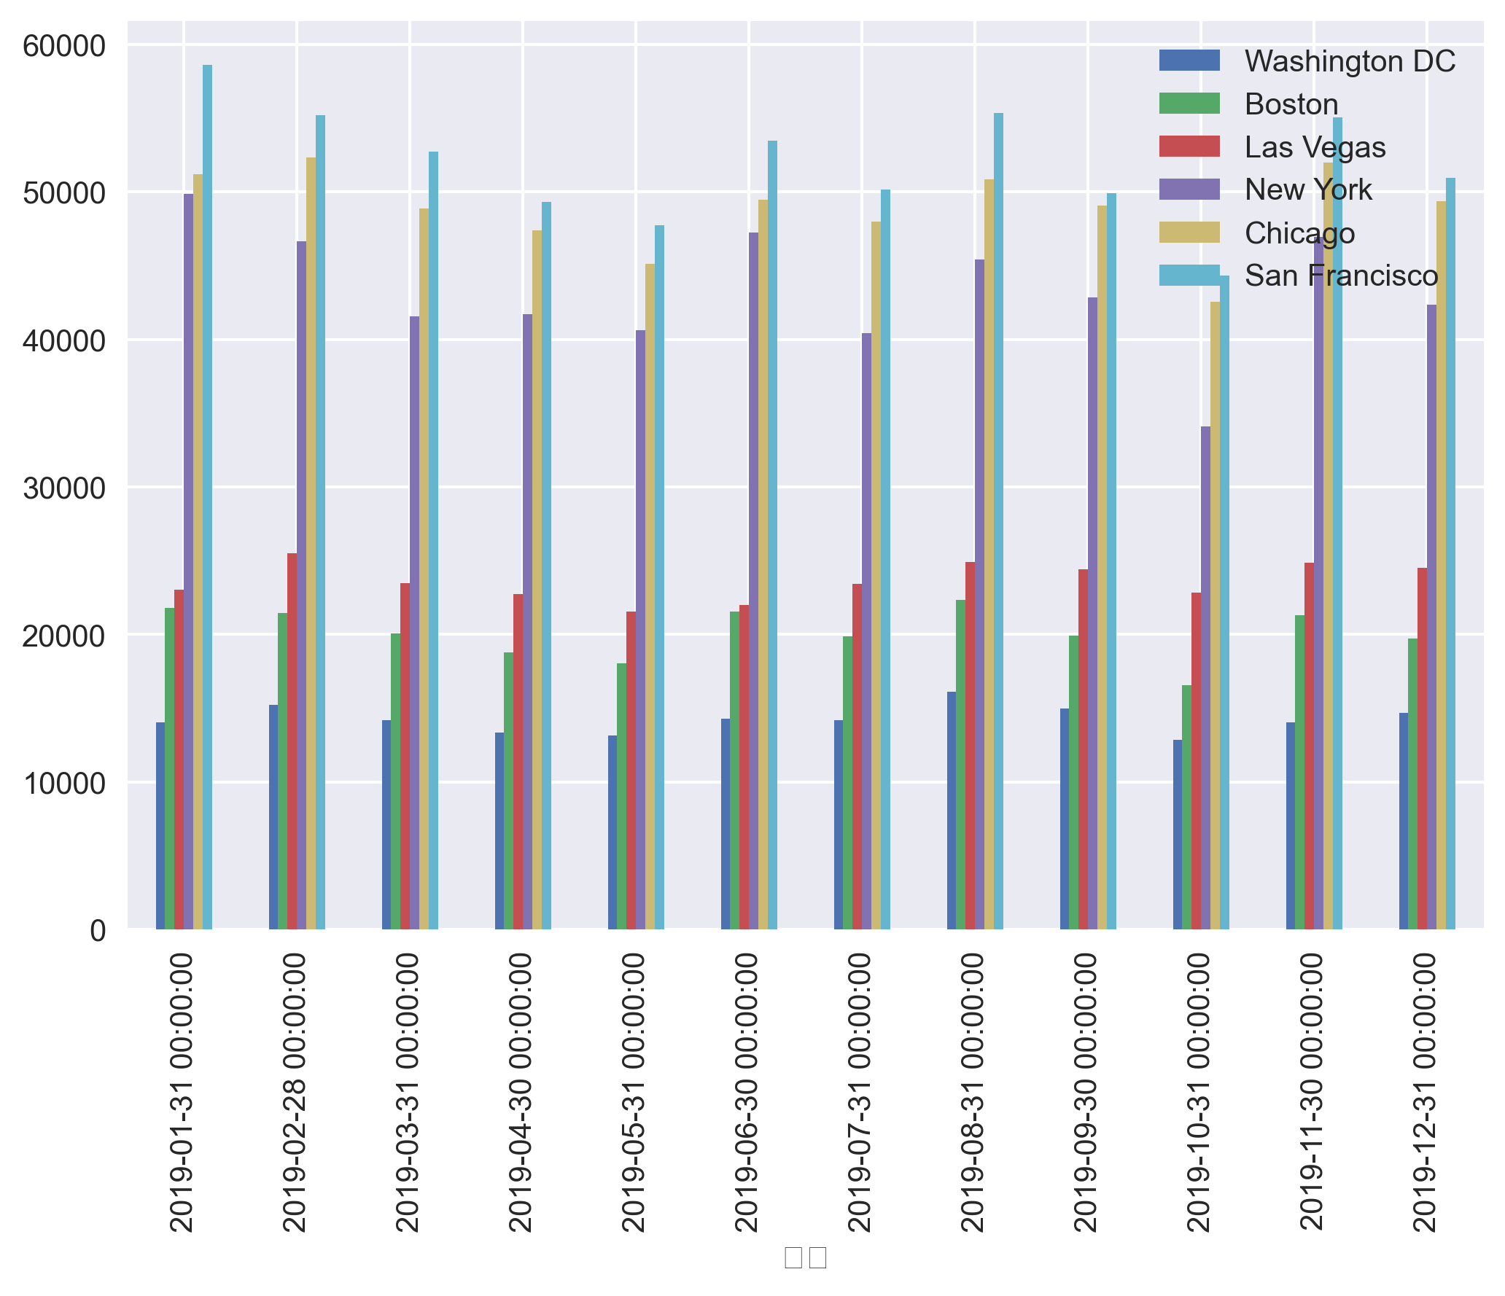
Sales Report

汇总 | Washington DC | Boston | Las Vegas | New York | Chicago | San Francisco | Total
2019-01-31 | 14,058 | 21,784 | 23,013 | 49,873 | 51,188 | 58,630 | 218,545
2019-02-28 | 15,235 | 21,455 | 25,493 | 46,670 | 52,331 | 55,219 | 216,403
2019-03-31 | 14,177 | 20,043 | 23,451 | 41,572 | 48,897 | 52,713 | 200,854
2019-04-30 | 13,339 | 18,791 | 22,710 | 41,714 | 47,396 | 49,325 | 193,276
2019-05-31 | 13,147 | 18,037 | 21,527 | 40,610 | 45,117 | 47,760 | 186,197
2019-06-30 | 14,284 | 21,556 | 21,985 | 47,266 | 49,460 | 53,462 | 208,014
2019-07-31 | 14,162 | 19,853 | 23,444 | 40,408 | 47,994 | 50,182 | 196,043
2019-08-31 | 16,127 | 22,333 | 24,928 | 45,397 | 50,839 | 55,336 | 214,960
2019-09-30 | 14,994 | 19,925 | 24,411 | 42,831 | 49,096 | 49,931 | 201,188
2019-10-31 | 12,847 | 16,551 | 22,828 | 34,090 | 42,544 | 44,312 | 173,171
2019-11-30 | 14,058 | 21,313 | 24,860 | 46,960 | 52,012 | 55,056 | 214,259
2019-12-31 | 14,702 | 19,723 | 24,536 | 42,364 | 49,355 | 50,933 | 201,613
total | 171,130 | 241,363 | 283,185 | 519,755 | 586,229 | 622,859 | 2,424,521

Sales per Month and Store

