eoq-1
 | fruit | savory |  |  |  |  |  |  |  | savory
units | 194 | 133 |  |  |  | grid | fruit | fruit |  | q2
cost | 144.91 | 120.00 | 264.91 | C5: | =C7*(C4/2)+C8*(C9/C4) | max | 200 | q1 |  | 125 | 125.75 | 126.5 | 127.25 | 128 | 128.75 | 129.5 | 130.25 | 131 | 131.75 | 132.5 | 133.25 | 134 | 134.75 | 135.5 | 136.25 | 137 | 137.75 | 138.5 | 139.25 | 140
 |  |  |  |  |  | min | 185 |  | 185 | 265.30 | 265.26 | 265.22 | 265.18 | 265.15 | 265.12 | 265.10 | 265.08 | 265.07 | 265.06 | 265.05 | 265.05 | 265.05 | 265.06 | 265.07 | 265.08 | 265.09 | 265.11 | 265.14 | 265.16 | 265.19
holding cost / item | 0.75 | 0.90 |  |  |  | intervals | 20 |  | 185.75 | 265.28 | 265.23 | 265.19 | 265.16 | 265.13 | 265.10 | 265.08 | 265.06 | 265.05 | 265.03 | 265.03 | 265.03 | 265.03 | 265.03 | 265.04 | 265.05 | 265.07 | 265.09 | 265.11 | 265.14 | 265.17
replenish cost / order | 2.00 | 2.00 |  |  |  | width | 0.75 |  | 186.5 | 265.25 | 265.21 | 265.17 | 265.14 | 265.10 | 265.08 | 265.06 | 265.04 | 265.02 | 265.01 | 265.01 | 265.00 | 265.01 | 265.01 | 265.02 | 265.03 | 265.05 | 265.07 | 265.09 | 265.12 | 265.15
demand | 7000.00 | 4000.00 |  |  |  |  |  |  | 187.25 | 265.24 | 265.19 | 265.15 | 265.12 | 265.09 | 265.06 | 265.04 | 265.02 | 265.00 | 264.99 | 264.99 | 264.99 | 264.99 | 264.99 | 265.00 | 265.01 | 265.03 | 265.05 | 265.07 | 265.10 | 265.13
 |  |  |  |  |  | h1 | 0.75 |  | 188 | 265.22 | 265.17 | 265.13 | 265.10 | 265.07 | 265.04 | 265.02 | 265.00 | 264.99 | 264.98 | 264.97 | 264.97 | 264.97 | 264.97 | 264.98 | 265.00 | 265.01 | 265.03 | 265.05 | 265.08 | 265.11
eoq | 193 | 133 |  | C11: | =SQRT(2*C8*C9/C7) | k1 | 2.00 |  | 188.75 | 265.20 | 265.16 | 265.12 | 265.08 | 265.05 | 265.03 | 265.00 | 264.99 | 264.97 | 264.96 | 264.96 | 264.95 | 264.95 | 264.96 | 264.97 | 264.98 | 265.00 | 265.02 | 265.04 | 265.07 | 265.10
 |  |  |  |  |  | d1 | 7000.00 |  | 189.5 | 265.19 | 265.15 | 265.11 | 265.07 | 265.04 | 265.01 | 264.99 | 264.97 | 264.96 | 264.95 | 264.94 | 264.94 | 264.94 | 264.95 | 264.96 | 264.97 | 264.99 | 265.00 | 265.03 | 265.05 | 265.08
 |  |  |  |  |  | h2 | 0.90 |  | 190.25 | 265.18 | 265.14 | 265.10 | 265.06 | 265.03 | 265.00 | 264.98 | 264.96 | 264.95 | 264.94 | 264.93 | 264.93 | 264.93 | 264.94 | 264.95 | 264.96 | 264.98 | 264.99 | 265.02 | 265.04 | 265.07
 |  |  |  |  |  | k2 | 2.00 |  | 191 | 265.17 | 265.13 | 265.09 | 265.05 | 265.02 | 265.00 | 264.97 | 264.96 | 264.94 | 264.93 | 264.93 | 264.92 | 264.92 | 264.93 | 264.94 | 264.95 | 264.97 | 264.99 | 265.01 | 265.04 | 265.07
 |  |  |  |  |  | d2 | 4000.00 |  | 191.75 | 265.17 | 265.12 | 265.08 | 265.05 | 265.02 | 264.99 | 264.97 | 264.95 | 264.94 | 264.93 | 264.92 | 264.92 | 264.92 | 264.92 | 264.93 | 264.95 | 264.96 | 264.98 | 265.00 | 265.03 | 265.06
 |  |  |  |  |  | cost | 300 |  | 192.5 | 265.16 | 265.12 | 265.08 | 265.05 | 265.01 | 264.99 | 264.97 | 264.95 | 264.93 | 264.92 | 264.92 | 264.91 | 264.92 | 264.92 | 264.93 | 264.94 | 264.96 | 264.98 | 265.00 | 265.03 | 265.06
 |  |  |  |  |  | 2kdh | 144.91376746 |  | 193.25 | 265.16 | 265.12 | 265.08 | 265.04 | 265.01 | 264.99 | 264.96 | 264.95 | 264.93 | 264.92 | 264.92 | 264.91 | 264.92 | 264.92 | 264.93 | 264.94 | 264.96 | 264.98 | 265.00 | 265.03 | 265.06
 |  |  |  |  |  |  |  |  | 194 | 265.16 | 265.12 | 265.08 | 265.05 | 265.01 | 264.99 | 264.97 | 264.95 | 264.93 | 264.92 | 264.92 | 264.91 | 264.92 | 264.92 | 264.93 | 264.94 | 264.96 | 264.98 | 265.00 | 265.03 | 265.06
 |  |  |  |  |  |  | 140 |  | 194.75 | 265.17 | 265.12 | 265.08 | 265.05 | 265.02 | 264.99 | 264.97 | 264.95 | 264.94 | 264.93 | 264.92 | 264.92 | 264.92 | 264.92 | 264.93 | 264.95 | 264.96 | 264.98 | 265.01 | 265.03 | 265.06
 |  |  |  |  |  |  | 125 |  | 195.5 | 265.17 | 265.13 | 265.09 | 265.05 | 265.02 | 265.00 | 264.97 | 264.96 | 264.94 | 264.93 | 264.93 | 264.92 | 264.93 | 264.93 | 264.94 | 264.95 | 264.97 | 264.99 | 265.01 | 265.04 | 265.07
 |  |  |  |  |  |  | 20 |  | 196.25 | 265.18 | 265.14 | 265.10 | 265.06 | 265.03 | 265.00 | 264.98 | 264.96 | 264.95 | 264.94 | 264.93 | 264.93 | 264.93 | 264.94 | 264.95 | 264.96 | 264.98 | 265.00 | 265.02 | 265.04 | 265.07
 |  |  |  |  |  |  | 0.75 |  | 197 | 265.19 | 265.15 | 265.11 | 265.07 | 265.04 | 265.01 | 264.99 | 264.97 | 264.96 | 264.95 | 264.94 | 264.94 | 264.94 | 264.95 | 264.96 | 264.97 | 264.99 | 265.00 | 265.03 | 265.05 | 265.08
 |  |  |  |  |  |  |  |  | 197.75 | 265.20 | 265.16 | 265.12 | 265.08 | 265.05 | 265.03 | 265.00 | 264.99 | 264.97 | 264.96 | 264.96 | 264.95 | 264.95 | 264.96 | 264.97 | 264.98 | 265.00 | 265.02 | 265.04 | 265.07 | 265.10
 |  |  |  |  |  |  |  |  | 198.5 | 265.22 | 265.17 | 265.13 | 265.10 | 265.07 | 265.04 | 265.02 | 265.00 | 264.99 | 264.98 | 264.97 | 264.97 | 264.97 | 264.97 | 264.98 | 264.99 | 265.01 | 265.03 | 265.05 | 265.08 | 265.11
 |  |  |  |  |  |  |  |  | 199.25 | 265.23 | 265.19 | 265.15 | 265.11 | 265.08 | 265.06 | 265.03 | 265.02 | 265.00 | 264.99 | 264.98 | 264.98 | 264.98 | 264.99 | 265.00 | 265.01 | 265.03 | 265.05 | 265.07 | 265.10 | 265.13
 |  |  |  |  |  |  |  |  | 200 | 265.25 | 265.21 | 265.17 | 265.13 | 265.10 | 265.07 | 265.05 | 265.03 | 265.02 | 265.01 | 265.00 | 265.00 | 265.00 | 265.01 | 265.02 | 265.03 | 265.04 | 265.06 | 265.09 | 265.11 | 265.14

EOQ

influence
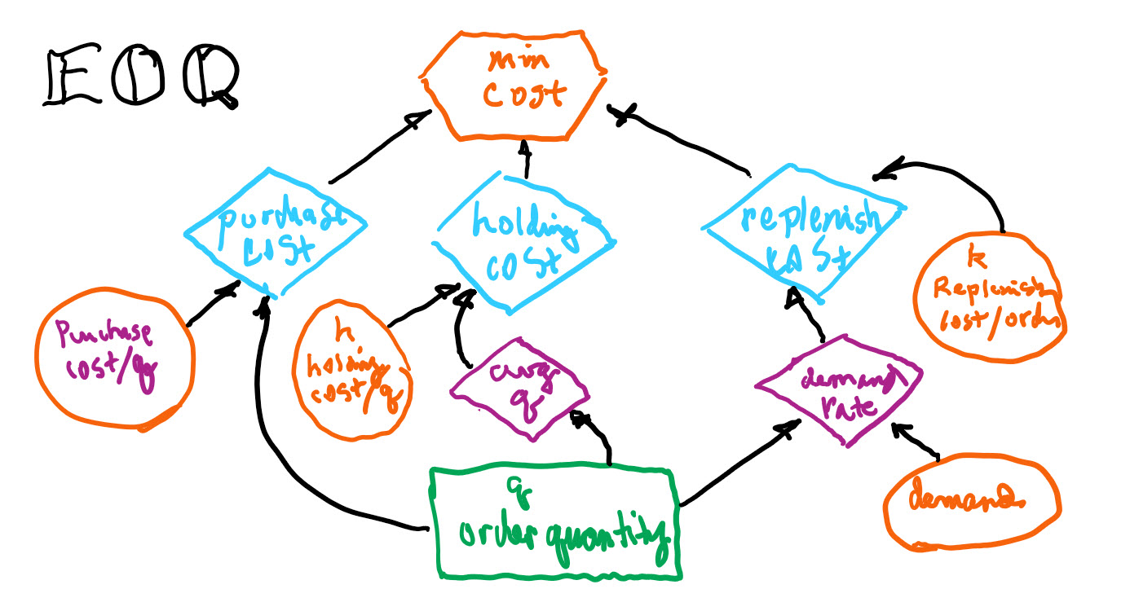

plot
title | economic order quantity analysis |  | q | holding | replenishment | total cost | eoq* | x | y
x_axis | lot size (order quantity) |  | 50 | 18.75 | 280.00 | 298.75 |  | 193 | 0
y_axis | cost |  | 55 | 20.63 | 254.55 | 275.17 |  | 193 | 200
economic order quantity analysis
 |  |  | 60 | 22.50 | 233.33 | 255.83 | cost* | y | y
holding cost / item | h | 0.75 | 65 | 24.38 | 215.38 | 239.76 |  | 0 | 144.91
replenish cost / order | k | 2 | 70 | 26.25 | 200.00 | 226.25 |  | 268 | 144.91
demand | D | 7000 | 75 | 28.13 | 186.67 | 214.79 | ( 193, 145 ) | x | y
 |  |  | 80 | 30.00 | 175.00 | 205.00 |  | 193 | 144.91
 |  |  | 85 | 31.88 | 164.71 | 196.58
 |  |  | 90 | 33.75 | 155.56 | 189.31
 |  |  | 95 | 35.63 | 147.37 | 182.99
( 193, 145 )
 |  |  | 100 | 37.50 | 140.00 | 177.50
 |  |  | 105 | 39.38 | 133.33 | 172.71
 |  |  | 110 | 41.25 | 127.27 | 168.52
 |  |  | 115 | 43.13 | 121.74 | 164.86
 |  |  | 120 | 45.00 | 116.67 | 161.67
 |  |  | 125 | 46.88 | 112.00 | 158.88
 |  |  | 130 | 48.75 | 107.69 | 156.44
 |  |  | 135 | 50.63 | 103.70 | 154.33
 |  |  | 140 | 52.50 | 100.00 | 152.50
 |  |  | 145 | 54.38 | 96.55 | 150.93
 |  |  | 150 | 56.25 | 93.33 | 149.58
 |  |  | 155 | 58.13 | 90.32 | 148.45
 |  |  | 160 | 60.00 | 87.50 | 147.50
 |  |  | 165 | 61.88 | 84.85 | 146.72
 |  |  | 170 | 63.75 | 82.35 | 146.10
 |  |  | 175 | 65.63 | 80.00 | 145.63
 |  |  | 180 | 67.50 | 77.78 | 145.28
 |  |  | 185 | 69.38 | 75.68 | 145.05
 |  |  | 190 | 71.25 | 73.68 | 144.93
 |  |  | 195 | 73.13 | 71.79 | 144.92
 |  |  | 200 | 75.00 | 70.00 | 145.00
 |  |  | 205 | 76.88 | 68.29 | 145.17
 |  |  | 210 | 78.75 | 66.67 | 145.42
 |  |  | 215 | 80.63 | 65.12 | 145.74
 |  |  | 220 | 82.50 | 63.64 | 146.14
 |  |  | 225 | 84.38 | 62.22 | 146.60
 |  |  | 230 | 86.25 | 60.87 | 147.12
 |  |  | 235 | 88.13 | 59.57 | 147.70
 |  |  | 240 | 90.00 | 58.33 | 148.33
 |  |  | 245 | 91.88 | 57.14 | 149.02
 |  |  | 250 | 93.75 | 56.00 | 149.75
 |  |  | 255 | 95.63 | 54.90 | 150.53
 |  |  | 260 | 97.50 | 53.85 | 151.35
 |  |  | 265 | 99.38 | 52.83 | 152.21
 |  |  | 270 | 101.25 | 51.85 | 153.10
 |  |  | 275 | 103.13 | 50.91 | 154.03
 |  |  | 280 | 105.00 | 50.00 | 155.00
 |  |  | 285 | 106.88 | 49.12 | 156.00
 |  |  | 290 | 108.75 | 48.28 | 157.03
 |  |  | 295 | 110.63 | 47.46 | 158.08
 |  |  | 300 | 112.50 | 46.67 | 159.17
 |  |  | 305 | 114.38 | 45.90 | 160.28
 |  |  | 310 | 116.25 | 45.16 | 161.41
 |  |  | 315 | 118.13 | 44.44 | 162.57
 |  |  | 320 | 120.00 | 43.75 | 163.75
 |  |  | 325 | 121.88 | 43.08 | 164.95
 |  |  | 330 | 123.75 | 42.42 | 166.17
 |  |  | 335 | 125.63 | 41.79 | 167.42
 |  |  | 340 | 127.50 | 41.18 | 168.68
 |  |  | 345 | 129.38 | 40.58 | 169.95
 |  |  | 350 | 131.25 | 40.00 | 171.25
 |  |  | 355 | 133.13 | 39.44 | 172.56
 |  |  | 360 | 135.00 | 38.89 | 173.89
 |  |  | 365 | 136.88 | 38.36 | 175.23
 |  |  | 370 | 138.75 | 37.84 | 176.59
 |  |  | 375 | 140.63 | 37.33 | 177.96
 |  |  | 380 | 142.50 | 36.84 | 179.34
 |  |  | 385 | 144.38 | 36.36 | 180.74
 |  |  | 390 | 146.25 | 35.90 | 182.15
 |  |  | 395 | 148.13 | 35.44 | 183.57
 |  |  | 400 | 150.00 | 35.00 | 185.00
 |  |  | 405 | 151.88 | 34.57 | 186.44
 |  |  | 410 | 153.75 | 34.15 | 187.90
 |  |  | 415 | 155.63 | 33.73 | 189.36
 |  |  | 420 | 157.50 | 33.33 | 190.83
 |  |  | 425 | 159.38 | 32.94 | 192.32
 |  |  | 430 | 161.25 | 32.56 | 193.81
 |  |  | 435 | 163.13 | 32.18 | 195.31
 |  |  | 440 | 165.00 | 31.82 | 196.82
 |  |  | 445 | 166.88 | 31.46 | 198.34
 |  |  | 450 | 168.75 | 31.11 | 199.86
 |  |  | 455 | 170.63 | 30.77 | 201.39
 |  |  | 460 | 172.50 | 30.43 | 202.93
 |  |  | 465 | 174.38 | 30.11 | 204.48
 |  |  | 470 | 176.25 | 29.79 | 206.04
 |  |  | 475 | 178.13 | 29.47 | 207.60
 |  |  | 480 | 180.00 | 29.17 | 209.17
 |  |  | 485 | 181.88 | 28.87 | 210.74
 |  |  | 490 | 183.75 | 28.57 | 212.32
 |  |  | 495 | 185.63 | 28.28 | 213.91
 |  |  | 500 | 187.50 | 28.00 | 215.50
 |  |  | 505 | 189.38 | 27.72 | 217.10
 |  |  | 510 | 191.25 | 27.45 | 218.70
 |  |  | 515 | 193.13 | 27.18 | 220.31
 |  |  | 520 | 195.00 | 26.92 | 221.92
 |  |  | 525 | 196.88 | 26.67 | 223.54
 |  |  | 625
 |  |  | 725
 |  |  | 825
 |  |  | 925

