case
Vegan Workers Insurance Fund



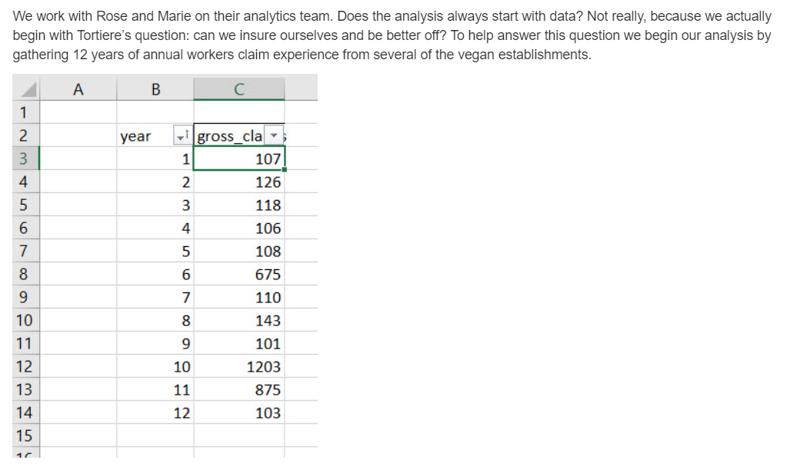

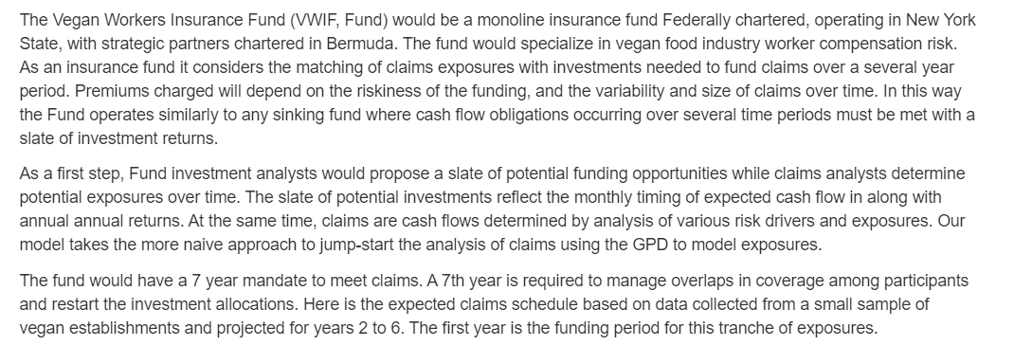

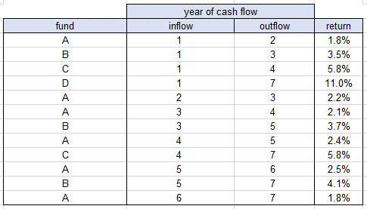

 | Note: GPD stands for the Generalized Pareto Distribution.

results
Vegan Workers Insurance Plan

 | 1. Model Development.

 |  | Model scenario 2 funding vehicles by inserting starting inflows and ending outflows for one year terms only (A funds) using thte scenario 1 flows as a guide.
 |  | Leave the other flows blank.
 |  | (The Monte Carlo optimizaton results for scenario 1 are deposited in the fund-allocation-all-sim worksheet already.)

 |  | Scenario 1. Use short (1 year) and long-term (multiple years) funding vehicles |  |  |  | Scenario 2. Use only short-term (1 year) funding vehicles

 |  |  | year of cash flow |  |  |  | year of cash flow
 |  | fund | inflow | outflow | return | fund | inflow | outflow | return
 |  | A | 1 | 2 | 1.8% | A | 1 | 2 | 1.8%
 |  | B | 1 | 3 | 3.5% | B |  |  | 3.5%
 |  | C | 1 | 4 | 5.8% | C |  |  | 5.8%
 |  | D | 1 | 7 | 11.0% | D |  |  | 11.0%
 |  | A | 2 | 3 | 2.2% | A | 2 | 3 | 2.2%
 |  | A | 3 | 4 | 2.1% | A | 3 | 4 | 2.1%
 |  | B | 3 | 5 | 3.7% | B |  |  | 3.7%
 |  | A | 4 | 5 | 2.4% | A | 4 | 5 | 2.4%
 |  | C | 4 | 7 | 5.8% | C |  |  | 5.8%
 |  | A | 5 | 6 | 2.5% | A | 5 | 6 | 2.5%
 |  | B | 5 | 7 | 4.1% | B |  |  | 4.1%
 |  | A | 6 | 7 | 1.8% | A | 6 | 7 | 1.8%

 |  | Go to the fund-allocation worksheet and run the optimization once to check that only fund A decisions are implemented.
 |  | In the fund-allocation worksheet run the model 100 times (this may take several minutes --you might get a beverage!).
 |  | The results will be deposited into the fund-simulation-short-term worksheet. Locate the capital_yr1 column of 100 runs and name the range.
 |  | The results for scenario 1 are already deposited from another model in the fund-simulation-all worksheet. Locate the capital_yr1 column and name the range.

 |  | In the text box below, describe the decisions, objective, and constraints for the short-term funding vehicle scenario.

Description of short-term funding vehicle allocation model
1. Decisions.
2. Objectives.
3. Constraints.

 | 2. Sensitivity Analysis.

 |  | Compare and contrast the two funding sceenarios in the table below and describe your findings in the textbox to the right.
 |  | Write the named ranges of first year capital for the short-term scenario and the all-funding vehicles scenarios in the header.
 |  | Compute the summary statistics below the header using appropriate spreadsheet functions.
Findings from the Sensitivity Analysis of two scenarios
1.
2.
3.
<ADD OTHER DISTINCT FINDINGS AS NEEDED>
 |  | capital_yr1_short_term | capital_yr1_all
 | min | 588.67 | 98.44
 | 25% | 588.67 | 98.44
 | 50% | 588.67 | 98.44
 | 75% | 588.67 | 98.44
 | max | 7269.73 | 2363.46
 | IQR | 0.00 | 0.00
 | mean | 2178.06 | 300.15
 | sd | 1437.93 | 511.34
 | skew | 1.0160085121 | 3.4467867005
 | kurtosis | 3.7654720377 | 14.286722282
 | count | 100 | 100

 | 3. Provisional Recommendations.

 |  | Based on the scenario sensitivity analysis detail your recommendations concerning the funding of the self-insurance plan n the text box below.
Provisional Recommendations for the Vegan Workers Group
1.
2.
3.
<ADD OTHER DISTINCT RECOMMENDATIONS AS NEEDED>

rubric
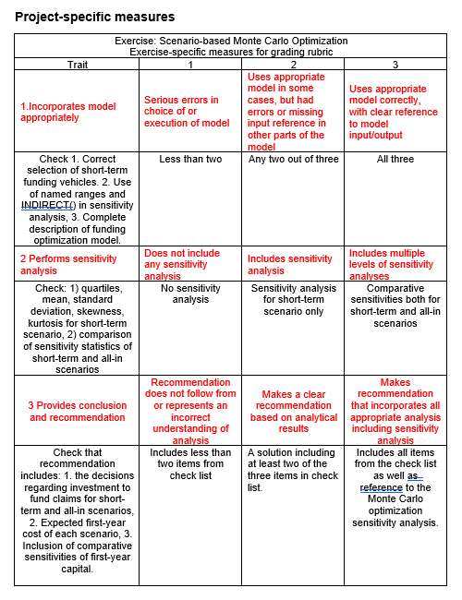

fund-allocation
Vegan Workers Insurance Fund

 | year of casl flow |  |  |  | cash flow per year |  |  |  |  |  |  |  | M
fund | inflow | outflow | capital | return | 1 | 2 | 3 | 4 | 5 | 6 | 7 |  | =L6 + 1
A | 1 | 2 | 1830.672 | 1.8% | -1 | 1.018 |  |  |  |  |  |  | =IF($C7=M$6,-1,IF($D7=M$6,1+$F7,IF(AND($C7<M$6,$D7>M$6),"<---->","")))
B | 8 | 8 | 0.000 | 3.5%
C | 8 | 8 | 0.000 | 5.8%
D | 8 | 8 | 0.000 | 11.0% |  |  |  |  |  |  |  |  | =IF($C10=M$6,-1,IF($D10=M$6,1+$F10,IF(AND($C10<M$6,$D10>M$6),"<---->","")))
A | 2 | 3 | 1746.361 | 1.8% |  | -1 | 1.018
A | 3 | 4 | 1669.366 | 1.8% |  |  | -1 | 1.018
B | 8 | 8 | 0.000 | 3.5%
A | 4 | 5 | 389.458 | 1.8% |  |  |  | -1 | 1.018
C | 8 | 8 | 0.000 | 5.8%
A | 5 | 6 | 281.978 | 1.8% |  |  |  |  | -1 | 1.018
B | 8 | 8 | 0.000 | 3.5%
A | 6 | 7 | 121.019 | 1.8% |  |  |  |  |  | -1 | 1.018
capital invested in year 1 |  |  | 1830.672 | surplus |  | 117.3 | 108.4 | 1310.0 | 114.5 | 166.0 | 123.2 |  | E19: | =SUMIF(C7:C18,1,E7:E18) |  | M19: | =SUMPRODUCT(M7:M18,$E$7:$E$18)
 |  |  |  | claims |  | $117 | $108 | $1,310 | $114 | $166 | $123 |  |  |  |  | M20: | 'xi-sigma-sim'!Z15:AE15
Minimize: E19
By changing: E7:E18
Subject to: G19:L19=G20:L20
E7:E18>=0

=B7&"_"&C7&"_"&D7&"_" | A_1_2_ |  | copy and paste special values to fund-simulation
 | B_8_8_ |  | 1830.6720823 | 0 | 0 | 0 | 1746.3608939 | 1669.3660874 | 0 | 389.45767795 | 0 | 281.9783565 | 0 | 121.01907934 | 1830.6720823
 | C_8_8_ |  | {=TRANSPOSE(E7:E19)}
 | D_8_8_ |  | 117.26328583 | 108.4293026 | 1309.956999 | 114.48955965 | 166.03488758 | 123.19742276
 | A_2_3_ |  | =H20
 | A_3_4_ |  | A_1_2_ | B_8_8_ | C_8_8_ | D_8_8_ | A_2_3_ | A_3_4_ | B_8_8_ | A_4_5_ | C_8_8_ | A_5_6_ | B_8_8_ | A_6_7_ | capital_yr1 | claims_yr2 | claims_yr3 | claims_yr4 | claims_yr5 | claims_yr6 | claims_yr7
 | B_8_8_ |  | {=TRANSPOSE(C28:C40)}
 | A_4_5_ |  | {=TRANSPOSE(C28:C40)} |  |  |  |  |  |  |  |  |  |  |  |  | ="claims_yr"&H6
 | C_8_8_
 | A_5_6_
 | B_8_8_
 | A_6_7_
 | capital_yr1

eda-sim-short-term
capital_yr1_short_term
 |  |  | interval | begin | end | mid | frequency | relative frequency | cumulative relative prequency | Raw GPD pmf | GPD pdf | GDF cdf
mu grid | capital_yr1_short_term |  | 1 | 588.67300772 | 906.81834495 | 747.74567633 | 24 | 0.2400 | 0.2400 | 7.9087588514E-05 | 0.2887 | 0.2887 | title | capital_yr1_short_term
max_capital_yr1_short_term | 7269.73 | =MAX( INDIRECT(C$3) ) | 2 | 906.81834495 | 1224.9636822 | 1065.8910136 | 13 | 0.1300 | 0.3700 | 4.3859263826E-05 | 0.1601 | 0.4488 | x-axis | $ amount
min_capital_yr1_short_term | 588.67 | =MIN( INDIRECT(C$3) ) | 3 | 1224.9636822 | 1543.1090194 | 1384.0363508 | 10 | 0.1000 | 0.4700 | 2.8784835655E-05 | 0.1051 | 0.5539 | y1-axis | relative frequency
intervals_capital_yr1_short_term | 21.00 | =21 | 4 | 1543.1090194 | 1861.2543566 | 1702.181688 | 6 | 0.0600 | 0.5300 | 2.0738453447E-05 | 0.0757 | 0.6296 | y2-axis | cumulative relative prequency
width_capital_yr1_short_term | 318.15 | =(C4 - C5) / C6 | 5 | 1861.2543566 | 2179.3996939 | 2020.3270252 | 3 | 0.0300 | 0.5600 | 1.5855068289E-05 | 0.0579 | 0.6875
count_capital_yr1_short_term | 100.00 | =SUM(K3:K23) | 6 | 2179.3996939 | 2497.5450311 | 2338.4723625 | 1 | 0.0100 | 0.5700 | 1.2630484483E-05 | 0.0461 | 0.7336
 |  |  | 7 | 2497.5450311 | 2815.6903683 | 2656.6176997 | 7 | 0.0700 | 0.6400 | 1.0370047034E-05 | 0.0379 | 0.7715
 | capital_yr1_short_term | =MAX( INDIRECT(C$3) ) | 8 | 2815.6903683 | 3133.8357055 | 2974.7630369 | 16 | 0.1600 | 0.8000 | 8.7131310321E-06 | 0.0318 | 0.8033
min | 588.67 | =MIN( INDIRECT(C$10)) | 9 | 3133.8357055 | 3451.9810428 | 3292.9083741 | 4 | 0.0400 | 0.8400 | 7.4558031523E-06 | 0.0272 | 0.8305
0.25 | 948.02 | =PERCENTILE( INDIRECT(C$3), $B12 ) | 10 | 3451.9810428 | 3770.12638 | 3611.0537114 | 3 | 0.0300 | 0.8700 | 6.4749407908E-06 | 0.0236 | 0.8541
0.50 | 1695.33 | =PERCENTILE( INDIRECT(C$3), $B13 ) | 11 | 3770.12638 | 4088.2717172 | 3929.1990486 | 4 | 0.0400 | 0.9100 | 5.6922610271E-06 | 0.0208 | 0.8749
0.75 | 2970.91 | =PERCENTILE( INDIRECT(C$3), $B14 ) | 12 | 4088.2717172 | 4406.4170544 | 4247.3443858 | 0 | 0.0000 | 0.9100 | 5.055854853E-06 | 0.0185 | 0.8934
max | 7269.73 | =MAX( INDIRECT(C$10)) | 13 | 4406.4170544 | 4724.5623917 | 4565.489723 | 2 | 0.0200 | 0.9300 | 4.5300824652E-06 | 0.0165 | 0.9099
IQR | 2022.89 | =C14 - C12 | 14 | 4724.5623917 | 5042.7077289 | 4883.6350603 | 3 | 0.0300 | 0.9600 | 4.0897460477E-06 | 0.0149 | 0.9249
mu_capital_yr1_short_term | 2178.06 | =AVERAGE( INDIRECT(C$10) ) | 15 | 5042.7077289 | 5360.8530661 | 5201.7803975 | 1 | 0.0100 | 0.9700 | 3.7165785122E-06 | 0.0136 | 0.9384
sig_capital_yr1_short_term | 1437.93 | =STDEV.S( INDIRECT(C$10) ) | 16 | 5360.8530661 | 5678.9984033 | 5519.9257347 | 1 | 0.0100 | 0.9800 | 3.3970473274E-06 | 0.0124 | 0.9508
mad | 1209.67 | =AVEDEV( INDIRECT(C$10) ) | 17 | 5678.9984033 | 5997.1437406 | 5838.071072 | 1 | 0.0100 | 0.9900 | 3.1209360632E-06 | 0.0114 | 0.9622
skewness | 1.02 | =SKEW( INDIRECT(C$10) ) | 18 | 5997.1437406 | 6315.2890778 | 6156.2164092 | 0 | 0.0000 | 0.9900 | 2.8804022755E-06 | 0.0105 | 0.9727
kurtosis (+3) | 3.77 | =KURT( INDIRECT(C$10) ) + 3 | 19 | 6315.2890778 | 6633.434415 | 6474.3617464 | 0 | 0.0000 | 0.9900 | 2.6693362183E-06 | 0.0097 | 0.9825
 |  |  | 20 | 6633.434415 | 6951.5797522 | 6792.5070836 | 0 | 0.0000 | 0.9900 | 2.4829147272E-06 | 0.0091 | 0.9915
 |  |  | 21 | 6951.5797522 | 7269.7250895 | 7110.6524209 | 1 | 0.0100 | 1.0000 | 2.3172847995E-06 | 0.0085 | 1.0000
 |  |  |  |  |  |  |  |  | sum_pmf | 0.00027392206054
 |  |  | G3: | H3: | I3: | J3: | K3: | L3: | M3: | N3 | O3 | N3:
 |  |  | =1 | =min_mu | =H3 + width_mu | =((H3 + I3)/2) | =COUNTIFS( INDIRECT(C$3), ">="&H3, INDIRECT(C$3), "<"&I3 ) | =K3 / count_wait | =L3 | =(1/mu_sigma)*(1+mu_xi*((J3)-100)/mu_sigma)^(-(1+mu_xi)/mu_xi) | =N3 / sum_pmf | =O3
 |  |  | G4: | H4: | I4: |  | K23: |  |  |  |  | N4
 |  |  | =G3+1 | =I3 | =H4 + width_mu |  | =COUNTIFS( INDIRECT(C$3), ">="&H23, INDIRECT(C$3), "<="&I23 ) |  |  |  |  | =P3 + O4

eda
Time Series of Workers Compensation Claims
 | claims
1 | 107
2 | 126
3 | 118
4 | 106
5 | 108
6 | 675
7 | 110
8 | 143
9 | 101
10 | 1203
11 | 875
12 | 103
 | claims
min | 101.00
25% | 106.75
50% | 114.00
75% | 276.00
max | 1203.00
IQR | 169.25
mean | 314.58
sd | 381.20
max Pr(xi, sigma) | 0.06
xi_max | 2.00
sigma_max | 13.50
25-fence | 0.00
75-fence | 529.88
skew | 1.6741648037
kurtosis | 4.589915238 | title | Time Series of Workers Compensation Claims
count | 12 | x-axis | year
 |  | y-axis | claims

mean-excess-over-threshold
Mean Excess Over Threshold
year | claims | claims | x - 200 | x - 273 | x - 345 | x - 418 | x - 491 | x - 564 | x - 636 | x - 709 | x - 782 | x - 855 | x - 927 | x - 1000 | threshold u grid |  | u | title | Mean Excess Over Threshold
9 | 101 | 101.000 | 0.000 | 0.000 | 0.000 | 0.000 | 0.000 | 0.000 | 0.000 | 0.000 | 0.000 | 0.000 | 0.000 | 0.000 | max | 1000 | 200.00 | x-axis | thresholds
12 | 103 | 103.000 | 0.000 | 0.000 | 0.000 | 0.000 | 0.000 | 0.000 | 0.000 | 0.000 | 0.000 | 0.000 | 0.000 | 0.000 | min | 200 | 272.73 | y-axis | mean excess over threshold
4 | 106 | 106.000 | 0.000 | 0.000 | 0.000 | 0.000 | 0.000 | 0.000 | 0.000 | 0.000 | 0.000 | 0.000 | 0.000 | 0.000 | intervals | 11 | 345.45
1 | 107 | 107.000 | 0.000 | 0.000 | 0.000 | 0.000 | 0.000 | 0.000 | 0.000 | 0.000 | 0.000 | 0.000 | 0.000 | 0.000 | width | 72.727272727 | 418.18
5 | 108 | 108.000 | 0.000 | 0.000 | 0.000 | 0.000 | 0.000 | 0.000 | 0.000 | 0.000 | 0.000 | 0.000 | 0.000 | 0.000 |  |  | 490.91
7 | 110 | 110.000 | 0.000 | 0.000 | 0.000 | 0.000 | 0.000 | 0.000 | 0.000 | 0.000 | 0.000 | 0.000 | 0.000 | 0.000 |  |  | 563.64
3 | 118 | 118.000 | 0.000 | 0.000 | 0.000 | 0.000 | 0.000 | 0.000 | 0.000 | 0.000 | 0.000 | 0.000 | 0.000 | 0.000 |  |  | 636.36
2 | 126 | 126.000 | 0.000 | 0.000 | 0.000 | 0.000 | 0.000 | 0.000 | 0.000 | 0.000 | 0.000 | 0.000 | 0.000 | 0.000 |  |  | 709.09
8 | 143 | 143.000 | 0.000 | 0.000 | 0.000 | 0.000 | 0.000 | 0.000 | 0.000 | 0.000 | 0.000 | 0.000 | 0.000 | 0.000 |  |  | 781.82
6 | 675 | 675.000 | 475.000 | 402.273 | 329.545 | 256.818 | 184.091 | 111.364 | 38.636 | 0.000 | 0.000 | 0.000 | 0.000 | 0.000 |  |  | 854.55
11 | 875 | 875.000 | 675.000 | 602.273 | 529.545 | 456.818 | 384.091 | 311.364 | 238.636 | 165.909 | 93.182 | 20.455 | 0.000 | 0.000 |  |  | 927.27
10 | 1203 | 1203.000 | 1003.000 | 930.273 | 857.545 | 784.818 | 712.091 | 639.364 | 566.636 | 493.909 | 421.182 | 348.455 | 275.727 | 203.000 |  |  | 1000.00
 |  | u | 200 | 272.72727273 | 345.45454545 | 418.18181818 | 490.90909091 | 563.63636364 | 636.36363636 | 709.09090909 | 781.81818182 | 854.54545455 | 927.27272727 | 1000
 |  | mean | 717.667 | 644.939 | 572.212 | 499.485 | 426.758 | 354.030 | 281.303 | 329.909 | 257.182 | 184.455 | 275.727 | 203.000

 | claims |  | F4: | G16: |  |  |  |  |  |  |  |  |  |  |  |  | V16:
 | lowest to highest |  | ="x - "&ROUND(F15, 0) | =MAX( 0, $E14 - G$15) |  |  |  |  |  |  |  |  |  |  |  |  | =V13 + $T$6
 |  |  |  | G17:
 |  |  |  | {=TRANSPOSE( u )}
 |  |  |  | G18:
 |  |  |  | =AVERAGEIF( G3:G14, ">"&0 )

