case
Vegan Workers Insurance Fund



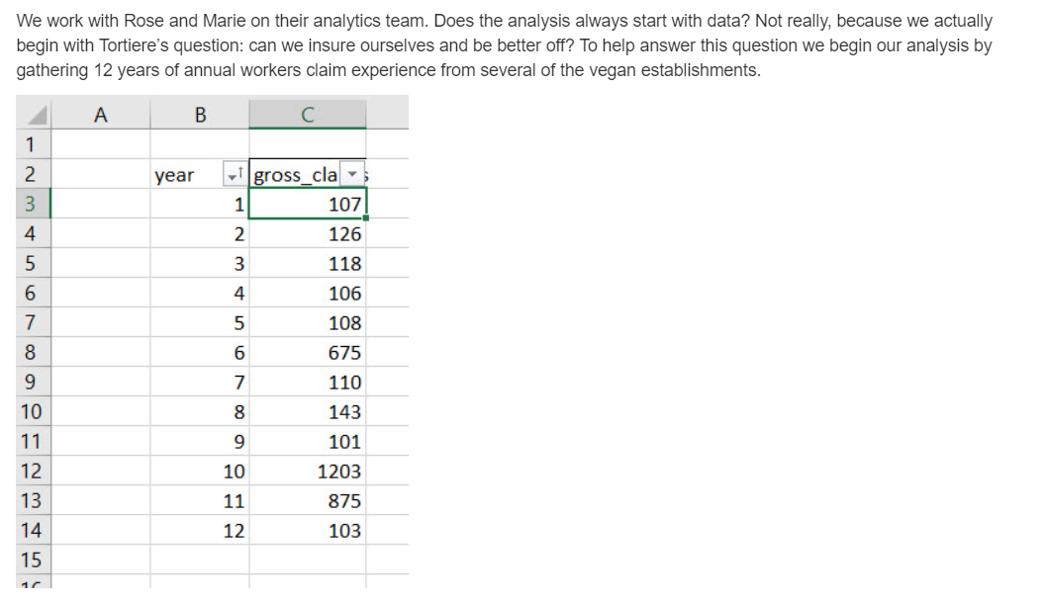

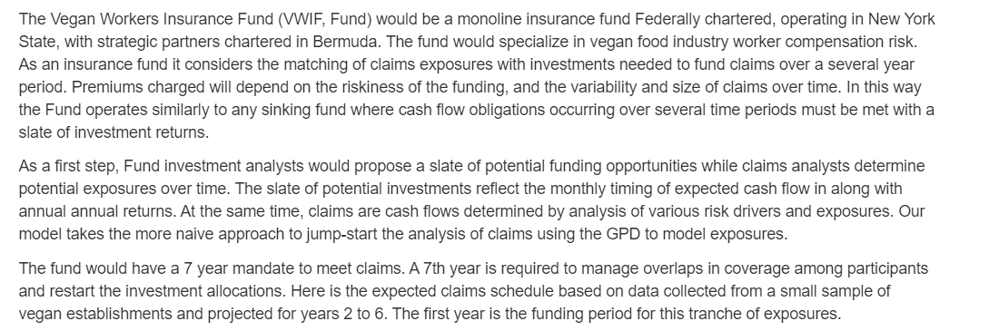

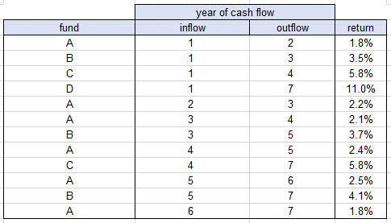

 | Note: GPD stands for the Generalized Pareto Distribution.

rubric
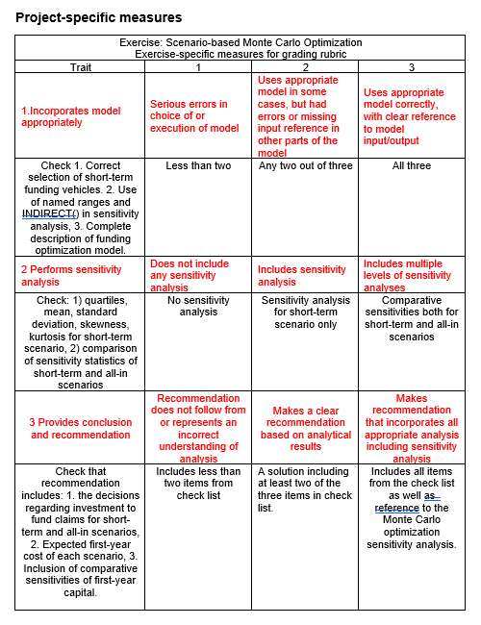

results
Vegan Workers Insurance Plan

 | 1. Model Development.

 |  | Model the scenario 2 funding vehicles by inserting starting inflows and ending outflows for one year terms only (A funds) using thte scenario 1 flows as a guide.
 |  | Enter appropriate short-term flows in the yellow area. Leave the other flows blank.
 |  | (The Monte Carlo optimizaton results for scenario 1 are deposited in the fund-allocation-all-sim worksheet already.)

 |  | Scenario 1. Use short (1 year) and long-term (multiple years) funding vehicles |  |  |  | Scenario 2. Use only short-term (1 year) funding vehicles

 |  |  | year of cash flow |  |  |  | year of cash flow
 |  | fund | inflow | outflow | return | fund | inflow | outflow | return
 |  | A | 1 | 2 | 1.8% | A | 1 | 2 | 1.8%
 |  | B | 1 | 3 | 3.5% | B |  |  | 3.5%
 |  | C | 1 | 4 | 5.8% | C |  |  | 5.8%
 |  | D | 1 | 7 | 11.0% | D |  |  | 11.0%
 |  | A | 2 | 3 | 2.2% | A | 2 | 3 | 2.2%
 |  | A | 3 | 4 | 2.1% | A | 3 | 4 | 2.1%
 |  | B | 3 | 5 | 3.7% | B |  |  | 3.7%
 |  | A | 4 | 5 | 2.4% | A | 4 | 5 | 2.4%
 |  | C | 4 | 7 | 5.8% | C |  |  | 5.8%
 |  | A | 5 | 6 | 2.5% | A | 5 | 6 | 2.5%
 |  | B | 5 | 7 | 4.1% | B |  |  | 4.1%
 |  | A | 6 | 7 | 1.8% | A | 6 | 7 | 1.8%

 |  | Go to the fund-allocation worksheet and run the optimization once to check that only fund A decisions are implemented. |  |  |  |  |  |  | √
 |  | In the fund-allocation worksheet run the model 100 times (this may take several minutes --you might get a beverage!). |  |  |  |  |  |  | √
 |  | The results will be deposited into the fund-simulation-short-term worksheet. Locate the capital_yr1 column of 100 runs and name the range. |  |  |  |  |  |  | √ I named it capital yr_1
 |  | The results for scenario 1 are already deposited from another model in the fund-simulation-all worksheet. Locate the capital_yr1 column and name the range. |  |  |  |  |  |  | √ I named it capital yr_1_all

 |  | In the text box below, describe the decisions, objective, and constraints for the short-term funding vehicle scenario.

Description of short-term funding vehicle allocation model
1. Decisions.
This is a model that asks what happens if we compare what we did last week to only using short-term funds. Does this change our volatility? Does this improve our
bottom line? By only selecting the year cash flows of fund A (our short-term vehicle), we automatically push the fund allocations and compare them between using only short term
allocations and the "all" tab.
We begin with the basic decision of: "How much capital do we invest in oru A fund each year?"
2. Objectives.
See if it's more worth our time to use all of our funds or to only use short term funds. Show this comparison with a sensitivity analysis and finally make a recommendation to the companies involved.
We influence our decision by controlling how much money we enter in year 1 - this will influence all future years.
3. Constraints.
Our surplus every year needs to be same as our claims amount. We can add this as a constraint when looking at our solver settings.

 | 2. Sensitivity Analysis.

Findings from the Sensitivity Analysis of two scenarios
1. The coveted standard deviation! The Stdev rises quite dramatically, which may be the theme of these findings. I only describe the standard deviation because it is referred to so commonly, though the better metric may be IQR (thank you, Tukey)
2. The IQR is quite staggering - that different is huge! Evne though this is partially the luck of my random draw, it's always astounding to see the amount of difference we have here. It goes to show that we have a wide range of capital, but with a lower kurtosis
3. while we are still right-skewed, we have come a bit more close to a normal distribuion - something you always love to see!
4. The kurtosis! By having a much smaller kurtosis, we've actually improved our volatility problem! With those thinner tails, we can feel MUCH more secure in our investments that there won't be these crazy outliers.
5. All this creates an interesting shape of our final data - while we have less volatile tails, we do still have a lot of volatility - that high IQR means that we could have capital in the lower end (still vastly higher than the low end of our old model) or much higher capital.
 |  | Compare and contrast the two funding sceenarios in the table below and describe your findings in the textbox to the right.
 |  | Write the named ranges of first year capital for the short-term scenario and the all-funding vehicles scenarios in the header.
 |  | Compute the summary statistics below the header using appropriate spreadsheet functions.

 |  | capital_yr1 | capital_yr1_all
 | min | 585.86 | 98.44
 | 25% | 862.97 | 105.92
 | 50% | 1928.57 | 117.98
 | 75% | 2869.62 | 171.21
 | max | 6044.91 | 2363.46
 | IQR | 2006.64 | 65.30
 | mean | 2094.26 | 300.15
 | sd | 1350.89 | 511.34
 | skew | 0.86101723906 | 3.4467867005
 | kurtosis | 0.14283925111 | 11.286722282
 | count | 100 | 100

 | 3. Provisional Recommendations.

 |  | Based on the scenario sensitivity analysis detail your recommendations concerning the funding of the self-insurance plan n the text box below.
Provisional Recommendations for the Vegan Workers Group
1. Overall, by using the 1-year vehicle model, we overall have a higher 1st year capital. It would be advantageous to not let JUST a sensitivity analysis on one year affect the whole business decision, but early simulations
seem to be promising.
2. While the higher IQR can lead to more volatility, there is some security with the lower kurtosis (smaller tails), which could mean that we have some security in our investment, even if we have some volatility. That's the
beauty of the smaller kurtosis - we may be covering ourselves a bit too much, but we are prepared for a REALLY rainy day in this case.
3. A recommendation may be to do a further analysis to address volatility within our IQR - by possibly adding a few funds that are still short (possibly fund B), you can reduce the IQR to something more sensible, I say this mostly because, from our data worksheet, we can see that the minimum claims we have is 101. So there is definitely a balance that exists here, we've just seen both sides of the spectrum.
4. Now that we can start to dig into the probability of claims happening, we might want to do a further dive into how insuring ourselves would affect our bottom line - if we all had billions to contribute to the fund, we could always insure ourselves, but how EASY is it to put our funds forward? Maybe create a new constraint in the future, where the first year capital is initially taking into consideration the maximum total contributions of the companies involved?

fund-allocation
Vegan Workers Insurance Fund

 | year of casl flow |  |  |  | cash flow per year |  |  |  |  |  |  |  | M
fund | inflow | outflow | capital | return | 1 | 2 | 3 | 4 | 5 | 6 | 7 |  | =L6 + 1
A | 1 | 2 | 3228.218 | 1.8% | -1 | 1.018 |  |  |  |  |  |  | =IF($C7=M$6,-1,IF($D7=M$6,1+$F7,IF(AND($C7<M$6,$D7>M$6),"<---->","")))
B | 8 | 8 | 0.000 | 3.5%
C | 8 | 8 | 0.000 | 5.8%
D | 8 | 8 | 0.000 | 11.0% |  |  |  |  |  |  |  |  | =IF($C10=M$6,-1,IF($D10=M$6,1+$F10,IF(AND($C10<M$6,$D10>M$6),"<---->","")))
A | 2 | 3 | 2711.466 | 1.8% |  | -1 | 1.018
A | 3 | 4 | 2612.981 | 1.8% |  |  | -1 | 1.018
B | 8 | 8 | 0.000 | 3.5%
A | 4 | 5 | 2554.662 | 1.8% |  |  |  | -1 | 1.018
C | 8 | 8 | 0.000 | 5.8%
A | 5 | 6 | 2482.168 | 1.8% |  |  |  |  | -1 | 1.018
B | 8 | 8 | 0.000 | 3.5%
A | 6 | 7 | 120.847 | 1.8% |  |  |  |  |  | -1 | 1.018
capital invested in year 1 |  |  | 3228.218 | surplus |  | 574.9 | 147.3 | 105.4 | 118.5 | 2406.0 | 123.0 |  | E19: | =SUMIF(C7:C18,1,E7:E18) |  | M19: | =SUMPRODUCT(M7:M18,$E$7:$E$18)
 |  |  |  | claims |  | $575 | $147 | $105 | $118 | $2,406 | $123 |  |  |  |  | M20: | 'xi-sigma-sim'!Z15:AE15
Minimize: E19
By changing: E7:E18
Subject to: G19:L19=G20:L20
E7:E18>=0

=B7&"_"&C7&"_"&D7&"_" | A_1_2_ |  | copy and paste special values to fund-simulation
 | B_8_8_ |  | 3228.2177146 | 0 | 0 | 0 | 2711.4662779 | 2612.9811398 | 0 | 2554.6620302 | 0 | 2482.1684293 | 0 | 120.84746103 | 3228.2177146
 | C_8_8_ |  | {=TRANSPOSE(E7:E19)}
 | D_8_8_ |  | 574.85935557 | 147.29153109 | 105.3527701 | 118.47751744 | 2406 | 123.02271533
 | A_2_3_ |  | =H20
 | A_3_4_ |  | A_1_2_ | B_8_8_ | C_8_8_ | D_8_8_ | A_2_3_ | A_3_4_ | B_8_8_ | A_4_5_ | C_8_8_ | A_5_6_ | B_8_8_ | A_6_7_ | capital_yr1 | claims_yr2 | claims_yr3 | claims_yr4 | claims_yr5 | claims_yr6 | claims_yr7
 | B_8_8_ |  | {=TRANSPOSE(C28:C40)}
 | A_4_5_ |  | {=TRANSPOSE(C28:C40)} |  |  |  |  |  |  |  |  |  |  |  |  | ="claims_yr"&H6
 | C_8_8_
 | A_5_6_
 | B_8_8_
 | A_6_7_
 | capital_yr1

eda
Time Series of Workers Compensation Claims
 | claims
1 | 107
2 | 126
3 | 118
4 | 106
5 | 108
6 | 675
7 | 110
8 | 143
9 | 101
10 | 1203
11 | 875
12 | 103
 | claims
min | 101.00
25% | 106.75
50% | 114.00
75% | 276.00
max | 1203.00
IQR | 169.25
mean | 314.58
sd | 381.20
max Pr(xi, sigma) | 0.06
xi_max | 2.00
sigma_max | 13.50
25-fence | 0.00
75-fence | 529.88
skew | 1.6741648037
kurtosis | 4.589915238 | title | Time Series of Workers Compensation Claims
count | 12 | x-axis | year
 |  | y-axis | claims

mean-excess-over-threshold
Mean Excess Over Threshold
year | claims | claims | x - 200 | x - 273 | x - 345 | x - 418 | x - 491 | x - 564 | x - 636 | x - 709 | x - 782 | x - 855 | x - 927 | x - 1000 | threshold u grid |  | u | title | Mean Excess Over Threshold
9 | 101 | 101.000 | 0.000 | 0.000 | 0.000 | 0.000 | 0.000 | 0.000 | 0.000 | 0.000 | 0.000 | 0.000 | 0.000 | 0.000 | max | 1000 | 200.00 | x-axis | thresholds
12 | 103 | 103.000 | 0.000 | 0.000 | 0.000 | 0.000 | 0.000 | 0.000 | 0.000 | 0.000 | 0.000 | 0.000 | 0.000 | 0.000 | min | 200 | 272.73 | y-axis | mean excess over threshold
4 | 106 | 106.000 | 0.000 | 0.000 | 0.000 | 0.000 | 0.000 | 0.000 | 0.000 | 0.000 | 0.000 | 0.000 | 0.000 | 0.000 | intervals | 11 | 345.45
1 | 107 | 107.000 | 0.000 | 0.000 | 0.000 | 0.000 | 0.000 | 0.000 | 0.000 | 0.000 | 0.000 | 0.000 | 0.000 | 0.000 | width | 72.727272727 | 418.18
5 | 108 | 108.000 | 0.000 | 0.000 | 0.000 | 0.000 | 0.000 | 0.000 | 0.000 | 0.000 | 0.000 | 0.000 | 0.000 | 0.000 |  |  | 490.91
7 | 110 | 110.000 | 0.000 | 0.000 | 0.000 | 0.000 | 0.000 | 0.000 | 0.000 | 0.000 | 0.000 | 0.000 | 0.000 | 0.000 |  |  | 563.64
3 | 118 | 118.000 | 0.000 | 0.000 | 0.000 | 0.000 | 0.000 | 0.000 | 0.000 | 0.000 | 0.000 | 0.000 | 0.000 | 0.000 |  |  | 636.36
2 | 126 | 126.000 | 0.000 | 0.000 | 0.000 | 0.000 | 0.000 | 0.000 | 0.000 | 0.000 | 0.000 | 0.000 | 0.000 | 0.000 |  |  | 709.09
8 | 143 | 143.000 | 0.000 | 0.000 | 0.000 | 0.000 | 0.000 | 0.000 | 0.000 | 0.000 | 0.000 | 0.000 | 0.000 | 0.000 |  |  | 781.82
6 | 675 | 675.000 | 475.000 | 402.273 | 329.545 | 256.818 | 184.091 | 111.364 | 38.636 | 0.000 | 0.000 | 0.000 | 0.000 | 0.000 |  |  | 854.55
11 | 875 | 875.000 | 675.000 | 602.273 | 529.545 | 456.818 | 384.091 | 311.364 | 238.636 | 165.909 | 93.182 | 20.455 | 0.000 | 0.000 |  |  | 927.27
10 | 1203 | 1203.000 | 1003.000 | 930.273 | 857.545 | 784.818 | 712.091 | 639.364 | 566.636 | 493.909 | 421.182 | 348.455 | 275.727 | 203.000 |  |  | 1000.00
 |  | u | 200 | 272.72727273 | 345.45454545 | 418.18181818 | 490.90909091 | 563.63636364 | 636.36363636 | 709.09090909 | 781.81818182 | 854.54545455 | 927.27272727 | 1000
 |  | mean | 717.667 | 644.939 | 572.212 | 499.485 | 426.758 | 354.030 | 281.303 | 329.909 | 257.182 | 184.455 | 275.727 | 203.000

 | claims |  | F4: | G16: |  |  |  |  |  |  |  |  |  |  |  |  | V16:
 | lowest to highest |  | ="x - "&ROUND(F15, 0) | =MAX( 0, $E14 - G$15) |  |  |  |  |  |  |  |  |  |  |  |  | =V13 + $T$6
 |  |  |  | G17:
 |  |  |  | {=TRANSPOSE( u )}
 |  |  |  | G18:
 |  |  |  | =AVERAGEIF( G3:G14, ">"&0 )

eda-sim-short-term
 |  |  | interval | begin | end | mid | frequency | relative frequency | cumulative relative prequency | Raw GPD pmf | GPD pdf | GDF cdf
mu grid | capital_yr1_short_term |  | 1 | 585.86222079 | 845.81690797 | 715.83956438 | 23 | 0.2300 | 0.2300 | 8.5194645455E-05 | 0.2613 | 0.2613 | title | capital_yr1_short_term
max_capital_yr1_short_term | 6044.91 | =MAX( INDIRECT(C$3) ) | 2 | 845.81690797 | 1105.7715951 | 975.79425156 | 14 | 0.1400 | 0.3700 | 5.0685943457E-05 | 0.1555 | 0.4168 | x-axis | $ amount
min_capital_yr1_short_term | 585.86 | =MIN( INDIRECT(C$3) ) | 3 | 1105.7715951 | 1365.7262823 | 1235.7489387 | 6 | 0.0600 | 0.4300 | 3.4517012537E-05 | 0.1059 | 0.5226 | y1-axis | relative frequency
intervals_capital_yr1_short_term | 21.00 | =21 | 4 | 1365.7262823 | 1625.6809695 | 1495.7036259 | 4 | 0.0400 | 0.4700 | 2.5441369603E-05 | 0.0780 | 0.6007 | y2-axis | cumulative relative prequency
width_capital_yr1_short_term | 259.95 | =(C4 - C5) / C6 | 5 | 1625.6809695 | 1885.6356567 | 1755.6583131 | 2 | 0.0200 | 0.4900 | 1.9753557382E-05 | 0.0606 | 0.6612
capital_yr1_short_term
count_capital_yr1_short_term | 100.00 | =SUM(K3:K23) | 6 | 1885.6356567 | 2145.5903439 | 2015.6130003 | 3 | 0.0300 | 0.5200 | 1.5912958821E-05 | 0.0488 | 0.7100
 |  |  | 7 | 2145.5903439 | 2405.545031 | 2275.5676874 | 7 | 0.0700 | 0.5900 | 1.3176032256E-05 | 0.0404 | 0.7505
 | capital_yr1_short_term | =MAX( INDIRECT(C$3) ) | 8 | 2405.545031 | 2665.4997182 | 2535.5223746 | 2 | 0.0200 | 0.6100 | 1.1144346164E-05 | 0.0342 | 0.7846
min | 585.86 | =MIN( INDIRECT(C$10)) | 9 | 2665.4997182 | 2925.4544054 | 2795.4770618 | 15 | 0.1500 | 0.7600 | 9.5871260896E-06 | 0.0294 | 0.8140
0.25 | 862.97 | =PERCENTILE( INDIRECT(C$3), $B12 ) | 10 | 2925.4544054 | 3185.4090926 | 3055.431749 | 8 | 0.0800 | 0.8400 | 8.3624040698E-06 | 0.0256 | 0.8397
0.50 | 1928.57 | =PERCENTILE( INDIRECT(C$3), $B13 ) | 11 | 3185.4090926 | 3445.3637797 | 3315.3864362 | 3 | 0.0300 | 0.8700 | 7.3785391618E-06 | 0.0226 | 0.8623
0.75 | 2869.62 | =PERCENTILE( INDIRECT(C$3), $B14 ) | 12 | 3445.3637797 | 3705.3184669 | 3575.3411233 | 3 | 0.0300 | 0.9000 | 6.574002844E-06 | 0.0202 | 0.8825
max | 6044.91 | =MAX( INDIRECT(C$10)) | 13 | 3705.3184669 | 3965.2731541 | 3835.2958105 | 1 | 0.0100 | 0.9100 | 5.9061071412E-06 | 0.0181 | 0.9006
IQR | 2006.64 | =C14 - C12 | 14 | 3965.2731541 | 4225.2278413 | 4095.2504977 | 0 | 0.0000 | 0.9100 | 5.344401682E-06 | 0.0164 | 0.9170
mu_capital_yr1_short_term | 2094.26 | =AVERAGE( INDIRECT(C$10) ) | 15 | 4225.2278413 | 4485.1825284 | 4355.2051849 | 1 | 0.0100 | 0.9200 | 4.866641932E-06 | 0.0149 | 0.9319
sig_capital_yr1_short_term | 1350.89 | =STDEV.S( INDIRECT(C$10) ) | 16 | 4485.1825284 | 4745.1372156 | 4615.159872 | 1 | 0.0100 | 0.9300 | 4.4562386387E-06 | 0.0137 | 0.9456
mad | 1136.30 | =AVEDEV( INDIRECT(C$10) ) | 17 | 4745.1372156 | 5005.0919028 | 4875.1145592 | 2 | 0.0200 | 0.9500 | 4.1005941617E-06 | 0.0126 | 0.9582
skewness | 0.86 | =SKEW( INDIRECT(C$10) ) | 18 | 5005.0919028 | 5265.04659 | 5135.0692464 | 2 | 0.0200 | 0.9700 | 3.7899879079E-06 | 0.0116 | 0.9698
kurtosis (+3) | 3.14 | =KURT( INDIRECT(C$10) ) + 3 | 19 | 5265.04659 | 5525.0012772 | 5395.0239336 | 1 | 0.0100 | 0.9800 | 3.5168118448E-06 | 0.0108 | 0.9806
 |  |  | 20 | 5525.0012772 | 5784.9559643 | 5654.9786207 | 1 | 0.0100 | 0.9900 | 3.275035058E-06 | 0.0100 | 0.9906
 |  |  | 21 | 5784.9559643 | 6044.9106515 | 5914.9333079 | 1 | 0.0100 | 1.0000 | 3.0598216536E-06 | 0.0094 | 1.0000
 |  |  |  |  |  |  |  |  | sum_pmf | 0.00032604357786
 |  |  | G3: | H3: | I3: | J3: | K3: | L3: | M3: | N3 | O3 | N3:
 |  |  | =1 | =min_mu | =H3 + width_mu | =((H3 + I3)/2) | =COUNTIFS( INDIRECT(C$3), ">="&H3, INDIRECT(C$3), "<"&I3 ) | =K3 / count_wait | =L3 | =(1/mu_sigma)*(1+mu_xi*((J3)-100)/mu_sigma)^(-(1+mu_xi)/mu_xi) | =N3 / sum_pmf | =O3
 |  |  | G4: | H4: | I4: |  | K23: |  |  |  |  | N4
 |  |  | =G3+1 | =I3 | =H4 + width_mu |  | =COUNTIFS( INDIRECT(C$3), ">="&H23, INDIRECT(C$3), "<="&I23 ) |  |  |  |  | =P3 + O4

