EmSys
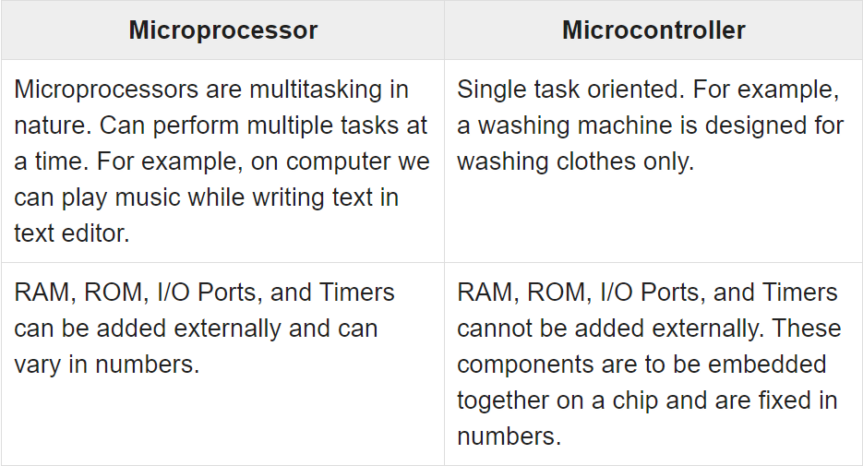
Microprocessor vs Microcontroller
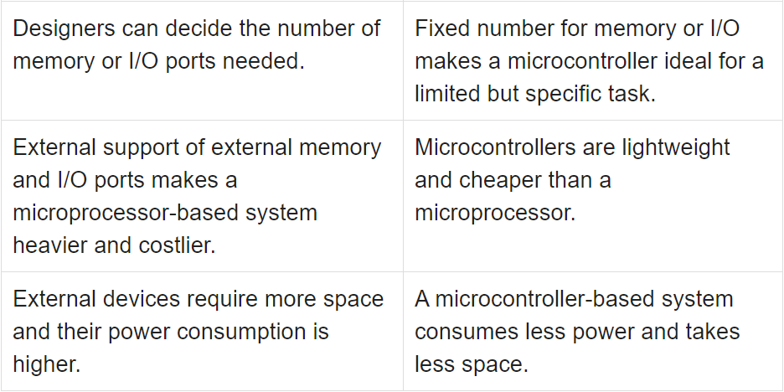

Embedded Systems - Architecture Types
 | In case data and code lie in the same memory block, then the architecture is referred as Von Neumann architecture.
 | When data and code lie in different memory blocks, then the architecture is referred as Harvard architecture.

Von-Neumann Architecture vs Harvard Architecture
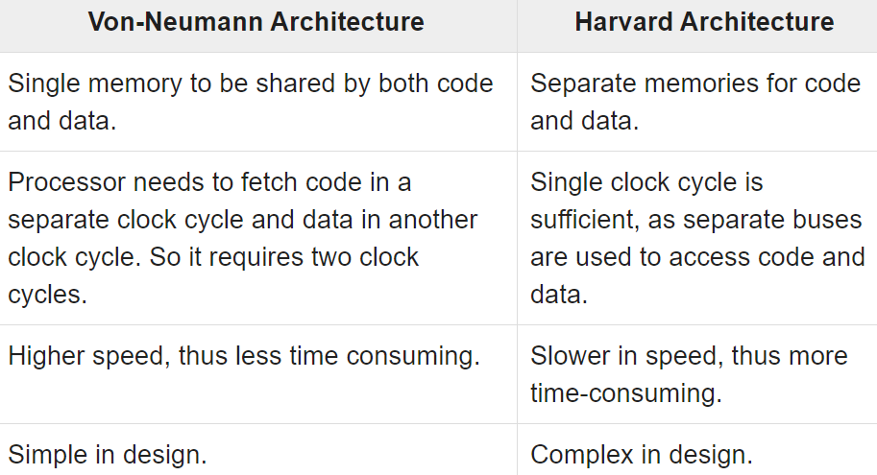

CISC and RISC

Little Endian Vs Big Endian
 | Although numbers are always displayed in the same way, they are not stored in the same way in memory.
 | Big-Endian machines store the most significant byte of data in the lowest memory address. A Big-Endian machine stores 0x12345678 as A0=0x12 ~ A3=0x78
 | Little-Endian machines, on the other hand, store the least significant byte of data in the lowest memory address. A Little-Endian machine stores 0x12345678 as A0=x78 ~ A3=0x12

Embedded Systems - Assembly Language

Embedded Systems - Timer/Counter
 | A timer is a specialized type of clock which is used to measure time intervals. A timer that counts from zero upwards for measuring time elapsed is often called a stopwatch.
 | It is a device that counts down from a specified time interval and used to generate a time delay, for example, an hourglass is a timer.
 | A counter is a device that stores (and sometimes displays) the number of times a particular event or process occurred, with respect to a clock signal.
 | It is used to count the events happening outside the microcontroller.
 | In electronics, counters can be implemented quite easily using register-type circuits such as a flip-flop.

https://www.tutorialspoint.com/embedded_systems/es_addressing_modes.htm
Embedded Systems - Addressing Modes
An addressing mode refers to how you are addressing a given memory location. There are five different ways or five addressing modes to execute this instruction which are as follows −
 | Immediate addressing mode
 | Direct addressing mode
 | Register direct addressing mode
 | Register indirect addressing mode
 | Indexed addressing mode

itvw(em-c)
 | https://aticleworld.com/embedded-c-interview-questions-2/
What is the use of volatile keyword?
 | The volatile keyword tells the compiler not to optimize when applied to a variable. A variable should be declared volatile whenever its value could change unexpectedly and beyond the comprehension of the compiler. Volatile keyword is useful for memory-mapped peripheral registers, global variables modified by an interrupt service routine, global variables accessed by multiple tasks within a multi-threaded application.

What is ISR?
 | These are procedures stored at specific memory addresses which are called when a certain type of interrupt occurs.
Can we pass any parameter and return a value from the ISR?
 | An ISR returns nothing and not allow to pass any parameter.
 | An ISR is called when a hardware or software event occurs, it is not called by the code, so that’s the reason no parameters are passed into an ISR.
 | It is also the reason that an ISR is not returned any value.
What is interrupt latency?
 | interrupt latency is the number of clock cycles that is taken by the processor to respond to an interrupt request.
 | These number of the clock cycle is count between the assertions of the interrupt request and first instruction of the interrupt handler.
What is NVIC in ARM Cortex?
 | The Nested Vector Interrupt Controller (NVIC) in the Cortex-M processor family is an example of an interrupt controller with extremely flexible interrupt priority management.

Can we use any function inside ISR?
 | Yes, you can call a function within the ISR but it is not recommended because it can increase the interrupt latency and decrease the performance of the system.

 | One important point also needs to remember that function which is called from the ISR should be re-entrant. If the called function is not re-entrant, it could create the issues.

What is the start-up code?
 | A start-up code is called prior to the main function, it creates a basic platform for the application.
 | It is a small block of code that is written in assembly language.
 | There are following parts of the start-up code.
 | Declaration of the Stack area.
 | Declaration of the Heap area.
 | Vector table.
 | Reset handler code.
 | Other exception handler code.
What are the start-up code steps?
 | Disable all interrupts. |  |  |  |  |  |  | 어떤 루틴 또는 프로그램이 Thread-safe하다라고 하면 여러 쓰레드에 의해 코드가 실행되더라도 실행 결과의 correctness가 보장되는 것을 뜻합니다. 이에 비해 어떤 루틴 또는 프로그램이 Reentrant하다라고 하면 여러 쓰레드가 코드를 동시에 수행할 수 있고, 그런 경우에도 실행 결과의 correctness가 보장되는 것을 뜻합니다. 출처: https://yesarang.tistory.com/214 [김윤수의 이상계를 꿈꾸며]
 | Copy any initialized data from ROM to RAM.
 | Zero the uninitialized data area.
 | Allocate space for and initialize the stack.
 | Initialize the processor’s stack pointer.
 | Create and initialize the heap.
 | Enable interrupts.
 | Call main.
Infinite loops often arise in embedded systems. How do you code an infinite loop in C?
 | Method 1: |  | Method 2: |  | Method 3:
 | while(1) |  | for(;;) |  | Loop:
 | { |  | { |  | goto Loop;
 | // task |  | // task
 | } |  | }
How to access the fixed memory location in embedded C?
 | uint32_t *ptr;
 | ptr = (int *)0x67a9;
 | *ptr = 0xaa55;
Difference between RISC and CISC processor?
 |  |  | RISC |  |  |  | CISC
 | Acronym |  | Reduced Instruction Set Computer |  |  |  | Complex Instruction Set Computer
 | Definition |  | The RISC processors have a smaller set of instructions with few addressing nodes. |  |  |  | The CISC processors have a larger set of instructions with many addressing nodes.
 | Memory unit |  | It has no memory unit and uses a separate hardware to implement instructions. |  |  |  | It has a memory unit to implement complex instructions.
 | Program |  | It has a hard-wired unit of programming. |  |  |  | It has a micro-programming unit.
 | Design |  | It is a complex complier design. |  |  |  | It is an easy complier design.
 | Calculations |  | The calculations are faster and precise. |  |  |  | The calculations are slow and precise.
 | Decoding |  | Decoding of instructions is simple. |  |  |  | Decoding of instructions is complex.
 | Time |  | Execution time is very less. |  |  |  | Execution time is very high.
 | External memory |  | It does not require external memory for calculations. |  |  |  | It requires external memory for calculations.
 | Pipelining |  | Pipelining does function correctly. |  |  |  | Pipelining does not function correctly.
 | Stalling |  | Stalling is mostly reduced in processors. |  |  |  | The processors often stall.
 | Code expansion |  | Code expansion can be a problem. |  |  |  | Code expansion is not a problem.
 | Disc space |  | The space is saved. |  |  |  | The space is wasted.
 | Applications |  | Used in high-end applications such as video processing, telecommunications and image processing. |  |  |  | Used in low-end applications such as security systems, home automations, etc.

What is the stack overflow?
 | If your program tries to access the beyond the limit of the available stack memory then stack overflow occurs.
 | If stack overflow occurs, the program can crash or you can say that segmentation fault that is the result of the stack overflow.
 | 메모리에 limited stack 영역이 정의되어 있는데, program이 infinite recursive function을 호출한다던지, huge size 데이터를 취급할때, stack overflow가 생길 수 있다. 이것은 segment fault를 일으킬 수 있다.

What is the cause of the stack overflow?
 | Improper use of the recursive function.
 | Passing to much arguments in the function.
 | Passing a structure directly into a function.
 | Nested function calls.
 | Creating a huge size local array.
What is the difference between I2c and SPI communication Protocol?
What is the difference between Asynchronous and Synchronous Communication?
 | Asynchronous Communication |  |  |  |  | Synchronous Communication
 | There is no common clock signal between the sender and receivers. |  |  |  |  | Communication is done by a shared clock.
 | Sends 1 byte or character at a time. |  |  |  |  | Sends data in the form of blocks or frames.
 | Slow as compare to synchronous communication. |  |  |  |  | Fast as compare to asynchronous communication.
 | Overhead due to start and stop bit. |  |  |  |  | Less overhead.
 | Ability to communicate long distance. |  |  |  |  | Less as compared to asynchronous communication.
 | A start and stop bit used for the data synchronization. |  |  |  |  | A shared clock is used for the data synchronization.
 | Economical |  |  |  |  | Costly
 | RS232, RS485 |  |  |  |  | I2C, SPI
What is the difference between RS232 and RS485?
 | Parameter |  |  | RS232 |  |  | RS485
 | Line configuration |  |  | Single –ended |  |  | differential
 | Numbers of devices |  |  | 1 transmitter 1 receiver |  |  | 32 transmitters 32 receivers
 | Mode of operation |  |  | Simplex or full duplex |  |  | Simplex or half duplex
 | Maximum cable length |  |  | 50 feet |  |  | 4000 feet
 | Maximum data rate |  |  | 20 Kbits/s |  |  | 10 Mbits/s
 | signaling |  |  | unbalanced |  |  | balanced
 | Typical logic levels |  |  | +-5 ~ +-15V |  |  | +-1.5 ~ +-6V
 | Minimum receiver input impedance |  |  | 3 ~ 7 K-ohm |  |  | 12 K-ohm
 | Receiver sensitivity |  |  | +-3V |  |  | +-200mV
What is the difference between Bit Rate and Baud Rate?
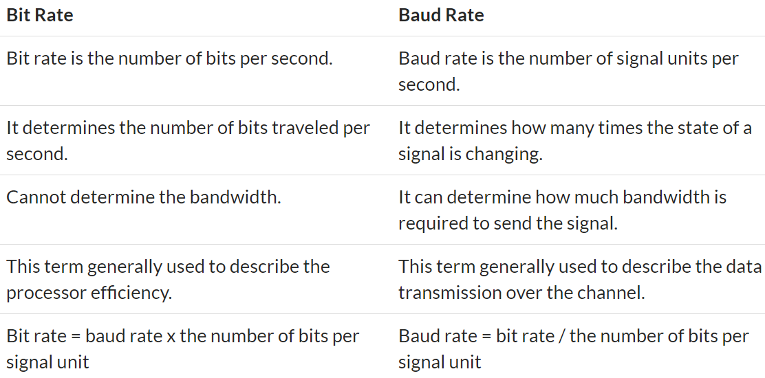

What are the common causes of segmentation fault in C?
 | Dereferencing NULL pointers.
 | Tried to write read-only memory (such as code segment).
 | Trying to access a nonexistent memory address (outside process’s address space).
 | Trying to access memory the program does not have rights to (such as kernel structures in process context).
 | Sometimes dereferencing or assigning to an uninitialized pointer (because might point an invalid memory) can be the cause of the segmentation fault.
 | Dereferencing the freed memory (after calling the free function) can also be caused by the segmentation fault.
 | A stack overflow is also caused by the segmentation fault.
 | A buffer overflow (try to access the array beyond the boundary) is also cause of the segmentation fault.
Size of the integer depends on what?
 | Primarily size of integer depends on the type of the compiler which has written by compiler writer for the underlying processor.
How to set, clear, toggle and checking a single bit in C?
 | Setting a Bits |  | Number | = (1<< nth Position)
 | Clearing a Bits |  | Number &= ~ (1<< nth Position)
 | Checking a Bits |  | Bit = Number & (1 << nth)
 | Toggling a Bits |  | Number ^= (1<< nth Position)
What is the memory leak in C?
 | a memory leak occurs when you allocate a block of memory using the memory management function and forget to release it.

What’s difference between 1’s Complement and 2’s Complement?
 | 1’s complement |  |  |  |  | 2’s complement
 | 1's complement of 7 (0111) is 8 (1000) |  |  |  |  | 2's complement of 7 (0111) is 9 (1001)
 | 1's complement of 12 (1100) is 3 (0011) |  |  |  |  | 2's complement of 12 (1100) is 4 (0100)
 | The main difference between 1′ s complement and 2′ s complement
 | 1′ s complement has two representations of 0, positive (+0, 00000000) and negative (-0, 11111111)
 | whereas in 2′ s complement, there is only one representation for zero

a4academics.com
 | http://a4academics.com/interview-questions/57-c-plus-plus/722-embedded-c-interview-questions?showall=&limitstart=
1) What is the use of volatile keyword?
 | A variable should be declared volatile whenever its value could change unexpectedly and beyond the comprehension of the compiler.
 | Volatile keyword is useful for memory-mapped peripheral registers, global variables modified by an interrupt service routine, global variables accessed by multiple tasks within a multi-threaded application.

2) Can a variable be both const and volatile?
 | Constant addresses of hardware registers
 | volatile int* const a= (int*)0x456789;
3) Can a pointer be volatile?
 | volatile int *p, it means that the pointer itself is not volatile and points to an integer that is volatile.
4) What is size of character, integer, integer pointer, character pointer?
 | The sizeof character is 1 byte.
 | Size of integer is 4 bytes.
 | Size of integer pointer and character is 8 bytes on 64 bit machine and 4 bytes on 32 bit machine.
5) What is NULL pointer and what is its use?
 | The NULL is a macro defined in C. Null pointer actually means a pointer that does not point to any valid location. We define a pointer to be null when we want to make sure that the pointer does not point to any valid location and not to use that pointer to change anything. If we don't use null pointer, then we can't verify whether this pointer points to any valid location or not.

6) What is void pointer and what is its use?
 | The void pointer means that it points to a variable that can be of any type. Generic pointer
7) What is ISR?
 | An ISR(Interrupt Service Routine) is an interrupt handler, a callback subroutine which is called when a interrupt is encountered.
9) What is interrupt latency?
 | Interrupt latency is the time required for an ISR responds to an interrupt.
10) How to reduce interrupt latency?
 | Interrupt latency can be minimized by writing short ISR routine and by not delaying interrupts for more time.
11) Can we use any function inside ISR?
 | We can use function inside ISR as long as that function is not invoked from other portion of the code.
 | reentrance 조건 : 다른 비-재진입 함수를 호출하면 안 된다. 호출자가 호출 시 제공한 매개변수만으로 동작해야 한다. 정적 (전역) 변수의 주소를 반환하면 안 된다. 정적 (전역) 변수를 사용하면 안 된다.

13) Can we put breakpoint inside ISR?
 | Putting a break point inside ISR is not a good idea because debugging will take some time and a difference of half or more second will lead to different behavior of hardware. To debug ISR, definitive logs are better.

15) Is Count Down_to_Zero Loop better than Count_Up_Loops?
 | Count down to zero loops are better. Reason behind this is that at loop termination, comparison to zero can be optimized by the compiler. Most processors have instruction for comparing to zero.

16) What are inline functions?
 | These functions have a small definition and the function body is substituted in each call to the inline function. it results in faster code execution, but it increases code size

 | 컴파일러가 inline함수의 body를 inline 함수 호출되는 곳에 대체한다. 따라서, 함수의 위치를 찾아서 가져오는 작업이 없으므로, 프로그램의 실행 속도가 빨라진다. 하지만, 코드의 크기가 늘어난다.

17) Can include files be nested?
 | Yes. But, including multiple header files may cause your computer to run out of stack memory.
18) What are the uses of the keyword static?

19) What are the uses of the keyword volatile?
 | Rather than optimizing that variable, we want the compiler to load the variable every time it is encountered.
20) What is Top half & bottom half of a kernel?
 | Sometimes to handle an interrupt, a substantial amount of work has to be done.
 | But it conflicts with the speed need for an interrupt handler. To handle this situation, Linux splits the handler into two parts – Top half and Bottom half.
 | The top half is the routine that actually responds to the interrupt. The bottom half on the other hand is a routine that is scheduled by the upper half to be executed later at a safer time.

 | This way the top half can service a new interrupt while the bottom half is working on the previous.
22) What is RTOS?
 | To meet real time requirements, the behaviour of the scheduler must be predictable. This type of OS which have a scheduler with predictable execution pattern is called Real Time OS(RTOS). The features of an RTOS are

 | Context switching latency should be short.
 | Interrupt latency should be short.
 | Interrupt dispatch latency should be short.
 | Reliable and time bound inter process mechanisms.
 | Should support kernel preemption.
23) What is the difference between hard real-time and soft real-time OS?
 | A Hard real-time system strictly adheres to the deadline associated with the task. If the system fails to meet the deadline, even once, the system is considered to have failed.

 | In case of a soft real-time system, missing a deadline is acceptable. In this type of system, a critical real-time task gets priority over other tasks and retains that priority until it completes.

24) What type of scheduling is there in RTOS?
 | RTOS uses pre-emptive scheduling. In pre-emptive scheduling, the higher priority task can interrupt a running process and the interrupted process will be resumed later.

25) What is priority inversion?
 | if the lower-priority task is using the shared resource when the higher-priority task becomes ready, then the higher-priority task must wait for the lower-priority task to finish. In this scenario, even though the task has higher priority it needs to wait for the completion of the lower-priority task with the shared resource.

26) What is priority inheritance?
 | Priority inheritance is a solution to the priority inversion problem. The process waiting for any resource which has a resource lock will have the maximum priority. This is priority inheritance. When one or more high priority jobs are blocked by a job, the original priority assignment is ignored and execution of critical section will be assigned to the job with the highest priority in this elevated scenario. The job returns to the original priority level soon after executing the critical section.

27) How many types of IPC mechanism you know?
 | Pipes
 | Named pipes or FIFO
 | Semaphores
 | Shared memory
 | Message queue
 | Socket
28) What is semaphore?
 | Binary semaphore – It can have only two values (0 and 1). The semaphore value is set to 1 by the process in charge, when the resource is available.
 | Counting semaphore – It can have value greater than one. It is used to control access to a pool of resources.
29) What is spin lock?
 | If a resource is locked, a thread that wants to access that resource may repetitively check whether the resource is available. During that time, the thread may loop and check the resource without doing any useful work.

30) What is difference between binary semaphore and mutex?
 | Mutual exclusion and synchronization can be used by binary semaphore while mutex is used only for mutual exclusion.
 | A mutex can be released by the same thread which acquired it. Semaphore values can be changed by other thread also.
 | From an ISR, a mutex can not be used.
 | The advantage of semaphores is that, they can be used to synchronize two unrelated processes trying to access the same resource.
 | Semaphores can act as mutex, but the opposite is not possible.
31) What is virtual memory?
 | Virtual memory is a technique that allows processes to allocate memory in case of physical memory shortage using automatic storage allocation upon a request. It allows large virtual memory to be provided when only a smaller physical memory is available. Virtual memory can be implemented using paging.

 | A paging system is quite similar to a paging system with swapping. When we want to execute a process, we swap it into memory. Here we use a lazy swapper called pager rather than swapping the entire process into memory. When a process is to be swapped in, the pager guesses which pages will be used based on some algorithm, before the process is swapped out again. Instead of swapping whole process, the pager brings only the necessary pages into memory. By that way, it avoids reading in unnecessary memory pages, decreasing the swap time and the amount of physical memory.

32) What is kernel paging?
 | Paging is a memory management scheme by which computers can store and retrieve data from the secondary memory storage when needed in to primary memory. In this scheme, the operating system retrieves data from secondary storage in same-size blocks called pages. The paging scheme allows the physical address space of a process to be non continuous. Paging allows OS to use secondary storage for data that does not fit entirely into physical memory.

33) Can structures be passed to the functions by value?
 | Yes, but it's not good idea. if the structure is big, then passing the structure by value means copying the whole structure to the function argument stack which can slow the program by a significant amount.

34) Why cannot arrays be passed by values to functions?
 | In C, the array name itself represents the address of the first element. So, even if we pass the array name as argument, it will be passed as reference and not its address.

선행처리(preprocess)란?

35) Advantages and disadvantages of using macro and inline functions?
매크로 함수의 장단점
 | 매크로 함수의 장점은 다음과 같습니다.( #define으로 시작한다.)
 | 1. 매크로 함수는 단순 치환만을 해주므로, 인수의 타입을 신경 쓰지 않습니다.
 | 2. 매크로 함수를 사용하면 여러 개의 명령문을 동시에 포함할 수 있습니다.
 | 3. 함수 호출에 의한 성능 저하가 일어나지 않으므로, 프로그램의 실행속도가 향상됩니다.

 | 매크로 함수의 단점은 다음과 같습니다.
 | 1. 원하는 결과를 얻는 정확한 매크로 함수의 구현은 어려우며, 따라서 디버깅 또한 매우 어렵습니다.
 | 2. 매크로 함수의 크기가 증가하면 증가할수록 사용되는 괄호 또한 매우 많아져서 가독성이 떨어집니다.

 | 따라서 매크로 함수는 크기가 큰 함수보다는 간단한 함수를 대체하는 데 사용하는 것이 좋습니다.
 | #define SQR(X) printf(""#X"의 제곱은 %d입니다.\n", ((X)*(X))) // 3+4의 제곱은 49입니다.
 | #define XN(n) x ## n
 | int XN(1) = 10; // x1에 저장된 값은 10입니다.
매크로 함수와 인라인 함수
 | http://tcpschool.com/c/c_prepro_macroFunc
 | 매크로 함수는 #define을 통해 정의된다.
 | 매크로 함수를 일반 함수처럼 사용하기 위해서는 모든 인수를 괄호({})로 감싸야만 합니다.
 | 인라인 함수는 단순 치환이 아닌 함수의 모든 코드를 호출된 자리에 인라인 코드로 삽입해 주는 것입니다. 따라서 일반 함수처럼 값이나 수식을 인수로 전달할 수 있으며, 매개변수 타입에 맞춘 자동 타입 변환도 지원합니다.

인라인 함수(inline function)
 | http://tcpschool.com/cpp/cpp_cppFunction_inlineFunction
 | 인라인 함수는 호출될 때 일반적인 함수의 호출 과정을 거치지 않고, 함수의 모든 코드를 호출된 자리에 바로 삽입하는 방식의 함수입니다. 이 방식은 함수를 호출하는 데 걸리는 시간은 절약되나, 함수 호출 과정으로 생기는 여러 이점을 포기하게 됩니다. 따라서 코드가 매우 적은 함수만을 인라인 함수로 선언하는 것이 좋습니다.

36) What happens when recursive functions are declared inline?
 | Obviously, the compiler won't be able to inline a recursive function infinitely. It may not inline it at all or it may inline it, just a few levels deep.
37) #define cat(x,y) x##y concatenates x to y. But cat(cat(1,2),3) does not expand but gives preprocessor warning. Why?
 | https://dojang.io/mod/page/view.php?id=656
 | The cat(x, y) expands to x##y. It just pastes x and y. But in case of cat(cat(1,2),3), it expands to cat(1,2)##3 instead of 1##2##3. That is why it is giving preprocessor warning.
42) What will be the output of the following code fragment?
 | char *ptr;
 | if ((ptr = (char *)malloc(0)) == NULL)
 | The output will be “Got a valid pointer”. It is because malloc(0) returns a valid pointer, but it allocates size 0. So this pointer is of no use, but we can use this free pointer and the program will not crash.

46) What is the concatenation operator?
 | #define SOME_MACRO(a, b) a##b
 | main()
 | {
 | int var = 15;
 | printf(“%d”, SOME_MACRO(v, ar)); // 15
 | }
48) Guess the output:
 | #include <stdio.h> |  |  |  |  |  |  | P_PID 3158, hello! P_PID 3160, hello! C_PID 3161, hello! C_PID 3162, hello! P_PID 3159, hello! P_PID 3163, hello! C_PID 3165, hello! C_PID 3164, hello! // tcpschool IDE 이용할 것
 | #include <unistd.h>
 | int main() |  |  | // m
 | {
 |  | pid_t pid; |  |  | fork 2개 | fork 3개
 |  |  |  |  | m | m
 |  | pid=fork(); |  | // a | ab | abcc
 |  | pid=fork(); |  | // b | b | bc
 |  | pid=fork(); |  | // c |  | c
 |  | if( pid>0)
 |  |  | printf("P_PID %d, hello!\n", getpid());
 |  | else if( pid==0)
 |  |  | printf("C_PID %d, hello!\n", getpid());
 |  | else
 |  |  | return -1;
 |  | return 0;
 | }
 | fork 함수를 호출하는 프로세스는 부모 프로세스가 되고 새롭게 생성되는 프로세스는 자식 프로세스가 됩니다.
 | fork 함수에 의해 생성된 자식 프로세스는 부모 프로세스의 메모리를 그대로 복사하여 가지게 됩니다.
 | 그리고 fork 함수 호출 이후 코드부터 각자의 메모리를 사용하여 실행됩니다
 | https://codetravel.tistory.com/23

54) What is job of preprocessor, compiler, assembler and linker ?
 | 선행처리기(preprocessor)에 의한 선행처리
 |  | 소스 파일 중에서도 선행처리 문자(#)로 시작하는 선행처리 지시문(preprocessing directives)의 처리 작업을 의미합니다.
 |  | 선행처리기는 코드를 생성하는 것이 아닌, 컴파일하기 전 컴파일러가 작업하기 좋도록 소스를 재구성해주는 역할만을 합니다.
 | 컴파일러(compiler)에 의한 컴파일
 |  | 컴파일이 끝나 기계어로 변환된 파일을 오브젝트 파일(object file)이라고 합니다.
 | 링커(linker)에 의한 링크
 |  | 컴파일러에 의해 생성된 오브젝트 파일은 운영체제와의 인터페이스를 담당하는 시동 코드(start-up code)를 가지고 있지 않습니다. 또한, 대부분의 C 프로그램에서 사용하는 C 표준 라이브러리 파일도 포함되어 있지 않습니다. 이때 하나 이상의 obj 파일과 library 파일, start-up 코드 등을 합쳐 하나의 파일로 만드는 작업을 링크(link)라고 합니다.

55) What is the difference between static linking and dynamic linking ?
 | In static linking, all the library modules used in the program are placed in the final executable file making it larger in size.
 | This is done by the linker. If the modules used in the program are modified after linking, then re-compilation is needed.
 | The advantage of static linking is that the modules are present in an executable file. We don't want to worry about compatibility issues.
 | In case of dynamic linking, only the names of the module used are present in the executable file and the actual linking is done at run time when the program and the library modules both are present in the memory. That is why, the executables are smaller in size. Modification of the library modules used does not force re-compilation. But dynamic linking may face compatibility issues with the library modules used.

56) What is the purpose of the preprocessor directive #error?
 | Preprocessor error is used to throw a error message during compile time.

57) On a certain project it is required to set an integer variable at the absolute address 0x67a9 to the value 0xaa55.
 | int *ptr;
 | ptr = (int *)0x67a9;
 | *ptr = 0xaa55;
58) Significance of watchdog timer in Embedded Systems.
 | https://www.embedded.com/introduction-to-watchdog-timers/
 | 컴퓨터의 오작동을 탐지하고 복구하기 위해 쓰이는 전자 타이머이다.
 | 워치독 타이머는 프로세서 리셋, 차단 불가능 인터럽트, 차단 가능 인터럽트, 전원 껐다 켜기, 안전모드 상태 활성화 또는 이들의 조합을 포함하는 몇 가지 유형의 시정 조치를 취할 수 있다.
 | For those embedded systems that can't be constantly watched by a human, watchdog timers may be the solution.
 | // Kicking the dog |  |  |  |  |  |  |  | The hardware implementation of this watchdog allows the counter value to be set via a memory-mapped register. If the watchdog timer's counter is initialized to a value that corresponds to five milliseconds of elapsed time, say 10,000, and the software has no bugs, the watchdog timer will never expire; the software will always restart the counter before it reaches zero.
 | uint16 volatile * pWatchdog = (uint16 volatile *) 0xFF0000;

 | main(void)
 | {
 | hwinit();
 | for (;;)
 | {
 | *pWatchdog = 10000;
 | read_sensors();
 | control_motor();
 | display_status();
 | }
 | }

59) Why ++n executes faster than n+1?
 | The expression ++n requires a single machine instruction. In case of n+1, other instructions are required to load the value of n. That is why ++n is faster.
60) What is wild pointer?
 | A pointer that is not initialized to any valid address or NULL is considered as wild pointer.
61) What is dangling pointer?
 | If a pointer is de-allocated or freed and the pointer is not assigned to NULL
62) Write down the equivalent pointer expression for referring the same element a[i][j][k][l] ?
 | a[i][j] == *(*(a+i)+j)
 | a[i][j][k] == *(*(*(a+i)+j)+k)
 | a[i][j][k][l] == *(*(*(*(a+i)+j)+k)+l)
63) Which bit wise operator is suitable for checking whether a particular bit is on or off?
 | bit = (byte >> 4) & 0x01; // bit = ( byte >> (pos-1) ) & 0x01;
 | Here, shifting byte by 4 position means taking 5'th bit to first position and "Bitwise And" will get the value in 0 or 1.
64) When should we use register modifier?
 | The register modifier is used when a variable is expected to be heavily used and keeping it in the CPU’s registers will make the access faster.
65) Why doesn't the following statement work?
 | char str[ ] = "Hello" ; |  |  |  | The string function strcat( ) concatenates two strings. strcat ( str, "!" ) ;
 | strcat ( str, '!' ) ;
68) Write a code fragment to set and clear only bit 3 of an integer.
 | #define BIT(n) (0x1 << n)
 | int a;
 | void SetBit3()
 | {
 | a |= BIT(3);
 | }
 | void ClearBit3()
 | {
 | a &= ~BIT(3);
 | }
69) What is wrong with this code?
 | int square(volatile int *p) |  |  |  |  | int square(volatile int *p)
 | { |  |  |  |  | {
 | return *p * *p; |  |  |  |  | int a = *p;
 | } |  |  |  |  | return a*a;
 |  |  |  |  |  | }
70) Is the code fragment given below is correct? If so what is the output?
 | int i = 2, j = 3, res;
 | res = i+++j; |  |  | // res = 5

Reentrant
 | https://ko.wikipedia.org/wiki/%EC%9E%AC%EC%A7%84%EC%9E%85%EC%84%B1
 | 즉 재진입이 가능한 루틴은 동시에 접근해도 언제나 같은 실행 결과(correctness)를 보장한다. 재진입이 가능하려면 함수는 다음 조건을 만족하여야 한다.
 | 정적 (전역) 변수를 사용하면 안 된다.
 | 정적 (전역) 변수의 주소를 반환하면 안 된다.
 | 호출자가 호출 시 제공한 매개변수만으로 동작해야 한다.
 | 싱글턴 객체의 잠금에 의존하면 안 된다.
 | 다른 비-재진입 함수를 호출하면 안 된다.
 | int g_var = 1; |  |  | f 함수는 전역 변수 g_var에 의존하고 있다. 만약 두 개의 스레드가 이 함수를 실행하여 g_var에 동시에 접근할 경우, 결과는 실행되는 시점에 따라서 바뀌게 된다. 그러므로 f는 재진입성을 가지지 않는다. g 함수는 비-재진입 함수 f를 호출하기 때문에 역시 재진입이 불가능하다. |  |  |  |  |  | int f(int i) | int g(int i)
 | int f() |  |  |  |  |  |  |  |  | { | {
 | { |  |  |  |  |  |  |  |  | int priv = i; | int priv = i;
 | g_var = g_var + 2; |  |  |  |  |  |  |  |  | priv = priv + 2; | return f(priv) + 2;
 | return g_var; |  |  |  |  |  |  |  |  | return priv; | }
 | } |  |  |  |  |  |  |  |  | }
 | int g()
 | { |  |  |  |  |  |  |  |  | reentrant function
 | return f() + 2;
 | }
 | 대부분의 경우에서 비-재진입 함수를 재진입이 가능하도록 만들려면 함수의 호출자가 제공하는 데이터와 같은 외부 인터페이스를 고쳐야 한다. 스레드-안전하지 않은 함수를 스레드-안전하게 고치려면 경합 조건에서 공유 자원을 보호하도록 동기화 코드를 추가시키는 것과 같이 내부 구현만 수정하면 된다. 그러므로 재진입성은 스레드 안전성보다 더 강한 의미를 가진다: 모든 재진입 함수는 스레드-안전하지만, 모든 스레드 함수가 재진입이 가능한 것은 아니다.

thread safety
 | https://ko.wikipedia.org/wiki/%EC%8A%A4%EB%A0%88%EB%93%9C_%EC%95%88%EC%A0%84
 | 보다 엄밀하게는 하나의 함수가 한 스레드로부터 호출되어 실행 중일 때, 다른 스레드가 그 함수를 호출하여 동시에 함께 실행되더라도 각 스레드에서의 함수의 수행 결과가 올바로 나오는 것으로 정의한다.

 | 재진입성: 어떤 함수가 한 스레드에 의해 호출되어 실행 중일 때, 다른 스레드가 그 함수를 호출하더라도 그 결과가 각각에게 올바로 주어져야 한다.
 | 상호 배제: 공유 자원을 꼭 사용해야 할 경우 해당 자원의 접근을 세마포어 등의 락으로 통제한다.
 | 스레드 지역 저장소: 공유 자원의 사용을 최대한 줄여 각각의 스레드에서만 접근 가능한 저장소들을 사용함으로써 동시 접근을 막는다.
 | 원자 연산: 공유 자원에 접근할 때 원자 연산을 이용하거나 '원자적'으로 정의된 접근 방법을 사용함으로써 상호 배제를 구현할 수 있다.

itvw(C++)
C++ Interview Questions,Your interviewer might ask
https://aticleworld.com/cpp-interview-questions/
What is difference between in C and C++?
 | C | C++
 | procedural programming | both procedural and object oriented programming
 |  | OOP: polymorphism, encapsulation, and inheritance.
 | not support function and operator overloading.
 | not allow functions to be defined inside structures. | functions can be used inside a structure.
 | no support for virtual and friend functions. | supports virtual and friend functions.
 | memory functions: malloc, calloc, free | new, delete

Why is the size of an empty class not zero in C++?
 | It is 1 byte generally. It is nonzero to ensure that the two different objects will have different addresses.

What are C++ access specifiers ?
 | Private, Public and Protected
What are the various OOPs concepts in C++?
 | Classes
 | Encapsulation
 | Abstraction
 | Inheritance
 | Polymorphism

What are the differences between a C++ struct and C++ class?
 | A class can also contain functions [called methods].
 | The member variables and methods are hidden from the outside world, unless their declaration follows a public label.
 | There can be a pair of special methods – the constructor and destructor – that are run automatically when an instance of the class [an object] is created and destroyed.
 | Operators to work on the new data type can be defined using special methods [member functions].
 | One class can be used as the basis for the definition of another [inheritance].
 | Declaring a variable of the new type [an instance of the class; an object] requires just the name of the class – the keyword class is not required.

What is difference between new and malloc?
 | Both are used for same purpose, but still they have some differences, the differences are:
 | new is an operator whereas malloc() is a library function. new allocates memory and calls constructor for object initialization.
 | But malloc() allocates memory and does not call constructor.
What is a namespace?
 | In computing, a namespace is a set of symbols that are used to organize objects of various kinds, so that these objects may be referred to by name.

What is Overriding?

How to create .dll in C++ and how to link .dll in your code?
What is overloading?
How to create and use a reference variable in c++?
Can you overload a function based only on whether a parameter is a value or a reference?
What is difference between function overloading and Operator Overloading?
Can we access private data members of a class without using a member or a friend function?
What is the use of inline function?
how to access derived class function from base class object without using virtual function?
Distinguish between shallow copy and deep copy.
Friend class and function in C++
what is difference between constructor and destructor?
How are .h files loaded and linked with their .c files?
What Is Inheritance?
What is “this” pointer?
What is difference between delete and free?
 | delete is an operator whereas free() is a library function. delete deallocates memory and calls descructor for object.
 | But free() deallocates memory and does not call destructor.

What is encapsulation?
What is static Member in c++?
What is a pure virtual function in c++?
Count the number of words, characters, and lines in a file?
Any fundamental difference between source and header files in C?
Can a C++ class member function template be virtual?
What is the Diamond problem? How can we get around it?
What are the advantages of inheritance?
why virtual functions cannot be static in c++?
How does the compilation/linking process work?
Can you explain the order of execution in constructor initialization list?
How to make a C++ class whose objects can only be dynamically allocated?
Is it possible to have Virtual Constructor? If yes, how? If not, Why not possible?
What is a constructor? Is default constructor exist in C++?
Can a constructor throw an exception? How to handle the error when the constructor fails?
What is the difference between a copy constructor and an overloaded assignment operator?
When are copy constructors called in C++?
Why copy constructor takes the parameter as a reference in C++?
What do you mean by inline function?
What is a template function?
Can we combine c and C++ code?
What is shared pointer in c++?
What is typecasting?
Why is a pure virtual function initialized by 0?
How to create multidimensional arrays using new?
When should static_cast, dynamic_cast, const_cast and reinterpret_cast be used?
 | static_cast : 우리가 흔히 생각하는, 언어적 차원에서 지원하는 일반적인 타입 변환
 | const_cast : 객체의 상수성(const) 를 없애는 타입 변환. 쉽게 말해 const int 가 int 로 바뀐다.
 | dynamic_cast : 파생 클래스 사이에서의 다운 캐스팅 (→ 정확한 의미는 나중에 다시 배울 것입니다)
 | reinterpret_cast : 위험을 감수하고 하는 캐스팅으로 서로 관련이 없는 포인터들 사이의 캐스팅 등
Can I free() pointers allocated with new?
How do I convert an integer to a string in C++?
What is the difference between a pointer and a reference?
When should I use references, and when should I use pointers?
What is the assignment operator in c++?
What does the explicit keyword mean?
 | explicit: implicit conversion을 할 수 없도록 컴파일러에게 명시한다. mutable: const 함수 내부에서는 멤버 변수들의 값을 바꾸는 것이 불가능 합니다. 하지만, 만약에 멤버 변수를 mutable 로 선언하였다면 const 함수에서도 이들 값을 바꿀 수 있습니다. explicit 은 해당 생성자가 복사 생성자의 형태로도 호출되는 것을 막게 됩니다.
When do we need to create virtual destructor in our class?
What is Polymorphism?
What is the effect of extern “C” in C++?
What are the different types of polymorphism in C++?
Can a copy constructor accept an object of the same class as a parameter, in place of reference of the object? If No, why not possible?
What about Virtual Destructor?
What is conversion constructor?
 | A conversion constructor is a single-parameter constructor that is declared without the function specifier explicit. The compiler uses conversion constructors to convert objects from the type of the first parameter to the type of the conversion constructor's class.

 | class Y { int a, b; char* name; public: Y(int i) { }; Y(const char* n, int j = 0) { }; }; | // equivalent to // obj1 = Y(2) Y obj1 = 2; // equivalent to // obj2 = Y("somestring",0) Y obj2 = "somestring";

How do you access the static member of a class?
When do we use the Initializer List in C++?
Is it possible to overload the destructor the class?
Which is faster: Stack allocation or Heap allocation
What is auto pointer in C++?
What is the smart pointer in C++?
Can I delete pointers allocated with malloc()?
Can I use realloc() on pointers allocated via new?
Can I call the destructor explicitly?
Can one constructor of a class call another constructor of the same class to initialize the this
object?
What is the difference between an array and a list?
What is a “pure virtual” member function and when it is used?
What are VTABLE and VPTR?
 | https://pabloariasal.github.io/2017/06/10/understanding-virtual-tables/
How to handle the exception in C++?
What is a Memory Leak?
why static functions cannot access non-static variables?
What is a dangling pointer?
What is “mutable” keyword in C++?
What are the debugging methods you use when came across a problem?
STL Containers – What are the types of STL containers?

http://a4academics.com/interview-questions/57-c-plus-plus/419-cpp-interview-questions-answers
1. What is difference between C and C++ ?

2. What is a class?
 | C++에서 클래스(class)란 구조체의 상위 호환으로 이해할 수 있습니다.
 | C++의 구조체는 멤버로 함수를 포함할 수 있기에, C언어의 구조체보다 좀 더 확장된 의미를 가집니다.
 | C++에서 이러한 구조체와 클래스의 차이는 기본 접근 제어의 차이일 뿐, 나머지는 거의 같습니다.
3. What is an Object/Instance?
 | C++에서 클래스는 구조체와 마찬가지로 사용자가 정의할 수 있는 일종의 타입입니다. 따라서 클래스를 사용하기 위해서는 우선 해당 클래스 타입의 객체를 선언해야 합니다. 이렇게 선언된 해당 클래스 타입의 객체를 인스턴스(instance)라고 하며, 메모리에 대입된 객체를 의미합니다. 하나의 클래스에서 여러 개의 인스턴스를 생성할 수 있습니다. 이러한 인스턴스는 독립된 메모리 공간에 저장된 자신만의 멤버 변수를 가지지만, 멤버 함수는 모든 인스턴스가 공유합니다.

4. What do you mean by C++ access specifiers ?
 | Access specifiers are used to define how the members (functions and variables) can be accessed outside the class.
 | private:
 | Members declared as private are accessible only with in the same class and they cannot be accessed outside the class they are declared.
 | public:
 | Members declared as public are accessible from any where.
 | protected:
 | Members declared as protected can not be accessed from outside the class except a child class. This access specifier has significance in the context of inheritance.

5. What are the basics concepts of OOP?
 | how you apply these OOPs concepts in real life. You should be able to give real life examples for each of these concepts, so prepare yourself with few examples before appearing for the interview. It has seen that even the experienced people get confused when it comes to the difference between basic OOP concepts, especially abstraction and encapsulation.

 | Classes and Objects
 | Encapsulation
 | Encapsulation is the mechanism by which data and associated operations/methods are bound together and thus hide the data from outside world. It's also called data hiding. In c++, encapsulation achieved using the access specifiers (private, public and protected). Data members will be declared as private (thus protecting from direct access from outside) and public methods will be provided to access these data.

 | Data abstraction
 | Data abstraction refers to hiding the internal implementations and show only the necessary details to the outside world.
 | Abstraction means displaying only essential information and hiding the details. Data abstraction refers to providing only essential information about the data to the outside world, hiding the background details or implementation.

 | 나의 예를 들자.
 | Inheritance
 | Inheritance allows one class to inherit properties of another class. In other words, inheritance allows one class to be defined in terms of another class.
 | Polymorphism
 | https://www.geeksforgeeks.org/polymorphism-in-c/
 | The word polymorphism means having many forms.
 | Compile time Polymorphism : function overloading or operator overloading
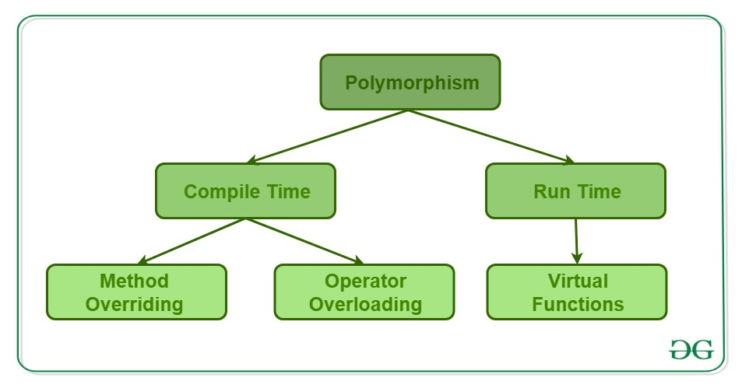
 | Runtime Polymorphism : Function Overriding.

6. What is the use of volatile keyword in c++? Give an example.
 | int i=0;
 | while( i != 10 ) i++; ===> | i=10; // compiler optimizing

reentrance
 | https://ko.wikipedia.org/wiki/%EC%9E%AC%EC%A7%84%EC%9E%85%EC%84%B1
 | 즉 재진입이 가능한 루틴은 동시에 접근해도 언제나 같은 실행 결과를 보장한다. 재진입이 가능하려면 함수는 다음 조건을 만족하여야 한다.
 | 정적 (전역) 변수를 사용하면 안 된다.
 | 정적 (전역) 변수의 주소를 반환하면 안 된다.
 | 호출자가 호출 시 제공한 매개변수만으로 동작해야 한다.
 | 싱글턴 객체의 잠금에 의존하면 안 된다.
 | 다른 비-재진입 함수를 호출하면 안 된다.
 | 다음 C 코드에서 f와 g 함수는 재진입이 불가능하다.
 | int g_var = 1;
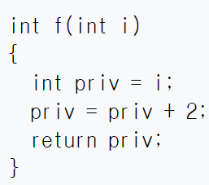
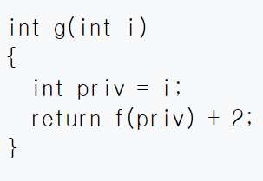
 | int f()
 | {
 | g_var = g_var + 2;
 | return g_var;
 | }
 | int g()
 | {
 | return f() + 2;
 | }
 | 위 코드에서 f 함수는 전역 변수 g_var에 의존하고 있다. 만약 두 개의 스레드가 이 함수를 실행하여 g_var에 동시에 접근할 경우, 결과는 실행되는 시점에 따라서 바뀌게 된다.
 | 그러므로 f는 재진입성을 가지지 않는다. g 함수는 비-재진입 함수 f를 호출하기 때문에 역시 재진입이 불가능하다.
 | 이 함수를 다음과 같이 고치면 재진입이 가능하다.

7. In how many ways we can initialize an int variable in C++?
 | Traditional C++ initilization | int i = 10;
 | Using C++ constructor notation | int i(10);
8. What is implicit conversion/coercion in c++?
 | double result1 = 5 + 3.14; | // int형 데이터가 double형으로 자동 타입 변환
 | double result2 = 5.0f + 3.14; | // float형 데이터가 double형으로 자동 타입 변환
9. What are C++ inline functions?
 | C++ inline functions are special functions, for which the compiler replaces the function call with body/definition of function. Inline functions makes the program execute faster than the normal functions

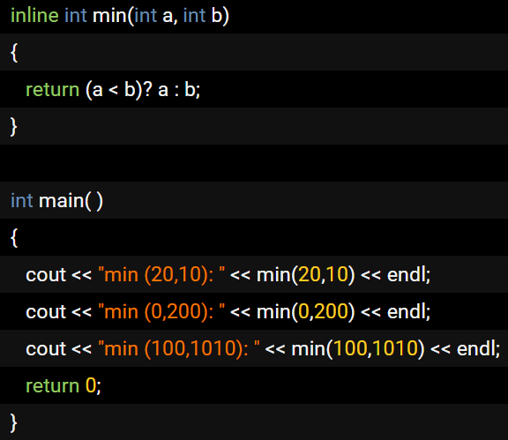

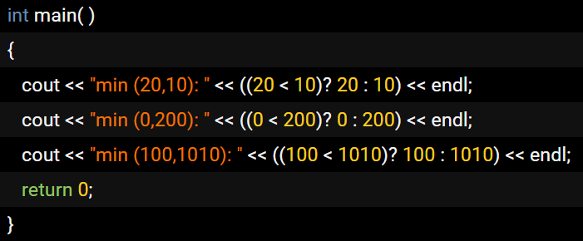

10. What do you mean by translation unit in c++?
 | When you consider a source file, at the preprocessing stage, some extra content may get added to the source code ( for example, the contents of header files included) and some content may get removed( for example, the part of the code in the #ifdef of #ifndef block which resolve to false/0 based on the symbols defined).

11. What do you mean by internal linking and external linking in c++?
 | [This interview question is related to questions on "translation unit" and "storage classes"]
 | http://tcpschool.com/cpp/cpp_scope_scopeLinkage
 | 유효 범위(scope)란 하나의 변환 단위(translation unit) 내에서 해당 변수가 사용될 수 있는 범위를 나타냅니다.
 | 함수 내에서 선언된 변수는 함수 내에서만 사용할 수 있습니다.
 | 또한, 함수 밖에서 선언된 변수는 변수가 선언된 이후에 나오는 모든 함수에서 사용할 수 있습니다.
 | 연결(linkage)이란 해당 변수를 사용할 수 있는 파일의 접근 가능 여부를 나타냅니다.
 | 외부 연결(external linkage)을 가지는 변수는 여러 파일에서 사용할 수 있습니다.
 | 하지만 내부 연결(internal linkage)을 가지는 변수는 하나의 파일에서만 사용할 수 있습니다.
 | 또한, 함수 내에서 선언된 변수는 함수 밖에서는 사용할 수 없으므로 연결을 가지지 않습니다.

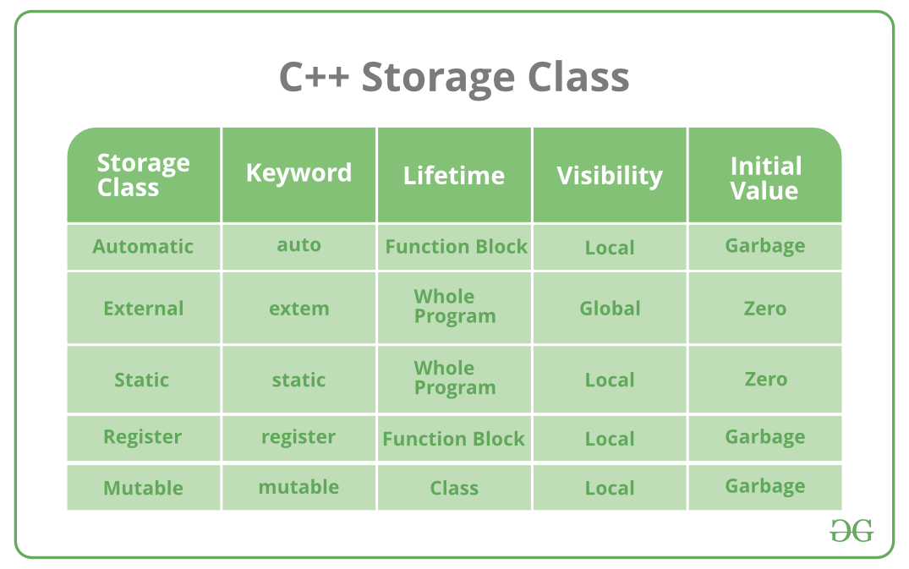
12. What do you mean by storage classes?
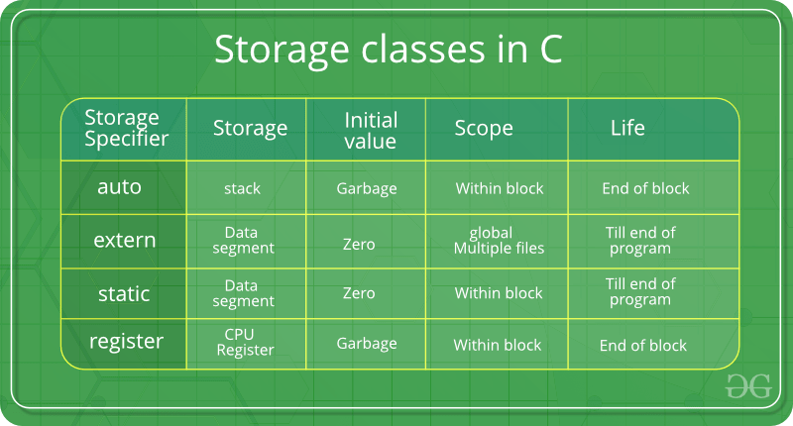

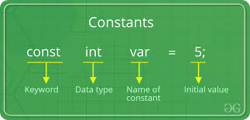

 |  | scope = visibility

13. How many storage classes are available in C++?

14. What is 'Copy Constructor' and when it is called?
 | http://tcpschool.com/cpp/cpp_conDestructor_copyConstructor
 | shallow copy vs deep copy
 | shallow copy : copy an object using assignment operator. 값을 복사하는 것이 아닌, 값을 가리키는 포인터를 복사한다.
 | Book web_book("HTML과 CSS", 350);
 | Book html_book = web_book;

 | deep copy : 자신과 같은 클래스 타입의 다른 객체에 대한 참조(reference)를 인수로 전달받아, 그 참조를 가지고 자신을 초기화하는 방법. 완전한 독립성을 가지게 해줍니다.
 | Book(const Book&); // 자신과 같은 클래스 타입의 다른 객체에 대한 참조(reference)를 인수로 전달
 | Book web_book("HTML과 CSS", 350);
 | Book html_book(web_book);
 | This is a frequent c++ interview question. Copy constructor is a special constructor of a class which is used to create copy of an object. Compiler will give a default copy constructor if you don't define one. This implicit constructor will copy all the members of source object to target object.

 | Implicit copy constructors are not recommended, because if the source object contains pointers they will be copied to target object, and it may cause heap corruption when both the objects with pointers referring to the same location does an update to the memory location. In this case its better to define a custom copy constructor and do a deep copy of the object.

15. What is realloc() and free()? What is difference between them?
 | void* realloc (void* ptr, size_t size)
 | void free (void* ptr)
16. What is difference between shallow copy and deep copy? Which is default?
 | When you do a shallow copy, all the fields of the source object is copied to target object as it is. That means, if there is a dynamically created field in the source object, shallow copy will copy the same pointer to target object. So you will have two objects with fields that are pointing to same memory location which is not what you usually want.

 | In case of deep copy, instead of copying the pointer, the object itself is copied to target. In this case if you modify the target object, it will not affect the source. By default copy constructors and assignment operators do shallow copy. To make it as deep copy, you need to create a custom copy constructor and override assignment operator.

 | shallow copy : default copy constructor by compiler and assignment operator
 | deep copy : customer copy constructor and assignment operator overriding
17. What do you mean by persistent and non persistent objects?
 | [This question may be asked in many ways during c++ interviews, like how to send an object to a remote computer or how to save the your program state across application restarts. All these are related to serialization.]

18. Is it possible to get the source code back from binary file?
 | Technically it is possible to generate the source code from binary. It is called reverse engineering. There are lot of reverse engineering tools available.
 | But, in actual case most of them will not re generate the exact source code back because many information will be lost due to compiler optimization and other interpretations.
19. What are virtual functions and what is its use?
 | Virtual functions are member functions of class which is declared using keyword 'virtual'.
 | function overriding이 사용되었고, virtual destructor 필요.

20. What do you mean by pure virtual functions in C++? Give an example?
 | Pure virtual function is a function which doesn't have an implementation and the same needs to be implemented by the the next immediate non-abstract class. (A class will become an abstract class if there is at-least a single pure virtual function and thus pure virtual functions are used to create interfaces in c++).

21. Why pure virtual functions are used if they don't have implementation / When does a pure virtual function become useful?
 | shapes class can include it's area function. But, there is no common information about every shape, such as triangle, rectangulr and circle.
 | 도형을 상속받는 삼각형, 사각형, 원 등이 있다고 가정하면, shape class에 이들을 위한, area를 계산하는 함수를 정의할 수 없다.
22. What is virtual destructors? Why they are used?
 | Person* hong = new Student; | virtual destructor를 사용하지 않는다면, delete 키워드는 ~Student() 소멸자를 호출하지 않고, ~Person() 소멸자를 호출할 것입니다. Person 클래스의 소멸자를 가상으로 선언한다면, 위의 구문은 정상적으로 ~Student() 소멸자를 호출할 것입니다.
 | ...
 | delete hong;
23. What you mean by early binding and late binding? How it is related to dynamic binding?
 | Binding is the process of linking actual address of functions or identifiers to their reference.
 | During compilation : early binding, static binding such as function overriding
 | At runtime : late binding, dynamic binding such as virtual function
 | http://tcpschool.com/cpp/cpp_polymorphism_virtual
 | late binding->dynamic binding -> decided at runtime -> virtual function table -> virtual function
 | early binding -> static binding -> at compile time -> function overriding
24. What is meant by reference variable in C++?
 | In C++, reference variable allows you create an alias (second name) for an already existing variable.
 | both the variable and reference variable are attached to same memory location.
 | When a reference variable is created, it should be initialized at the same time.
25. What are the difference between reference variables and pointers in C++?
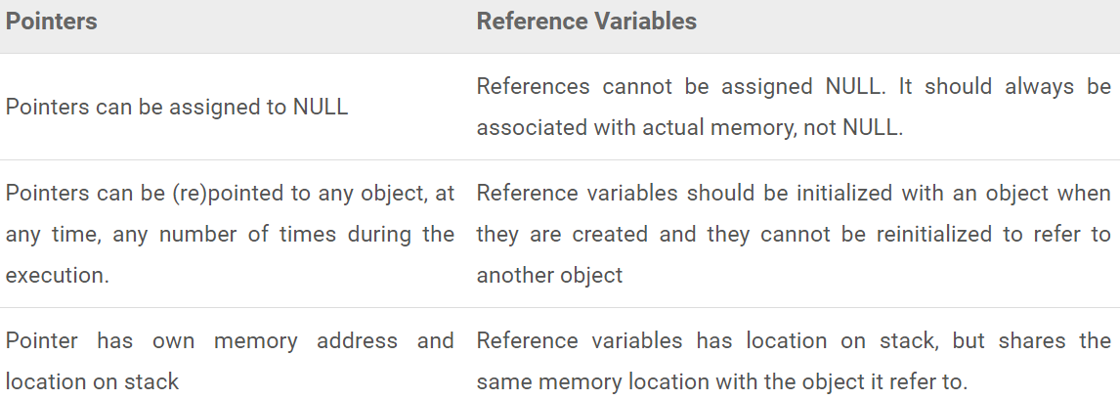

https://www.thecrazyprogrammer.com/2015/10/cpp-interview-questions-and-answers.html
1. What is Object Oriented Programming Approach?
 | Object Oriented Programming is an approach that provides a way of modularizing programs by creating partitioned memory area for data as well as functions that can be used as templates for creating copies of such modules on demand. OOP allows decomposition of a problem into a number of entities called Objects and then builds data and functions around these objects.

2. What is a Class?
 | An entire set of data and code of an object can be made user-defined data type using a class. Objects are variables of Class type. Once a Class has been defined, we can create numerous Objects of its type. A Class is a collection of Objects of similar type.

3. What is Hierarchical Inheritance?
 | Hierarchical Inheritance occurs when traits of one Class is inherited by more than one classes.
4. What are Iterators in C++ STL?
 | Iterators behave similar to Pointers and are used to access container elements. They are used to traverse from one element to another. This process is known as ‘iterating through the container’.

5. What is Polymorphism?
 | It is the ability to showcase or exhibit different behaviors under different instances. The process of making and Operator or a Function behave differently in different instances is known as Operator Overloading.

6. What is iostream?
 | iostream is a header file in C++. It includes function prototypes for Standard Input Output Functions which include definitions for cout and cin too. The header file is declared as #include<iostream>

7. What is Dynamic Binding?
 | Binding is the linking of a procedure call to the code to be executed in response to the call. Dynamic Binding is also know as Late Binding which means that the code associated with a given procedure call is unknown until the time of call at run-time.

8. What are the applications of Object Oriented Programming?
 | The areas of applications for OOP includes:
 | 1. Artificial Intelligence Systems
 | 2. Simulation and Modelling
 | 3. Real-Time Systems
 | 4. Neural networks and Parallel Programming
 | 5. Object Oriented Databases
9. What is a Destructor?
 | A Destructor is used to destroy the objects that have been created by Constructor. It is basically used to clean up storage that is no longer accessible. A Destructor is a member function. Its name is the same as the class name but is preceded by a Tilde.

10. What is a Namespace?
 | It is mandatory that all the C++ programs must include Namespaces. Namespaces in C++ defines a scope for the identifiers that are used in the program.
11. What is Enumerated Data Type?
 | An Enumerated Data Type is another User-Defined Type which provides a way for attaching numbers, thereby increasing comprehensibility of the program code. The enum keyword automatically enumerates a list of words by assigning them values 0,1,2,3, and so on.

12. What are Lists in C++ STL?
 | A List is another very important Container in C++. It supports bidirectional, linear list and provides and efficient implementation for deletion and insertion operatons. A List can only be sequentially accessed.

13. Enlist Operators in C++.
 | new Memory allocation operator
 | .* Pointer to Member Operator
 | endl Line feed operator
 | :: Scope Resolution Operator
 | ::* Pointer to Member Declarator
 | delete Memory Release Operator
 | ->* Pointer to Member Operator
 | setw Field width operator
14. Explain catch block in C++ Exception Handling.
 | A catch block is defined by keyword catch that catches Exceptions thrown in by throw block and then handles it accordingly. The catch block that intercepts an exception immediately follow the try block that throws the exception. There can be multiple catch statements in a single program.

15. What is Function Prototyping?
 | A Function Prototype depicts the function interface to the compiler by providing the details regarding Number and Type of arguments and the type of return values. With function or method prototyping, a template is always used when declaring and defining a function.

16. What is the ifstream() method?
 | ifstream() method provides input operations. It contains open() method with default input mode. It also inherits functions such as get(), getline(), read(), seekg() and tellg() functions from istream.
17. What is Multilevel Inheritance?
 | The mechanism of deriving a Class from a previously Derived Class is known as Multiple Inheritance.
18. What is an Object?
 | Objects are basic Run-Time entities in an Object oriented system. They may represent a place, a bank account or a person. Objects are essentially the variables that are of Class types.
19. What is an Inline Function?
 | To eliminate the cost of calls and few other overheads to small functions, C++ provides a new feature called Inline Function. An inline function is a function that is expanded in line when it is invoked. This helps to save memory space. This is some what similar to Macro Expansion.

20. What are Visibility Labels in C++?
 | The keywords Public, Protected and Private are known as Visibility Labels in C++. By default, the members of any Class are private. A Class which has a Visibility label private is completely hidden from the external environment and does not serve any purpose. A Class with Public Label is visible to the other functions and classes.

21. What are Derived Containers in C++ STL?
 | The Characteristics of a Static Data Member Variable are:
 | 1. It is initialized to Zero when the first object of its Class are created.
 | 2. It is visible only within that class, but its lifetime is the entire program.
 | 3. Only one copy of that member is created for the entire class and is shared by all the objects of that class irrespective of the number of objects are created.
22. Enlist the characteristics of Friend Functions.
 | 1. It is not in the scope of the class to which it has been declared as a Friend.
 | 2. Since it’s not in the scope of the class, it cannot be called using Object of that Class.
 | 3. It can be invoked like a normal function without the help of any object.
 | 4. Usually , it has the Objects as Arguments.
 | 5. It can be declared either in public or in the private part of a Class without affecting its meaning.
23. What is a Constructor?
 | A Constructor is a special member function whose primary task is to initialize objects of its class. The constructor is invoked whenever an object of its class with which it is associated to is created. It is named as constructor because it constructs the values of class data members. It is special because its name is the same as its class name.

24. What is Hybrid Inheritance?
 | A Hybrid Class is the one that is derived from numerous classes; it can be derived from a parent as well as a child class. There is no sequence as such. It all depends on the needs of such a class.
25. What are cout and cin?
 | cout is the object of ostream class. The cout stream is by default linked to console output device.It is basically used to output the characters on the console screen. It similar to printf in C.
 | cin is the object of istream class. The cin stream is by default linked to console input device. It is basically used to extract the characters form the User. It similar to scanf in C.
26. What is a Virtual Function?
 | When a method is declared as Virtual method, the C++ compiler determines which function should be used as runtime based on the type of object pointed to by the base pointer, rather than the type of pointer. When we use the same method name in derived as well as base class, the method in base class is declared a virtual using the keyword virtual preceding its normal declaration.

27. What is Data Abstraction?
 | Data Abstraction is basically representing important features without taking care of the background details and information. Since the Classes use concept of Data Abstraction, they are known as Abstract Data Types.

 | STL povides three derived containers named as Queue, Stack and Priority_Queue. These are also known as Container Adapters. These can be developed from different Sequence containers. All of them offer two main functions viz., push() and pop().

28. What are static Data Members in C++?
 | The Characteristics of a Static Data Member Variable are:
 | 1. It is initialized to Zero when the very first object of its Class are created.
 | 2. It is visible only within that class, but its lifetime is the entire program.
 | 3. Only single copy of that member is created for the whole class and is shared by all the objects of that class irrespective of the number of objects created.
29. Enlist the characteristics of Friend Functions.
 | 1. Usually, it has the Objects as Arguments.
 | 2. As it’s not in the scope of the class, it cannot be called using Object of that Class.
 | 3. It is not in the scope of the class to which it has been declared as a Friend.
 | 4. It can be declared either in public or in the private part of a Class without affecting its meaning.
 | 5. It can be invoked like a normal function without the help of any object.
30. What is a Constructor?
 | A Constructor is a special member function or a method whose task is to initialize objects of its class. It’s name is the same as its class name. The constructor is invoked whenever an object of its associated class is created. It is named as constructor because it constructs the values of data members of the class.
31. What is Hybrid Inheritance?
 | A Hybrid Class is the one that is derived from numerous classes; it can be derived from a parent as well as a child class. There is no sequence as such. It all depends on the needs of such a class.
32. What is STL?
 | STL stands for Standard Template Library. It is a software library for C++ programming language that influenced many parts of C++ Standard Library. Using STL can save considerable time and effort leading to high quality programs. STL components are defined in namespace std.

33. What is this Pointer?
 | C++ makes use of a unique keyword called this to represent an object that invokes a member function. It is a pointer that points to the object for which this function was called. For example, the function B.min() will set the pointer this to the address of the object B.

34. What is eof() method used for?
 | eof() method returns a Non Zero Value if end-of-file is encountered while reading, else it returns a Zero.
35. What is ofstream() method?
 | This method provides output operations. It contains open() method with default output mode. It also inherits functions such as put(), seekp(), tellp(), and write() functions from istream.
36. What is a Vector in STL?
 | A Vector is one of the most widely used containers in C++. It stores the elements in contiguous memory locations and provides direct access to every element using the subscript operator. A Vector can modify its size dynamically and hence allocates the memory as needed at run time.

37. How do we access Virtual Functions?
 | We must access virtual functions through the use of pointer declared as a pointer to the base class. Run Time Polymorphism is achieved only when a virtual method is accessed through a pointer to the base address.

38. What is Encapsulation?
 | Wrapping up data and functions into a single unit or a block called as a Class is know as Encapsulation. This insulation of data from direct access by the program is called Data Hiding. The data is therefore inaccessible to the external world; only the functions wrapped inside class can access it.

39. What is a Stream Class?
 | The C++ Input/Output consists of a hierarchy of classes that are used to define various streams to deal with the console files as well as disk files. These classes are called a Stream Classes and are declared in the header file iostream.

40. What is Multiple Inheritance?
 | A Derived Class with multiple Base Classes is called Multiple Inheritance.
41. What are Maps?
 | A map is a sequence of key, value pairs where a single value is associated with each unique key. Retrieval of values is based on the key and is quick. We need to specify the key to obtain the associated values .

42. What are command line arguments?
 | The arguments/parameters which are sent to the main() function while executing the program from the command prompt or command line. All the arguments sent are in the form of strings only.
43. What is a Friend Class?
 | A class members can gain accessibility over other class member by placing the class declaration prefixed with the keyword ‘friend’ in the destination class.
44. How do you Overload Template Functions?
 | A Template Function may be overloaded either by template methods or ordinary methods of its name, It may be accomplished as follows:
 | 1. Call an ordinary method that matches exactly.
 | 2. Call a template method that could be created with an exact match.
 | 3. Try normal overloading resolution to ordinary methods and call the one that matches.
45. Enlist STL Algorithms.
 | 1. Retrieve or Non-Mutating Algorithms
 | 2. Mutating Algorithms
 | 3. Sorting Algorithms
 | 4. Set Algorithms
 | 5. Relational Algorithms
46. Explain try and throw block?
 | The keyword try is used to preface a block of statements that may generate exceptions. This block of statements is known as Try block. When an exception occurs, it is thrown into the catch block using the throw statement.
47. What is a Virtual Base Class?
 | A Base Class class that has been qualified as Virtual in the inheritance definition. In multiple inheritance, a derived class can inherit the members of a base class via two or more inheritance paths. For a virtual base class, only a single copy of its members will be inherited regardless of the number of inheritance paths between the base class and the derived class.
48. Enlist the Components of Standard Template Library.
 | STL contains several components but the core components are:
 | 1. Iterators
 | 2. Algorithms
 | 3. Containers
 | 4. Functions
49. What is Operator Overloading?
 | Operator Overloading basically means to make an Operator behave differently in different instances. Asterisk * is an example of Operator Overloading as it acts as a Pointer as well as a Multiplication operator automatically. Operator overloading is a part of Polymorphism.
50. What is Inheritance?
 | It is the process by which Objects of one class acquire the properties of objects of another class. It also supports Hierarchical classification. Inheritance basically provides the concept of Reusability.
51. What is RTTI?
 | RTTI represents Runtime Type Information . It determines the type of any variable during execution i.e., during runtime. The RTTI Mechanism contains:
 | 1. Operator Dynamic_Cast
 | 2. Operator Typeid
 | 3. Struct Type_Info
52. Enlist Iterators in C++ STL.
 | The Iterators in C++ are as follows:
 | 1. Input
 | 2. Forward
 | 3. Random
 | 4. Output
 | 5. Bidirectional
53. What is the role of a Mutable Storage Class Specifier?
 | A constant class object’s member variable can be modified by declaring it using a Specifier of a mutable storage class. It is applicable only for non-static and non-constant member variable of the class.
54. Does C++ Programming Language support Multiple and Multilevel Inheritance?
 | Yes, it does support multiple inheritance and multilevel inheritance.
 | So this was the list of some important C++ interview questions and answers. If you found any information incorrect or missing in above list then please mention it by commenting below.

C
https://aticleworld.com/c-interview-questions/

What is the difference between declaration and definition of a variable?
 | Declaration of a variable in C
 | A variable declaration only provides sureness to the compiler at the compile time with the given type and name.
 | It is only a reference. we only give the information to the compiler, but there is no memory reserve for it.
 | Definition of a variable in C
 | The definition is action to allocate storage to the variable.
 | Generally definition and declaration occur at the same time.
What is the difference between global and static global variables?
 | It is the reason global variables can be accessed outside of the file but the static global variable only accesses within the file in which it is declared.
What are storage classes in C language?
 | The storage classes decide the extent (lifetime) and scope (visibility) of a variable or function within the program
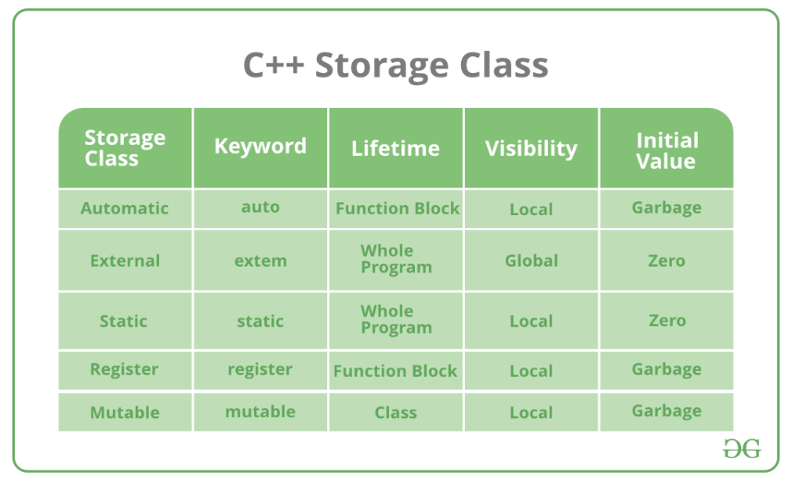
 | https://aticleworld.com/storage-class/

Memory Layout of C program
 | https://aticleworld.com/memory-layout-of-c-program/
 | Basically, memory layout of C program contains five segments these are
 | high addr | stack segment,
 |  | heap segment,
 |  | BSS (block started by symbol, Uninitialized data segment)
 |  | DS (Data segment, Initialized data segment) and
 | low addr | text segment(Binary code).
 | Each segment has own read, write and executable permission. If a program tries to access the memory in a way that is not allowed then segmentation fault occurs.
 | A segmentation fault is a common problem that causes programs to crash.
 | A core file (core dumped file) also associated with segmentation fault that is used by the developer to finding the root cause of the crashing (segmentation fault).

 | stack
 | It located at a higher address and grows and shrink opposite to the heap segment.
 | The stack contains local variables from functions and related book-keeping data.
 | A stack frame will create in the stack when a function is called.
 | Each function has one stack frame.
 | Stack frames contain function’s local variables arguments and return value.
 | The stack contains a LIFO structure. Function variables are pushed onto the stack when called and functions variables are popped off the stack when return.
 | SP(stack pointer) register tracks the top of the stack.
 | heap
 | It is used to allocate the memory at run time.
 | Heap area managed by the memory management functions like malloc, calloc, free etc which may internally use the brk and sbrk system calls to adjust its size.
 | The Heap area is shared by all shared libraries and dynamically loaded modules in a process.
 | It grows and shrinks in the opposite direction of the stack.
 | BSS(Uninitialized data segment)
 | It contain all uninitialized global and static variable.
 | All variables in this segment initialized by the zero(0) and pointer with the null pointer.
 | The program loader allocates memory for the BSS section when it loads the program.
 | DS(Initialized data segment)
 | It contains the explicitly initialized global and static variables.
 | The size of this segment is determined by the size of the values in the program’s source code and does not change at run time.
 | It has read-write permission so the value of the variable of this segment can be changed at run time.
 | This segment can be further classified into an initialized read-only area and initialized read-write area.
 | text ( = code segment )
 | Text segment contains binary of the compiled program.
 | The text segment is a read-only segment that prevents a program from being accidentally modified.
 | It is sharable so that only a single copy needs to be in memory for frequently executed programs such as text editors etc.
Differentiate between an internal static and external static variable?
 | A external static variable ===>>> internal linkage.( ex. static global variables )
 | A internal static variable ===>>> none .( ex. static local variable declared in a function )
 | In C language, the external static variable has the internal linkage and the internal static variable has no linkage. It is the reason they have a different scope but both will alive throughout the program.

What is the difference between typedef & Macros?
 | typedef
 | the compiler directive for defining a new name for existing types.
 | Macro
 | a pre-processor directive and it replaces the value before compiling the code.
What is the variable in C?
 | variable is a name (or identifier) which indicates some physical address in the memory, where data store in the form of bits of the string. In C language, every variable has a specific data types (pre-defined or user-defined) that determine the size and memory layout of the variable. predefined variables : int, char, float,... user-defined variables: structure, union, enum

Using the variable p write down some declaration
 | 1. An integer variable. |  |  | 1. int p;
 | 2. An array of five integers. |  |  | 2. int p[5];
 | 3. A pointer to an integer. |  |  | 3. int* p;
 | 4. An array of ten pointers to integers. |  |  | 4. int *p[10];
 | 5. A pointer to a pointer to an integer. |  |  | 5. int** p;
 | 6. A pointer to an array of three integers. |  |  | 6. int (*p)[3];
 | 7. A pointer to a function that takes a pointer to a character as an argument and returns an integer. |  |  | 7. int (*p)(char*);
 | 8. An array of five pointers to functions that take an integer argument and return an integer. |  |  | 8. int (*p[5])(int);

What are the data types in C?
 | Classification of the data types in C language
 | 1. Pre-define data types (int, char, float, etc)
 | 2. User-define data types ( struct, union, enum)
What are the uses of the keyword static?
 | 1. A static variable only initializes once, so a variable declared static within the body of a function maintains its prior value between function invocations.
 | 2. A global variable with static keyword has internal linkage, so it only accesses within the translation unit (.c).
 | It is not accessible by another translation unit. The static keyword protects your variable to access from another translation unit.
 | 3. By default in C language, the linkage of the function is external that it means it is accessible by the same or another translation unit.
 | With the help of the static keyword, we can make the scope of the function local, it only accesses by the translation unit within it is declared.
Size of the integer depends on what?
 | the size of integer depends on the type of the compiler and machine.
 | So it is my recommendation to use the C99 integer data types ( uint8_t, uint16_t, uint32_t ..) in place of standard int.
What is the meaning of below declarations?
...
 | stored at heap segment
 | They are used to allocate memory dynamically.
 | The memory that is allocated by calloc is initialized with 0.
 | malloc takes one argument but calloc takes two.
What is the purpose of realloc( )?
 | The realloc function is used to resize the allocated block of memory.
What is dynamic memory fragmentation?
 | One of the major problems with dynamic memory allocation is fragmentation, basically, fragmentation occurred when the user does not use the memory efficiently.

 | There are two types of fragmentation, external fragmentation, and internal fragmentation.
 | external fragmentation
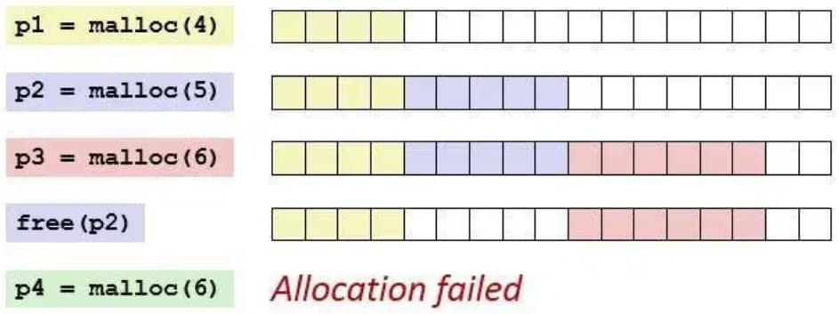

 | internal fragmentation.
 | Whenever we called the malloc function then it reserves some extra bytes (depend on implementation and system) for bookkeeping.
 | This extra byte is reserved for each call of malloc and become a cause of the internal fragmentation.

https://aticleworld.com/c-interview-questions/3/
 |  |  | 중요!!!
What is the difference between memcpy and memmove?
 | https://m.blog.naver.com/PostView.nhn?blogId=sharonichoya&logNo=220510332768&proxyReferer=https%3A%2F%2Fwww.google.com%2F
...
We hope that we could clarify that any array name itself is a pointer to the first element but & (i.e. address-of) for the array name is a pointer to the whole array itself.

 | char dblArr[6][3];
 | int cnt1, cnt2, cnt3;
 | printf("dblArr=%p, &dblArr=%p\n", dblArr, &dblArr);
 | printf("dblArr+1=%p, &dblArr+1=%p\n", dblArr + 1, &dblArr + 1);
 | cnt1 = *(dblArr + 1) - *dblArr; // 3
 | cnt2 = *(&dblArr + 1) - dblArr; // 6
 | cnt3 = **(&dblArr + 1) - *dblArr; // 18
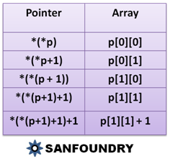

C Programming Comma Operator |  |  | http://www.c4learn.com/c-programming/c-comma-operator/
 | int num1 = 1, num2 = 2, num3 = 3;
 | int res1, res2;
 | res1 = (num1, num2, num3); // 3 |  | comma operator가 제일 후순위 연산자이다.
 | res2 = num1, num2, num3; // 1
 | printf("Computer","Programming"); // Computer

 | int choice = 2 ;
...

linux
...
9. What command would you use to check how much memory is being used by Linux?
 | ‘>>’ appends the new content to the end of the file or creates a new file.
21. Why is the tar command used?
 | The tar command is used to extract or create an archived file.
22. What is a Latch?
 | A Latch is a temporary storage device controlled by timing signal which can either store 0 or 1.
23. What is a Microprocessor?

24. Explain Regular Expressions and Grep
 | Regular Expressions are used to search for data having a particular pattern. Some of the commands used with Regular Patterns are: tr, sed, vi and grep.
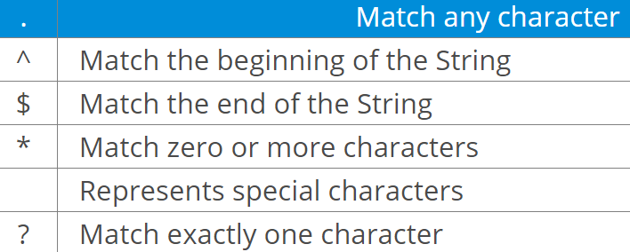

25. What is the minimum number of disk partitions required to install Linux?
 | The minimum number of partitions required is 2.
 | One partition is used as the local file system where all the files are stored. This includes files of the OS, files of applications and services, and files of the user.
 | the other partition is used as Swap Space which acts as an extended memory for RAM.

Part B – Scenario Based Questions

1. How to copy a file in Linux?
2. How to terminate a running process in Linux?
...
21. What is the export command used for?
 | $ export JAVA_HOME = /home/user/Java/bin
22. How do you check if a particular service in running?
 | $ service --status-all
23. How do you check the status of all the services?
 | $ service --status-all
24. How do you start and stop a service?
 | $ service <servicename> start
 | $ service <servicename> stop
25. Explain the free command.
 | This command is used to display the free, used, swap memory available in the system.
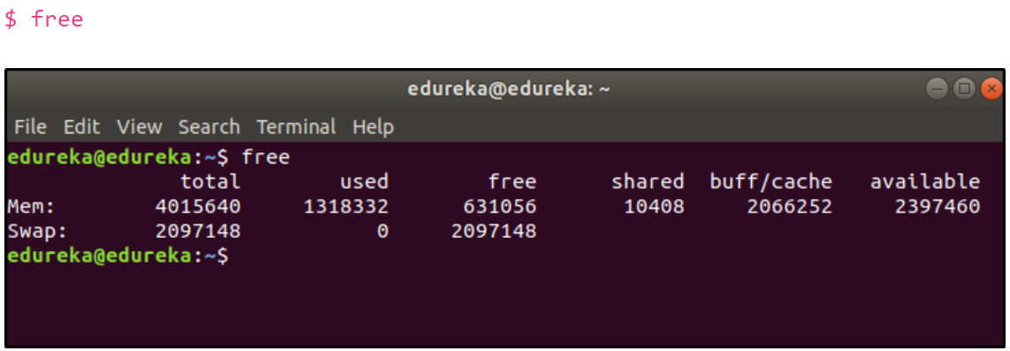

https://www.guru99.com/linux-interview-questions-answers.html
Top 60 Linux Interview Questions & Answers
1) What is Linux?
 | Linux is an operating system based on UNIX and was first introduced by Linus Torvalds.
 | It is based on the Linux Kernel and can run on different hardware platforms manufactured by Intel, MIPS, HP, IBM, SPARC, and Motorola.
 | Another popular element in Linux is its mascot, a penguin figure named Tux.
2) What is the difference between UNIX and LINUX?
 | Unix originally began as a propriety operating system from Bell Laboratories, which later on spawned into different commercial versions.
 | On the other hand, Linux is free, open source and intended as a non-propriety operating system for the masses.
...

INTR
...
Interrupts v/s Polling
 | Polling
 |  | The polling method is like a salesperson.
 |  | The salesman goes from door to door while requesting to buy a product or service.
 |  | Similarly, the controller keeps monitoring the flags or signals one by one for all devices and provides service to whichever component that needs its service.
Interrupt Service Routine
 | When an interrupt occurs, the microcontroller runs the interrupt service routine.
 | For every interrupt, there is a fixed location in memory that holds the address of its interrupt service routine, ISR.
 | The table of memory locations set aside to hold the addresses of ISRs is called as the Interrupt Vector Table.

Interrupt Vector Table
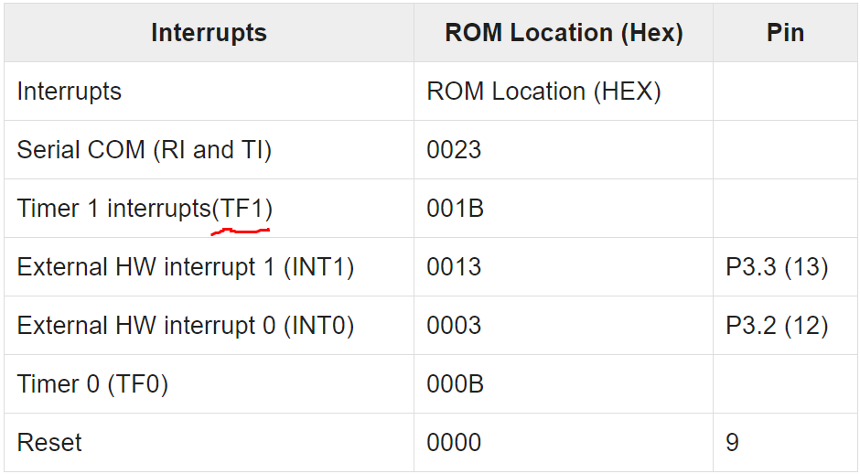

Steps to Execute an Interrupt
 | When an interrupt gets active, the microcontroller goes through the following steps −
 | The microcontroller closes the currently executing instruction and saves the address of the next instruction (PC) on the stack.
 | It also saves the current status of all the interrupts internally (i.e., not on the stack).
 | It jumps to the memory location of the interrupt vector table that holds the address of the interrupts service routine.
 | The microcontroller gets the address of the ISR from the interrupt vector table and jumps to it. It starts to execute the interrupt service subroutine, which is RETI (return from interrupt).
 | Upon executing the RETI instruction, the microcontroller returns to the location where it was interrupted. First, it gets the program counter (PC) address from the stack by popping the top bytes of the stack into the PC. Then, it start to execute from that address.

Edge Triggering vs. Level Triggering
 | Upon Reset, all the interrupts are disabled even if they are activated.
 | The interrupts must be enabled using software in order for the microcontroller to respond to those interrupts.
 | IE (interrupt enable) register is responsible for enabling and disabling the interrupt. IE is a bitaddressable register.
Interrupt Enable Register
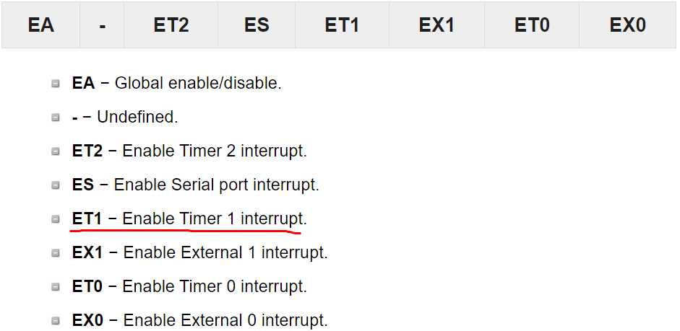

Interrupt Priority in 8051
 | We can alter the interrupt priority by assigning the higher priority to any one of the interrupts.
 | This is accomplished by programming a register called IP (interrupt priority).
 | The following figure shows the bits of IP register. Upon reset, the IP register contains all 0's.
 | To give a higher priority to any of the interrupts, we make the corresponding bit in the IP register high.
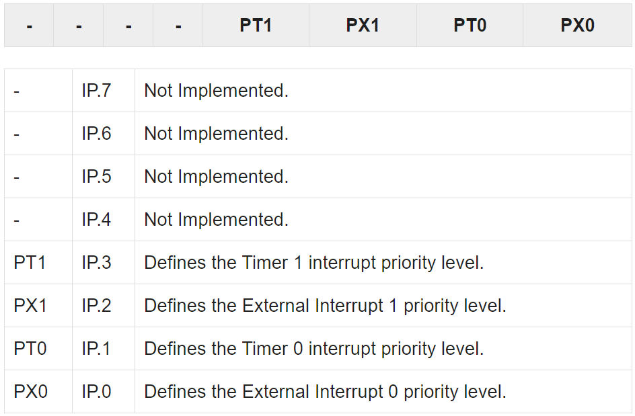

Triggering an Interrupt by Software
 | There are times when we need to test an ISR by way of simulation.
 | This can be done with the simple instructions to set the interrupt high and thereby cause the 8051 to jump to the interrupt vector table.
 | For example, set the IE bit as 1 for timer 1. An instruction SETB TF1 will interrupt the 8051 in whatever it is doing and force it to jump to the interrupt vector table.

 | interrupt --> setting the specific bit in IE register --> lookup the table of IVT -->ISR

https://www.embedded.com/introduction-to-interrupt-debugging/
Introduction to Interrupt Debugging
 | Interrupt-related problems are among the hardest to debug.
...
 | 1. Read variable X into register |  | A. Read variable X into register
 | 2. Decrement register contents |  | B. Increment register contents
 | 3. Store result back at variable X |  | C. Store result back at variable X

 | Let's say that the shared variable X is tracking the number of bytes in a buffer. The ISR puts a byte into the buffer and increments X.
 | The mainline code reads a byte from the buffer and decrements X. Say that X starts out with a value of 4. The ISR puts a byte into the buffer and increments it to 5.
 | The mainline code then reads a byte and decrements the count back to 4.
 | But if an interrupt occurs between lines 1 and 3 in the mainline code, the value of X will be corrupted.
 | First, the mainline code reads X, which is 4, into a register. Then the ISR occurs, also reads 4, and increments X to 5.
 | After the ISR completes, the mainline code finishes, storing the improper value 3 in X. This sequence is illustrated in Figure 1.
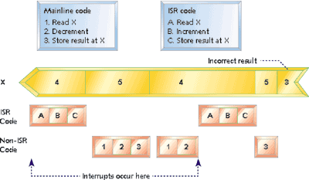

 | Solutions:
 | Some processors have atomic read-modify-write instructions that can read the memory location, modify the value, and write the new value back to memory without interruption.
 | By far, the best solution is to avoid sharing variables and hardware registers between ISR and mainline code.
 | In the example of the counter, this could be accomplished by using two counters. One counter is incremented by the mainline code, and the other counter ISR code.
 | The number of bytes in the buffer is the difference between the two counts.
 | Ideally, variables that are only written by the ISR code are only read by the mainline code, and vice versa.

 | Stack overflow
 | Since the return address and any additional context information is always added to the stack, an interrupt uses up stack space.
 | If you add more information to the stack than it can hold, you get stack overflow.
...

