p8
Part 8: std::future , std::promise and Returning values from Thread
 | A std::future object can be used with asych, std::packaged_task and std::promise. In this article will mainly focus on using std::future with std::promise object.

 | Many times we encounter a situation where we want a thread to return a result.

 | Now question is how to do this?

 | Lets take an example,

 | Suppose in our application we created a thread that will compress a given folder and we want this thread to return the new zip file name and its size in result.

 | Now to do this we have 2 ways,

 | 1.) Old Way : Share data among threads using pointer

 | Pass a pointer to the new thread and this thread will set the data in it. Till then in main thread keep on waiting using a condition variable. When new thread sets the data and signals the condition variable, then main thread will wake up and fetch the data from that pointer.

 | To do a simple thing we used a condition variable, a mutex and a pointer i.e. 3 items to catch a returned value.
 | Now suppose we want this thread to return 3 different values at different point of time then problem will become more complex. Could there be a simple solution for returning the value from threads.

 | The answer is yes using std::future, checkout next solution for it.

 | 2.) C++11 Way : Using std::future and std::promise

 | std::future is a class template and its object stores the future value.
 | Now what the hell is this future value.
 | Actually a std::future object internally stores a value that will be assigned in future and it also provides a mechanism to access that value i.e. using get() member function. But if somebody tries to access this associated value of future through get() function before it is available, then get() function will block till value is not available.

 | std::promise is also a class template and its object promises to set the value in future. Each std::promise object has an associated std::future object that will give the value once set by the std::promise object.

 | A std::promise object shares data with its associated std::future object.

 | Lets see step by step,

 | Create a std::promise object in Thread1.

 |  | std::promise<int> promiseObj;

 | As of now this promise object doesn’t have any associated value. But it gives a promise that somebody will surely set the value in it and
 | once its set then you can get that value through associated std::future object.

 | But now suppose Thread 1 created this promise object and passed it to Thread 2 object. Now how Thread 1 can know that when Thread 2 is going to set the value in this promise object?

 | The answer is using std::future object.

 | Every std::promise object has an associated std::future object, through which others can fetch the value set by promise.

 | So, Thread 1 will create the std::promise object and then fetch the std::future object from it before passing the std””promise object to thread 2 i.e.

 |  | std::future<int> futureObj = promiseObj.get_future();

 | Now Thread 1 will pass the promiseObj to Thread 2.

 | Then Thread 1 will fetch the value set by Thread 2 in std::promise through std::future’s get function,

 |  | int val = futureObj.get();

 | But if value is not yet set by thread 2 then this call will get blocked until thread 2 sets the value in promise object i.e.

 |  | promiseObj.set_value(45);

 | Check out complete flow in following Diagram,
 | 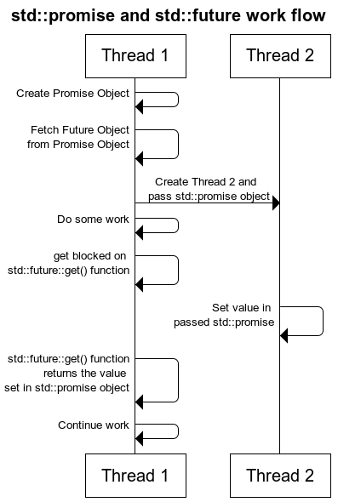

 | Lets see a complete std::future and std::promise example,

 |  | #include <iostream>
 |  | #include <thread>
 |  | #include <future>

 |  | void initiazer(std::promise<int> * promObj)
 |  | {
 |  | std::cout<<"Inside Thread"<<std::endl; promObj->set_value(35);
 |  | }

 |  | int main()
 |  | {
 |  | std::promise<int> promiseObj;
 |  | std::future<int> futureObj = promiseObj.get_future();
 |  | std::thread th(initiazer, &promiseObj);
 |  | std::cout<<futureObj.get()<<std::endl;
 |  | th.join();
 |  | return 0;
 |  | }
 | If std::promise object is destroyed before setting the value the calling get() function on associated std::future object will throw exception.
 | A part from this, if you want your thread to return multiple values at different point of time then just pass multiple std::promise objects in thread and fetch multiple return values from thier associated multiple std::future objects.

 | In the next article we will see how to use std::future with std::asych and std::packaged_task.

file
How to read data from a csv file in C++ ?

 | https://busy.org/@codingman/c-17-csv--1560125046366
 | [C++ 언어-막코딩] 17장 CSV 파일 처리
 | 지난 시간에 fstream 파일에는 세개의 클래스가 있다고 했죠. ifstream, ofstream, fstream 클래스가 있습니다. 지난시간에 파일 입출력으로 ifstream(파일읽기), ofstream(파일쓰기)로 연습했는데 마지막 글래서 fstream 클래스 하나로 입출력을 할 수 있습니다. 이 부분을 지난시간에 빼먹어서 오늘 주제로 결정했네요. 그냥 하면 재미 있으니 csv 파일을 읽어와서 출력하는 실습을 해보는 시간을 갖도록 하겠습니다.

 | 1. fstream 클래스

 | class fstream : public fstreambase, public iostream {
 | }

 | 위 클래스 내부 함수들은 ifstream과 ofstream에서 쓰던 방식과 크게 차이가 없습니다.

 | fstream fs;
 | fs.open("파일명", ios::in or ios::out);
 | fs.close();

 | 위 코딩에서 파일명을 지정해주고 in은 해당 위치에 파일이 읽겠다는 의미이고, out은 해당 위치에 파일을 쓰겠다는 의미입니다. 둘중 하나 모드를 지정해주면 파일을 읽을지 쓸지가 결정됩니다. 나머지 사용법은 같습니다.

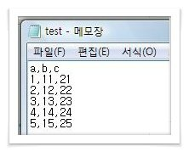
 | 2. 코딩
 |  | [test.csv 파일]

 | 실습 : CSV 파일을 읽어와서 콘솔창에서 출력하시오

 | 엑셀 파일로 특정 데이터를 만들고 저장을 csv 파일을 만드는데 구분자는 콤마(,)로 해서 데이터 파일을 만듭니다.

 | 이 파일을 읽기 위해서

 | fstream fs;
 | fs.open("test.csv",ios::in);

 | fs로 읽기모드로 읽어 오면 끝납니다.

 | 읽을 때 지난시간에 쓴 getline()함수를 이용합니다.

 | getline(파일객체,저장변수,구분자);

 | getline(fs,str_buf,',');

 | fs 파일객체에서 읽어오는 콤마(,) 구분자로 해서 읽어오게 됩니다. 실질적으로 str_buf 변수에는 콤마이전까지의 문자열값을 읽어오게 됩니다. 이렇게 해서 콤마를 기준으로 읽어온 데이터를 출력해서 결과를 확인 할까요.

 | [전체소스]

 | #include <iostream>
 | #include <string.h>
 | #include <fstream>

 | using namespace std;

 | int main(int argc, char** argv) {

 | string str_buf;
 | fstream fs;

 | fs.open("test.csv",ios::in);

 | while(!fs.eof()){
 | getline(fs,str_buf,',');
 | cout<<str_buf<<endl;
 | }
 | fs.close();

 | return 0;
 | }

 | https://steemit.com/kr-dev/@codingman/c-15--1559952698463
 | [C++ 언어-막코딩] 15장 파일 입출력

 | 다운 사이트 : https://sourceforge.net/projects/orwelldevcpp/
 | 웹컴파일러 : https://www.tutorialspoint.com/compile_c_online.php
 | 참조 : [C언어-막코딩] 27장 파일 입출력

 | C++ 에서의 파일 입출력은 코딩이 C보다 간단합니다. 오늘은 C++ 에서 파일 처리를 알아보도록 하죠.

 | 1. fstream 파일

 | 출처 : https://github.com/haiku/haiku/blob/master/headers/cpp/fstream.h

 | fstream.h 에는 3개의 클래스가 있습니다.

 | class ifstream : public fstreambase, public istream { //파일읽기
 | }
 | class ofstream : public fstreambase, public ostream { //파일쓰기
 | }
 | class fstream : public fstreambase, public iostream {
 | }

 | 여기서 ifstream, ofstream을 이용하여 파일 입출력을 하게 됩니다.

 | 파일 읽기 : ifstream 객체명("파일경로");
 | 파일 쓰기 : ofstream 객체명("파일경로");

 | 이렇게 딱 두 표현으로 파일을 읽기모드와 쓰기모드로 선언을 하게 됩니다.

 | 2. 파일 입출력

 | [파일 읽기]

 | ifstream input("test.txt"); //읽기파일 열기

 | while(!input.eof()){ //파일 끝인지 체크
 | getline(input,str); //string str로 파일에 라인데이터 읽기
 | cout<<str<<endl;
 | }
 | input.close(); //파일닫기

 | [파일 쓰기]

 | ofstream output("test.txt"); //쓰기 파일 열기
 | output<<"Hello World!"<<endl; //파일에 쓰기
 | output.close(); //파일닫기

 | 읽기와 쓰기가 단순해서 C++은 코딩하기가 편합니다.

 | 3. 코딩

 | test 파일을 하나 만들어서 그곳에 데이터를 쓰고 난 뒤에 만들어진 파일을 다시 읽어와서 확인하는 작업을 코딩하도록 하겠습니다. 정상적으로 데이터를 파일에 쓰고 그 데이터를 읽어 올 수 있는지의 코딩입니다.

 | [전체소스]

 | #include <iostream>
 | #include <fstream>
 | #include <string>

 | using namespace std;

 | int main(int argc, char** argv) {

 | string str;
 | ofstream output("test.txt");

 | output<<"Hello World!"<<endl;
 | output<<"Hello SteemIt!"<<endl;
 | output.close();

 | ifstream input("test.txt");

 | while(!input.eof()){
 | getline(input,str);
 | cout<<str<<endl;
 | }
 | input.close();
 | return 0;
 | }

 | getline(input,str);

 | string 문자열 변수의 경우는 위와 같이 표현으로 코딩하지만 char [] 문자열의 경우는 이 방법으로 표현합니다.

 | char str[100];
 | input.getline(str,100);

 | 이렇게 첫번째 인자는 저장할 문자 배열변수이고 두번째 인자는 읽어올 최대 크기를 지정합니다. 둘 중 편한 방식을 선택하면 됩니다.

 | cstring 경우는 string.h 파일을 선언해야 문자열 객체를 사용 할 수 있습니다. 빼먹지 마세요.
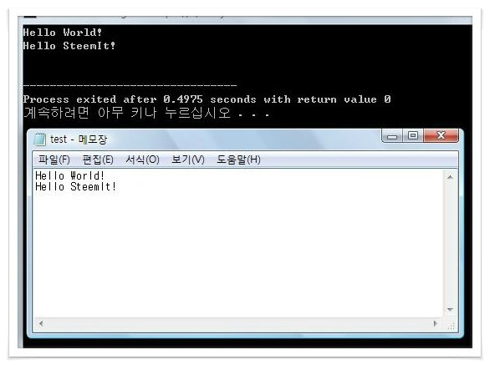
 | [결과]

 | 마무리

 | 오늘은 무지 간단한 파일 처리 방법을 다뤘습니다. 처음에는 이렇게 파일을 쓰고 읽는 방법을 다양한 형태로 실습하시고 나서 나중에 파일 처리 관련 자료를 구글 검색을 통해서 좀 더 전문적인 코딩을 연습하세요. 입문자에게는 이정도 파일 처리 코딩 능력만 있어도 충분합니다.

