Sheet3
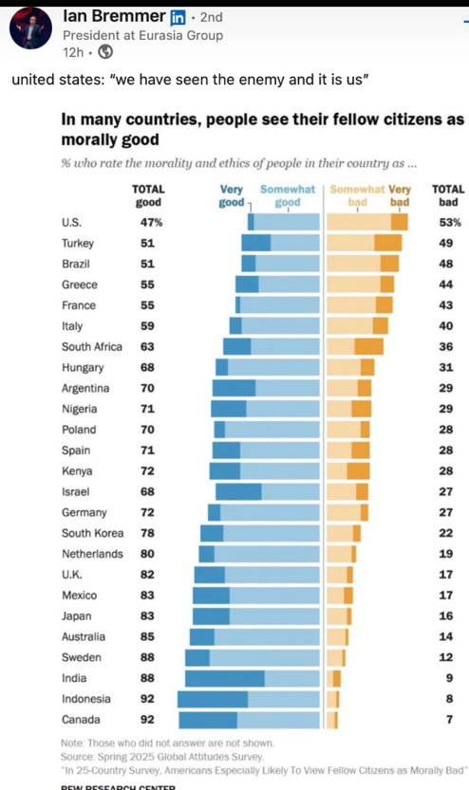
 |  |  | country | strong dis | dis | agg | strong agg
 |  |  | canada | -20% | -40% | 10% | 30%
 |  |  | us | -10% | -30% | 50% | 10%
 |  |  | guate | -40% | -40% | 5% | 15%

 |  | Distribution of responses…..
 |  | Strong dis | dis | soso ag | stron add

guate | 80 |  |  |  |  |  |  | 20
us | 40 |  |  |  |  |  |  | 60
canada | 60 |  |  |  |  |  |  | 40

