4574 Spnish City
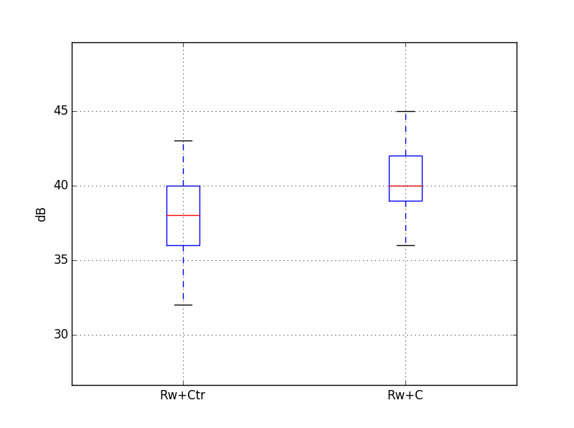
 |  |  |  |  |  |  |  |  |  |  |  |  | 12500 | 16000 | 20000 | A
 |  |  |  | Target |  | 42 | dB
Guest room at the corner |  |  |  | required Rw+Ctr |  | 40 | dB
Volume, V /m3 | 40.5 |  |  | required Rw+C |  | 40 | dB
Window area, S /m2 | 4.0
Reverberation Time, T /s | 0.5

Octave centre frequency | dB(A) | 125 Hz | 250 Hz | 500 Hz | 1 kHz | 2 kHz
Maximum sound level of seagulls at 3m, L1in /dB(A) | 86 | 57 | 59 | 64 | 85 | 79
6/14/4/14/8.4 (44.1) |  | 24 | 33 | 41 | 52 | 52 |  | Rw+C=42
Equation 1, L2 /dB(A) | 35 | 31 | 24 | 21 | 31 | 25

Octave centre frequency | dB(A) | 125 Hz | 250 Hz | 500 Hz | 1 kHz | 2 kHz
Maximum sound level of seagulls at 3m, L1in /dB(A) | 86 | 57 | 59 | 64 | 85 | 79
10/16/8.4 (44.1) |  | 25 | 33 | 43 | 48 | 51 |  | Rw+C=42
Equation 1, L2 /dB(A) | 37 | 30 | 24 | 19 | 35 | 26 |  |  |  | Rw+C statistics | Rw+Ctr statistics
 |  |  |  |  |  |  |  |  | count | 20000 | count | 20000
Octave centre frequency | dB(A) | 125 Hz | 250 Hz | 500 Hz | 1 kHz | 2 kHz |  |  | mean | 40.3 | mean | 38.1
Maximum sound level of seagulls at 3m, L1in /dB(A) | 86 | 57 | 59 | 64 | 85 | 79 |  |  | std | 1.7 | std | 2.3
10 mm / 16 mm argon / 9.1 mm, R / dB |  | 29 | 33 | 44 | 46 | 49 |  | Rw+C=43 | min | 36.1 | min | 31.6
Equation 1, L2 /dB(A) | 38 | 26 | 24 | 18 | 37 | 28 |  |  | 25% | 39.0 | 25% | 36.4
 |  |  |  |  |  |  |  |  | 50% | 40.3 | 50% | 38.3
Octave centre frequency | dB(A) | 125 Hz | 250 Hz | 500 Hz | 1 kHz | 2 kHz |  |  | 75% | 42 | 75% | 39.9
Maximum sound level of seagulls at 3m, L1in /dB(A) | 86 | 57 | 59 | 64 | 85 | 79 |  |  | max | 44.6 | max | 43.2
8 mm / 16 mm argon / 9.1 mm, R / dB |  | 24 | 29 | 41 | 47 | 47 |  | Rw+C=40
Equation 1, L2 /dB(A) | 38 | 31 | 28 | 21 | 36 | 30

Octave centre frequency | dB(A) | 125 Hz | 250 Hz | 500 Hz | 1 kHz | 2 kHz
Maximum sound level of seagulls at 3m, L1in /dB(A) | 86 | 57 | 59 | 64 | 85 | 79
13.1 mm Pilkington Optiphon, R / dB |  | 30 | 33 | 37 | 40 | 41 |  | Rw+C=40
Equation 1, L2 /dB(A) | 44 | 25 | 24 | 25 | 43 | 36

