4743 calc
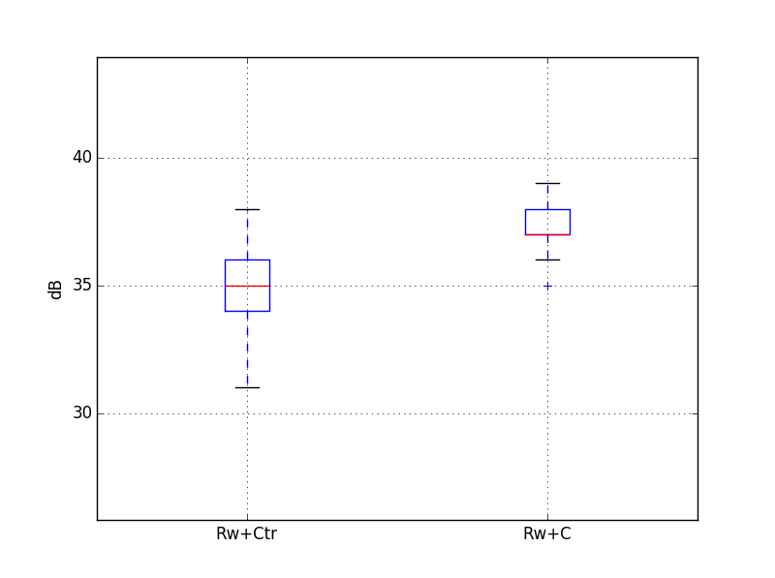
 |  |  |  |  |  |  |  |  |  |  |  |  |  | 12500 | 16000 | 20000 | A
 |  |  |  | Target |  | 30 | dB
North façade |  |  |  | required Rw+Ctr |  | 36 | dB
Volume, V /m3 | 38.0 |  |  | required Rw+C |  | 37 | dB
Window area, S /m2 | 3.6
Reverberation Time, T /s | 0.5 |  |  |  |  | 38
Number of vent required | 1 |  | -2.2451109151
Open area
Octave centre frequency | dB(A) | 125 Hz | 250 Hz | 500 Hz | 1 kHz | 2 kHz
Daytime freefield Noise, L1in /dB(A) | 70 | 47 | 53 | 56 | 67 | 66 |  | Rw+C=38
6-16-6.8 (Laminated) |  | 24 | 28 | 37 | 42 | 41
Equation 1, L2 /dB(A) | 29 | 21 | 23 | 17 | 22 | 23

Octave centre frequency | dB(A) | 125 Hz | 250 Hz | 500 Hz | 1 kHz | 2 kHz
Daytime freefield Noise, L1in /dB(A) | 70 | 47 | 53 | 56 | 67 | 66 |  | Rw+C=38 | No Rw+C data in pilkington glass
6 mm / 16 mm argon / 8.8 mm, R / dB |  | 24 | 26 | 40 | 48 | 46
Equation 1, L2 /dB(A) | 27 | 21 | 25 | 14 | 17 | 18 |  |  |  |  | Rw+C statistics | Rw+Ctr statistics
 |  |  |  |  |  |  |  |  |  | count | 20000 | count | 20000
Octave centre frequency | dB(A) | 125 Hz | 250 Hz | 500 Hz | 1 kHz | 2 kHz |  |  |  | mean | 37.0 | mean | 34.9
Daytime freefield Noise, L1in /dB(A) | 70 | 47 | 53 | 56 | 67 | 66 |  | Rw+C=37 |  | std | 0.7 | std | 1.7
6/12/8.8 (44.2) |  | 27 | 25 | 42 | 49 | 45 |  |  |  | min | 34.9 | min | 30.8
Equation 1, L2 /dB(A) | 28 | 18 | 26 | 12 | 16 | 19 |  |  |  | 25% | 36.5 | 25% | 33.6
 |  |  |  |  |  |  |  |  |  | 50% | 37.1 | 50% | 34.8
 |  |  |  |  |  |  |  |  |  | 75% | 37.6 | 75% | 36.3
 |  |  |  |  |  |  |  |  |  | max | 39.0 | max | 38.4

4743 6-16-6.8 test 2016
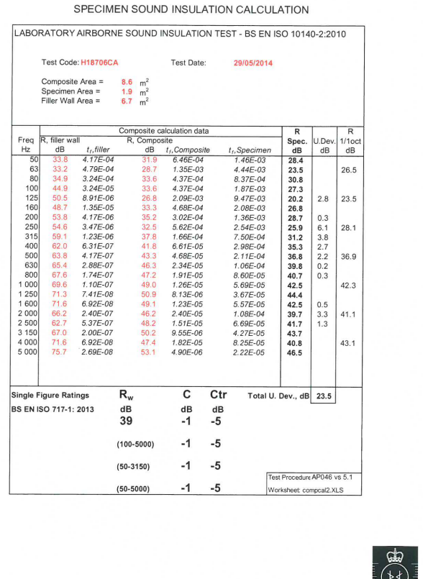
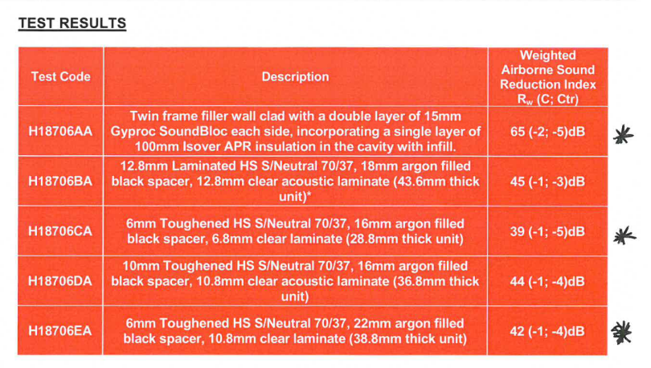
 | Sound reduction index in 1/1 octave bands / dB
 | 125 | 250 | 500 | 1000 | 2000
6-16-6.8 (Laminated) | 23.5 | 28.1 | 36.9 | 42.3 | 41.1

Pilkingtons 6-16-6.4 | #REF! | #REF! | #REF! | #REF! | #REF!

