4574 Spnish City
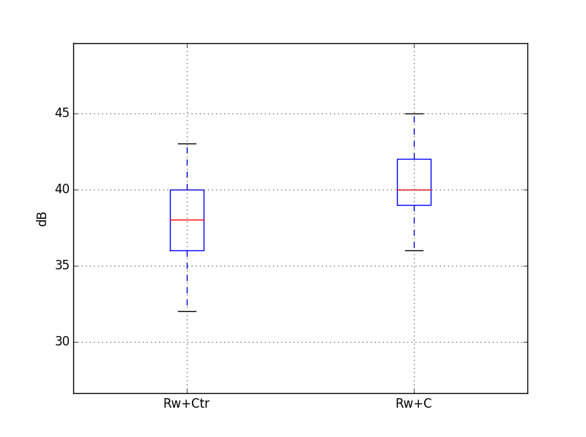
 |  |  |  |  |  |  |  |  |  |  |  |  | 12500 | 16000 | 20000 | A
 |  |  |  | Target |  | 42 | dB
Guest room at the corner |  |  |  | required Rw+Ctr |  | 40 | dB
Volume, V /m3 | 40.5 |  |  | required Rw+C |  | 40 | dB
Window area, S /m2 | 4.0
Reverberation Time, T /s | 0.5 |  |  | -2.0222085837 |  | 42.0

Octave centre frequency | dB(A) | 125 Hz | 250 Hz | 500 Hz | 1 kHz | 2 kHz
Maximum sound level of seagulls at 3m, L1in /dB(A) | 86 | 57 | 59 | 64 | 85 | 79
10/16/8.4 (44.1) |  | 25 | 33 | 43 | 48 | 51 |  | Rw+C=42
Equation 1, L2 /dB(A) | 37 | 30 | 24 | 19 | 35 | 26
 |  |  |  |  |  |  |  |  | 50% | 40.3 | 50% | 38.3
Octave centre frequency | dB(A) | 125 Hz | 250 Hz | 500 Hz | 1 kHz | 2 kHz |  |  | 75% | 42 | 75% | 39.9
Maximum sound level of seagulls at 3m, L1in /dB(A) | 86 | 57 | 59 | 64 | 85 | 79 |  |  | max | 44.6 | max | 43.2
8/16/10.8 (55.2) |  | 24 | 31 | 41 | 46 | 46 |  | Rw+C=40
Equation 1, L2 /dB(A) | 39 | 31 | 26 | 21 | 37 | 31

Octave centre frequency | dB(A) | 125 Hz | 250 Hz | 500 Hz | 1 kHz | 2 kHz
Maximum sound level of seagulls at 3m, L1in /dB(A) | 86 | 57 | 59 | 64 | 85 | 79
6/14/8.4 (44.1)/14/6 |  | 21 | 26 | 37 | 44 | 37 |  | Rw+C=35
Equation 1, L2 /dB(A) | 43 | 34 | 31 | 25 | 39 | 40

Octave centre frequency | dB(A) | 125 Hz | 250 Hz | 500 Hz | 1 kHz | 2 kHz
Maximum sound level of seagulls at 3m, L1in /dB(A) | 86 | 57 | 59 | 64 | 85 | 79
4/16/10 |  | 27 | 23 | 33 | 41 | 48 |  | Rw+C=35
Equation 1, L2 /dB(A) | 43 | 28 | 34 | 29 | 42 | 29

