Wall board
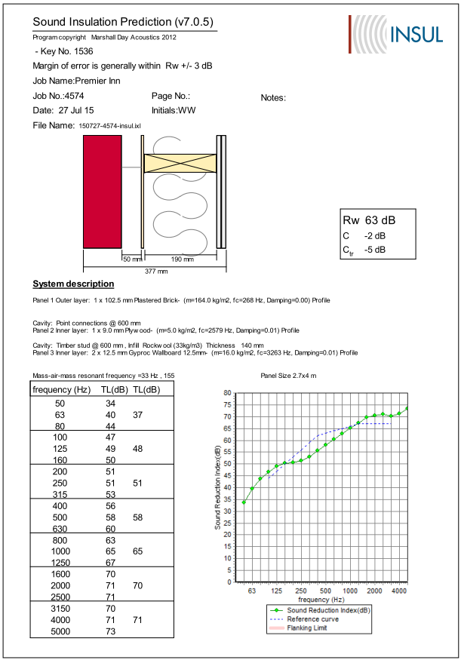
Octave band | 125 | 250 | 5000 | 1000 | 2000
SRI Wall Type A - insul | 48 | 51 | 58 | 65 | 70

Speech spec
 |  |  |  | Sound power level
 |  |  |  | Octave bands central frequency
SWL shouted | A-weighted | 63 | 125 | 250 | 500 | 1000 | 2000 | 4000 | 8000
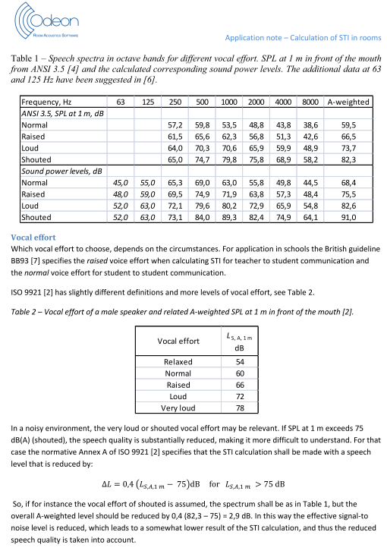
 | 91 | 52 | 63 | 73 | 84 | 89.3 | 82.4 | 74.9 | 64.1

LAeq1hr-night
 |  | 2300-2400 |  | 2400-0100 |  | 0100-0200 |  | 0200-0300 |  | 0300-0400 |  | 0400-0500 |  | 0500-0600 | 0600-0700
 | Marker RTA |  | Marker RTA |  | Marker RTA |  | Marker RTA |  | Marker RTA |  | Marker RTA |  | Marker RTA |  | Marker RTA
 | Frequency [Hz] | LAeq [dB] | Frequency [Hz] | LAeq [dB] | Frequency [Hz] | LAeq [dB] | Frequency [Hz] | LAeq [dB] | Frequency [Hz] | LAeq [dB] | Frequency [Hz] | LAeq [dB] | Frequency [Hz] | LAeq [dB] | Frequency [Hz] | LAeq [dB]

 | 31.5 | 16 | 32 | 13 | 32 | 13 | 32 | 16 | 32 | 15 | 32 | 16 | 32 | 15 | 32 | 19
 | 63 | 28 | 63 | 26 | 63 | 26 | 63 | 27 | 63 | 28 | 63 | 28 | 63 | 29 | 63 | 30
 | 125 | 31 | 125 | 32 | 125 | 32 | 125 | 34 | 125 | 34 | 125 | 34 | 125 | 34 | 125 | 35
 | 250 | 38 | 250 | 39 | 250 | 39 | 250 | 40 | 250 | 38 | 250 | 38 | 250 | 40 | 250 | 41
 | 500 | 44 | 500 | 43 | 500 | 43 | 500 | 44 | 500 | 42 | 500 | 41 | 500 | 44 | 500 | 44
 | 1000 | 47 | 1000 | 44 | 1000 | 44 | 1000 | 45 | 1000 | 44 | 1000 | 46 | 1000 | 47 | 1000 | 46
 | 2000 | 43 | 2000 | 39 | 2000 | 40 | 2000 | 42 | 2000 | 41 | 2000 | 42 | 2000 | 44 | 2000 | 42
 | 4000 | 36 | 4000 | 31 | 4000 | 32 | 4000 | 34 | 4000 | 37 | 4000 | 38 | 4000 | 39 | 4000 | 37
 | 8000 | 21 | 8000 | 17 | 8000 | 17 | 8000 | 19 | 8000 | 22 | 8000 | 23 | 8000 | 23 | 8000 | 26

LAeq |  | 50 |  | 48 |  | 49 |  | 50 |  | 48 |  | 49 |  | 51 |  | 50

SWL-seagulls
LAFmax of seagull at 15 m
 |  |  |  |  |  |  |  | LAeq_dt / dB |  |  |  |  |  |  |  |  |  |  | LAFmax_dt / dB
 |  |  |  |  |  |  |  | Octave bands central frequency / Hz |  |  |  |  |  |  |  |  |  |  | Octave bands central frequency / Hz
 |  | LAFmax_dt | LAeq_dt | 31.5 | 63 | 125 | 250 | 500 | 1000 | 2000 | 4000 | 8000 |  | LAFmax_dt | 31.5 | 63 | 125 | 250 | 500 | 1000 | 2000 | 4000 | 8000
 |  | 71.8 | 68.6 | 23.4 | 31.3 | 39.3 | 42.5 | 45.5 | 66.7 | 62.4 | 53.3 | 39.7 |  | 71.8 | 26.6 | 34.5 | 42.5 | 45.7 | 48.7 | 69.9 | 65.6 | 56.5 | 42.9
 |  | 73.2 | 69.2 | 24 | 32.4 | 39 | 39.8 | 46.4 | 68.6 | 58.1 | 52.9 | 42.8 |  | 73.2 | 28 | 36.4 | 43 | 43.8 | 50.4 | 72.6 | 62.1 | 56.9 | 46.8
 |  | 72.8 | 68.3 | 20.8 | 32.6 | 40 | 40.9 | 45.2 | 66.8 | 62 | 55 | 40.5 |  | 72.8 | 25.3 | 37.1 | 44.5 | 45.4 | 49.7 | 71.3 | 66.5 | 59.5 | 45
 |  | 73 | 66.9 | 20.4 | 34.8 | 38.6 | 38.5 | 44.6 | 64.7 | 61.3 | 57.5 | 42.9 |  | 73 | 26.5 | 40.9 | 44.7 | 44.6 | 50.7 | 70.8 | 67.4 | 63.6 | 49
 |  | 72.1 | 69 | 26.1 | 30 | 37.8 | 40.3 | 46.2 | 68.2 | 58.6 | 56.8 | 45.2 |  | 72.1 | 29.2 | 33.1 | 40.9 | 43.4 | 49.3 | 71.3 | 61.7 | 59.9 | 48.3
 | Arithmatic mean |  | 68 | 23 | 32 | 39 | 40 | 46 | 67 | 60 | 55 | 42 | Arithmatic mean | 73 | 27 | 36 | 43 | 45 | 50 | 71 | 65 | 59 | 46

SWL | Lw = Lp + 20*log r + 11
 |  |  |  |  |  |  |  | LW / dB(A)
 |  |  |  |  |  |  |  | Octave bands central frequency / Hz
 |  |  | LW | 31.5 | 63 | 125 | 250 | 500 | 1000 | 2000 | 4000 | 8000
 |  |  | 107 | 62 | 71 | 78 | 79 | 84 | 106 | 99 | 94 | 81

Double
Pilkintons Double Glazing Sound Reduction
Pilkintons Glazing Data |  |  | 63 | 125 | 250 | 500 | 1000 | 2000 | 4000 | 8000
Double Glazing | 4-16-4 |  | 20 | 24 | 20 | 25 | 35 | 38 | 35 | 40
 | 6-16-6 |  | 18 | 20 | 19 | 29 | 38 | 36 | 45 | 45
 | 6-16-6.4PVB |  | 19 | 21 | 20 | 31 | 39 | 37 | 47 | 47
 | 10-16-4 |  | 21 | 25 | 22 | 33 | 40 | 43 | 44 | 44
 | 10-16-6 |  | 22 | 26 | 27 | 34 | 40 | 38 | 46 | 46
 | 10-16-6.4PVB |  | 23 | 27 | 29 | 36 | 41 | 42 | 52 | 52

Nordan Glazing Data |  |  | 63 | 125 | 250 | 500 | 1000 | 2000 | 4000 | 8000
 | 4-16-6 |  | 19 | 19 | 22 | 24 | 34 | 41 | 40 | 40

BS 12758 | Rw | 125 | 250 | 500 | 1000 | 2000 | 4000 |  | C | Ctr
Glazing: 4/(6-16)/4 | 29 | 21 | 17 | 25 | 35 | 37 | 31 |  | -1 | -4
Glazing: 6/(6-16)/4 | 32 | 21 | 20 | 26 | 38 | 37 | 39 |  | -2 | -4
Glazing: 6/(6-16)/6 | 31 | 20 | 18 | 28 | 38 | 34 | 38 |  | -1 | -4
Glazing: 8/(6-16)/4 | 33 | 22 | 21 | 28 | 38 | 40 | 47 |  | -1 | -4
Glazing: 8/(6-16)/6 | 35 | 20 | 21 | 33 | 40 | 36 | 48 |  | -2 | -6
Glazing: 10/(6-16)/4 | 35 | 24 | 21 | 32 | 37 | 42 | 43 |  | -2 | -5
Glazing: 10/(6-16)/6 | 35 | 24 | 24 | 32 | 37 | 37 | 44 |  | -1 | -3
Glazing: 6/(6-16)/6 Laminated | 33 | 20 | 19 | 30 | 39 | 37 | 46 |  | -2 | -5
Glazing: 6/(6-16)/10 Laminated | 37 | 24 | 25 | 33 | 39 | 40 | 49 |  | -1 | -5

Product Description: | Polycarbonate |  |  |  | SGG Data from acoustic presentation

Third Octave Data: |  | 50 | 63 | 80 | 100 | 125 | 160 | 200 | 250 | 315 | 400 | 500 | 630 | 800 | 1000 | 1250 | 1600 | 2000 | 2500 | 3150 | 4000 | 5000 | 6300 | 8000 | 10000
 |  |  |  |  | 10.0 | 9.0 | 11.0 | 14.0 | 16.0 | 18.0 | 18.0 | 18.0 | 20.0 | 21.0 | 23.0 | 24.0 | 24.0 | 24.0 | 23.0 | 16.0 | 20.0 | 31.0

Calculated Octave Data |  |  |  |  | 125 | 250 | 500 | 1000 | 2000 | 4000 | 8000
16 mm Polycarbonate |  |  |  |  | 9.9 | 15.7 | 18.6 | 22.5 | 23.6 | 19.2
Reported Overall figures:
Rw | 21

Acoustic
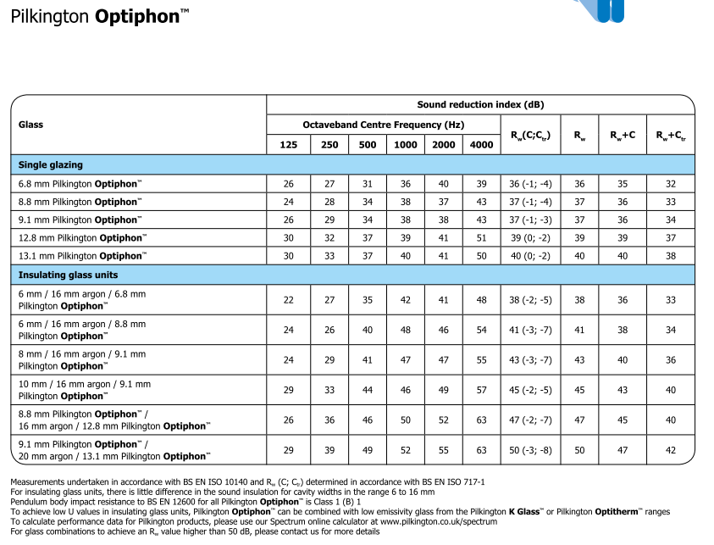

Pilkintons Glazing Data |  | 125 | 250 | 500 | 1000 | 2000 | 4000
Acoustic Glazing | 6.8 | 26 | 27 | 31 | 36 | 40 | 39
 | 8.8 | 24 | 28 | 34 | 38 | 37 | 43
 | 9.1 | 26 | 29 | 34 | 38 | 38 | 43
 | 12.8 | 30 | 32 | 37 | 39 | 41 | 51
 | 13.1 | 30 | 33 | 37 | 40 | 41 | 50
 | 6/16/6.8 | 22 | 27 | 35 | 42 | 41 | 48
 | 6/16/8.8 | 24 | 26 | 40 | 48 | 46 | 54
 | 8/16/9.1 | 24 | 29 | 41 | 47 | 47 | 55
 | 10/16/9.1 | 29 | 33 | 44 | 46 | 49 | 57
 | 8.8/16/12.8 | 26 | 36 | 46 | 50 | 52 | 63
 | 9.1/20/13.1 | 29 | 39 | 49 | 52 | 55 | 63

Pilkintons Double Glazing Sound Reduction
 | 6.8 | 8.8 | 9.1 | 12.8 | 13.1 | 6/16/6.8 | 6/16/8.8 | 8/16/9.1 | 10/16/9.1 | 8.8/16/12.8 | 9.1/20/13.1
125 | 26 | 24 | 26 | 30 | 30 | 22 | 24 | 24 | 29 | 26
250 | 27 | 28 | 29 | 32 | 33 | 27 | 26 | 29 | 33 | 36
500 | 31 | 34 | 34 | 37 | 37 | 35 | 40 | 41 | 44 | 46
1000 | 36 | 38 | 38 | 39 | 40 | 42 | 48 | 47 | 46 | 50
2000 | 40 | 37 | 38 | 41 | 41 | 41 | 46 | 47 | 49 | 52
4000 | 39 | 43 | 43 | 51 | 50 | 48 | 54 | 55 | 57 | 63

NR - dB(A)
A-weightings |  | -26.2 | -16 | -8.6 | -3.2 | 0 | 1.2 | 1 | -1.1

Hz | 31.5 | 63 | 125 | 250 | 500 | 1000 | 2000 | 4000 | 8000 |  | Hz | NR75 | NR70 | NR65 | NR60 | NR55 | NR50 | NR45 | NR40 | NR35 | NR30 | NR25 | NR20 | NR15 | NR10 | NR5 | NR0
NR75 | 106 | 95 | 87 | 82 | 78 | 75 | 73 | 71 | 69 |  | 31.5 | 106 | 103 | 100 | 96 | 93 | 89 | 86 | 83 | 79 | 76 | 72 | 69 | 66 | 62 | 59 | 55
NR70 | 103 | 91 | 83 | 77 | 73 | 70 | 68 | 66 | 64 |  | 63 | 95 | 91 | 87 | 83 | 79 | 75 | 71 | 67 | 63 | 59 | 55 | 51 | 47 | 43 | 39 | 35
NR65 | 100 | 87 | 79 | 72 | 68 | 65 | 62 | 61 | 59 |  | 125 | 87 | 83 | 79 | 74 | 70 | 66 | 61 | 57 | 52 | 48 | 44 | 39 | 35 | 31 | 26 | 22
NR60 | 96 | 83 | 74 | 68 | 63 | 60 | 57 | 55 | 54 |  | 250 | 82 | 77 | 72 | 68 | 63 | 59 | 54 | 49 | 45 | 40 | 35 | 31 | 26 | 21 | 17 | 12
NR55 | 93 | 79 | 70 | 63 | 58 | 55 | 52 | 50 | 49 |  | 500 | 78 | 73 | 68 | 63 | 58 | 53 | 48 | 44 | 39 | 34 | 29 | 24 | 19 | 15 | 10 | 5
NR50 | 89 | 75 | 66 | 59 | 53 | 50 | 47 | 45 | 43 |  | 1000 | 75 | 70 | 65 | 60 | 55 | 50 | 45 | 40 | 35 | 30 | 25 | 20 | 15 | 10 | 5 | 0
NR45 | 86 | 71 | 61 | 54 | 48 | 45 | 42 | 40 | 38 |  | 2000 | 73 | 68 | 62 | 57 | 52 | 47 | 42 | 37 | 32 | 27 | 22 | 17 | 12 | 7 | 2 | 24
NR40 | 83 | 67 | 57 | 49 | 44 | 40 | 37 | 35 | 33 |  | 4000 | 71 | 66 | 61 | 55 | 50 | 45 | 40 | 35 | 30 | 25 | 20 | 14 | 9 | 4 | 21 | 26
NR35 | 79 | 63 | 52 | 45 | 39 | 35 | 32 | 30 | 28 |  | 8000 | 69 | 64 | 59 | 54 | 49 | 43 | 38 | 33 | 28 | 23 | 18 | 13 | 7 | 2 | 23 | 28
NR30 | 76 | 59 | 48 | 40 | 34 | 30 | 27 | 25 | 23
NR25 | 72 | 55 | 44 | 35 | 29 | 25 | 22 | 20 | 18
NR20 | 69 | 51 | 39 | 31 | 24 | 20 | 17 | 14 | 13
NR15 | 66 | 47 | 35 | 26 | 19 | 15 | 12 | 9 | 7
NR curve
 | NR 40 | NR 30
63 | 25 | 59
125 | 23 | 48
250 | 22 | 40
500 | 21 | 34
1000 | 20 | 30
2000 | 18 | 27
4000 | 15 | 25
8000 |  | 23
NR10 | 62 | 43 | 31 | 21 | 15 | 10 | 7 | 4 | 2
NR5 | 59 | 39 | 26 | 17 | 10 | 5 | 2 | 21 | 23
NR0 | 55 | 35 | 22 | 12 | 5 | 0 | 24 | 26 | 28

NR | 55.4 | 35.4 | 22 | 12 | 4.2 | 0 | -3.5 | -6.1 | -8 | a
30 | 0.681 | 0.79 | 0.87 | 0.93 | 0.98 | 1 | 1.015 | 1.025 | 1.03 | b
 | 76 | 59 | 48 | 40 | 34 | 30 | 27 | 25 | 23

NR 20 |  | 25 | 23 | 22 | 21 | 20 | 18 | 15
NR 30
NR 40 |  | 41 | 41 | 40 | 41 | 40 | 38 | 36
NR 50 |  |  | 50 | 50 | 50 | 50 | 48
NR 45 |  |  | 45 | 45 | 45 | 45 | 43 | * update on 7/9/2015

