Assumed wall spec
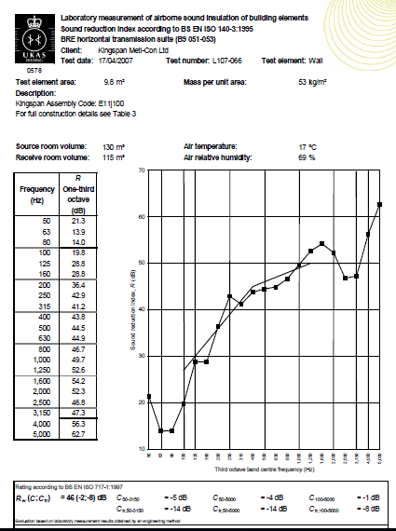
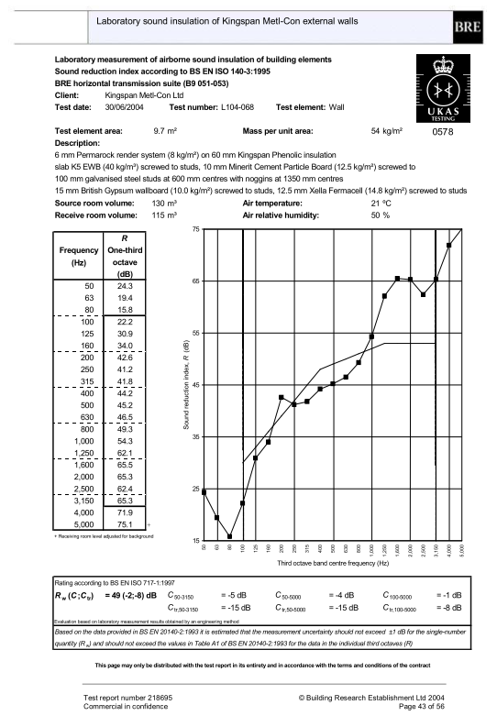
 | 100 | 125 | 160 | 200 | 250 | 315 | 400 | 500 | 630 | 800 | 1000 | 1250 | 1600 | 2000 | 2500 |  | 100 | 125 | 160 | 200 | 250 | 315 | 400 | 500 | 630 | 800 | 1000 | 1250 | 1600 | 2000 | 2500
R | 22.2 | 30.9 | 34 | 42.6 | 41.2 | 41.6 | 44.2 | 45.2 | 46.5 | 49.3 | 64.3 | 62.1 | 65.5 | 65.3 | 62.4 | R | 19.8 | 28.8 | 28.8 | 36.4 | 42.9 | 41.2 | 43.8 | 44.5 | 44.9 | 46.7 | 49.7 | 52.6 | 54.2 | 52.3 | 46.8

 |  | 125 | 250 | 500 | 1000 | 2000 |  |  |  |  |  |  |  |  |  |  |  | 125 | 250 | 500 | 1000 | 2000
R |  | 26.2 | 41.8 | 45.2 | 53.7 | 64.2 |  |  |  |  |  |  |  |  |  | R |  | 23.6 | 39.3 | 44.4 | 49.0 | 49.9

6-16-6.8 test 2016
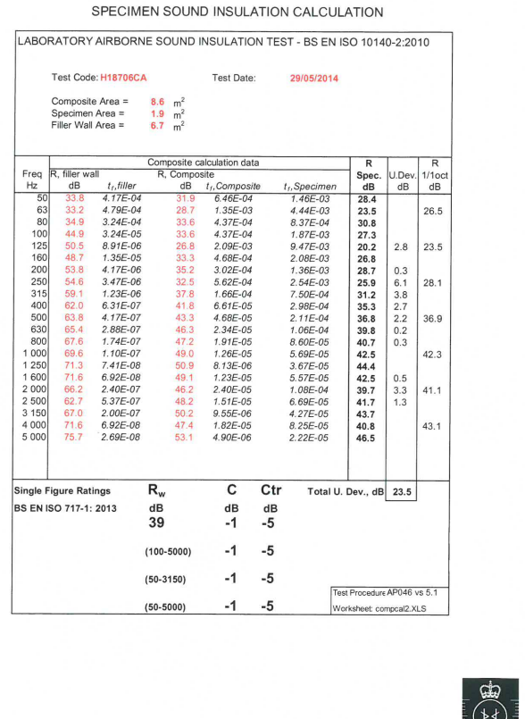
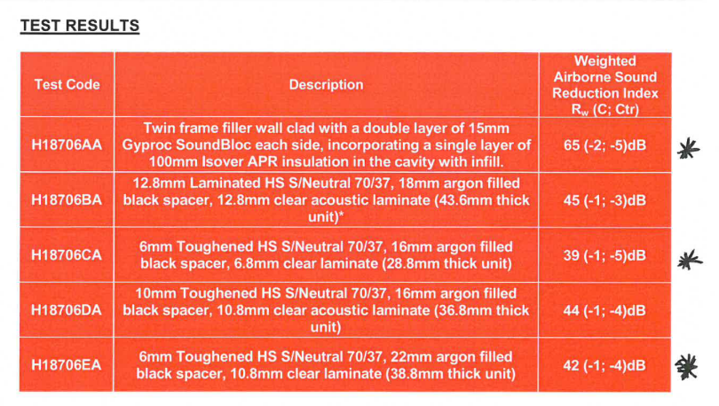
 | Sound reduction index in 1/1 octave bands / dB
 | 125 | 250 | 500 | 1000 | 2000
6-16-6.8 (Laminated) | 23.5 | 28.1 | 36.9 | 42.3 | 41.1

Pilkingtons 6-16-6.4 | 21 | 20 | 31 | 39 | 37

Double
Pilkintons Double Glazing Sound Reduction
Pilkintons Glazing Data |  |  | 63 | 125 | 250 | 500 | 1000 | 2000 | 4000 | 8000
Double Glazing | 4-16-4 |  | 20 | 24 | 20 | 25 | 35 | 38 | 35 | 40
 | 6-16-6 |  | 18 | 20 | 19 | 29 | 38 | 36 | 45 | 45
 | 6-16-6.4PVB |  | 19 | 21 | 20 | 31 | 39 | 37 | 47 | 47
 | 10-16-4 |  | 21 | 25 | 22 | 33 | 40 | 43 | 44 | 44
 | 10-16-6 |  | 22 | 26 | 27 | 34 | 40 | 38 | 46 | 46
 | 10-16-6.4PVB |  | 23 | 27 | 29 | 36 | 41 | 42 | 52 | 52

Nordan Glazing Data |  |  | 63 | 125 | 250 | 500 | 1000 | 2000 | 4000 | 8000
 | 4-16-6 |  | 19 | 19 | 22 | 24 | 34 | 41 | 40 | 40

BS 12758 | Rw | 125 | 250 | 500 | 1000 | 2000 | 4000 |  | C | Ctr
Glazing: 4/(6-16)/4 | 29 | 21 | 17 | 25 | 35 | 37 | 31 |  | -1 | -4
Glazing: 6/(6-16)/4 | 32 | 21 | 20 | 26 | 38 | 37 | 39 |  | -2 | -4
Glazing: 6/(6-16)/6 | 31 | 20 | 18 | 28 | 38 | 34 | 38 |  | -1 | -4
Glazing: 8/(6-16)/4 | 33 | 22 | 21 | 28 | 38 | 40 | 47 |  | -1 | -4
Glazing: 8/(6-16)/6 | 35 | 20 | 21 | 33 | 40 | 36 | 48 |  | -2 | -6
Glazing: 10/(6-16)/4 | 35 | 24 | 21 | 32 | 37 | 42 | 43 |  | -2 | -5
Glazing: 10/(6-16)/6 | 35 | 24 | 24 | 32 | 37 | 37 | 44 |  | -1 | -3
Glazing: 6/(6-16)/6 Laminated | 33 | 20 | 19 | 30 | 39 | 37 | 46 |  | -2 | -5
Glazing: 6/(6-16)/10 Laminated | 37 | 24 | 25 | 33 | 39 | 40 | 49 |  | -1 | -5

Product Description: | Polycarbonate |  |  |  | SGG Data from acoustic presentation

Third Octave Data: |  | 50 | 63 | 80 | 100 | 125 | 160 | 200 | 250 | 315 | 400 | 500 | 630 | 800 | 1000 | 1250 | 1600 | 2000 | 2500 | 3150 | 4000 | 5000 | 6300 | 8000 | 10000
 |  |  |  |  | 10.0 | 9.0 | 11.0 | 14.0 | 16.0 | 18.0 | 18.0 | 18.0 | 20.0 | 21.0 | 23.0 | 24.0 | 24.0 | 24.0 | 23.0 | 16.0 | 20.0 | 31.0

Calculated Octave Data |  |  |  |  | 125 | 250 | 500 | 1000 | 2000 | 4000 | 8000
16 mm Polycarbonate |  |  |  |  | 9.9 | 15.7 | 18.6 | 22.5 | 23.6 | 19.2
Reported Overall figures:
Rw | 21

TC60
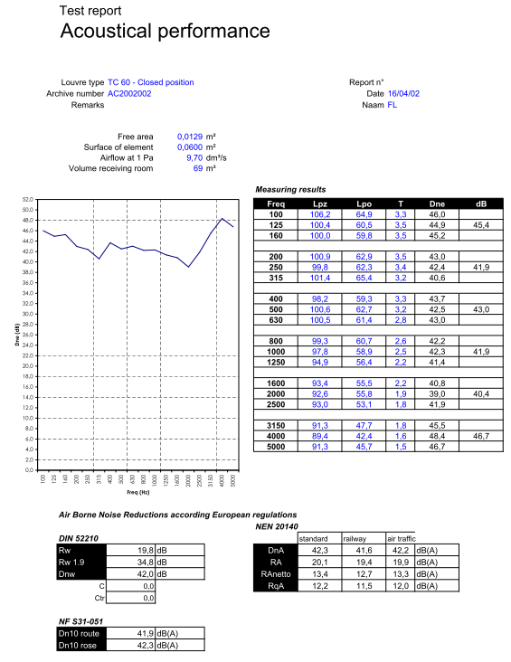
Frequency | 125 | 250 | 500 | 1000 | 2000
Dne on condition closed, dB | 45.4 | 41.9 | 43 | 41.9 | 40.4

Acoustic
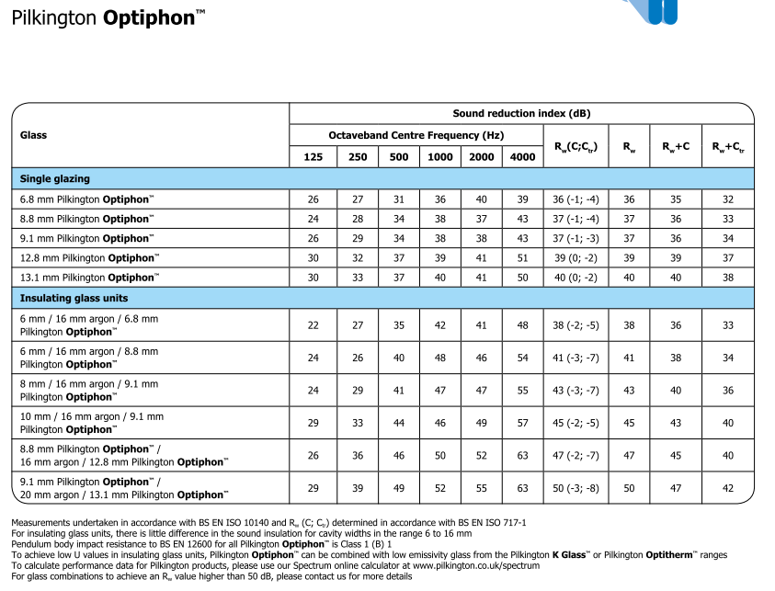

Pilkintons Glazing Data |  | 63 | 125 | 250 | 500 | 1000 | 2000 | 4000 | 8000
Acoustic Glazing | 6.8 | 19 | 21 | 26 | 31 | 35 | 37 | 38 | 39
 | 8.8 | 22 | 24 | 28 | 34 | 38 | 37 | 43 | 43
 | 10.8 | 25 | 28 | 31 | 36 | 38 | 39 | 47 | 47
 | 12.8 | 28 | 30 | 32 | 37 | 39 | 46 | 55 | 56
 | 16.8 | 22 | 29 | 34 | 37 | 39 | 46 | 55 | 55
 | 6/16/6.8 | 21 | 23 | 24 | 34 | 42 | 43 | 52 | 52
 | 6.8/16/6.8 | 22 | 23 | 26 | 35 | 43 | 48 | 55 | 55
 | 8.8/16/6 | 23 | 24 | 25 | 36 | 44 | 43 | 53 | 53
 | 10.8/16/6 | 23 | 25 | 28 | 38 | 45 | 44 | 56 | 56
 | 12.8/16/6 | 24 | 26 | 29 | 38 | 45 | 45 | 56 | 57
 | 8.8/16/12.8 |  | 26 | 36 | 46 | 50 | 52 | 63
 | 16.8/16/16.8 | 25 | 29 | 40 | 45 | 47 | 54 | 68 | 68

 | 10-16-9.1 |  | 29 | 33 | 44 | 46 | 49 | 57
Pilkintons Double Glazing Sound Reduction

Titon open position
Testresults on the Sobinco Ventilators

 | Sobinco Silentbloc 1 Ventilator in open position (length = 1 m) | Sobinco Silentbloc 3 Ventilator in open position (length = 1 m) | Sobinco Silentbloc 5 Ventilator in open position (length = 1 m) |  |  | Sobinco Silentbloc 1 Ventilator in open position (length = 1 m) | Sobinco Silentbloc 3 Ventilator in open position (length = 1 m) | Sobinco Silentbloc 5 Ventilator in open position (length = 1 m)
Frequency (Hz) | Transmission loss (dB) | Transmission loss (dB) | Transmission loss (dB)
100 | 34.5 | 33.90 | 33.1
125 | 30.8 | 30.00 | 28.2 |  | 125 | 32 | 29 | 30
160 | 31.6 | 26.90 | 29 |  | 250 | 29 | 28 | 33
200 | 30.1 | 25.80 | 30.3 |  | 500 | 25 | 36 | 40
250 | 29.5 | 28.30 | 34.4 |  | 1000 | 35 | 44 | 45
315 | 27.9 | 31.40 | 35.4 |  | 2000 | 39 | 44 | 47
400 | 25.9 | 33.80 | 37.9 |  | 4000 | 45 | 44 | 47
500 | 24 | 36.90 | 39.6
630 | 26 | 40.30 | 43.6
800 | 31.8 | 44.40 | 44.4
1000 | 37.7 | 44.00 | 45.2
1250 | 40.7 | 43.80 | 46.5
1600 | 38.8 | 43.80 | 45.4
2000 | 37.6 | 45.60 | 48.2
2500 | 39.6 | 44.00 | 49.2
3150 | 43.4 | 41.60 | 45.4
4000 | 47.8 | 44.10 | 46.2
5000 | 45.4 | 50.50 | 52.2

transpose
 |  | 125 | 250 | 500 | 1000 | 2000 | 4000
Sobinco Silentbloc 1 Ventilator in open position (length = 1 m) |  | 32 | 29 | 25 | 35 | 39 | 45
Sobinco Silentbloc 3 Ventilator, Dn,e / dB |  | 29 | 28 | 36 | 44 | 44 | 44
Sobinco Silentbloc 5 Ventilator in open position (length = 1 m) |  | 30 | 33 | 40 | 45 | 47 | 47

