Template
L₂: level in receiving room
L₁: level in source room
C: section area
L’_{w} is the sound power level at section B
L₂ = L’_{w} + 10 lg (4/R_{c} + Q/4πr²), where R_{c} = Sa / (1-a)
L_{w} at section C: L_{w} = L₁ + 10 lg C + correction
where correction is due to the locaiton of the duct inlet in the source room
L’_{w} = L_{w} - A; where A is total attenuation including 1) plain duct runs; 2) bends; 3) branches; 4) duct terminations; 5) insertion loss of attenuator. Where 1), 2), 3) and 4) can be determined by Woods or CIBSE guidance.
L₁ - L₂ = A - 10 lg C - 10 lg (4/R_{c}+ Q/4πr²)-correction
Based on the desired L1 - L2, determine the required insertion loss of the attenuator
B: section area
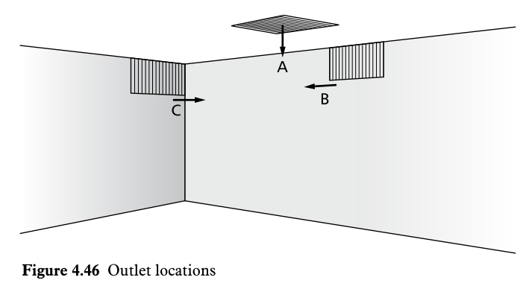
 |  | Values
Receiving room info | Tmf estimated, s | 0.5
 | S, room area, m2 | 94
 | Distance from duct opening to receivers, m | 2

Duct area | C, Duct area to source room,m2 | 0.126
 | A1, Duct area to receiving room, m2 | 0.126
 | A2, Branch area to other rooms A2, m2 | 0
Duct location | source room, A, B, C | A
 | receiving room, A, B, C | A
Duct type | Rectangular 1, circular 0 | 0
 | Duct length, m | 4
 | Duct diameter or mean dim, mm | 400
 | Number of bends | 2
Bend elbow type | Squre, 1, round, 0 | 0
 |  |  | 63 | 125 | 250 | 500 | 1000 | 2000 | 4000 | 8000
Attenuator | Insertion loss |  |  | 5 | 7 | 15 | 25 | 25

 | Frequency, Hz |  | 63 | 125 | 250 | 500 | 1000 | 2000 | 4000 | 8000
Room constant | Rc |  | 8 | 10 | 24 | 31 | 51 | 63 | 77 | 77
Directivity factor in receiving room | Q | 2.0

- 10 lg (4/Rc + Q/4πr2), dB |  |  | 3 | 4 | 7 | 8 | 9 | 10 | 10 | 10
- 10 lg C, dB | noise level break into duct |  | 9 | 9 | 9 | 9 | 9 | 9 | 9 | 9
- Correction, dB | Due to opening loc in source room |  | -3 | -2 | -1 | 0 | 0 | 0 | 0 | 0

A, Attenuations, dB | Length |  | 0.4 | 0.4 | 0.4 | 0.4 | 0.4 | 0.4 | 0.4 | 0.4
 | Bends |  | 2 | 2 | 4 | 6 | 6 | 6 | 6 | 6
 | Branches |  | 0 | 0 | 0 | 0 | 0 | 0 | 0 | 0
 | End reflection |  | 10 | 6 | 2 | 1 | 0 | 0 | 0 | 0

Output | Frequency, Hz |  | 63 | 125 | 250 | 500 | 1000 | 2000 | 4000 | 8000
 | L1 - L2 |  | 22 | 24 | 29 | 39 | 50 | 50 | 26 | 26
 | Dw(C;Ctr) | 41(-2;-6)

Attenaution table
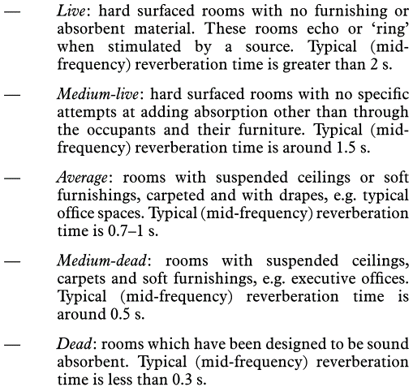
Absorption coefficent suggested in CIBSE
 | Tmf |  | 63 | 125 | 250 | 500 | 1k | 2k | 4k | 8k
 | >2 | Live | 0.02 | 0.025 | 0.03 | 0.04 | 0.06 | 0.05 | 0.03 | 0.02
 | around 1.5 | Medium-live | 0.02 | 0.05 | 0.08 | 0.1 | 0.15 | 0.2 | 0.2 | 0.2
 | 0.7 - 1 | Average | 0.05 | 0.07 | 0.1 | 0.15 | 0.25 | 0.3 | 0.35 | 0.35
 | around 0.5 | Medium-dead | 0.08 | 0.1 | 0.2 | 0.25 | 0.35 | 0.4 | 0.45 | 0.45
 | < 0.3 | Dead | 0.1 | 0.2 | 0.3 | 0.4 | 0.5 | 0.55 | 0.55 | 0.55

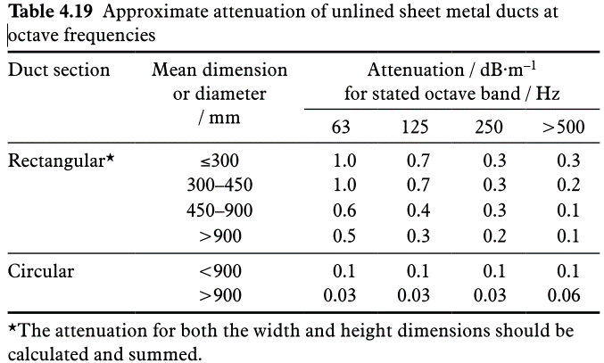
Length of duct, attenaution dB/m
ref Tab 4.19 | Duct section | Mean dimension, mm | Attneuation dB/m
 |  |  | 63 | 125 | 250 | 500 | 1k | 2k | 4k | 8k
 | Rectangular | <=300 | 1 | 0.7 | 0.3 | 0.3 | 0.3 | 0.3 | 0.3 | 0.3
 |  | 300 - 450 | 1 | 0.4 | 0.3 | 0.2 | 0.2 | 0.2 | 0.2 | 0.2
 |  | 450 - 900 | 0.6 | 0.4 | 0.3 | 0.1 | 0.1 | 0.1 | 0.1 | 0.1
 |  | >900 | 0.5 | 0.3 | 0.2 | 0.1 | 0.1 | 0.1 | 0.1 | 0.1
 | Circular | < 900 | 0.1 | 0.1 | 0.1 | 0.1 | 0.1 | 0.1 | 0.1 | 0.1
 |  | >900 | 0.03 | 0.03 | 0.03 | 0.06 | 0.06 | 0.06 | 0.06 | 0.06

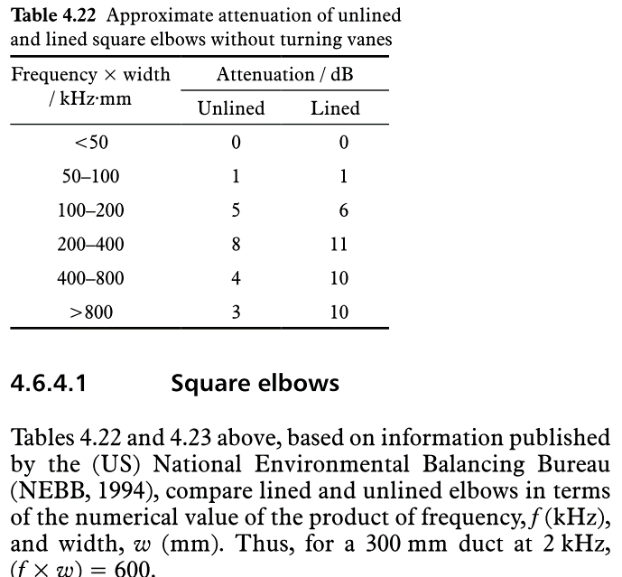
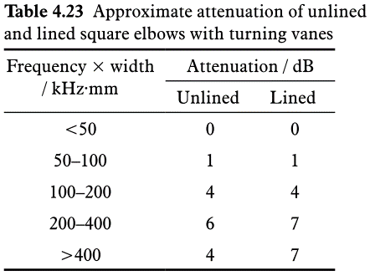
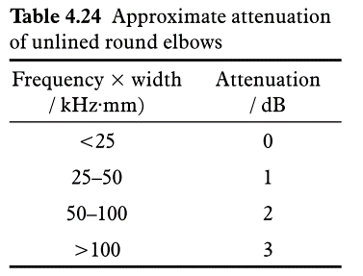
Duct bends
ref Tab 4.22, 4.23, 4.24 | Square elbows without turning vanes |  |  | Attenuation , dB
 |  | Frequency x width, kHz*mm |  | Unlined | Lined
 |  | < 50 |  | 0 | 0
 |  | 50 - 100 |  | 1 | 1
 |  | 100 - 200 |  | 5 | 6
 |  | 200 - 400 |  | 8 | 11
 |  | 400 - 800 |  | 4 | 10
 |  | > 800 |  | 3 | 10
 | Square elbows with turning vanes |  |  | Attenuation , dB
 |  | Frequency x width, kHz*mm |  | Unlined | Lined
 |  | < 50 |  | 0 | 0
 |  | 50 - 100 |  | 1 | 1
 |  | 100 - 200 |  | 4 | 4
 |  | 200 - 400 |  | 6 | 7
 |  | >400 |  | 4 | 7
 | Round elbows |  |  | Attenuation, dB
 |  | Frequency x width, kHz*mm |  | Unlined
 |  | < 25 |  | 0
 |  | 25 - 50 |  | 1
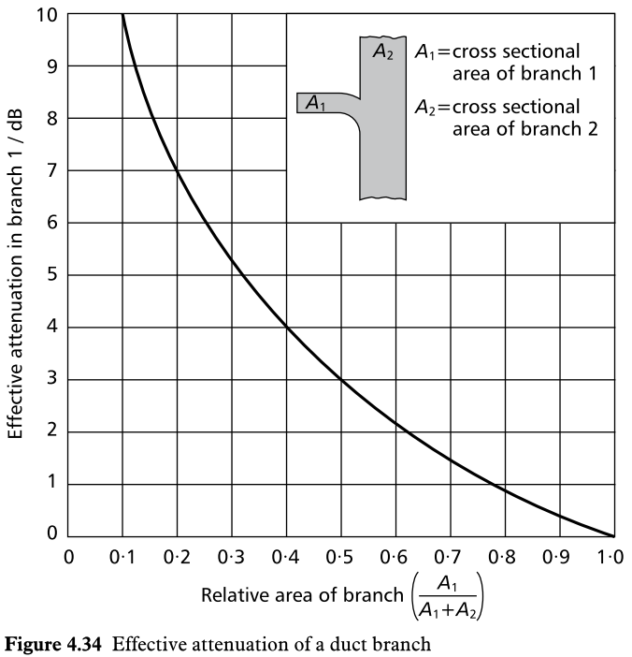
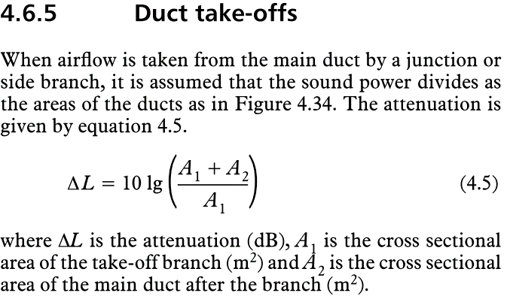
 |  | 50 - 100 |  | 2
 |  | > 100 |  | 3

Take-offs, branches
ref. eq 4.5, Fig 4.34

End reflection
ref eq 4.6, 4.7, Tab 4.25
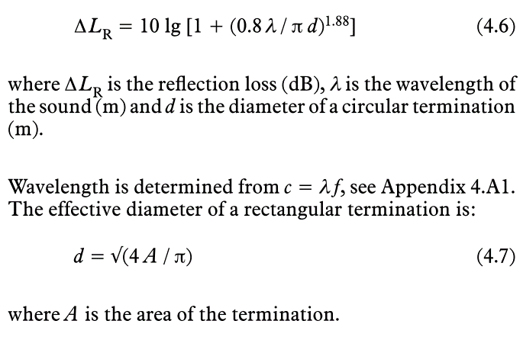
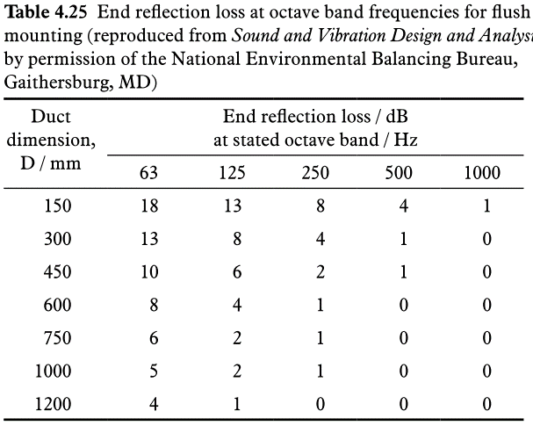

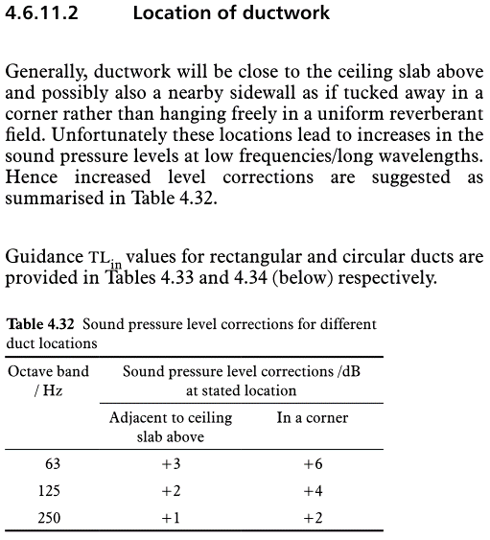

Level increase due to duct location in source room

