Sheet1
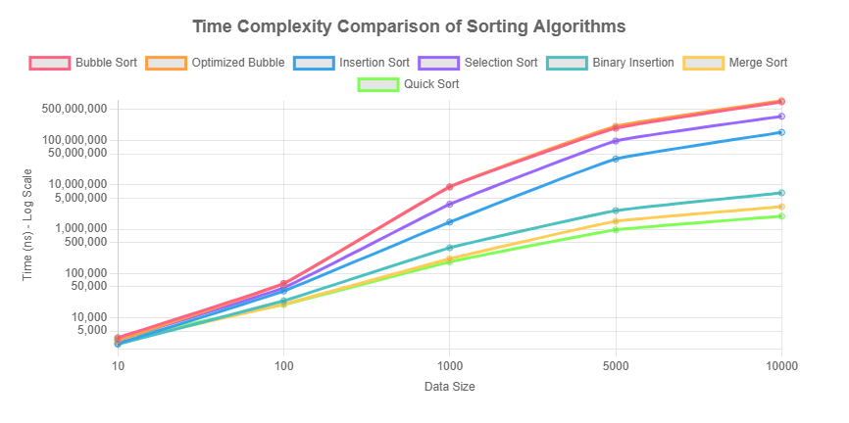
Data Size | Bubble(ns) | Opt.Bubble(ns) | Insertion(ns) | Selection(ns) | BinaryInsertion(ns) | Merge(ns) | Quick(ns)
10 | 3559 | 3129 | 2618 | 3176 | 2537 | 2899 | 3417
100 | 59884 | 58911 | 40249 | 47739 | 24147 | 20221 | 19807
1000 | 8942642 | 8961506 | 1440283 | 3643503 | 379697 | 214136 | 182580
5000 | 188932127 | 208880000 | 38258249 | 97379006 | 2613523 | 1501525 | 961902
10000 | 745606970 | 789154525 | 152557082 | 351095059 | 6576721 | 3207051 | 1957427

