Sheet1
Timajo, Kurt Vincent
CpE-2B

Iterating through a list using indexing

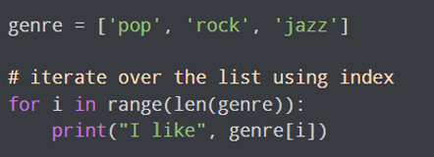
 | genre = ['pop', 'rock', 'jazz']
 |  | len(genre) = 3

 |  | i | genre[i] | Print Output
 |  | 0 |  | I like pop
 |  | 1 |  | I like rock
 |  | 2 |  | I like jazz

 |  | sum | val | sum+val
 |  | 0 | 6 | 6
 |  | 6 | 5 | 11
 |  | 11 | 3 | 14
 |  | 14 | 8 | 22
 |  | 22 | 4 | 26
 |  | 26 | 2 | 28
 |  | 28 | 5 | 33
 |  | 33 | 4 | 37
 |  | 37 | 11 | 48
 |  | 48 | Stop

 |  | Output: | The sum is 48

 |  | student_name='Soyuj'
 |  | student | student == student_name |  | print(marks[student]) | else
 |  | James | FALSE |  | x
 |  | Jules | FALSE |  | x
 |  | Arthur | FALSE |  | x
 |  | null |  |  |  | /

 |  | Output: | No entry with that name found.

 |  | n = 10 | sum = 0 | i=1

 |  | Iteration | i <= n | sum=sum+i | i
 |  | 0 |  | 0 | 1 (init)
 |  | 1 | 1<=10 | 1 | 2
 |  | 2 | 2<=10 | 3 | 3
 |  | 3 | 3<=10 | 6 | 4
 |  | 4 | 4<=10 | 10 | 5
 |  | 5 | 5<=10 | 15 | 6
 |  | 6 | 6<=10 | 21 | 7
 |  | 7 | 7<=10 | 28 | 8
 |  | 8 | 8<=10 | 36 | 9
 |  | 9 | 9<=10 | 45 | 10
 |  | 10 | 10<=10 | 55 | 11
 |  | 11 | 11<=10 | STOP

 |  | Output: The sum is 55

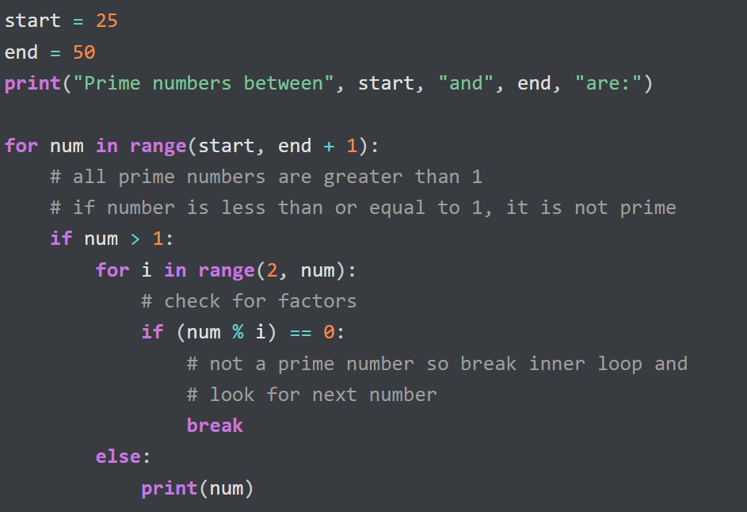
 |  | start = 25 | end=50

 |  | num | num >1 | break | print(num) | Output
 |  | 25 | / | x
 |  | 26 | / | x
 |  | 27 | / | x
 |  | 28 | / | x
 |  | 29 | / |  | x | 29
 |  | 30 | / | x
 |  | 31 | / |  | x | 31
 |  | 32 | / | x
 |  | 33 | / | x
 |  | 34 | / | x
 |  | 35 | / | x
 |  | 36 | / | x
 |  | 37 | / |  | x | 37
 |  | 38 | / | x
 |  | 39 | / | x
 |  | 40 | / | x
 |  | 41 | / |  | x | 41
 |  | 42 | / | x
 |  | 43 | / |  | x | 43
 |  | 44 | / | x
 |  | 45 | / | x
 |  | 46 | / | x
 |  | 47 | / |  | x | 47
 |  | 48 | / | x
 |  | 49 | / | x
 |  | 50 | / | x

 |  | Output: | Prime Numbers between 25 and 50 are
 |  |  | 29
 |  |  | 31
 |  |  | 37
 |  |  | 41
 |  |  | 43
 |  |  | 47

