PivotTable
Row Labels | Sum of TotalDue | Row Labels | Sum of TotalDue | Row Labels | Sum of TotalDue | Row Labels | Sum of TotalDue
Racing Socks, L | $155.71 | Southeast | $88.36 | Accessories | $46,007.26 | Jul | $63,509.19 | Total Sales
Road Bottle Cage | $176.69 | France | $4,070.31 | Clothing | $17,501.93 | Grand Total | $63,509.19 | $63,509.19 | $2,926,970,124.04
Short-Sleeve Classic Jersey, L | $206.59 | United Kingdom | $4,455.39 | Grand Total | $63,509.19
Short-Sleeve Classic Jersey, S | $220.93 | Germany | $5,593.13 |  |  |  |  | No.SalesPerson
Racing Socks, M | $278.28 | Northwest | $11,686.64 |  |  |  |  | 1 | 18
Total Per Region
Classic Vest, L | $387.25 | Australia | $11,810.87 |  |  |  |  | No.Customer
Classic Vest, S | $394.40 | Southwest | $12,403.42 |  |  |  |  | 363 | 19119
Half-Finger Gloves, S | $601.92 | Canada | $13,401.07 |  |  |  |  | No. product
Women's Mountain Shorts, M | $620.35 | Grand Total | $63,509.19 |  |  |  |  | 295 | 295
Classic Vest, M | $740.47
Half-Finger Gloves, L | $770.37
Total Per Product
Total Per Region
Half-Finger Gloves, M | $906.44
Short-Sleeve Classic Jersey, XL | $995.35
Total Sales Per Month
Long-Sleeve Logo Jersey, S | $1,037.76
Long-Sleeve Logo Jersey, XL | $1,047.22
Bike Wash - Dissolver | $1,104.48
Short-Sleeve Classic Jersey, M | $1,132.80
Hydration Pack - 70 oz. | $1,147.96
Women's Mountain Shorts, L | $1,190.97
ML Road Tire | $1,217.40
Women's Mountain Shorts, S | $1,235.73
Long-Sleeve Logo Jersey, M | $1,243.93
Long-Sleeve Logo Jersey, L | $1,274.23
HL Road Tire | $1,300.50
All-Purpose Bike Stand | $1,389.98
Touring Tire | $1,444.00
HL Mountain Tire | $1,453.26
LL Road Tire | $1,613.58
LL Mountain Tire | $1,614.52
Hitch Rack - 4-Bike | $1,747.07
Touring Tire Tube | $1,983.72
Sport-100 Helmet, Red | $2,032.41
ML Mountain Tire | $2,112.35
Mountain Bottle Cage | $2,232.07
Sport-100 Helmet, Blue | $2,572.00
Patch Kit/8 Patches | $2,656.02
Sport-100 Helmet, Black | $2,766.69
Water Bottle - 30 oz. | $2,998.04
AWC Logo Cap | $3,061.23
Fender Set - Mountain | $3,528.21
Mountain Tire Tube | $4,312.41
Road Tire Tube | $4,603.90
Grand Total | $63,509.19

Dashboard
$2,926,970,124.04
18
19119
295

Total Sales
No.Sales Person
No.Customer
No.Product
southweastان اكثر منطفة فيها مبيعات :
julyاعلي شهر:
Bikesاعلي فئه :

Total Per Region
 | Total
Southeast | $88.36
France | $4,070.31
United Kingdom | $4,455.39
Germany | $5,593.13
Northwest | $11,686.64
Australia | $11,810.87
Southwest | $12,403.42
Canada | $13,401.07
Total Per Region
 | Total
Accessories | $46,007.26
Clothing | $17,501.93

Total Sales Per Month
 | Total
Jul | $63,509.19

PivotTable2
Row Labels | Sum of TotalDue |  |  |  |  |  |  |  | Row Labels | Distinct Count of CustomerID | Row Labels | Sum of TotalDue
280 | $114,511,107.84 |  |  | Row Labels | Sum of TotalDue | Row Labels | Sum of TotalDue | Total Sales | Northeast | 57 | Friday | $212,585,108.75
283 | $123,090,545.27 |  |  | 29639 | $34,514,935.30 | Road Tire Tube | $4,603.90 | $2,926,970,124.04 | Central | 69 | Sunday | $381,773,345.57
Top5 Per Product
290 | $190,218,560.71 | Row Labels | Sum of TotalDue | 29913 | $35,967,231.44 | Mountain Tire Tube | $4,312.41 | Total orders | Southeast | 91 | Tuesday | $403,492,724.42
279 | $201,612,866.26 | 2011 | $170,532,016.75 | 30117 | $36,244,446.96 | Fender Set - Mountain | $3,528.21 | 31,465.00 | Canada | 1677 | Thursday | $432,484,099.64
282 | $206,045,854.04 | 2012 | $907,348,341.93 | 29712 | $37,509,705.56 | AWC Logo Cap | $3,061.23 | $93,023.05 | Germany | 1812 | Monday | $457,072,471.45
281 | $225,255,391.37 | 2013 | $1,331,695,260.38 | 29701 | $38,019,405.04 | Water Bottle - 30 oz. | $2,998.04 | Aov | France | 1844 | Saturday | $478,917,953.33
275 | $327,853,784.28 | 2014 | $517,394,504.99 | 29957 | $38,056,813.11 | Grand Total | $18,503.78 | Avg.Items | United Kingdom | 1951 | Wednesday | $560,644,420.90
277 | $347,868,654.95 | Grand Total | $2,926,970,124.04 | 30048 | $38,426,845.59 |  |  | 41 | Northwest | 3428 | Grand Total | $2,926,970,124.04
Total Sales Per Year
Total Sales Per Day
289 | $366,037,331.28 |  |  | 29614 | $38,595,035.72 |  |  |  | Australia | 3625
276 | $381,125,560.61 |  |  | 30103 | $38,882,595.01 |  |  |  | Southwest | 4565
Grand Total | $2,483,619,656.61 |  |  | 29722 | $41,901,163.23 |  |  |  | Grand Total | 19119
Sales Person Performance
Customer Country by Territory
 |  |  |  | Grand Total | $378,118,176.95 |  |  | $2,927M
Top Customer Performance
 |  |  |  |  |  |  |  | $31k
 |  |  |  |  |  |  |  | $93k
 |  |  |  |  |  |  |  | 41

Home
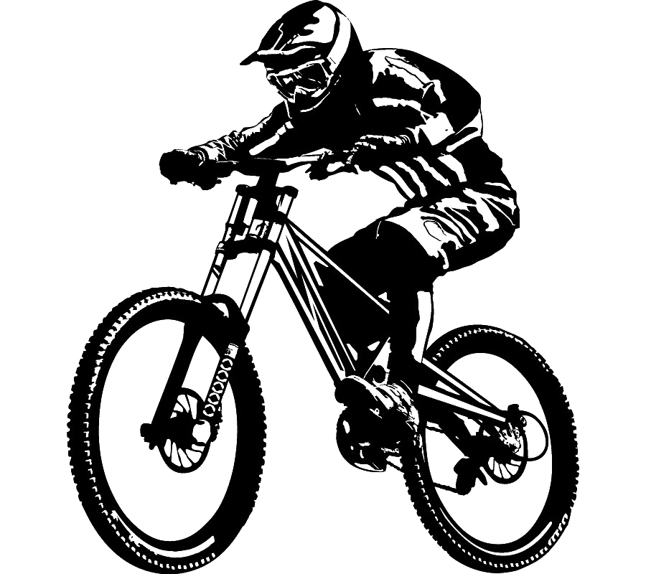



Dashboard2

$2,927M
$31k
$93k
41
Total Sales
Total Order
Aov
Avg.Items

Total Sales Per Day
 | Total
Friday | $212,585,108.75
Sunday | $381,773,345.57
Tuesday | $403,492,724.42
Thursday | $432,484,099.64
Monday | $457,072,471.45
Saturday | $478,917,953.33
Wednesday | $560,644,420.90
Top5 Per Product
 | Total
Road Tire Tube | $4,603.90
Mountain Tire Tube | $4,312.41
Fender Set - Mountain | $3,528.21
AWC Logo Cap | $3,061.23
Water Bottle - 30 oz. | $2,998.04
Sales Person Performance
 | Total
280 | $114,511,107.84
283 | $123,090,545.27
290 | $190,218,560.71
279 | $201,612,866.26
282 | $206,045,854.04
281 | $225,255,391.37
275 | $327,853,784.28
277 | $347,868,654.95
289 | $366,037,331.28
276 | $381,125,560.61

Customer Country by Territory
 | Total
Northeast | 57
Central | 69
Southeast | 91
Canada | 1677
Germany | 1812
France | 1844
United Kingdom | 1951
Northwest | 3428
Australia | 3625
Southwest | 4565

Total Sales Per Year
 | Total
2011 | $170,532,016.75
2012 | $907,348,341.93
2013 | $1,331,695,260.38
2014 | $517,394,504.99

