Sheet2
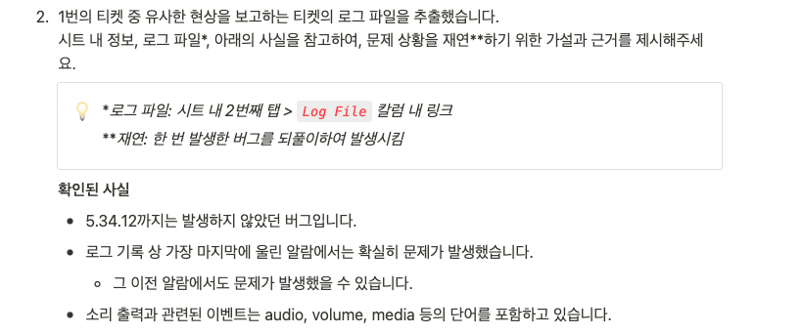

◼︎ 이야기의 진행 순서

- 하향식 방법 (water-fall)

(1) 문제 인식
문제 정의
(2) 데이터 전체 둘러보기
첫 접근 방법 (정의된 문제를 -> 데이터의 문제로)
문제 항목 / 비문제 항목 구분
(3) 탐색(발견)
(4) 검증

- 상향식 방법

