Sheet1
$$\tilde{x}$$
$$w$$
$$\left[\begin{aligned}1 \\ x \\ x \\ … \\ x \end{aligned}\right]$$
$$1$$
$$2$$
$$N$$
$$\left[\begin{aligned}w \\ w \\ w \\ … \\ w \end{aligned}\right]$$
$$1$$
$$2$$
$$N$$
$$0$$
$$=$$
$$=$$

$$f(x)$$
$$=$$
$$\left[\begin{aligned}1 \\ x \\ x \\ … \\ x \end{aligned}\right]$$
$$1$$
$$2$$
$$N$$
$$=$$
$$w$$
$$\tilde{x}$$
$$T$$
$$\left[\begin{matrix}w & w & w & … & w \end{matrix}\right]$$
$$N$$
$$0$$
$$1$$
$$2$$


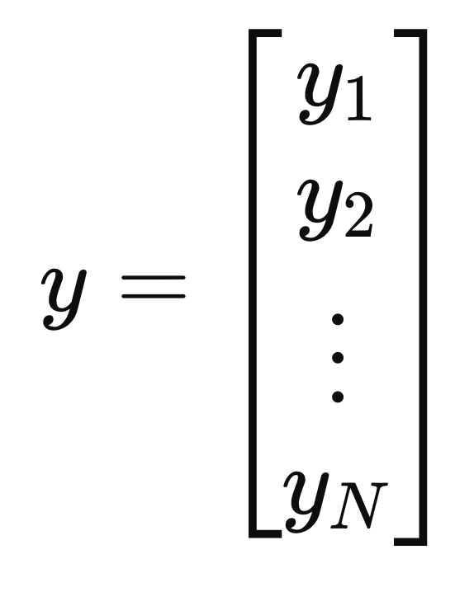

`

$$오차함수$$

$$편미분$$

$$…(1)$$

$$…(2)$$

$$…(3)$$

